Tabelle1
season | week | home_team_id | away_team_id | home_score | away_score
2021 | 1 | BD | SS | 17 | 21
2021 | 1 | PW | CC | 55 | 39
2021 | 1 | HD | FG | 17 | 15
2021 | 1 | BT | LK | 27 | 37
2021 | 2 | PW | LK | 54 | 28
2021 | 2 | CC | BD | 40 | 12
2021 | 2 | SS | FG | 20 | 42
2021 | 3 | LK | CC | 47 | 48
2021 | 3 | BD | HD | 14 | 32
2021 | 3 | FG | PW | 22 | 13
2021 | 3 | BT | SS | 40 | 19
2021 | 4 | CC | FG
2021 | 4 | SS | LK
2021 | 4 | HD | BT
2021 | 5 | BT | PW
2021 | 5 | LK | HD
2021 | 5 | FG | BD
2021 | 6 | PW | HD
2021 | 6 | BD | BT
2021 | 6 | SS | CC
2021 | 7 | HD | BD
2021 | 7 | CC | PW
2021 | 7 | LK | BT
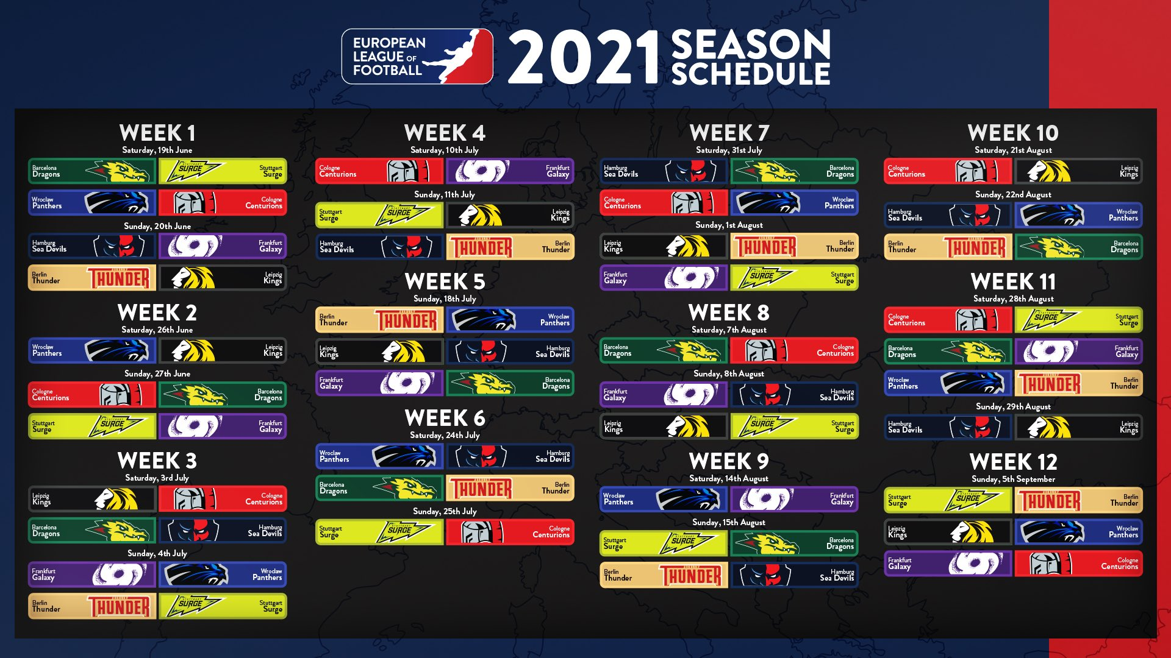
2021 | 7 | FG | SS
2021 | 8 | BD | CC
2021 | 8 | FG | HD
2021 | 8 | LK | SS
2021 | 9 | PW | FG
2021 | 9 | SS | BD
2021 | 9 | BT | HD
2021 | 10 | CC | LK
2021 | 10 | HD | PW
2021 | 10 | BT | BD
2021 | 11 | CC | SS
2021 | 11 | BD | FG
2021 | 11 | PW | BT
2021 | 11 | HD | LK
2021 | 12 | SS | BT
2021 | 12 | LK | PW
2021 | 12 | FG | CC

