Chart 1.1
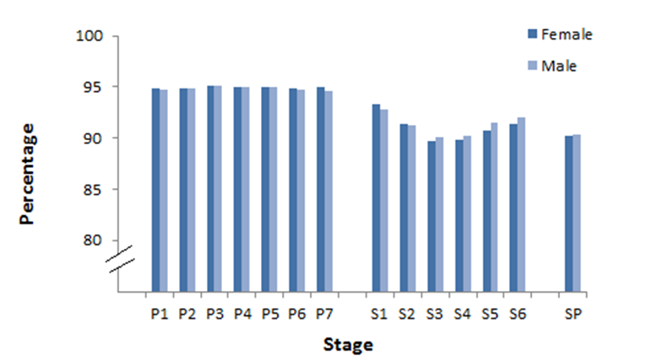
Return to Contents

Chart 1.1: Percentage attendance by stage and gender, 2016/17

Chart 1.3
Return to Contents

Chart 1.3: Times late, as a percentage of attendance, by stage and gender, 2016/17(1)

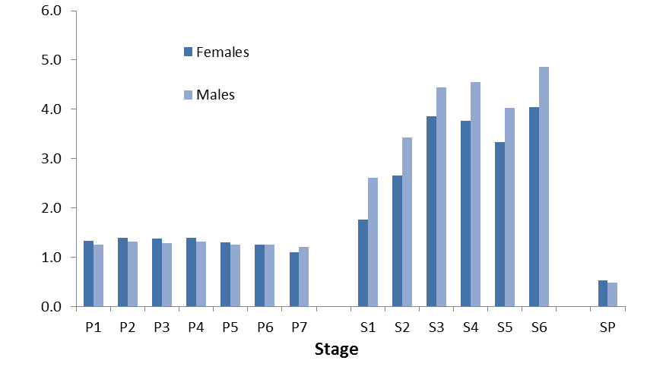
 | Females | Males
P1 | 1.3241442746 | 1.2520742281
P2 | 1.3982363367 | 1.3121727869
P3 | 1.3821607942 | 1.2842076774
P4 | 1.386313809 | 1.3076751053
P5 | 1.3018502319 | 1.2518444421
P6 | 1.2481051284 | 1.2448409816
P7 | 1.1009684875 | 1.2102368242
S1 | 1.7576586266 | 2.6102785249
S2 | 2.6620948276 | 3.420821476
S3 | 3.8503483271 | 4.4467786247
S4 | 3.7668774273 | 4.5584884652
S5 | 3.3316393574 | 4.0219294042
S6 | 4.0403793317 | 4.859188273
SP | 0.53098314825 | 0.47889863084
Percentage

(1) Late refers to pupils arriving in the first half of the morning or afternoon. Pupils arriving in the second half of the morning or afternoon (very late) are not included.

Chart 1.4
Return to Contents

Chart 1.4: Percentage of half-days absent due to holidays(1) by stage, 2016/17
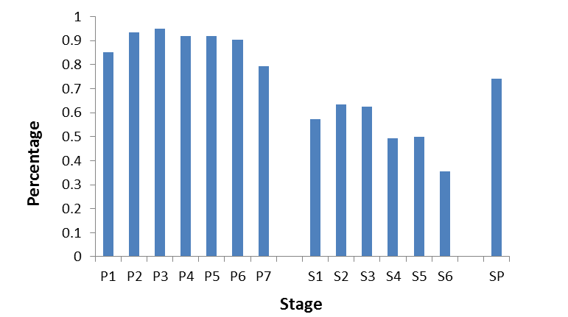

(1) Both authorised and unauthorised holidays

Chart 1.5
Return to Contents

Chart 1.5: Percentage of pupils taking holidays(1) by length of holidays, 2016/17
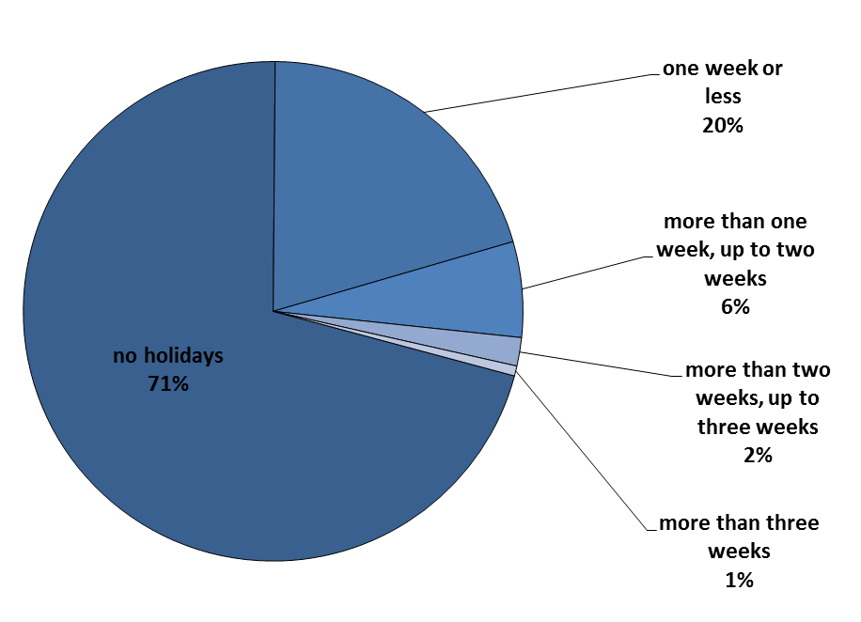

(1) Both authorised and unauthorised holidays

Chart 1.6
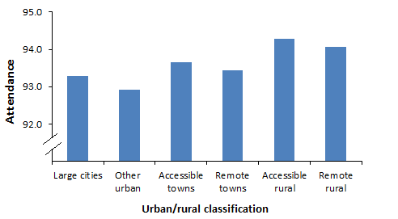
Return to Contents

Chart 1.6: Percentage attendance by urban/rural classification of pupils, 2016/17

Chart 1.8
Return to Contents

Chart 1.8: Percentage attendance by Scottish Index of Multiple Deprivation (SIMD) 2016 and sector, 2016/17(1)
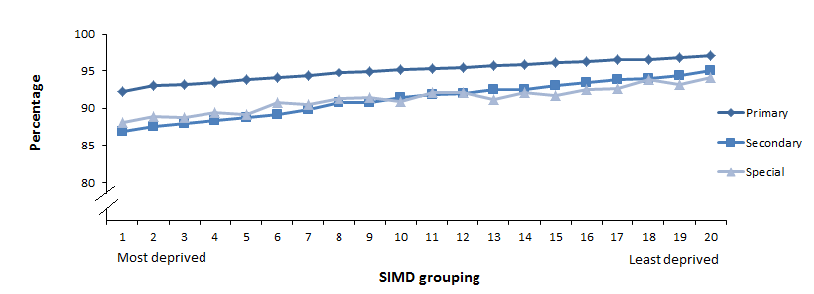

(1) The SIMD grouping is by vigintile. Vigintiles are bands of 5% i.e. vigintile 1 is the 5% most deprived and combining the first three vigintiles is the 15% most deprived datazones.

