Chart 1.1
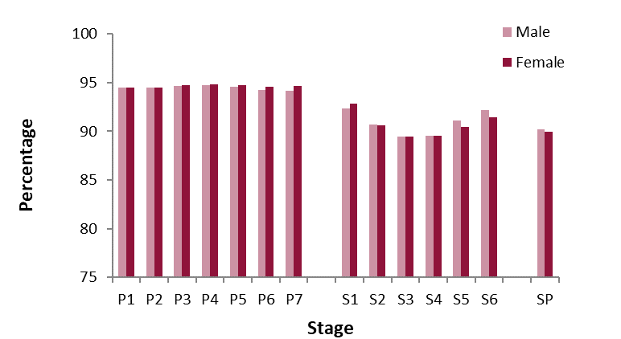
Return to Contents

Chart 1.1: Percentage attendance by stage and gender, 2018/19

Chart 1.3
Return to Contents

Chart 1.3: Times late, as a percentage of attendance, by stage and gender, 2018/19(1)
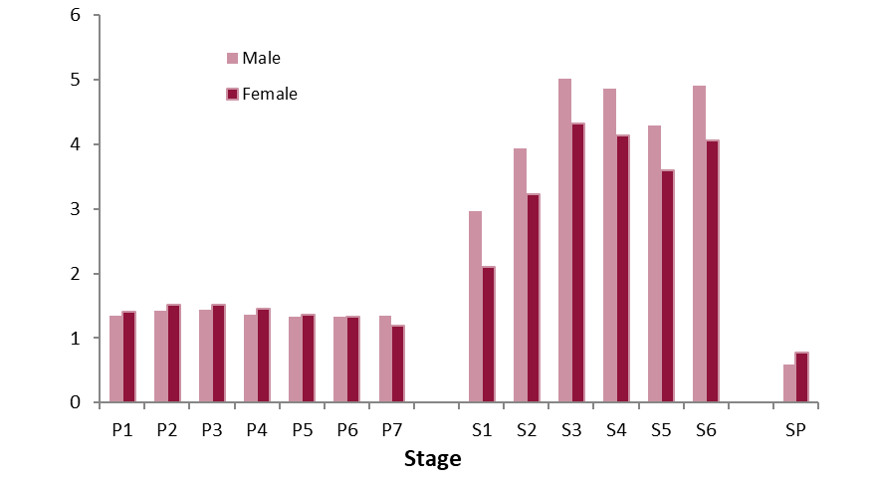

(1) Late refers to pupils arriving in the first half of the morning or afternoon. Pupils arriving in the second half of the morning or afternoon (very late) are not included.

Chart 1.4
Return to Contents

Chart 1.4: Percentage of half-days absent due to holidays(1) by stage, 2018/19
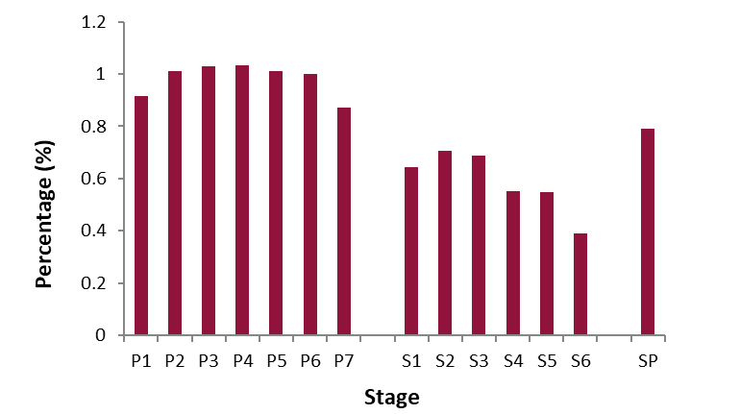

(1) Both authorised and unauthorised holidays

Chart 1.5
Return to Contents

Chart 1.5: Percentage of pupils taking holidays(1) by length of holidays(2)(3)(4), 2018/19
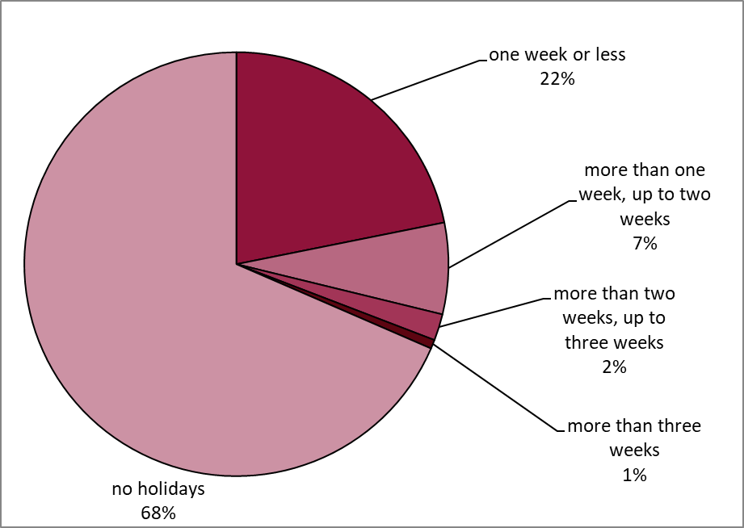

(1) Both authorised and unauthorised holidays
(2) Length of holiday is determined on the basis that 10 openings is equal to 1 week. This is used regardless of the number of openings a pupil's school operates. See background ntoes for more information.
(3) Figures refer to total length of holiday taken during the attendance year. Pupils may have taken multiple holidays but this will be represented as one longer period of holiday in this chart.
(4) Percentages are based on pupil enrollments rather than individual pupils. See background notes for more information.

Chart 1.6
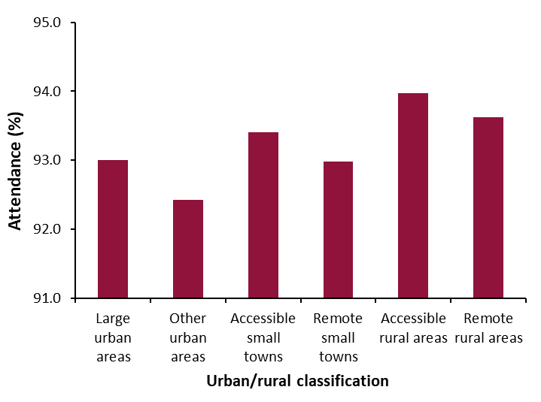
Return to Contents

Chart 1.6: Percentage attendance by urban/rural classification of pupils, 2018/19

Chart 1.8
Return to Contents

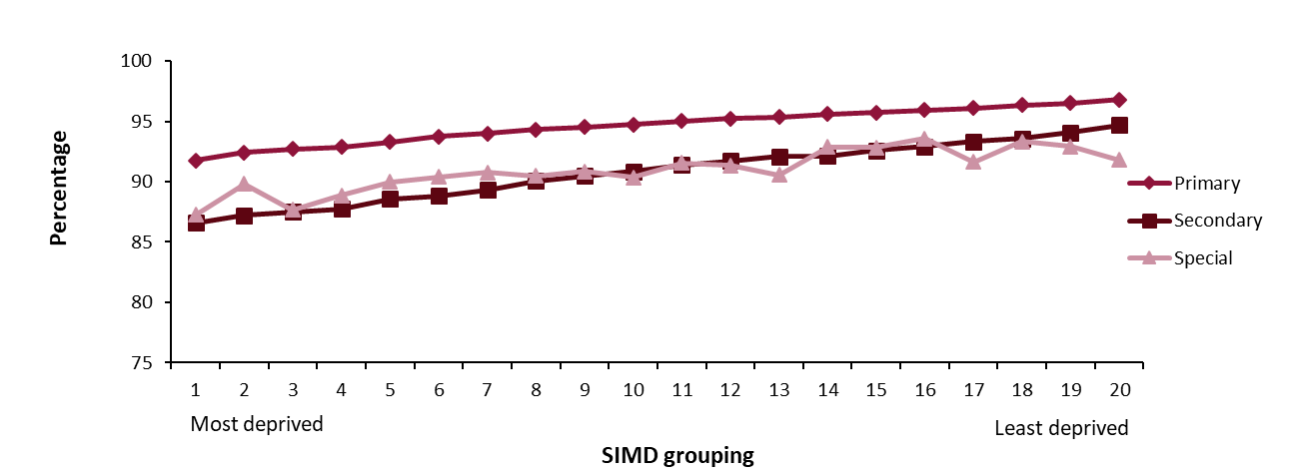
Chart 1.8: Percentage attendance by Scottish Index of Multiple Deprivation (SIMD) 2016 and sector, 2018/19(1)

(1) The SIMD grouping is by vigintile. Vigintiles are bands of 5% i.e. vigintile 1 is the 5% most deprived and combining the first three vigintiles is the 15% most deprived datazones.

