Bulletin tables
Tables from Summary Statistics for Schools in Scotland 2024 Edition - Attendance and Absence
This worksheet contains 7 tables. The first 6 tables contain data, the final table contains notes referenced in the data tables.
Attendance and absence by detailed reason, 2016/17 to 2023/24 [Note 1]
Attendance / absence type | 2016/17 | 2018/19 | 2020/21 [Note 2] | 2022/23 | 2023/24
Attendance | 93.3 | 93.0 | 92.0 | 90.2 | 90.3
In school | 91.1 | 90.6 | 88.2 | 87.0 | 86.8
Late | 2.0 | 2.2 | 1.8 | 3.0 | 3.3
Work experience | 0.1 | 0.1 | low | 0.1 | 0.1
Sickness with education provision | low | 0.1 | 0.1 | 0.1 | 0.1
COVID-19 sickness with provision for home-learning | z | z | 0.1 | z | z
COVID-19 self-isolation with provision for home-learning | z | z | 1.8 | z | z
Authorised absence | 4.2 | 4.4 | 4.7 | 6.1 | 5.9
Sickness without education provision | 3.5 | 3.6 | 3.5 | 5.0 | 4.8
Very late | low | low | low | low | low
Authorised holidays | 0.1 | 0.1 | low | 0.1 | 0.1
Exceptional domestic circumstances | 0.1 | 0.1 | 0.1 | 0.1 | 0.1
Other authorised | 0.6 | 0.6 | 0.7 | 0.8 | 0.8
COVID-19 sickness without provision for home-learning | z | z | low | z | z
COVID-19 self-isolation without provision for home-learning | z | z | 0.3 | z | z
Unauthorised absence | 2.4 | 2.6 | 3.2 | 3.7 | 3.8
Unauthorised holidays | 0.7 | 0.7 | 0.3 | 0.9 | 1.0
Unexplained absence, including truancy | 1.5 | 1.7 | 2.1 | 2.3 | 2.3
Exceptional domestic circumstances (unauthorised) | low | low | low | low | 0.1
Other unauthorised | 0.2 | 0.2 | 0.8 | 0.4 | 0.4
All absences (authorised and unauthorised) | 6.6 | 7.0 | 7.9 | 9.7 | 9.6
Temporary exclusion | low | low | low | low | low
Attendance by sex, percentage of half days, 2023/24
Sex | Primary | Secondary | Special | Total
All Pupils | 92.5 | 87.6 | 87.3 | 90.3
Male | 92.4 | 88.1 | 87.4 | 90.5
Female | 92.6 | 87.1 | 87.2 | 90.2
Attendance by ethnicity, percentage of half days, 2023/24
Ethnicity | Primary | Secondary | Special | Total
All Pupils | 92.5 | 87.6 | 87.3 | 90.3
White Scottish | 92.6 | 87.2 | 87.1 | 90.1
White non-Scottish | 91.8 | 87.8 | 88.4 | 90.1
Mixed or multiple ethnic groups | 93.3 | 88.7 | 88.0 | 91.5
Asian | 91.9 | 90.7 | 86.9 | 91.3
African/Black/Caribbean | 95.4 | 93.4 | 92.5 | 94.6
All other ethnic groups | 91.2 | 88.4 | 86.9 | 90.1
Not Disclosed / Not Known | 91.3 | 86.7 | 85.2 | 89.8
Attendance by additional support need and SIMD, percentage of half days, 2023/24
Additional Support Needs and SIMD | Primary | Secondary | Special | Total
All Pupils | 92.5 | 87.6 | 87.3 | 90.3
Pupils with ASN | 90.6 | 84.5 | 87.3 | 87.4
Pupils with no ASN | 93.3 | 89.9 | 0.0 | 92.0
Lowest 20% of SIMD (Most deprived) | 89.6 | 83.5 | 85.0 | 86.9
Highest 20% of SIMD (Least deprived) | 95.0 | 91.8 | 91.5 | 93.6
Attendance by local authority, percentage of half days, 2016/17 to 2023/24
Local Authority | 2016/17 | 2018/19 | 2020/21 | 2022/23 | 2023/24
Aberdeen City | 93.6 | 93.3 | 93.0 | 91.2 | 91.6
Aberdeenshire | 94.9 | 94.4 | 94.9 | 92.4 | 92.3
Angus | 93.7 | 93.4 | 92.8 | 90.5 | 90.7
Argyll and Bute | 93.7 | 93.5 | 93.3 | 90.6 | 90.3
City of Edinburgh | 93.9 | 93.8 | 92.6 | 91.6 | 91.6
Clackmannanshire | 92.9 | 92.9 | 92.9 | 90.7 | 91.1
Dumfries and Galloway | 94.2 | 93.6 | 93.2 | 90.7 | 90.3
Dundee City | 92.3 | 91.8 | 90.6 | 88.6 | 88.9
East Ayrshire | 93.0 | 92.2 | 90.9 | 88.4 | 88.3
East Dunbartonshire | 95.0 | 94.9 | 94.3 | 92.7 | 92.5
East Lothian | 93.7 | 93.1 | 91.8 | 90.0 | 90.3
East Renfrewshire | 95.3 | 95.2 | 94.6 | 93.0 | 93.1
Falkirk | 93.1 | 92.9 | 92.0 | 90.6 | 90.7
Fife | 93.0 | 92.6 | 91.1 | 89.6 | 89.6
Glasgow City | 92.5 | 92.2 | 90.6 | 88.9 | 88.9
Highland | 93.4 | 92.7 | 91.5 | 89.8 | 89.6
Inverclyde | 92.5 | 92.2 | 92.3 | 90.3 | 90.6
Midlothian | 92.6 | 92.6 | 92.3 | 90.7 | 90.7
Moray | 94.0 | 93.9 | 93.8 | 91.2 | 90.8
Na h-Eileanan Siar | 95.2 | 94.0 | 93.7 | 91.4 | 91.5
North Ayrshire | 92.6 | 92.1 | 91.4 | 88.8 | 89.1
North Lanarkshire | 91.8 | 91.2 | 89.8 | 88.7 | 89.1
Orkney Islands | 94.6 | 93.8 | 94.9 | 91.2 | 90.9
Perth and Kinross | 93.6 | 93.3 | 91.9 | 90.4 | 90.2
Renfrewshire | 93.3 | 93.0 | 91.9 | 90.2 | 90.3
Scottish Borders | 94.2 | 93.7 | 93.3 | 91.5 | 91.7
Shetland Islands | 94.5 | 94.4 | 95.5 | 91.8 | 92.5
South Ayrshire | 93.2 | 92.6 | 91.5 | 89.1 | 90.0
South Lanarkshire | 93.4 | 92.9 | 91.6 | 90.1 | 90.5
Stirling | 94.1 | 93.7 | 93.4 | 91.7 | 91.8
West Dunbartonshire | 91.8 | 91.8 | 90.4 | 88.4 | 88.9
West Lothian | 93.3 | 92.7 | 92.3 | 89.7 | 89.7
Grant-aided mainstream | 97.1 | 96.7 | 97.5 | 95.4 | 95.5
Persistent absence (Percentage of persistent absentees - 10% or more sessions missed) by Local Authority and sector, 2023/24
Local Authority | Primary | Secondary | Special | All sectors
Aberdeen City | 23.3 | 33.6 | 29.9 | 27.5
Aberdeenshire | 16.6 | 31.6 | 21.8 | 23.1
Angus | 22.1 | 39.9 | z | 30.0
Argyll and Bute | 22.6 | 45.1 | 26.7 | 32.9
City of Edinburgh | 21.6 | 32.8 | 35.0 | 26.5
Clackmannanshire | 24.4 | 36.8 | 25.5 | 29.5
Dumfries and Galloway | 21.2 | 39.9 | 27.3 | 29.9
Dundee City | 29.3 | 45.8 | 58.9 | 37.1
East Ayrshire | 28.9 | 48.8 | 37.6 | 37.7
East Dunbartonshire | 14.6 | 31.5 | 28.0 | 22.7
East Lothian | 19.8 | 44.7 | z | 30.8
East Renfrewshire | 13.1 | 27.9 | 20.8 | 20.0
Falkirk | 22.4 | 39.8 | 31.6 | 30.3
Fife | 27.8 | 41.8 | 31.1 | 34.2
Glasgow City | 32.8 | 43.1 | 45.5 | 37.4
Highland | 24.7 | 45.2 | 34.8 | 34.2
Inverclyde | 24.2 | 41.0 | 22.2 | 31.7
Midlothian | 20.4 | 40.1 | 33.0 | 28.7
Moray | 22.6 | 38.3 | z | 29.6
Na h-Eileanan Siar | 17.2 | 37.5 | z | 26.5
North Ayrshire | 28.8 | 48.1 | 38.0 | 37.9
North Lanarkshire | 29.0 | 47.4 | 44.1 | 37.5
Orkney Islands | 18.0 | 43.6 | z | 29.8
Perth and Kinross | 21.3 | 43.1 | 40.3 | 31.0
Renfrewshire | 21.8 | 43.7 | 29.3 | 31.5
Scottish Borders | 18.5 | 34.8 | z | 26.0
Shetland Islands | 14.7 | 32.5 | z | 23.0
South Ayrshire | 23.0 | 47.1 | 18.3 | 34.2
South Lanarkshire | 22.2 | 42.0 | 42.4 | 31.2
Stirling | 16.8 | 34.6 | 46.7 | 25.7
West Dunbartonshire | 26.3 | 51.4 | 36.9 | 37.7
West Lothian | 24.0 | 41.3 | 30.3 | 31.7
All local authorities | 23.9 | 40.6 | 37.7 | 31.4
Grant Aided | 6.5 | 10.5 | z | 8.7
Scotland | 23.9 | 40.6 | 37.7 | 31.4
Pupil absence rate (percentage of pupils), Scotland, 2023/24
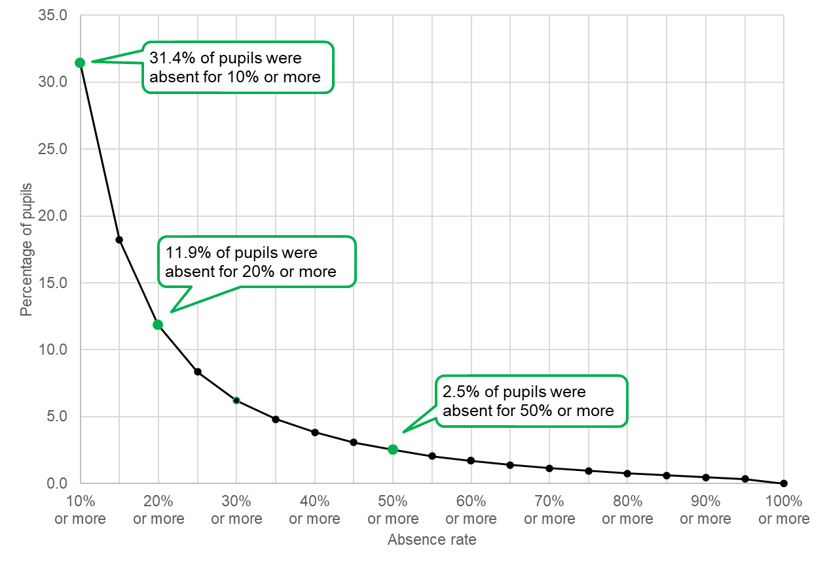
Notes for bulletin tables
Note number | Note detail
Note 1 | Detailed absence reasons will be affected by differing reporting practices across local authorities and over time. Overall absence and attendance are comparable.
Note 2 | Attendance and absence reporting in 2020/21 was impacted by the COVID-19 pandemic. Figures for 2020/21 shown here are only for when schools were open and so are comparable to other years. Please see the background notes for more information.

