Commentary and tables from pub
Return to contents
Commentary and tables from publication

Chapter 2: Teachers - Commentary and tables from Summary Statistics for Schools in Scotland, No 10 : 2019 Edition

51,449 teachers in schools compared to 51,138 in 2018 (excludes ELC)
13.6 pupil teacher ratio in local authority schools
84% of teachers on the 2018/19 Teacher Induction Scheme were in employment the following school year (September 2019)

Table 3.1: Teachers (Full Time Equivalents)
 | Primary School | Secondary School | Special School | Centrally employed | Total
Aberdeen City | 870 | 722 | 35 | 48 | 1,675
Aberdeenshire | 1,405 | 1,212 | 43 | 36 | 2,696
Angus | 586 | 560 | # | 26 | 1,172
Argyll and Bute | 417 | 402 | 8 | 7 | 834
City of Edinburgh | 1,674 | 1,535 | 163 | 80 | 3,452

Clackmannanshire | 272 | 221 | 24 | 3 | 520
Dumfries and Galloway | 667 | 679 | 17 | 73 | 1,436
Dundee City | 633 | 590 | 59 | 34 | 1,316
East Ayrshire | 574 | 541 | 70 | 21 | 1,205
East Dunbartonshire | 549 | 632 | 51 | 38 | 1,269

East Lothian | 475 | 471 | # | 27 | 973
East Renfrewshire | 597 | 677 | 29 | 3 | 1,306
Falkirk | 776 | 775 | 72 | 6 | 1,629
Fife | 1,785 | 1,574 | 85 | 86 | 3,530
Glasgow City | 2,667 | 2,231 | 322.8 | 132 | 5,352

Highland | 1,067 | 1,138 | 44 | 51 | 2,300
Inverclyde | 331 | 358 | 40 | 1 | 730
Midlothian | 467 | 416 | 29 | 29 | 941
Moray | 431 | 405 | # | 30 | 866
Na h-Eileanan Siar | 153 | 151 | # | 9 | 313

North Ayrshire | 666 | 625 | 40 | 45 | 1,376
North Lanarkshire | 1,714 | 1,597 | 227 | 52 | 3,590
Orkney Islands | 118 | 125 | # | 8 | 251
Perth and Kinross | 674 | 621 | 18 | 16 | 1,329
Renfrewshire | 791 | 768 | 91 | 23 | 1,674

Scottish Borders | 491 | 491 | 45 | 12 | 1,038
Shetland Islands | 158 | 153 | # | 10 | 320
South Ayrshire | 512 | 492 | 27 | 34 | 1,065
South Lanarkshire | 1,628 | 1,562 | 149 | 2 | 3,341
Stirling | 434 | 464 | 21 | 20 | 938

West Dunbartonshire | 468 | 450 | 49 | 13 | 980
West Lothian | 955 | 837 | 116.39 | 0 | 1,909

All local authorities | 25,006 | 23,474 | 1,875 | 972 | 51,327

Grant aided | 22 | 48 | 52 | # | 122

Scotland | 25,027 | 23,522 | 1,927 | 972 | 51,449

Table 3.2 shows that total teacher numbers (including primary, secondary, special and centrally employed teachers) across all schools has risen consistently from 2014 to 2019. Although the total FTE for 2019 has increased since 2018, this was not the case for each local authority. In 19 local authorities the number of teachers has either been maintained or increased, with the largest increases of 3% in Edinburgh and West Dunbartonshire. Thirteen local authorities saw a decrease this year, with the largest decreases being 4% in Highland and Na h-Eileanan Siar.

Table 3.2: Teachers in schools (all sectors excluding ELC)(1)
Local Authority | 2013 | 2014 | 2015 | 2016 | 2017 | 2018 | 2019
Aberdeen City | 1,606 | 1,623 | 1,632 | 1,603 | 1,624 | 1,636 | 1,675
Aberdeenshire | 2,594 | 2,593 | 2,650 | 2,655 | 2,675 | 2,650 | 2,696
Angus | 1,153 | 1,140 | 1,136 | 1,125 | 1,133 | 1,160 | 1,172
Argyll and Bute | 859 | 866 | 844 | 841 | 825 | 861 | 834
City of Edinburgh | 3,213 | 3,159 | 3,193 | 3,213 | 3,281 | 3,346 | 3,452

Clackmannanshire | 493 | 495 | 490 | 528 | 513 | 512 | 520
Dumfries and Galloway | 1,488 | 1,481 | 1,479 | 1,466 | 1,470 | 1,436 | 1,436
Dundee City | 1,393 | 1,372 | 1,375 | 1,367 | 1,330 | 1,321 | 1,316
East Ayrshire | 1,139 | 1,139 | 1,151 | 1,149 | 1,189 | 1,185 | 1,205
East Dunbartonshire | 1,184 | 1,191 | 1,204 | 1,217 | 1,245 | 1,248 | 1,269

East Lothian | 903 | 902 | 920 | 913 | 935 | 960 | 973
East Renfrewshire | 1,207 | 1,201 | 1,213 | 1,227 | 1,265 | 1,277 | 1,306
Falkirk | 1,568 | 1,578 | 1,581 | 1,605 | 1,620 | 1,634 | 1,629
Fife | 3,507 | 3,469 | 3,476 | 3,494 | 3,498 | 3,503 | 3,530
Glasgow City | 4,813 | 4,803 | 4,779 | 4,869 | 5,020 | 5,263 | 5,352

Highland | 2,340 | 2,331 | 2,357 | 2,355 | 2,365 | 2,388 | 2,300
Inverclyde | 733 | 725 | 734 | 735 | 738 | 745 | 730
Midlothian | 832 | 847 | 866 | 873 | 892 | 930 | 941
Moray | 877 | 881 | 874 | 848 | 856 | 868 | 866
Na h-Eileanan Siar | 340 | 323 | 324 | 321 | 327 | 327 | 313

North Ayrshire | 1,333 | 1,325 | 1,332 | 1,371 | 1,396 | 1,393 | 1,376
North Lanarkshire | 3,503 | 3,452 | 3,406 | 3,474 | 3,502 | 3,545 | 3,590
Orkney Islands | 250 | 254 | 255 | 260 | 253 | 250 | 251
Perth and Kinross | 1,339 | 1,337 | 1,337 | 1,329 | 1,329 | 1,346 | 1,329
Renfrewshire | 1,582 | 1,576 | 1,596 | 1,633 | 1,656 | 1,676 | 1,674

Scottish Borders | 1,098 | 1,063 | 1,049 | 1,052 | 1,055 | 1,070 | 1,038
Shetland Islands | 332 | 322 | 323 | 318 | 323 | 322 | 320
South Ayrshire | 1,082 | 1,062 | 1,063 | 1,043 | 1,056 | 1,048 | 1,065
South Lanarkshire | 3,174 | 3,147 | 3,176 | 3,202 | 3,282 | 3,298 | 3,341
Stirling | 934 | 932 | 921 | 942 | 925 | 934 | 938

West Dunbartonshire | 909 | 911 | 921 | 928 | 961 | 956 | 980
West Lothian | 1,868 | 1,868 | 1,880 | 1,899 | 1,924 | 1,924 | 1,909

All local authorities | 49,645 | 49,368 | 49,538 | 49,858 | 50,464 | 51,012 | 51,327

Grant aided | 145 | 153 | 141 | 127 | 127 | 126 | 122

Scotland | 49,790 | 49,521 | 49,679 | 49,985 | 50,592 | 51,138 | 51,449
(1) Includes teachers based in schools and centrally employed teachers.

Table 3.3 shows pupil teacher ratios (PTRs) in schools, giving a measure of the size of the teaching workforce relative to the pupil population. The national PTR increased between 2013 and 2014 from 13.5 pupils per teacher to 13.7. It then decreased to 13.6 in 2017 and has remained stable for the last three years.
Across Scotland, 19 local authorities have decreased or maintained their PTR from 2018. Since 2013 West Dunbartonshire had the largest decrease in PTR of 0.8. The largest increase in PTR since 2013 was in Dundee City at 1.3.

Table 3.3: Pupil teacher ratios (PTR) in schools (all sectors excluding ELC)(1)
Local Authority | 2013 | 2014 | 2015 | 2016 | 2017 | 2018 | 2019
Aberdeen City | 13.5 | 13.6 | 13.6 | 14.0 | 14.0 | 14.1 | 13.8
Aberdeenshire | 13.3 | 13.5 | 13.3 | 13.4 | 13.3 | 13.5 | 13.3
Angus | 13.1 | 13.3 | 13.2 | 13.3 | 13.3 | 13.1 | 13.0
Argyll and Bute | 12.4 | 12.2 | 12.4 | 12.3 | 12.5 | 12.0 | 12.2
City of Edinburgh | 14.3 | 14.9 | 14.9 | 15.1 | 15.1 | 15.1 | 14.9

Clackmannanshire | 13.5 | 13.3 | 13.4 | 12.5 | 12.9 | 13.0 | 12.8
Dumfries and Galloway | 12.7 | 12.7 | 12.7 | 12.7 | 12.8 | 13.1 | 13.1
Dundee City | 12.6 | 12.9 | 13.0 | 13.2 | 13.7 | 13.8 | 13.9
East Ayrshire | 14.0 | 14.0 | 13.9 | 13.9 | 13.3 | 13.5 | 13.4
East Dunbartonshire | 13.6 | 13.6 | 13.6 | 13.5 | 13.4 | 13.6 | 13.5

East Lothian | 15.1 | 15.2 | 15.1 | 15.4 | 15.2 | 15.1 | 15.1
East Renfrewshire | 13.4 | 13.7 | 13.7 | 13.7 | 13.5 | 13.5 | 13.2
Falkirk | 13.4 | 13.5 | 13.5 | 13.5 | 13.5 | 13.4 | 13.5
Fife | 13.7 | 14.0 | 14.0 | 14.1 | 14.1 | 14.2 | 14.2
Glasgow City | 13.6 | 13.6 | 13.8 | 13.8 | 13.5 | 13.1 | 13.0

Highland | 13.2 | 13.2 | 13.1 | 13.1 | 13.0 | 12.9 | 13.5
Inverclyde | 13.8 | 13.8 | 13.5 | 13.5 | 13.4 | 13.2 | 13.6
Midlothian | 14.2 | 14.2 | 14.2 | 14.2 | 14.2 | 13.8 | 14.0
Moray | 13.7 | 13.7 | 13.7 | 14.1 | 13.9 | 13.7 | 13.8
Na h-Eileanan Siar | 10.1 | 10.4 | 10.3 | 10.5 | 10.3 | 10.2 | 10.6

North Ayrshire | 13.7 | 13.7 | 13.6 | 13.3 | 13.1 | 13.1 | 13.1
North Lanarkshire | 13.9 | 14.2 | 14.4 | 14.1 | 14.0 | 13.8 | 13.7
Orkney Islands | 10.6 | 10.5 | 10.5 | 10.4 | 10.8 | 11.1 | 11.1
Perth and Kinross | 13.1 | 13.3 | 13.3 | 13.6 | 13.5 | 13.3 | 13.6
Renfrewshire | 14.8 | 14.7 | 14.6 | 14.3 | 14.2 | 14.1 | 14.2

Scottish Borders | 13.3 | 13.7 | 13.8 | 13.8 | 13.8 | 13.6 | 14.0
Shetland Islands | 9.7 | 10.0 | 10.0 | 10.2 | 10.0 | 10.1 | 10.2
South Ayrshire | 13.1 | 13.2 | 13.2 | 13.4 | 13.3 | 13.3 | 13.2
South Lanarkshire | 13.6 | 13.7 | 13.7 | 13.7 | 13.4 | 13.4 | 13.4
Stirling | 13.1 | 13.2 | 13.4 | 13.2 | 13.5 | 13.5 | 13.5

West Dunbartonshire | 13.6 | 13.6 | 13.5 | 13.4 | 13.1 | 13.1 | 12.8
West Lothian | 14.0 | 14.1 | 14.1 | 14.1 | 14.0 | 14.1 | 14.3

All local authorities | 13.5 | 13.7 | 13.7 | 13.7 | 13.6 | 13.6 | 13.6

Grant aided(2) | 8.7 | 8.1 | 8.6 | 9.2 | 9.3 | 9.4 | 9.6

Scotland | 13.5 | 13.7 | 13.7 | 13.7 | 13.6 | 13.6 | 13.6
(1) Includes teachers based in schools and centrally employed teachers.
(2) The pupil teacher ratio for grant aided schools in 2011-2016 was amended in October 2017. See background notes for details.

Information on teachers funded through the Attainment Scotland Fund can be found in the background notes.
One of the most important uses of the data collected in the school staff census is in modelling future changes in the workforce to provide guidance on the number of new teachers to train. Chart 1 shows that the age profile of teachers has changed much over the past 10 years. The prominent peak of teachers aged in their fifties, as seen in 2009, no longer exists. In 2019, the majority of teachers were in the 25 to 40 age range.
The average (mean) age of primary, secondary and special school teachers was 40 in 2019, compared to 43 in 2009, so teachers were, on average, younger in 2019 than in 2009.

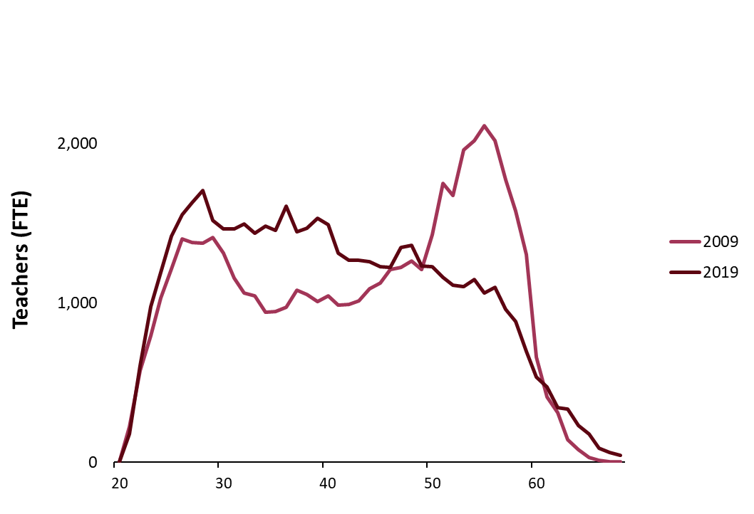
Chart 1: Age profile of school based teachers

Table 3.4 shows that in both primary and secondary sectors the proportion of teachers who were female falls at each level of seniority. In primary schools, 89% of teachers at all grades were female compared to 85% of head teachers. In secondary schools 64% of teachers at all grades were female compared to 42% of head teachers. However the number increases in special schools, where 76% of teachers at all grades were female compared to 79% of head teachers
Teaching posts were classified into three employment types for the purposes of the school staff census: Permanent, Temporary and Techer Induction Scheme. Teachers may be employed on a permanent contract but be working in a post classified as a temporary employment type, for example while covering a vacancy. The proportion of teachers in temporary posts was 11% (compared with 12% last year). In 2019 17% of teachers were working part-time, with the rate higher amongst females (20%) than males (7%).

Table 3.4: Teacher characteristics
 | School
Local Authority | Primary | Secondary | Special | Centrally Employed | Total
Sex
Female | 89 | 64 | 76 | 84 | 77
Male | 11 | 36 | 24 | 16 | 23
Age (years)
Under 25 | 7 | 5 | 1 | 0 | 6
25 to 34 | 32 | 29 | 17 | 9 | 29
35 to 44 | 27 | 28 | 31 | 23 | 27
45 to 54 | 23 | 23 | 30 | 35 | 24
55 or over | 11 | 15 | 21 | 33 | 14
Average Age | 39 | 41 | 45 | 49 | 40
Ethnicity
White - Scottish | 68 | 61 | 64 | 53 | 64
White - other British | 23 | 26 | 24 | 25 | 25
White - other | 2 | 4 | 5 | 5 | 3
Minority ethnic group | 1 | 2 | 2 | 5 | 2
Not known | 4 | 4 | 3 | 8 | 4
Not disclosed | 1 | 3 | 1 | 3 | 2
Post employment type
Permanent | 81 | 85 | 88 | 85 | 83
Temporary | 12 | 9 | 12 | 15 | 11
Teacher Induction Scheme | 7 | 6 | 0 | 0 | 6
Grade
Head teacher | 7 | 1 | 5 | 3 | 4
Percentage female | 85 | 42 | 79 | 82 | 78
Depute head teacher | 6 | 5 | 7 | 2 | 5
Percentage female | 87 | 57 | 76 | 91 | 74
Principal teacher | 7 | 22 | 11 | 10 | 15
Percentage female | 87 | 63 | 70 | 80 | 69
Teacher or chartered | 80 | 71 | 77 | 85 | 76
Percentage female | 90 | 66 | 77 | 85 | 79
All - percentage female | 89 | 64 | 76 | 84 | 77
Mode of working (1)
Full-time | 80 | 87 | 79 | 66 | 83
Percentage female | 88 | 61 | 73 | 82 | 75
Part-time | 20 | 13 | 21 | 34 | 17
Percentage female | 95 | 83 | 86 | 89 | 90
(1) The mode of working is the percentage of FTE by working pattern in a schooltype at a particular grade. See background notes for more details.

Teachers provisionally registered with the General Teaching Council for Scotland (GTCS) (for example those that have recently completed their initial teacher education) are required to complete a period of probation before becoming eligible for full registration. Probation can be completed through either the one year full time Teacher Induction Scheme (TIS) post or a flexible route.

Table 3.5 shows the percentage of previous TIS probationers who were in teaching posts in a publicly funded school in Scotland in the year following their probation. Of the 2012/13 TIS probationer cohort, 79% were teaching in the year following their probation. This increased to 86% for the 2014/15 cohort and remained at a similar level until dropping to 84% for the 2018/19 cohort. Teachers not in a post at a publicly funded school may be teaching elsewhere (including abroad or in the independent sector), in non-teaching employment or be unemployed. The proportion of the 2018/19 TIS probationer cohort with a full-time permanent post at the time of the following year’s census was 48%, down from 55% for the previous cohort.

Table 3.5: Teacher Induction Scheme post-probationers teaching in the year following their probation
 | TIS probationer cohort
 | 2011/12 | 2012/13 | 2013/14 | 2014/15 | 2015/16 | 2016/17 | 2017/18 | 2018/19
Full-time permanent | 28 | 35 | 39 | 45 | 55 | 57 | 55 | 48
Full-time temporary | 35 | 35 | 33 | 35 | 27 | 28 | 27 | 30
Part-time permanent | 3 | 2 | 2 | 2 | 2 | 1 | 2 | 2
Part-time temporary | 8 | 6 | 6 | 4 | 2 | 2 | 3 | 5
Other(1) | 25 | 21 | 20 | 14 | 13 | 12 | 13 | 16
Headcount of teachers in cohort | 1,944 | 2,044 | 2,215 | 2,448 | 2,524 | 2,630 | 2,852 | 2,836
(1) The “Other” category includes those teaching elsewhere, including in the independent sector, those who have found supply work, and those who are unemployed or who have left teaching, although this detail is not included in the census data.

Table 3.6 shows the percentage of TIS probationers in teaching posts up to six years following their probation. The percentage of teachers in such employment in the first year following probation increased from 79% for the 2012/13 cohort to 88% for the 2016/17 cohort. That percentage has decreased to 87% and 84% respectively for the two most recent cohorts. Since the 2014/15 TIS probationer cohort there has been a trend for the employment rate to reduce in each year after the first year following probation. For example, 87% of the 2015/16 cohort were in a teaching post in a publicly funded school in their first year after probation but this had reduced to 81% by 2019.

Table 3.6: Post-probationers in permanent or temporary employment
 | Teacher Census
Cohort | Sep-12 | Sep-13 | Sep-14 | Sep-15 | Sep-16 | Sep-17 | Sep-18 | Sep-19
2011/12 cohort | 75 | 77 | 79 | 77 | 78 | 77 | 76 | 75
2012/13 cohort |  | 79 | 77 | 77 | 77 | 76 | 74 | 74
2013/14 cohort |  |  | 80 | 81 | 79 | 78 | 77 | 76
2014/15 cohort |  |  |  | 86 | 83 | 82 | 80 | 79
2015/16 cohort |  |  |  |  | 87 | 84 | 83 | 81
2016/17 cohort |  |  |  |  |  | 88 | 85 | 83
2017/18 cohort |  |  |  |  |  |  | 87 | 84
2018/19 cohort |  |  |  |  |  |  |  | 84

Chart 1
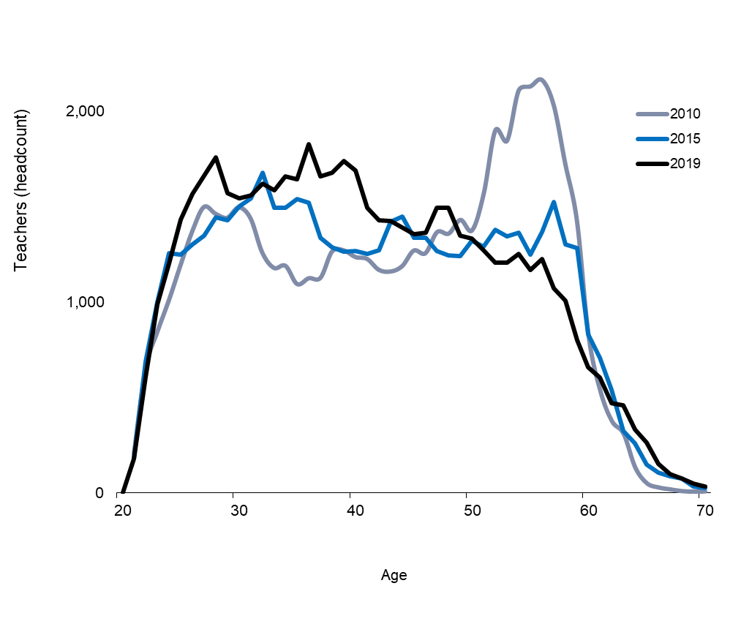
Return to contents
Chart 1: Age profile, all sectors, (headcount), 2008-2019 |  | Teachers (headcount)
 |  |  |  |  | 2017 | 2016 | 2015 | 2014 | 2013 | 2012 | 2011 | 2010 | 2009 | 2008
 |  | Age | 2019 | 2018 | 2017 | 2016 | 2015 | 2014(2) | 2013 | 2012(1) | 2011(1) | 2010(1) | 2009 | 2008
 |  | 20 | * |  | *
 |  | 21 | 179 | 182 | 212 | 168 | 182 | 194 | 205 | 215 | 188 | 206 | 224 | 206
 |  | 22 | 609 | 641 | 638 | 651 | 690 | 658 | 711 | 620 | 557 | 653 | 584 | 623
 |  | 23 | 990 | 946 | 991 | 1004 | 999 | 1048 | 893 | 770 | 778 | 845 | 828 | 892
 |  | 24 | 1204 | 1245 | 1289 | 1207 | 1258 | 1083 | 1,024 | 992 | 992 | 1,012 | 1,063 | 1,112
 |  | 25 | 1435 | 1475 | 1388 | 1469 | 1251 | 1183 | 1,148 | 1,174 | 1,122 | 1,197 | 1,261 | 1,367
 |  | 26 | 1570 | 1541 | 1576 | 1369 | 1305 | 1270 | 1,273 | 1,230 | 1,307 | 1,373 | 1,448 | 1,338
 |  | 27 | 1665 | 1691 | 1458 | 1409 | 1350 | 1368 | 1,317 | 1,407 | 1,413 | 1,501 | 1,428 | 1,404
 |  | 28 | 1759 | 1554 | 1504 | 1462 | 1447 | 1376 | 1,410 | 1,469 | 1,588 | 1,465 | 1,438 | 1,449
 |  | 29 | 1573 | 1512 | 1480 | 1480 | 1429 | 1454 | 1,499 | 1,602 | 1,477 | 1,444 | 1,480 | 1,402
 |  | 30 | 1545 | 1519 | 1579 | 1472 | 1503 | 1522 | 1,621 | 1,478 | 1,458 | 1,499 | 1,406 | 1,285
 |  | 31 | 1559 | 1597 | 1500 | 1523 | 1547 | 1639 | 1,497 | 1,479 | 1,465 | 1,441 | 1,247 | 1,161
 |  | 32 | 1622 | 1547 | 1532 | 1540 | 1679 | 1515 | 1,461 | 1,509 | 1,442 | 1,262 | 1,166 | 1,151
 |  | 33 | 1587 | 1621 | 1563 | 1700 | 1494 | 1507 | 1,500 | 1,468 | 1,266 | 1,181 | 1,156 | 1,065
 |  | 34 | 1660 | 1642 | 1746 | 1545 | 1495 | 1501 | 1,462 | 1,289 | 1,183 | 1,192 | 1,078 | 1,059
 |  | 35 | 1646 | 1798 | 1605 | 1512 | 1540 | 1489 | 1,286 | 1,224 | 1,167 | 1,096 | 1,070 | 1,122
 |  | 36 | 1829 | 1647 | 1617 | 1605 | 1522 | 1328 | 1,231 | 1,184 | 1,148 | 1,127 | 1,110 | 1,212
 |  | 37 | 1662 | 1645 | 1666 | 1577 | 1339 | 1253 | 1,221 | 1,161 | 1,140 | 1,129 | 1,230 | 1,195
 |  | 38 | 1680 | 1718 | 1574 | 1411 | 1288 | 1260 | 1,205 | 1,153 | 1,186 | 1,268 | 1,215 | 1,150
 | (1) Data on early learning and childcare, primary and total teachers were revised in 2013 to remove teachers who were double counted as a result of working in both sectors. | 39 | 1742 | 1634 | 1440 | 1295 | 1266 | 1216 | 1,164 | 1,204 | 1,303 | 1,273 | 1,162 | 1,153
 | (2) 2014 Teacher figures were amended in February and December 2015. See background note 3.5a. | 40 | 1691 | 1490 | 1360 | 1331 | 1269 | 1217 | 1,217 | 1,333 | 1,320 | 1,238 | 1,191 | 1,116
 |  | 41 | 1497 | 1402 | 1368 | 1314 | 1253 | 1260 | 1,395 | 1,345 | 1,254 | 1,228 | 1,127 | 1,111
 |  | 42 | 1432 | 1379 | 1343 | 1275 | 1273 | 1410 | 1,395 | 1,280 | 1,276 | 1,171 | 1,111 | 1,113
 |  | 43 | 1425 | 1378 | 1320 | 1311 | 1423 | 1399 | 1,330 | 1,310 | 1,211 | 1,162 | 1,128 | 1,221
 |  | 44 | 1393 | 1334 | 1336 | 1448 | 1450 | 1332 | 1,316 | 1,241 | 1,228 | 1,190 | 1,216 | 1,215
 |  | 45 | 1359 | 1356 | 1465 | 1476 | 1338 | 1320 | 1,244 | 1,238 | 1,216 | 1,272 | 1,228 | 1,324
 |  | 46 | 1366 | 1491 | 1478 | 1341 | 1339 | 1246 | 1,233 | 1,245 | 1,283 | 1,258 | 1,326 | 1,352
 |  | 47 | 1494 | 1500 | 1363 | 1344 | 1269 | 1231 | 1,249 | 1,296 | 1,288 | 1,369 | 1,333 | 1,396
 |  | 48 | 1494 | 1380 | 1352 | 1288 | 1248 | 1250 | 1,318 | 1,305 | 1,387 | 1,361 | 1,382 | 1,346
 |  | 49 | 1348 | 1354 | 1273 | 1252 | 1241 | 1321 | 1,308 | 1,388 | 1,381 | 1,433 | 1,328 | 1,557
 |  | 50 | 1335 | 1271 | 1257 | 1246 | 1322 | 1288 | 1,389 | 1,378 | 1,435 | 1,378 | 1,535 | 1,906
 |  | 51 | 1272 | 1233 | 1242 | 1312 | 1291 | 1384 | 1,381 | 1,443 | 1,382 | 1,570 | 1,879 | 1,835
 |  | 52 | 1209 | 1233 | 1310 | 1266 | 1382 | 1358 | 1,409 | 1,381 | 1,582 | 1,903 | 1,799 | 2,135
 |  | 53 | 1208 | 1284 | 1257 | 1391 | 1347 | 1404 | 1,350 | 1,554 | 1,884 | 1,848 | 2,101 | 2,236
 |  | 54 | 1254 | 1245 | 1364 | 1320 | 1364 | 1316 | 1,538 | 1,851 | 1,840 | 2,112 | 2,169 | 2,377
 |  | 55 | 1168 | 1296 | 1245 | 1272 | 1249 | 1444 | 1,760 | 1,741 | 1,962 | 2,133 | 2,263 | 2,333
 |  | 56 | 1227 | 1171 | 1242 | 1164 | 1368 | 1644 | 1,633 | 1,881 | 1,912 | 2,167 | 2,176 | 2,093
 |  | 57 | 1074 | 1132 | 1096 | 1252 | 1528 | 1498 | 1,723 | 1,758 | 1,915 | 2,036 | 1,929 | 1,916
 |  | 58 | 1008 | 979 | 1116 | 1344 | 1305 | 1502 | 1,558 | 1,707 | 1,660 | 1,726 | 1,712 | 1,692
 |  | 59 | 803 | 931 | 1110 | 1083 | 1284 | 1278 | 1,408 | 1,385 | 1,323 | 1,427 | 1,430 | 1,357
 |  | 60 | 660 | 765 | 727 | 869 | 832 | 933 | 894 | 849 | 853 | 824 | 738 | 690
 |  | 61 | 606 | 586 | 722 | 647 | 711 | 703 | 603 | 577 | 508 | 537 | 475 | 506
 |  | 62 | 470 | 578 | 559 | 603 | 542 | 414 | 414 | 365 | 354 | 377 | 376 | 263
 |  | 63 | 458 | 441 | 482 | 407 | 327 | 307 | 274 | 266 | 268 | 311 | 186 | 153
 |  | 64 | 334 | 374 | 314 | 265 | 261 | 197 | 206 | 198 | 237 | 134 | 99 | 132
 |  | 65 | 264 | 223 | 169 | 162 | 150 | 117 | 132 | 133 | 59 | 51 | 43 | 40
 |  | 66 | 154 | 133 | 132 | 117 | 105 | 90 | 96 | 53 | 34 | 29 | 22 | 18
 |  | 67 | 100 | 102 | 97 | 82 | 86 | 79 | 42 | 26 | 28 | 19 | 10 | 10
 |  | 68 | 76 | 84 | 79 | 65 | 77 | 34 | 23 | 32 | 16 | 10 | 8 | *
 |  | 69 | 50 | 60 | 50 | 61 | 35 | 17 | 23 | 19 | 14 | 7 | * | *
 |  | 70 | 33 | 44 | 47 | 28 | 26 | 26 | 14 | 7 | * | 8 | * | 5
 |  | 71 | 23 | 37 | 19 | 20 | 19 | 17 | 7 | * | * | * | * | 6
 |  | 72 | 28 | 18 | 17 | 23 | 10 | 6 | * | 6 | * | * | * | *
 |  | 73 | 15 | 9 | 20 | 11 | * | * | 8 | * | * | * | * | *
 |  | 74 | 8 | 11 | 10 | * | * | 6 | * | * | * | * | * | *
 |  | 75 | 10 | 6 | * | 5 | 6 | * | * | * | * | * | * | *

Chart 2
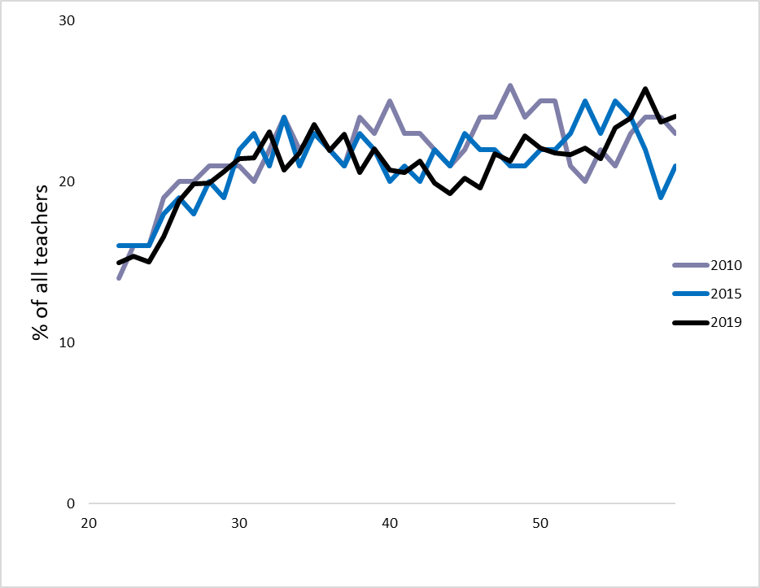
Return to contents
Chart 2: Percentage of male teachers, by age (headcount), 2008-2019
 |  |  |  |  | 2017 | 2016 | 2015 | 2014 | 2013 | 2012 | 2011 | 2010 | 2009 | 2008 | 20
 |  | Age | 2019 | 2018 | 2017 | 2016 | 2015 | 2014(2) | 2013 | 2012(1) | 2011(1) | 2010(1) | 2009 | 2008 | 21
 |  | 22 | 15 | 15 | 14 | 14 | 16 | 13 | 15 | 16 | 15 | 14 | 15 | 15 | 22
 |  | 23 | 15 | 15 | 15 | 17 | 16 | 16 | 17 | 17 | 16 | 16 | 17 | 17 | 23
 |  | 24 | 15 | 16 | 17 | 17 | 16 | 17 | 18 | 16 | 17 | 16 | 18 | 18 | 24
 |  | 25 | 17 | 18 | 18 | 16 | 18 | 19 | 17 | 19 | 15 | 19 | 19 | 19 | 25
 |  | 26 | 19 | 19 | 18 | 18 | 19 | 17 | 19 | 17 | 19 | 20 | 20 | 20 | 26
 |  | 27 | 20 | 19 | 19 | 20 | 18 | 20 | 17 | 21 | 20 | 20 | 20 | 20 | 27
 |  | 28 | 20 | 20 | 21 | 19 | 20 | 18 | 20 | 21 | 21 | 21 | 21 | 20 | 28
 |  | 29 | 21 | 21 | 20 | 21 | 19 | 21 | 21 | 20 | 22 | 21 | 20 | 20 | 29
 |  | 30 | 21 | 21 | 22 | 20 | 22 | 22 | 21 | 23 | 20 | 21 | 20 | 21 | 30
 |  | 31 | 21 | 23 | 21 | 22 | 23 | 22 | 23 | 21 | 22 | 20 | 21 | 21 | 31
 |  | 32 | 23 | 21 | 23 | 23 | 21 | 23 | 21 | 22 | 21 | 22 | 22 | 22 | 32
 |  | 33 | 21 | 22 | 24 | 22 | 24 | 21 | 23 | 20 | 21 | 24 | 23 | 22 | 33
 |  | 34 | 22 | 23 | 22 | 24 | 21 | 23 | 21 | 21 | 25 | 22 | 23 | 22 | 34
 |  | 35 | 24 | 22 | 24 | 22 | 23 | 21 | 21 | 24 | 22 | 23 | 22 | 23 | 35
 |  | 36 | 22 | 23 | 21 | 23 | 22 | 21 | 24 | 23 | 23 | 22 | 23 | 23 | 36
 |  | 37 | 23 | 21 | 22 | 21 | 21 | 24 | 23 | 23 | 22 | 21 | 23 | 25 | 37
 |  | 38 | 21 | 21 | 22 | 21 | 23 | 22 | 22 | 22 | 20 | 24 | 25 | 24 | 38
 |  | 39 | 22 | 21 | 21 | 23 | 22 | 21 | 21 | 20 | 24 | 23 | 24 | 24 | 39
 |  | 40 | 21 | 20 | 23 | 21 | 20 | 21 | 20 | 23 | 23 | 25 | 24 | 23 | 40
 | (1) Data on pre-school, primary and total teachers have been revised to remove teachers who were double counted as a result of working in both sectors. | 41 | 21 | 22 | 20 | 21 | 21 | 20 | 23 | 22 | 25 | 23 | 23 | 23 | 41
 | (2) 2014 Teacher figures were amended in February and December 2015. See background notes. | 42 | 21 | 20 | 20 | 21 | 20 | 23 | 22 | 25 | 22 | 23 | 23 | 23 | 42
 |  | 43 | 20 | 20 | 21 | 19 | 22 | 22 | 24 | 22 | 23 | 22 | 23 | 23 | 43
 |  | 44 | 19 | 20 | 19 | 22 | 21 | 23 | 22 | 22 | 22 | 21 | 23 | 24 | 44
 |  | 45 | 20 | 19 | 22 | 21 | 23 | 22 | 22 | 21 | 22 | 22 | 23 | 25 | 45
 |  | 46 | 20 | 22 | 21 | 23 | 22 | 22 | 22 | 21 | 22 | 24 | 25 | 25 | 46
 |  | 47 | 22 | 21 | 23 | 22 | 22 | 22 | 21 | 22 | 23 | 24 | 25 | 26 | 47
 |  | 48 | 21 | 23 | 22 | 22 | 21 | 21 | 21 | 23 | 23 | 26 | 25 | 25 | 48
 |  | 49 | 23 | 22 | 22 | 21 | 21 | 22 | 23 | 23 | 26 | 24 | 25 | 24 | 49
 |  | 50 | 22 | 22 | 21 | 21 | 22 | 23 | 23 | 25 | 23 | 25 | 24 | 22 | 50
 |  | 51 | 22 | 21 | 21 | 22 | 22 | 23 | 26 | 23 | 25 | 25 | 22 | 21 | 51
 |  | 52 | 22 | 22 | 21 | 23 | 23 | 25 | 23 | 25 | 25 | 21 | 21 | 22 | 52
 |  | 53 | 22 | 21 | 23 | 23 | 25 | 23 | 25 | 25 | 21 | 20 | 22 | 23 | 53
 |  | 54 | 21 | 23 | 23 | 26 | 23 | 25 | 24 | 21 | 20 | 22 | 23 | 24 | 54
 |  | 55 | 23 | 24 | 25 | 23 | 25 | 24 | 21 | 20 | 21 | 21 | 24 | 25 | 55
 |  | 56 | 24 | 26 | 22 | 25 | 24 | 21 | 19 | 21 | 20 | 23 | 25 | 25 | 56
 |  | 57 | 26 | 23 | 25 | 24 | 22 | 19 | 21 | 20 | 22 | 24 | 25 | 25 | 57
 |  | 58 | 24 | 25 | 25 | 22 | 19 | 21 | 20 | 22 | 22 | 24 | 25 | 26 | 58
 |  | 59 | 24 | 24 | 24 | 20 | 21 | 21 | 22 | 23 | 23 | 23 | 26 | 28 | 59
 |  |  |  |  |  |  |  |  |  |  |  |  |  |  | 60
 |  |  |  |  |  |  |  |  |  |  |  |  |  |  | 61
 |  |  |  |  |  |  |  |  |  |  |  |  |  |  | 62
 |  |  |  |  |  |  |  |  |  |  |  |  |  |  | 63
 |  |  |  |  |  |  |  |  |  |  |  |  |  |  | 64
 |  |  |  |  |  |  |  |  |  |  |  |  |  |  | 65
 |  |  |  |  |  |  |  |  |  |  |  |  |  |  | 66
 |  |  |  |  |  |  |  |  |  |  |  |  |  |  | 67
 |  |  |  |  |  |  |  |  |  |  |  |  |  |  | 68
 |  |  |  |  |  |  |  |  |  |  |  |  |  |  | 69
 |  |  |  |  |  |  |  |  |  |  |  |  |  |  | 70

Chart 3
Return to contents
Chart 3: Teachers from minority ethnic backgrounds and of unknown ethnic background(1), 2008-2019
 |  | Primary |  |  |  |  |  |  |  |  |  |  |  | Secondary
 |  | 2008 | 2009 | 2010 | 2011 | 2012 | 2013 | 2014 | 2015 | 2016 | 2017 |  |  | 2008 | 2009 | 2010 | 2011 | 2012 | 2013 | 2014 | 2015 | 2016 | 2017
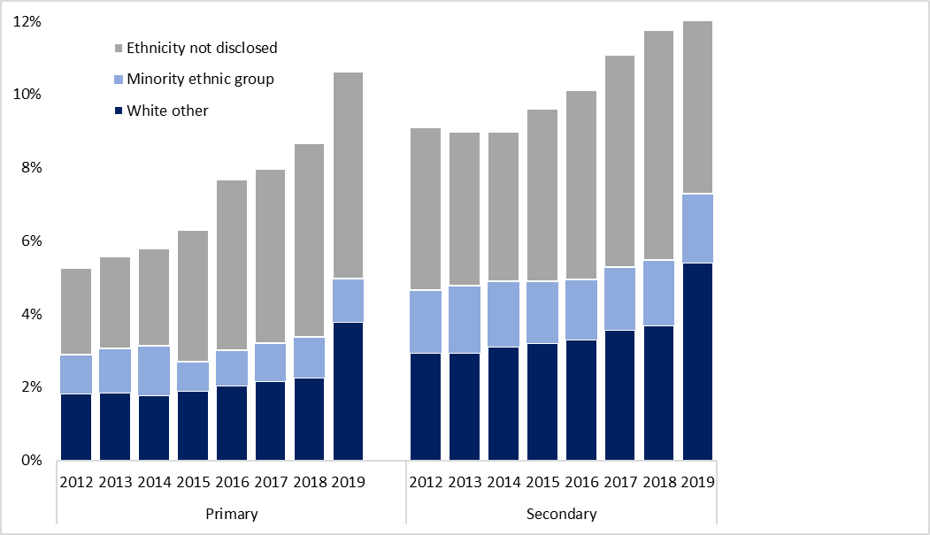
 |  | Primary |  |  |  |  |  |  |  |  |  |  |  | Secondary
 | percentage | 2008 | 2009 | 2010(2) | 2011(2) | 2012(2) | 2013 | 2014(3) | 2015 | 2016 | 2017 | 2018 | 2019 | 2008 | 2009 | 2010 | 2011 | 2012 | 2013 | 2014(3) | 2015 | 2016 | 2017 | 2018 | 2019
 | White other | 1.8 | 1.8 | 1.7 | 1.8 | 1.8 | 1.8 | 1.8 | 1.9 | 2.0 | 2.2 | 2.3 | 3.8 | 2.8 | 2.9 | 2.7 | 2.7 | 2.9 | 2.9 | 3.1 | 3.2 | 3.3 | 3.6 | 3.7 | 5.4
 | Minority ethnic group | 0.9 | 1.0 | 1.1 | 1.4 | 1.1 | 1.2 | 1.3 | 0.8 | 1.0 | 1.0 | 1.1 | 1.2 | 1.9 | 1.8 | 1.9 | 2.2 | 1.7 | 1.8 | 1.8 | 1.7 | 1.7 | 1.7 | 1.8 | 1.9
 | Not Disclosed | 1.5 | 1.6 | 1.8 | 2.0 | 2.4 | 2.5 | 2.6 | 3.6 | 4.7 | 4.8 | 5.3 | 5.7 | 2.6 | 3.1 | 3.2 | 3.9 | 4.4 | 4.2 | 4.1 | 4.7 | 5.2 | 5.8 | 6.3 | 6.5

 | (1) Excludes grant aided schools.
 | (2) Data on early learning and childcare, primary and total teachers have been revised to remove teachers who were double counted as a result of working in both sectors.
 | (3) 2014 Teacher figures were amended in February and December 2015. See background notes.

Chart 4
Return to contents
Chart 4: Primary school teachers, age profile (headcount), 2003-2019
 | (1) Data on early learning and childcare, primary and total teachers were revised in 2013 to remove teachers who were double counted as a result of working in both sectors.
 | (2) 2014 Teacher figures were amended in February and December 2015. See background notes.

 | 2019 | 2015 | 2010(1)
20 | 0
21 | 125 | 131 | 137
22 | 365 | 446 | 397
23 | 600 | 602 | 493
24 | 684 | 717 | 540
25 | 834 | 685 | 612
26 | 896 | 678 | 699
27 | 906 | 716 | 772
28 | 953 | 778 | 756
29 | 840 | 743 | 718
30 | 812 | 801 | 718
31 | 802 | 782 | 703
32 | 877 | 852 | 576
33 | 840 | 743 | 537
34 | 863 | 741 | 560
35 | 843 | 749 | 513
36 | 945 | 737 | 520
37 | 845 | 645 | 554
38 | 859 | 630 | 635
39 | 878 | 610 | 626
40 | 840 | 637 | 567
41 | 737 | 608 | 600
42 | 707 | 629 | 564
43 | 707 | 729 | 569
44 | 695 | 737 | 607
45 | 652 | 649 | 614
46 | 690 | 662 | 601
47 | 753 | 620 | 614
48 | 760 | 629 | 605
49 | 651 | 637 | 606
50 | 644 | 608 | 534
51 | 604 | 608 | 609
52 | 602 | 623 | 829
53 | 613 | 599 | 854
54 | 575 | 565 | 934
55 | 537 | 494 | 957
56 | 538 | 535 | 1006
57 | 478 | 645 | 952
58 | 418 | 606 | 824
59 | 318 | 544 | 666
60 | 239 | 345 | 316
61 | 240 | 279 | 194
62 | 184 | 229 | 142
63 | 167 | 113 | 96
64 | 117 | 89 | 47
65 | 92 | 51 | 12
66 | 57 | 38 | 5
 | Primary teachers (headcount)
 |  |  |  | 2017 | 2016 | 2015 | 2014 | 2013 | 2012 | 2011 | 2010 | 2009 | 2008 | 2007 | 2006 | 2005 | 2004 | 2003
 | Age | 2019 | 2018 | 2017 | 2016 | 2015 | 2014(2) | 2013 | 2012(1) | 2011(1) | 2010(1) | 2009 | 2008 | 2007 | 2006 | 2005 | 2004 | 2003
 | 20 | * |  | *
 | 21 | 125 | 118 | 161 | 127 | 131 | 127 | 143 | 153 | 119 | 137 | 147 | 121 | 137 | 118 | 150 | 157 | 135
 | 22 | 365 | 413 | 445 | 433 | 446 | 439 | 474 | 373 | 333 | 397 | 368 | 387 | 385 | 362 | 357 | 322 | 265
 | 23 | 600 | 576 | 623 | 629 | 602 | 611 | 492 | 411 | 434 | 493 | 471 | 470 | 498 | 491 | 418 | 362 | 350
 | 24 | 684 | 751 | 762 | 695 | 717 | 590 | 518 | 529 | 527 | 540 | 583 | 579 | 588 | 594 | 499 | 457 | 438
 | 25 | 834 | 844 | 773 | 816 | 685 | 603 | 596 | 618 | 583 | 612 | 644 | 700 | 659 | 587 | 551 | 502 | 434
 | 26 | 896 | 857 | 860 | 754 | 678 | 679 | 664 | 622 | 665 | 699 | 738 | 689 | 674 | 630 | 571 | 481 | 428
 | 27 | 906 | 914 | 783 | 734 | 716 | 723 | 685 | 708 | 727 | 772 | 735 | 706 | 697 | 657 | 526 | 443 | 407
 | 28 | 953 | 843 | 789 | 789 | 778 | 716 | 705 | 759 | 810 | 756 | 735 | 693 | 692 | 571 | 472 | 444 | 401
 | 29 | 840 | 809 | 777 | 809 | 743 | 753 | 779 | 813 | 737 | 718 | 716 | 705 | 589 | 515 | 495 | 428 | 421
 | 30 | 812 | 805 | 884 | 776 | 801 | 770 | 834 | 728 | 716 | 718 | 692 | 591 | 547 | 502 | 445 | 419 | 458
 | 31 | 802 | 876 | 793 | 794 | 782 | 838 | 733 | 729 | 696 | 703 | 578 | 554 | 535 | 479 | 467 | 472 | 508
 | 32 | 877 | 816 | 799 | 806 | 852 | 753 | 704 | 704 | 695 | 576 | 546 | 542 | 506 | 465 | 509 | 520 | 490
 | 33 | 840 | 836 | 827 | 880 | 743 | 743 | 726 | 725 | 588 | 537 | 531 | 505 | 465 | 525 | 541 | 509 | 454
 | 34 | 863 | 866 | 902 | 793 | 741 | 723 | 708 | 598 | 540 | 560 | 514 | 476 | 525 | 564 | 500 | 467 | 428
 | 35 | 843 | 931 | 809 | 758 | 749 | 714 | 601 | 569 | 560 | 513 | 493 | 543 | 575 | 521 | 478 | 454 | 446
 | 36 | 945 | 854 | 831 | 786 | 737 | 623 | 580 | 547 | 538 | 520 | 548 | 600 | 573 | 488 | 485 | 458 | 434
 | 37 | 845 | 849 | 831 | 791 | 645 | 592 | 569 | 554 | 529 | 554 | 612 | 586 | 523 | 513 | 489 | 463 | 463
 | 38 | 859 | 875 | 794 | 681 | 630 | 600 | 580 | 536 | 581 | 635 | 592 | 521 | 544 | 517 | 472 | 492 | 485
 | 39 | 878 | 819 | 703 | 640 | 610 | 581 | 547 | 592 | 652 | 626 | 530 | 571 | 545 | 502 | 524 | 512 | 467
 | 40 | 840 | 727 | 678 | 656 | 637 | 587 | 606 | 664 | 651 | 567 | 591 | 555 | 528 | 541 | 539 | 492 | 508
 | 41 | 737 | 700 | 676 | 663 | 608 | 617 | 704 | 666 | 583 | 600 | 554 | 543 | 558 | 554 | 528 | 539 | 521
 | 42 | 707 | 690 | 674 | 617 | 629 | 711 | 697 | 603 | 627 | 564 | 544 | 569 | 570 | 545 | 551 | 558 | 530
 | 43 | 707 | 695 | 635 | 650 | 729 | 702 | 629 | 635 | 598 | 569 | 577 | 592 | 550 | 568 | 567 | 534 | 490
 | 44 | 695 | 655 | 667 | 745 | 737 | 647 | 635 | 604 | 604 | 607 | 590 | 563 | 602 | 603 | 575 | 500 | 618
 | 45 | 652 | 692 | 754 | 753 | 649 | 645 | 611 | 604 | 610 | 614 | 592 | 602 | 623 | 597 | 505 | 633 | 838
 | 46 | 690 | 750 | 760 | 644 | 662 | 621 | 608 | 636 | 612 | 601 | 612 | 618 | 602 | 531 | 643 | 831 | 928
 | 47 | 753 | 766 | 657 | 658 | 620 | 608 | 638 | 602 | 609 | 614 | 604 | 606 | 540 | 628 | 836 | 907 | 979
 | 48 | 760 | 658 | 662 | 624 | 629 | 637 | 606 | 612 | 618 | 605 | 594 | 539 | 635 | 838 | 884 | 968 | 1077
 | 49 | 651 | 662 | 605 | 636 | 637 | 601 | 613 | 624 | 617 | 606 | 526 | 625 | 831 | 902 | 983 | 1093 | 1205
 | 50 | 644 | 606 | 620 | 630 | 608 | 599 | 634 | 616 | 617 | 534 | 615 | 842 | 908 | 1000 | 1061 | 1182 | 1242
 | 51 | 604 | 611 | 639 | 600 | 608 | 621 | 613 | 605 | 536 | 609 | 831 | 873 | 981 | 1039 | 1146 | 1242 | 1201
 | 52 | 602 | 631 | 605 | 597 | 623 | 598 | 593 | 529 | 617 | 829 | 862 | 964 | 1041 | 1152 | 1228 | 1165 | 1116
 | 53 | 613 | 589 | 594 | 630 | 599 | 588 | 522 | 595 | 827 | 854 | 945 | 1038 | 1126 | 1206 | 1151 | 1096 | 1078
 | 54 | 575 | 577 | 616 | 588 | 565 | 519 | 589 | 803 | 850 | 934 | 1007 | 1112 | 1159 | 1137 | 1094 | 1038 | 942
 | 55 | 537 | 572 | 560 | 542 | 494 | 561 | 765 | 807 | 876 | 957 | 1065 | 1106 | 1072 | 1048 | 992 | 874 | 895
 | 56 | 538 | 529 | 539 | 456 | 535 | 703 | 757 | 830 | 880 | 1006 | 1038 | 990 | 1011 | 937 | 829 | 822 | 906
 | 57 | 478 | 487 | 436 | 474 | 645 | 700 | 753 | 780 | 913 | 952 | 954 | 923 | 890 | 767 | 773 | 826 | 574
 | 58 | 418 | 388 | 435 | 555 | 606 | 646 | 685 | 793 | 791 | 824 | 840 | 783 | 702 | 674 | 751 | 512 | 427
 | 59 | 318 | 363 | 456 | 499 | 544 | 555 | 656 | 648 | 638 | 666 | 659 | 581 | 556 | 681 | 449 | 377 | 357
 | 60 | 239 | 315 | 321 | 354 | 345 | 394 | 387 | 372 | 344 | 316 | 289 | 280 | 327 | 222 | 175 | 156 | 151
 | 61 | 240 | 247 | 294 | 248 | 279 | 296 | 253 | 218 | 180 | 194 | 182 | 215 | 161 | 127 | 111 | 98 | 93
 | 62 | 184 | 215 | 218 | 229 | 229 | 152 | 141 | 119 | 121 | 142 | 159 | 122 | 94 | 84 | 90 | 53 | 61
 | 63 | 167 | 157 | 186 | 168 | 113 | 95 | 86 | 87 | 88 | 96 | 85 | 61 | 63 | 62 | 42 | 56 | 56
 | 64 | 117 | 137 | 124 | 97 | 89 | 61 | 64 | 67 | 74 | 47 | 38 | 38 | 48 | 22 | 44 | 33 | 46
 | 65 | 92 | 82 | 62 | 56 | 51 | 36 | 41 | 45 | 20 | 12 | 7 | 14 | 11 | 9 | 16 | 13 | *
 | 66 | 57 | 38 | 51 | 44 | 38 | 29 | 31 | 17 | 7 | 5 | 7 | 6 | * | 8 | 6 | * | *

Chart 5
Return to contents
Chart 5: Primary school teachers by national identity, 2019

 | National identity | Primary school teachers
 | Scottish | 16,870 | 67%
 | British | 4,858 | 19%
 | English | 484 | 2%
 | Northern Irish | 266 | 1%
 | Welsh | 46 | 0%
 | Other | 613 | 2%
 | Unknown | 1,519 | 6%
 | Not Disclosed | 371 | 1%

Chart 6
Return to contents
Chart 6: Secondary school teachers, age profile (headcount), 2007-2019
 |  |  |  | 2017 | 2016 | 2015 | 2014 | 2013 | 2012 | 2011 | 2010 | 2009 | 2008 | 2007
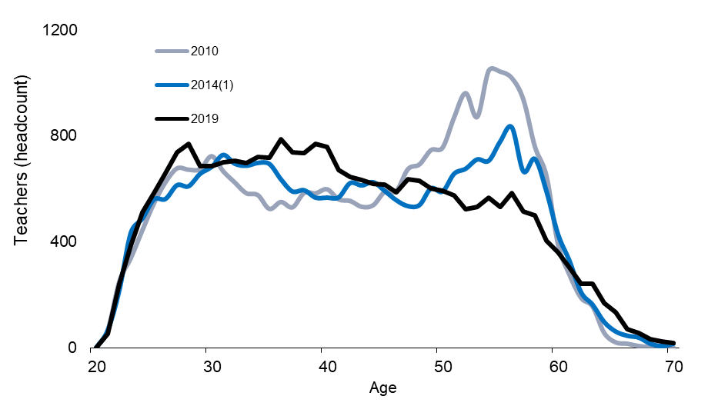
 | Age | 2019 | 2018 | 2017 | 2016 | 2015 | 2014(1) | 2013 | 2012 | 2011 | 2010 | 2009 | 2008 | 2007
 | 20 | * | 0 | 0 | 0 | 1 | 1 | 1 | 1 | 0 | 2 | 2 | 0 | 4
 | 21 | 54 | 65 | 51 | 41 | 51 | 67 | 62 | 62 | 69 | 69 | 77 | 84 | 58
 | 22 | 242 | 229 | 194 | 216 | 243 | 218 | 238 | 245 | 221 | 252 | 216 | 236 | 264
 | 23 | 387 | 368 | 356 | 366 | 392 | 435 | 393 | 348 | 338 | 341 | 356 | 417 | 450
 | 24 | 513 | 484 | 518 | 504 | 533 | 488 | 484 | 445 | 447 | 446 | 482 | 523 | 595
 | 25 | 585 | 616 | 605 | 640 | 550 | 560 | 529 | 538 | 500 | 547 | 595 | 648 | 603
 | 26 | 660 | 663 | 692 | 586 | 594 | 562 | 582 | 576 | 604 | 627 | 686 | 632 | 651
 | 27 | 739 | 742 | 643 | 639 | 597 | 614 | 586 | 643 | 639 | 679 | 673 | 678 | 703
 | 28 | 770 | 678 | 684 | 625 | 637 | 610 | 647 | 647 | 724 | 674 | 678 | 721 | 657
 | 29 | 687 | 663 | 649 | 632 | 629 | 657 | 652 | 734 | 696 | 676 | 732 | 666 | 651
 | 30 | 687 | 659 | 663 | 643 | 655 | 683 | 721 | 693 | 687 | 725 | 679 | 658 | 591
 | 31 | 701 | 688 | 662 | 667 | 688 | 728 | 708 | 689 | 710 | 668 | 634 | 575 | 585
 | 32 | 707 | 678 | 671 | 658 | 742 | 695 | 688 | 738 | 675 | 626 | 591 | 578 | 543
 | 33 | 696 | 715 | 661 | 744 | 682 | 687 | 707 | 667 | 620 | 585 | 587 | 536 | 542
 | 34 | 722 | 705 | 758 | 691 | 681 | 698 | 679 | 627 | 586 | 578 | 533 | 542 | 535
 | 35 | 717 | 767 | 736 | 675 | 703 | 694 | 620 | 595 | 550 | 526 | 539 | 548 | 573
 | 36 | 786 | 718 | 714 | 734 | 702 | 636 | 591 | 573 | 547 | 552 | 537 | 581 | 548
 | 37 | 739 | 723 | 750 | 702 | 614 | 590 | 585 | 547 | 556 | 532 | 590 | 571 | 566
 | 38 | 734 | 758 | 706 | 649 | 582 | 595 | 567 | 558 | 546 | 586 | 585 | 585 | 543
 | 39 | 771 | 728 | 661 | 583 | 588 | 567 | 563 | 542 | 593 | 585 | 594 | 550 | 529
(1) 2014 Teacher figures were amended in February and December 2015. See background notes. | 40 | 758 | 676 | 603 | 606 | 565 | 567 | 536 | 596 | 603 | 600 | 565 | 522 | 510
 | 41 | 672 | 629 | 620 | 576 | 577 | 568 | 613 | 598 | 607 | 562 | 538 | 522 | 525
 | 42 | 645 | 619 | 599 | 588 | 573 | 622 | 618 | 617 | 574 | 556 | 524 | 525 | 579
 | 43 | 634 | 612 | 617 | 582 | 612 | 613 | 634 | 590 | 556 | 534 | 528 | 586 | 599
 | 44 | 620 | 608 | 590 | 615 | 619 | 625 | 599 | 571 | 553 | 540 | 589 | 604 | 650
 | 45 | 617 | 582 | 624 | 627 | 620 | 592 | 566 | 543 | 557 | 591 | 595 | 667 | 706
 | 46 | 587 | 639 | 624 | 622 | 587 | 557 | 537 | 555 | 593 | 594 | 665 | 692 | 742
 | 47 | 637 | 634 | 621 | 604 | 567 | 535 | 549 | 591 | 602 | 676 | 687 | 748 | 761
 | 48 | 632 | 633 | 603 | 571 | 529 | 539 | 592 | 602 | 679 | 694 | 748 | 756 | 891
 | 49 | 603 | 601 | 575 | 519 | 534 | 602 | 599 | 662 | 689 | 748 | 752 | 884 | 1001
 | 50 | 593 | 580 | 536 | 546 | 592 | 590 | 654 | 680 | 745 | 757 | 875 | 986 | 913
 | 51 | 576 | 524 | 533 | 584 | 580 | 657 | 680 | 745 | 756 | 871 | 973 | 901 | 1103
 | 52 | 523 | 538 | 587 | 566 | 657 | 676 | 717 | 745 | 877 | 963 | 877 | 1081 | 1131
 | 53 | 531 | 579 | 568 | 653 | 656 | 711 | 725 | 846 | 956 | 873 | 1073 | 1106 | 1189
 | 54 | 566 | 564 | 636 | 634 | 687 | 706 | 839 | 940 | 866 | 1048 | 1073 | 1154 | 1185
 | 55 | 533 | 613 | 587 | 629 | 653 | 779 | 881 | 799 | 945 | 1044 | 1092 | 1121 | 1051
 | 56 | 584 | 550 | 611 | 603 | 738 | 832 | 738 | 892 | 891 | 1020 | 1043 | 996 | 1007
 | 57 | 514 | 560 | 559 | 680 | 767 | 666 | 809 | 825 | 852 | 939 | 879 | 904 | 931
 | 58 | 500 | 494 | 592 | 679 | 576 | 713 | 733 | 757 | 730 | 761 | 797 | 801 | 837
 | 59 | 403 | 505 | 561 | 493 | 604 | 591 | 622 | 615 | 564 | 650 | 677 | 708 | 639
 | 60 | 362 | 375 | 349 | 418 | 379 | 429 | 407 | 375 | 401 | 393 | 407 | 352 | 338
 | 61 | 302 | 287 | 349 | 315 | 333 | 328 | 277 | 276 | 241 | 277 | 252 | 250 | 171
 | 62 | 243 | 300 | 270 | 294 | 241 | 210 | 211 | 177 | 173 | 190 | 186 | 116 | 116
 | 63 | 243 | 224 | 237 | 188 | 170 | 163 | 138 | 135 | 140 | 157 | 86 | 76 | 90
 | 64 | 169 | 187 | 152 | 134 | 131 | 98 | 110 | 100 | 116 | 58 | 51 | 74 | 42
 | 65 | 133 | 110 | 86 | 82 | 74 | 62 | 67 | 60 | 26 | 22 | 29 | 0 | 17
 | 66 | 69 | 73 | 67 | 55 | 53 | 46 | 42 | 26 | 16 | 17 | 10 | 0 | 15
 | 67 | 55 | 52 | 43 | 42 | 46 | 39 | 17 | 13 | 17 | 8 | 6 | 0 | 3
 | 68 | 34 | 37 | 39 | 33 | 36 | 16 | 11 | 21 | 6 | 4 | 4 | 0 | 4
 | 69 | 23 | 30 | 26 | 34 | 15 | 7 | 11 | 8 | 7 | 4 | 2 | 0 | 3
 | 70 | 19 | 21 | 27 | 12 | 11 | 16 | 5 | 4 | 2 | 2 | 1 | 0 | 1

Chart 7
Return to contents
Chart 7: Secondary school teachers by national identity, 2019

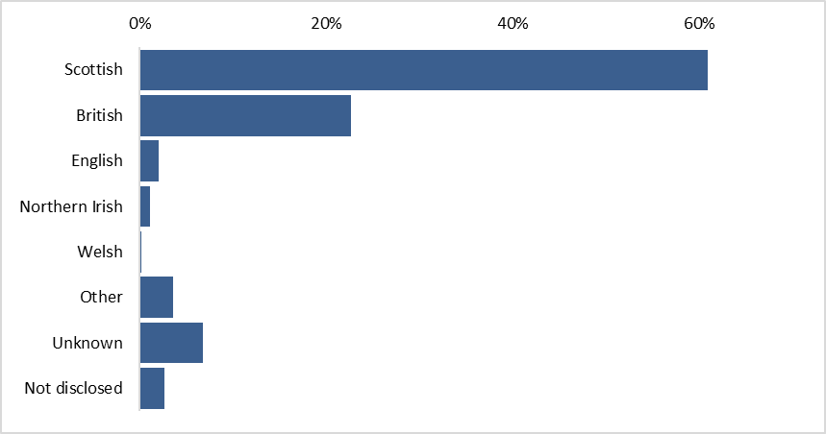
 | National identity | Teachers | %
 | Scottish | 14,325 | 61%
 | British | 5,320 | 23%
 | English | 475 | 2%
 | Northern Irish | 268 | 1%
 | Welsh | 54 | 0%
 | Other | 853 | 4%
 | Unknown | 1,596 | 7%
 | Not disclosed | 631.36 | 3%

Chart 8
Return to contents
Chart 8: Special school teachers, age profile, (headcount) 2009-2019 |  |  |  |  |  | 2017 | 2016 | 2015 | 2014 | 2013 | 2012 | 2011 | 2010 | 2009
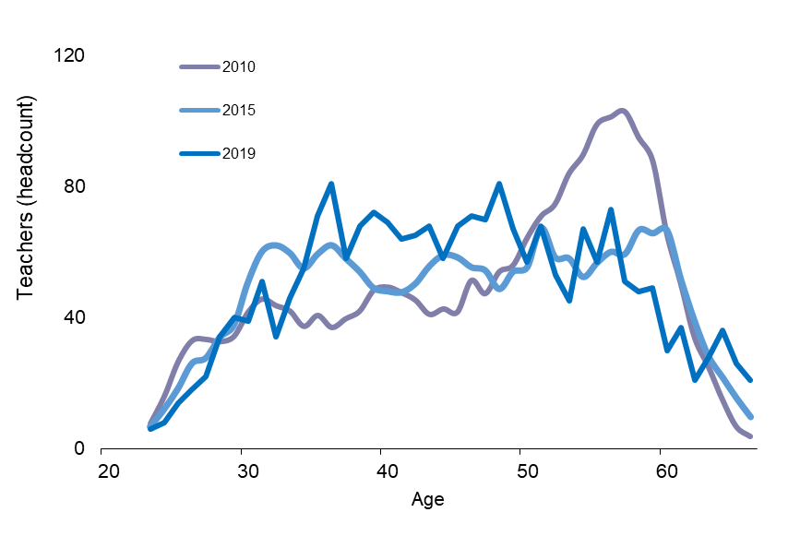
 |  |  | Age | 2019 | 2018(1) | 2017 | 2016 | 2015 | 2014(1) | 2013 | 2012 | 2011 | 2010 | 2009
 |  | 20
 |  | 21
 |  | 22
 |  | 23 | 23 | 6 | 5 | 0 | 8 | 7 | 7 | 10 | 9 | 6 | 8 | 7
 |  | 24 | 24 | 8 | 10 | 11 | 12 | 12 | 14 | 18 | 15 | 15 | 16 | 16
 |  | 25 | 25 | 14 | 17 | 15 | 19 | 18 | 21 | 24 | 22 | 25 | 27 | 24
 |  | 26 | 26 | 18 | 21 | 22 | 24 | 26 | 27 | 32 | 34 | 37 | 33 | 31
 |  | 27 | 27 | 22 | 32 | 28 | 32 | 28 | 36 | 40 | 47 | 43 | 33 | 33
 |  | 28 | 28 | 34 | 28 | 34 | 32 | 34 | 40 | 51 | 55 | 40 | 33 | 35
 |  | 29 | 29 | 40 | 34 | 35 | 38 | 38 | 52 | 58 | 52 | 41 | 34 | 37
 |  | 30 | 30 | 39 | 48 | 38 | 41 | 51 | 56 | 53 | 48 | 42 | 42 | 40
 |  | 31 | 31 | 51 | 28 | 40 | 51 | 60 | 58 | 52 | 48 | 50 | 46 | 39
 |  | 32 | 32 | 34 | 44 | 49 | 58 | 62 | 57 | 49 | 55 | 52 | 44 | 39
 |  | 33 | 33 | 46 | 54 | 61 | 58 | 60 | 56 | 58 | 58 | 49 | 42 | 36
 |  | 34 | 34 | 55 | 59 | 63 | 58 | 55 | 61 | 57 | 54 | 44 | 37 | 39
 |  | 35 | 35 | 71 | 82 | 64 | 56 | 59 | 61 | 55 | 49 | 40 | 41 | 36
 |  | 36 | 36 | 81 | 58 | 60 | 59 | 62 | 58 | 51 | 43 | 41 | 37 | 37
 |  | 37 | 37 | 58 | 60 | 60 | 59 | 58 | 51 | 46 | 44 | 39 | 40 | 38
 |  | 38 | 38 | 68 | 62 | 60 | 55 | 54 | 45 | 45 | 43 | 42 | 42 | 43
 |  | 39 | 39 | 72 | 67 | 56 | 54 | 49 | 43 | 44 | 48 | 47 | 48 | 46
 | (1) All figures prior to 2018 have been smoothed using a three age year moving average | 40 | 40 | 69 | 66 | 56 | 49 | 48 | 44 | 49 | 52 | 51 | 49 | 43
 | (2) 2014 Teacher figures were amended in February and December 2015. See background notes. | 41 | 41 | 64 | 56 | 51 | 48 | 48 | 51 | 54 | 53 | 52 | 48 | 44
 |  | 42 | 42 | 65 | 56 | 49 | 47 | 50 | 56 | 57 | 53 | 49 | 45 | 41
 |  | 43 | 43 | 68 | 56 | 50 | 50 | 56 | 59 | 56 | 51 | 49 | 41 | 44
 |  | 44 | 44 | 58 | 52 | 53 | 58 | 59 | 56 | 54 | 53 | 43 | 43 | 44
 |  | 45 | 45 | 68 | 63 | 60 | 60 | 58 | 52 | 54 | 46 | 44 | 42 | 53
 |  | 46 | 46 | 71 | 69 | 61 | 60 | 55 | 51 | 49 | 49 | 44 | 51 | 52
 |  | 47 | 47 | 70 | 73 | 58 | 56 | 54 | 50 | 54 | 48 | 59 | 47 | 56
 |  | 48 | 48 | 81 | 59 | 56 | 57 | 49 | 58 | 54 | 61 | 56 | 54 | 59
 |  | 49 | 49 | 67 | 54 | 58 | 53 | 54 | 61 | 66 | 57 | 60 | 56 | 64
 |  | 50 | 50 | 57 | 61 | 55 | 56 | 55 | 69 | 57 | 60 | 56 | 64 | 72
 |  | 51 | 51 | 68 | 67 | 56 | 55 | 67 | 59 | 59 | 57 | 62 | 71 | 74
 |  | 52 | 52 | 53 | 43 | 52 | 67 | 58 | 59 | 55 | 65 | 69 | 75 | 87
 |  | 53 | 53 | 45 | 68 | 63 | 61 | 58 | 53 | 63 | 71 | 73 | 84 | 94
 |  | 54 | 54 | 67 | 55 | 60 | 62 | 52 | 59 | 68 | 73 | 84 | 90 | 109
 |  | 55 | 55 | 57 | 73 | 61 | 54 | 57 | 63 | 72 | 81 | 91 | 99 | 113
 |  | 56 | 56 | 73 | 56 | 56 | 56 | 60 | 68 | 83 | 87 | 100 | 101 | 114
 |  | 57 | 57 | 51 | 48 | 54 | 58 | 59 | 76 | 86 | 95 | 99 | 103 | 103
 |  | 58 | 58 | 48 | 56 | 56 | 55 | 67 | 78 | 88 | 94 | 95 | 95 | 102
 |  | 59 | 59 | 49 | 39 | 45 | 54 | 66 | 77 | 76 | 83 | 85 | 88 | 81
 |  | 60 | 60 | 30 | 49 | 44 | 50 | 67 | 63 | 62 | 70 | 72 | 66 | 68
 |  | 61 | 61 | 37 | 26 | 39 | 52 | 52 | 47 | 49 | 55 | 53 | 51 | 44
 |  | 62 | 62 | 21 | 32 | 45 | 44 | 39 | 36 | 40 | 43 | 39 | 34 | 33
 |  | 63 | 63 | 28 | 42 | 37 | 35 | 28 | 28 | 31 | 33 | 28 | 25 | 20
 |  | 64 | 64 | 36 | 38 | 27 | 23 | 22 | 21 | 23 | 23 | 19 | 15 | 11
 |  | 65 | 65 | 26 | 22 | 14 | 15 | 15 | 14 | 16 | 14 | 11 | 7 | 7
 |  | 66 | 66 | 21 | 14 | 9 | 8 | 10 | 9 | 11 | 7 | 4 | 4 | 5

Chart 9
Return to contents
Chart 9: Special school teachers by national identity, 2019


 | National identity | Teachers | %
 | Scottish | 1,158 | 60%
 | British | 421 | 22%
 | English | 43 | 2%
 | Northern Irish | 15 | 1%
 | Welsh | 8 | 0%
 | Other | 89 | 5%
 | Unknown | 162 | 8%
 | Not Dislcosed | 32 | 2%

