Section C Flowchart
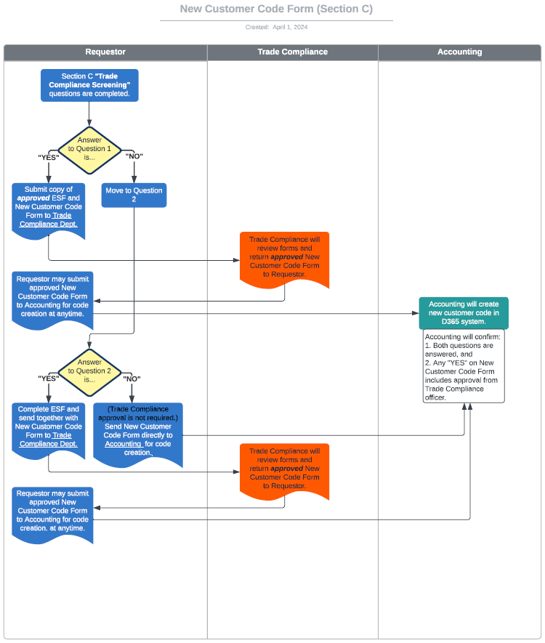

ESF Flowchart
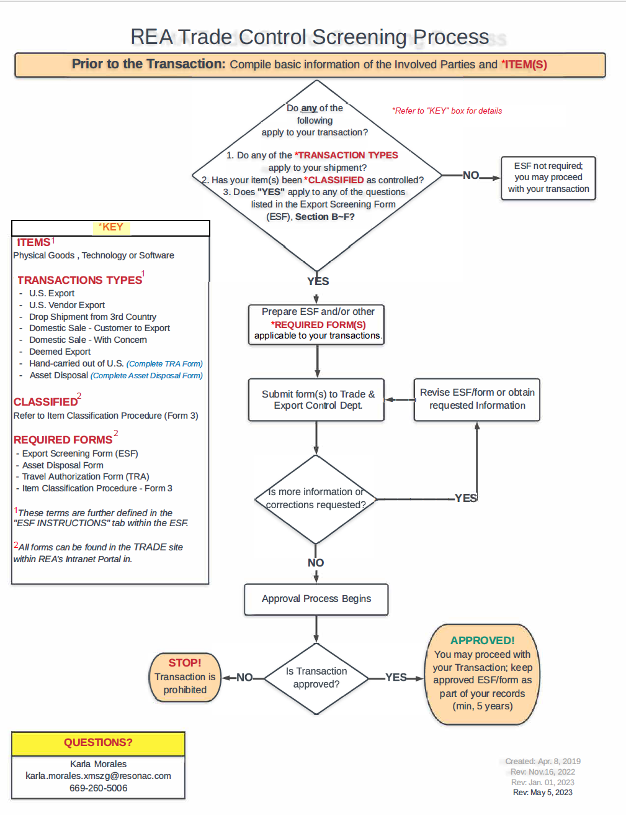

If you determine that your transaction requries an ESF,
please download a copy of the ESF from below link.

REA - Export Screening Form (ESF) (Rev. 2023.01.01).xlsx

