Customer Review Worksheet
[NEW CUSTOMER REVIEW WORKSHEET]

A division manager (or same/upper level) requesting a business with a new customer ("Requestor")
Compliance & Trade Review Results are both "LOW"

Risk assessment form & compliance related required documents (including approved ESF, if required due to "High" results in Trade Compliance review).
To Accounting
(cc Compliance & Trade Group)
Code creation process

For free sample transactions:
To Compliance (cc Trade Group)
(not necessary to send to Accounting)

[STEP]
Submit the following documents to Accounting and cc to both Compliance Group & Trade Group
(For free sample transactions: only to Compliance & cc Trade Group) :
· Risk Assessment review form in PDF with reviewer's signature.
· the compliance related required documents. (Refer to the Risk Assessment Instruction)

A division manager (or same/upper level) requesting a business with a new customer ("Requestor")
Compliance Review Result is "MEDIUM" and/or Trade review is "HIGH"
If business is allowed (Compliance Group's Review Result a or b):
Risk assessment form & compliance related required documents (including approved ESF, if required due to "High" results in Trade Compliance review). Review.
To Accounting
(cc Trade Group)
For free sample transactions:
the review result is informed to the division only (with cc to Trade), and not forwarded to Accounting for code creation.
Send to Compliance and Trade Groups.
If Compliance Group's review is
[Result a or b]
Risk assessment form & compliance related required documents
Code creation process

If Compliance Group's
review is [Result c], follow the procedure of compliance
review result ["HIGH" Step 2 and 3]

Review Result

[STEP 1]
Submit the following documents to Compliance Group:
· Risk Assessment review form in PDF with reviewer's signature.
· the compliance related required documents. (Refer to the Risk Assessment Instruction)
[STEP 2]
· Wait for the Compliance Group's review result.
[STEP 3]
Compliance Group's Review Result a:
· Compliance Group lowers the review result to "LOW" on the prospective customer.
· Compliance Group informs the Requestor about the result and forwards the Risk Assessment forms and compliance related required documents (refer to the Risk Assessment Instruction) to Accounting and cc to Trade Group.
Compliance Group's Review Result b:
· Compliance Group reviewed as "MEDIUM", Compliance Group requires the Requestor to collect additional information on the prospective customer.
· Compliance Group proposes remediation on the prospective customer.
· If the Requestor agrees with such compliance proposal, Compliance Group forwards the Risk Assessment forms and compliance related required documents (refer to the Risk Assessment Instruction) to Accounting and cc to Trade Group (provided, the result will not be forwarded to Accounting in case of free sample transactions).
Compliance Group's Review Result c:
If the Requestor disagrees with the compliance remediation proposal on the prospective customer, or Compliance Group resulted the review as "HIGH", follow the same procedures under [Compliance Review Result "HIGH" STEP 2 and STEP 3] below.
Note: In case of free sample transactions, the result is informed to the division only (with cc to Trade), and not forwarded to Accounting for code creation.

Risk assessment form & compliance related required documents (including approved ESF, if required due to "High" results in Trade Compliance review).
A division manager (or same/upper level) requesting a business with a new customer ("Requestor")
Compliance Review Result is "HIGH"and/or Trade review is "HIGH"
If business is allowed (Compliance Group's Review Result a):

To Accounting
(cc Trade Group)
For free sample transactions:
the review result is informed to the division only (with cc to Trade), and not forwarded to Accounting for code creation.
Compliance Group and
Compliance Officer
Review the information
Risk assessment form & compliance related required documents
Code creation process

Review Result

[STEP 1]
Submits the following documents to Compliance Group:
· Risk Assessment review form in PDF with reviewer's signature.
· the compliance related required documents. (Refer to the Risk Assessment Instruction)
[STEP 2]
· Compliance Group forwards the Risk Assessment review form and compliance related required documents (refer to the Risk Assessment Instruction) to Compliance Officer.
· Compliance Group requires the Requestor to collect additional information on the prospective customer.
· The Requestor waits for the Compliance's review result.
[STEP 3]
Compliance Group's Review Result a: Compliance Group (and Compliance Officer) proposes remediation on the prospective customer.
· If the Requestor agrees with such compliance proposal, Compliance Group forwards the Risk Assessment forms and compliance related required documents (refer to the Risk Assessment Instruction) to Accounting and cc to Trade Group (provided, the result will not be forwarded to Accounting in case of free sample transactions).
Compliance Group's Review Result b: If the Requestor disagrees with the compliance remediation proposal on the prospective customer or Compliance Group (and Compliance Officer) concluded to prohibit business with the prospective customer, no business transaction shall take place with the prospective customer.
Note: In case of free sample transactions, the result is informed to the division only (with cc to Trade), and not forwarded to Accounting for code creation.

1.Risk Assessment Instruction
Customer Risk Assessment Instruction
Review requestor must be a division manager (or same/upper level)
Questions | Instructions
R5 (Business Partner Name) | Input the prospective new customer's name
R6 (Business Address) | Input the prospective new customer's address
Q1: Has the prospective customer conducted business with REA previously? If yes, it is NOT necessary to perform the new customer review. If no, please continue the review. | Check if the prospective customer conducted business with REA (including with REA under its former names) before. Check existence of the accounting code. (If it is for a sample transaction, ask the Compliance Manager if the prospective cusotmer has been reviewed before) If 'Yes' (the customer code exists in the accounting system or the customer has been reviewed before), new customer risk assessment is not necessary. If 'no', continue the new customer risk assessment review.
Q2: To your knowledge, is the prospective customer owned, in while or in part, or controlled by Public Officer or close relative of a Public Officer? | Read the definition of 'Public Officer' in NOTE and input 0 (No) or 1 (Yes).
Q3: Is the prospective customer expected to have direct or indirect interaction with Public Officers or families of Public Officers? | Read the definition of 'Public Officer' in NOTE and input 0 (No) or 1 (Yes). If 1 (yes), describe how you anticipate the Public Officer or its families interact with the business.
Q4: Has the prospective customer previously been considered and rejected by REA? | Check if business transaction with this prospective customer was rejected or not in the past asking other business teams or accounting records. If 'Yes', describe the reason of rejection as much as you could find out.
Q5: If Q4 above is 'yes', please describe why it is acceptable to reconsider the same customer. | If you answer 'Yes' to Q4, describe why it is acceptable to start business transaction with the same prospective customer.
Q6: Is there any negative compliance news/litigations/regulatory violations about the prospective customer? | (i) Each of the search results have to be documented, such as keep them in PDF or screenshot, for the reasoning of the point. (ii) If one search result gets different point from other search results, pick the largest point, such as, if 'antitrust' gets 1, 'money laundering', 'terrorist financing' and 'breach of contract' searches get 0, and 'human rights' search gets 3, the point to Q6 should be 3. (iii) Briefly describe the search result and reason of your determination of the point. (iv) Submit all search result evidence with this form. (v) Keep the search result evidence for further audit purposes.
Q7: Location of goods/services to be provided for the prospective customer: Determine the point by CPI score. | (i) type the location in Answer/Description box. (ii) Go to CPI (Corruption Perception Index) site to see the score, and select applicable point. (In the site, select the most recent CPI index year) (iii)The applicable CPI score has to be documented, such as keep it in PDF or screenshot for the reasoning of the point and submit it with this form.
Q8: Is the compliance certification submitted? | Input 0 (Yes) or 1 (No). If 0 (Yes), submit the certification with this form. If 1 (No), describe why certification is not submitted. - If answer 'No' because customer's submission is merely delayed, do not send this form yet until receiving the signed certification. - for customers use Shodex website: enter 0 point (Yes) and type "Shodex website" in Answers/Description box so that the certification attachment to this form is excluded.
Q9: Is the end-use of the product we intend to provide, related or suspected to relate to military application(s)? | Confirm if the intended use/application of REA's product will be used by the Customer/End-User in military-related applications. Input 0 (No) or 1 (Yes).
Q10: Is the prospective customer and/or End-user a military or national defense agency, including police and intelligence agencies? | Note: End-User = the party who will receive and "consume" (will test, process further or use/install) our product(s), which could be different than the buyer/customer. Confirm if the Customer and/or End-user is a military/defense, police or intelligence agency. Input 0 (No) or 1 (Yes).
Q11: Is the prospective customer and/or End-User located in one of the “UN Embargo Countries/Regions” or “Other Designated Countries” listed in column E? | Review the country list in Column E and confirm if the Customer and/or End-user is located in any of the countries. Input 0 (No) or 1 (Yes).
Q12: Is the prospective customer and/or End-User not located in one of the “Export Control Regime Participating Countries” listed in column E, and do they have a military/defense related business sector? | Review the country list in Column E and confirm if the Customer and/or End-user is not located in any of those countries and also has a military/defense business sector. Sales should also review their website to confirm if they are involved in any such sectors/industries. Input 0 (No) or 1 (Yes).
Q13: Is the prospective customer and/or End-User listed on the Denied Party List (DPL)? (Go to link below) | Review the DPL link and the instructions in Column E to confirm if your Customer/End-User is listed. Input 0 (No) or 1 (yes).
Q14: Do you know or suspect if any of the “Red Flags" listed in column E pertain to your transaction? | Review the Red Flags in Column E and input 0 (No) or 1 (yes) if any apply to your Customer or transaction.
If the compliance & trade review results are both 'LOW' | (i) Created PDF of this form: File --> Export --> create Adobe PDF (Fit to paper with) --> Convert to PDF (refer to the screenshot below #1 ~ #5) (ii) Sign the PDF & attach compliance related required documents*, and (iii) submit the PDF & compliance related required documents* to accounting and cc to both compliance group (rea_compliance@resonac.com) and Trade group (karla.morales.xmszg@resonac.com).
If the compliance review result is 'MEDIUM' or 'HIGH' or the trade review result is 'HIGH' | (i) Created PDF of this form: File --> Export --> create Adobe PDF (Fit to paper width) --> Convert to PDF (refer to the screenshot below #1 ~ #5) (ii) Sign the PDF & attach compliance related required documents*, and (iii) forward the PDF & compliance related required documents* to both compliance group (rea_compliance@resonac.com) and to Trade group (karla.morales.xmszg@resonac.com) for their further evaluations. If the compliance review result is 'MEDIUM' or 'HIGH', the customer code will not be created without compliance group's review.
(*) Compliance related required documents | No. 1 All search result evidence in Q6 are attached
 | No. 2 Score review evidence in Q7 is attached
 | No. 3 Compliance Certification in Q8 is attached (if 'No', the reason is described) If answer 'No' because customer's submission is merely delayed, do not send this form yet until receiving the signed certification.
 | No. 4 Approved ESF is attached if Trade Compliance result is ≥1 points or 'HIGH'

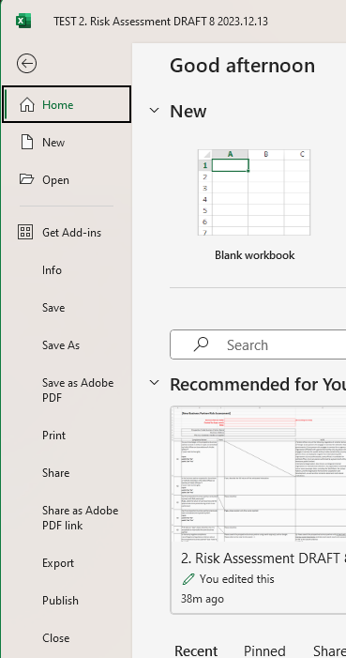
How to convert Excel to PDF

1. go to "File"

2. go to "Export"

3. select and click "Create Adobe PDF" icon

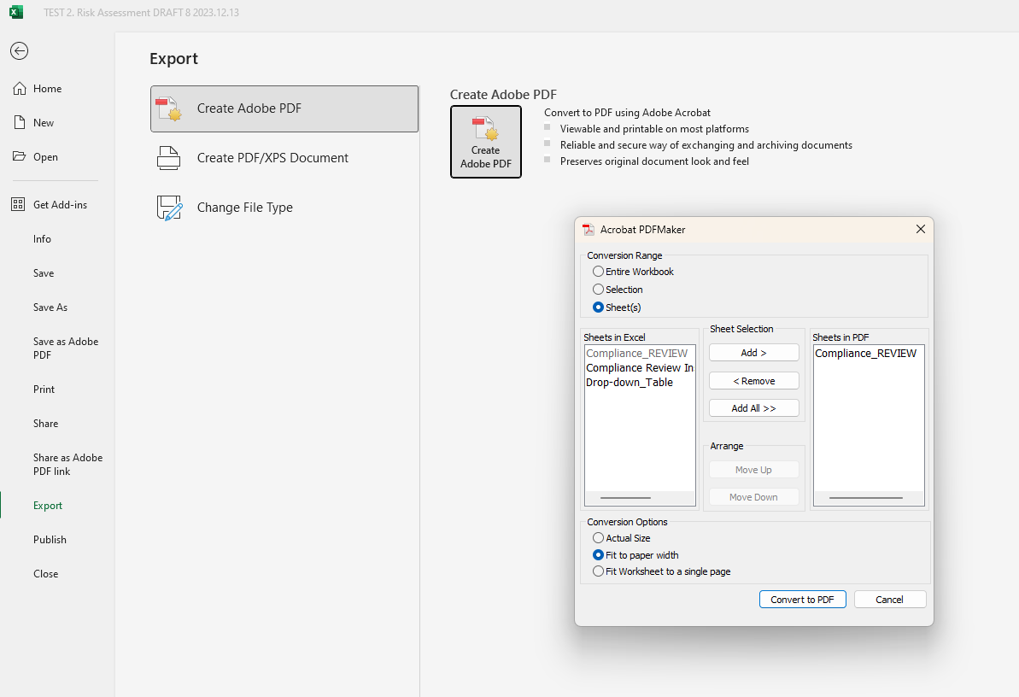
Click

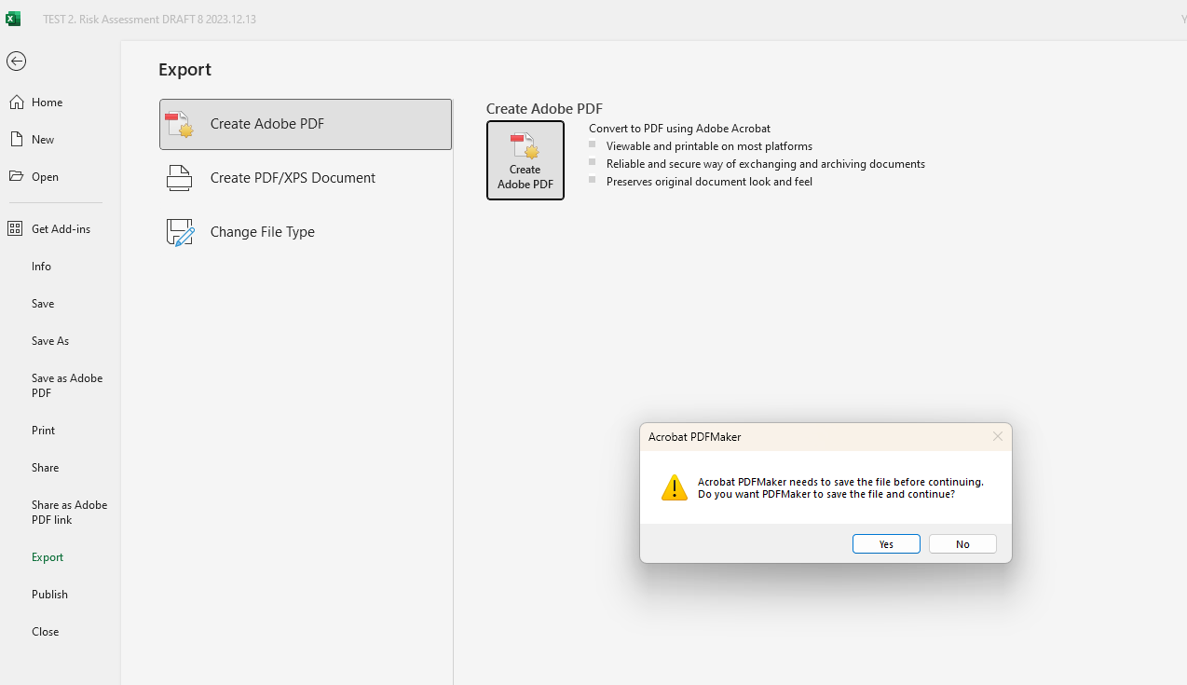

4. make sure the setting is as indicated here and click "Convert to PDF"

5. click 'Yes" and create PDF file

1-2. Compliance Certifications
[Compliance Certification by Customer]
(i) Click the below icon to open the documents.
(ii) Prospective customer muist fill out the certification

If you have questions about this form, please contactact Compliance group (rea_compliance@resonac.com)

