7. UX - Mockups
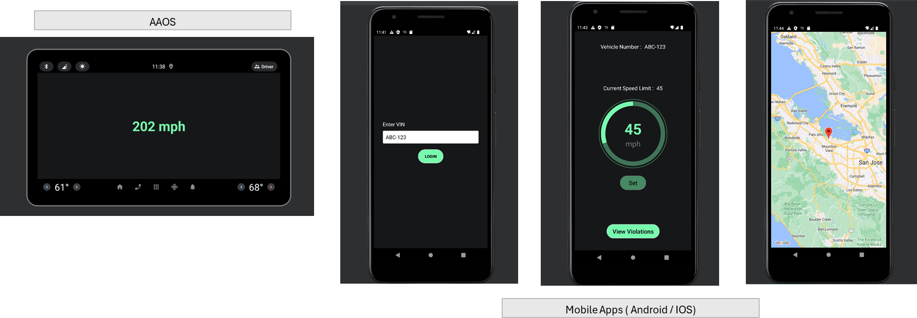

8. Burndown Chart
Burndown Chart
Time |  | Open Story Points
Day | Date | Planned (SP) | Remaning (SP)
0 | ## | 19 | 19
1 | 2024-10-21 | 15 | 17
2 | 2024-10-22 | 11 | 13
3 | 2024-10-23 | 7 | 9
4 | 2024-10-24 | 4 | 4.8
5 | 2024-10-25 | 0 | 1.2

Sprint | Committed (SP) | Stretched (SP) | Achieved (SP) | Achieved %

1 | 19 | 2.4 | 17.8 | 93.68%

