Sheet1
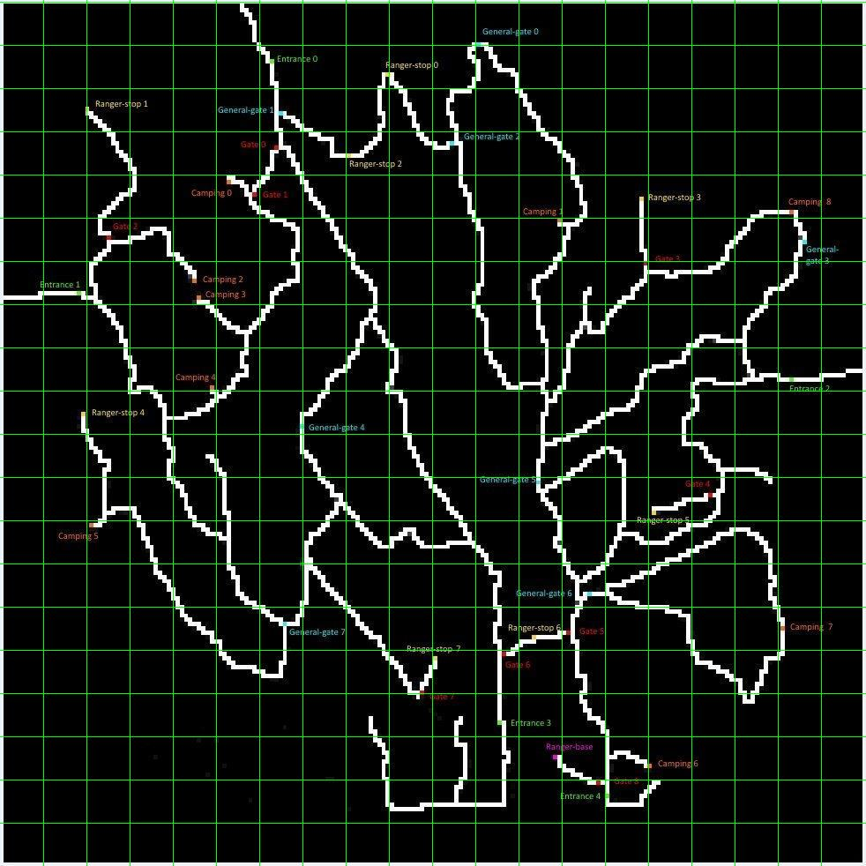
10 | 20 | 30 | 40 | 50 | 60 | 70 | 80 | 90 | 100 | 110 | 120 | 130 | 140 | 150 | 160 | 170 | 180 | 190 | 200 |  | General-gate 0 | 110 | 10
 |  |  |  |  |  |  |  |  |  |  |  |  |  |  |  |  |  |  |  | 10 | Entrance 0 | 62 | 14
 |  |  |  |  |  |  |  |  |  |  |  |  |  |  |  |  |  |  |  | 20 | Ranger-stop 0 | 90 | 18
 |  |  |  |  |  |  |  |  |  |  |  |  |  |  |  |  |  |  |  | 30 | Ranger-stop 1 | 20 | 25
 |  |  |  |  |  |  |  |  |  |  |  |  |  |  |  |  |  |  |  | 40 | General-gate 1 | 65 | 25
 |  |  |  |  |  |  |  |  |  |  |  |  |  |  |  |  |  |  |  | 50 | Gate 0 | 64 | 34
 |  |  |  |  |  |  |  |  |  |  |  |  |  |  |  |  |  |  |  | 60 | Ranger-stop 2 | 81 | 36
 |  |  |  |  |  |  |  |  |  |  |  |  |  |  |  |  |  |  |  | 70 | General-gate 2 | 104 | 32
 |  |  |  |  |  |  |  |  |  |  |  |  |  |  |  |  |  |  |  | 80 | Camping 0 | 53 | 41
 |  |  |  |  |  |  |  |  |  |  |  |  |  |  |  |  |  |  |  | 90 | Gate 1 | 59 | 45
 |  |  |  |  |  |  |  |  |  |  |  |  |  |  |  |  |  |  |  | 100 | Camping 1 | 130 | 50
 |  |  |  |  |  |  |  |  |  |  |  |  |  |  |  |  |  |  |  | 110 | Ranger-stop 3 | 148 | 45
 |  |  |  |  |  |  |  |  |  |  |  |  |  |  |  |  |  |  |  | 120 | Camping 8 | 183 | 49
 |  |  |  |  |  |  |  |  |  |  |  |  |  |  |  |  |  |  |  | 130 | Gate 2 | 25 | 54
 |  |  |  |  |  |  |  |  |  |  |  |  |  |  |  |  |  |  |  | 140 | General-gate 3 | 185 | 55
 |  |  |  |  |  |  |  |  |  |  |  |  |  |  |  |  |  |  |  | 150 | Entrance 1 | 18 | 68
 |  |  |  |  |  |  |  |  |  |  |  |  |  |  |  |  |  |  |  | 160 | Camping 2 | 44 | 64
 |  |  |  |  |  |  |  |  |  |  |  |  |  |  |  |  |  |  |  | 170 | Camping 3 | 46 | 69
 |  |  |  |  |  |  |  |  |  |  |  |  |  |  |  |  |  |  |  | 180 | Gate 3 | 150 | 60
 |  |  |  |  |  |  |  |  |  |  |  |  |  |  |  |  |  |  |  | 190 | Camping 4 | 49 | 89
 |  |  |  |  |  |  |  |  |  |  |  |  |  |  |  |  |  |  |  | 200 | Entrance 2 | 184 | 87
 |  |  |  |  |  |  |  |  |  |  |  |  |  |  |  |  |  |  |  |  | Ranger-stop 4 | 19 | 95
 |  |  |  |  |  |  |  |  |  |  |  |  |  |  |  |  |  |  |  |  | General-gate 4 | 70 | 98
 |  |  |  |  |  |  |  |  |  |  |  |  |  |  |  |  |  |  |  |  | General-gate 5 | 125 | 111
 |  |  |  |  |  |  |  |  |  |  |  |  |  |  |  |  |  |  |  |  | Gate 4 | 165 | 115
 |  |  |  |  |  |  |  |  |  |  |  |  |  |  |  |  |  |  |  |  | Ranger stop 5 | 152 | 118
 |  |  |  |  |  |  |  |  |  |  |  |  |  |  |  |  |  |  |  |  | Camping 5 | 21 | 121
 |  |  |  |  |  |  |  |  |  |  |  |  |  |  |  |  |  |  |  |  | General-gate 6 | 135 | 137
 |  |  |  |  |  |  |  |  |  |  |  |  |  |  |  |  |  |  |  |  | General-gate 7 | 66 | 144
 |  |  |  |  |  |  |  |  |  |  |  |  |  |  |  |  |  |  |  |  | Ranger -stop6 | 124 | 147
 |  |  |  |  |  |  |  |  |  |  |  |  |  |  |  |  |  |  |  |  | Gate5 | 131 | 146
 |  |  |  |  |  |  |  |  |  |  |  |  |  |  |  |  |  |  |  |  | Camping 7 | 181 | 145
 |  |  |  |  |  |  |  |  |  |  |  |  |  |  |  |  |  |  |  |  | Ranger-stop 7 | 101 | 152
 |  |  |  |  |  |  |  |  |  |  |  |  |  |  |  |  |  |  |  |  | Gate 6 | 116 | 151
 |  |  |  |  |  |  |  |  |  |  |  |  |  |  |  |  |  |  |  |  | Gate 7 | 97 | 160
 |  |  |  |  |  |  |  |  |  |  |  |  |  |  |  |  |  |  |  |  | Entrance 3 | 115 | 168
 |  |  |  |  |  |  |  |  |  |  |  |  |  |  |  |  |  |  |  |  | Ranger-base | 128 | 174
 |  |  |  |  |  |  |  |  |  |  |  |  |  |  |  |  |  |  |  |  | Camping 6 | 150 | 177
 |  |  |  |  |  |  |  |  |  |  |  |  |  |  |  |  |  |  |  |  | Entrance 4 | 140 | 181
 |  |  |  |  |  |  |  |  |  |  |  |  |  |  |  |  |  |  |  |  | Gate 8 | 138 | 184

