p1
interest | 0.11
principal | 5000
How much interest is payable each year on a loan of ​$5,000
if the interest rate is 11​%
​(simple interest) per year when half of the loan principal will be repaid as a lump sum at the end of fourfour
years and the other half will be repaid in one​ lump-sum amount at the end of eight​ years? How much interest will be paid over the​eight-year period? The interest amount is paid at the end of each year.
 | Year | BoY Balance | Interest | EoY Balance | Paid
 | 1 | 5000 | 550 | 5550 | 0
 | 2 | 5550 | 610.5 | 6160.5 | 0
 | 3 | 6160.5 | 677.655 | 6838.155 | 0
 | 4 | 6838.155 | 752.19705 | 7590.35205 | 3795.176025
 | 5 | 3795.176025 | 417.46936275 | 4212.6453877 | 0
 | 6 | 4212.6453877 | 463.39099265 | 4676.0363804 | 0
 | 7 | 4676.0363804 | 514.36400184 | 5190.4003822 | 0
 | 8 | 5190.4003822 | 570.94404205 | 5761.3444243 | 5761.3444243
 | Total |  | 4556.5204493 |  |  | WAS SIMPLE INTEREST OOPS

p2
When you were​ born, your grandfather established a trust fund for you in the Cayman Islands. The account has been earning interest at the rate of 8​%
per year. If this account will be worth ​$110,000
on your 25th
​birthday, how much did your grandfather deposit on the day you were​ born?
Future Value | 110000
Interest Rate | 8%
Periods | 25

Present Value =? | ($16,061.97)

p5
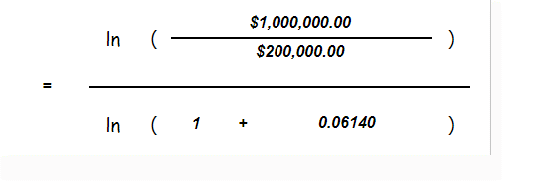
 | 1000000
 | 200000
($1,001,471.23) | 0.0614
 | #NUM! | < dunno why this is giving error

