Coco3AppleRGB
Id | Designator | Package | Quantity | Designation | Supplier and ref | Unit Price | Extended
1 | J2 | CUI_PJ-037A | 1 | +5VDC Power | Digikey | $0.51 | $0.51
2 | R3,R2,R1 | R_1206_3216Metric_Pad1.30x1.75mm_HandSolder | 3 | 2.2K | Digikey | $0.03 | $0.08
3 | U1 | TSSOP-14_4.4x5mm_P0.65mm | 1 | 74HC86 | Digikey | $0.36 | $0.36
4 | J3 | DSUB-15_Female_Horizontal_P2.77x2.84mm_EdgePinOffset9.90mm_Housed_MountingHolesOffset11.32mm | 1 | DB15_Female_MountingHoles | Digikey | $0.97 | $0.97
5 | J1 | IDC-Header_2x05_P2.54mm_Vertical | 1 | COCO3_RGB | Digikey | $0.36 | $0.36
6 | C3 | C_0805_2012Metric_Pad1.18x1.45mm_HandSolder | 1 | 100nF | Digikey | $0.17 | $0.17
7 | C2,C1 | CP_EIA-7132-20_AVX-U_Pad2.72x3.50mm_HandSolder | 2 | 22uF | Digikey | $0.31 | $0.62

 |  | unit price on order of 10 units |  |  | Total parts (each) |  | $3.07

 |  |  |  |  | PCB (each) |  | $3.90
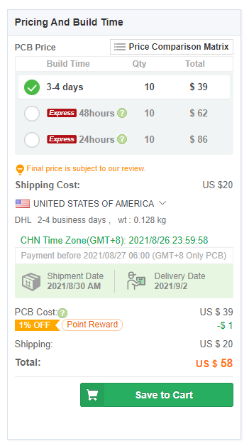
 |  |  |  |  | Total Kit |  | $6.97

