How to Use
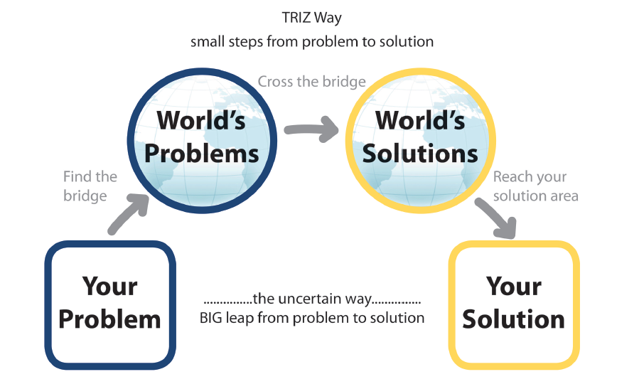
How to Use the TRIZ Navigator — v3

TRIZ Navigator | Start here. Work top to bottom through the 7 steps for every new problem. Copy the sheet (right-click tab → Move or Copy → Create a copy) to start a fresh session.

Step 1 — Problem | Name the system and problem concisely. Write the Ideal Final Result — what would the system do if it solved itself?

Step 2 — Contradiction map | Fill the three cells (better/tradeoff/worse). Choose Technical or Physical contradiction from the dropdown.

Step 3A — NEW: Dropdown lookup | Select your parameter to IMPROVE from the green dropdown (col B) and parameter that WORSENS from the red dropdown (col C). The matrix result cell auto-populates with the principle numbers from the Altshuller matrix. The right panel (cols G–I) automatically extracts each principle number and shows the name and definition side-by-side. No manual lookup needed.

Step 3B — Physical contradiction | State the parameter and its two opposite states. Choose a separation strategy from the dropdown. See the Separation Principles tab for the full principle list.

Step 4 — Principles | Enter principle numbers in col B — name and definition auto-populate from the Appendix. Add your own rationale in col D.

Step 5 — Solutions map | Fill the 9-box grid: Past/Present/Future × Sub-system/System/Super-system.

Step 6 — Innovation level | Select the innovation level from the dropdown.

Step 7 — Actions | Log next actions, owner, target date, and status.

Altshuller Matrix tab | Full 39×39 visual matrix for reference. Row = improving (green), column = worsening (red). Teal cells have recommendations.

Separation Principles tab | All four separation strategies with their full principle lists.

TC Matrix tab | 15 common parameter conflict pairs for quick reference.

Principle Scoring tab | Score shortlisted principles on feasibility, impact, speed, cost. Priority score auto-calculates (max 20).

Case Study Library tab | 12 real-world TRIZ examples across industries.

Problem History Log tab | Log every TRIZ session. Row 4 pre-filled with HBM stack example. Statistics auto-update.

Appendix tab | All 40 principles with full definition, engineering example, and everyday example. Used as lookup table throughout the workbook.

_Params tab | Hidden helper sheet containing the parameter list, matrix data, and principles lookup table. Do not edit.

TRIZ Navigator
TRIZ Creative Problem Solving Navigator

STEP 1 — Define Your Problem
System / Product name | test 1
Problem description | item does not appear to hold its shape very well
Ideal Final Result (IFR) | it should be able to retain the shape regardless of position

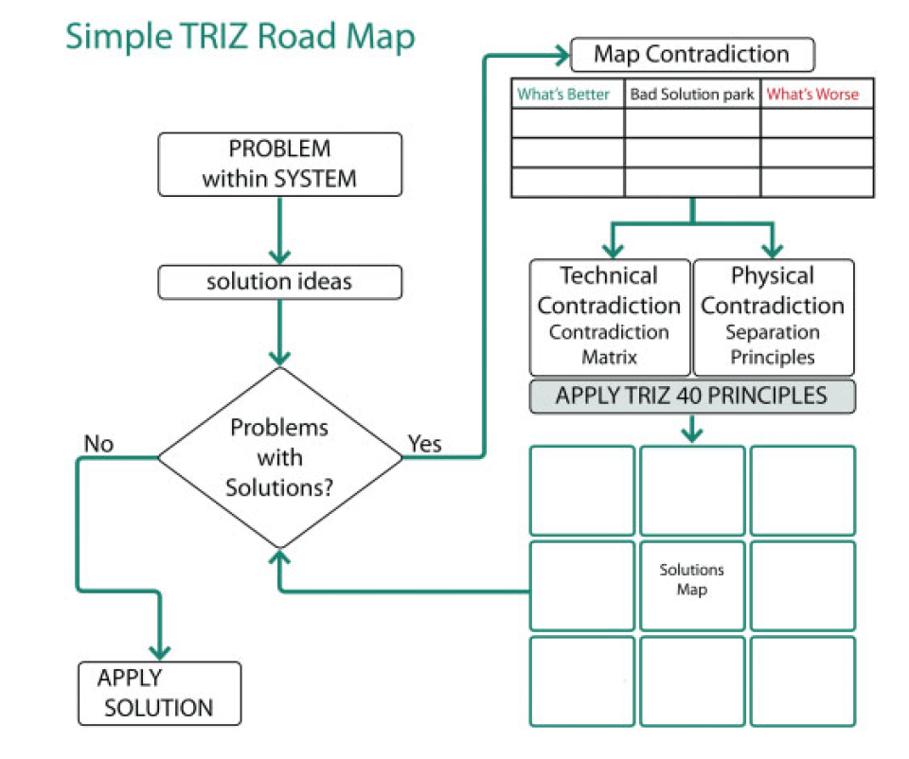
STEP 2 — Map Your Contradiction
What gets BETTER | Bad solution / tradeoff | What gets WORSE | Contradiction type ▼**
shape retention | using membranes that are too flexible | shape collapse during usage. | Technical Contradiction

STEP 3A — Technical Contradiction
Parameter to IMPROVE ▼ | Parameter that WORSENS ▼ | → Matrix result (auto)
12. Shape | 11. Stress or pressure | 34,15,10,14

STEP 3B — Physical Contradiction
The parameter / property | Must be (State A) | AND also be (State B) | Separation strategy ▼
 |  |  | Separate in Time

STEP 4 — Distilled TRIZ Inventive Principles |  |  |  | Recommended Principles from Altshuller Matrix
Principle # | Principle name (auto) | Why it applies to your problem | → Definition (auto) | # | Principle name | Definition
 |  |  |  | 34 | Discarding & recovering | Make portions that fulfilled function disappear; restore consumable parts in operation
 |  |  |  | 15 | Dynamics | Make characteristics adjustable/optimal at each stage; divide into parts capable of moving
 |  |  |  | 10 | Prior action | Perform required change in advance; pre-arrange for convenient future action
 |  |  |  | 14 | Spheroidality / Curvature | Move from flat to spherical surfaces; from linear to curvilinear; use rollers, balls, spirals

 |  |  |  | 💡 Change dropdowns in B17/C17 above — principle numbers, names and definitions update automatically. Add a second problem row in B18/C18 to compare two contradiction pairs side by side.

💡 Enter principle numbers in col B — name and definition auto-populate. Pre-fill from Step 3A results above.

STEP 5 — Solutions Map (Thinking in Time & Scale)
 | PAST | PRESENT | FUTURE
SUPER-SYSTEM

SYSTEM

SUB-SYSTEM

STEP 6 — Target Innovation Level
Level 1 | Apparent (32%) — improvements using company knowledge |  | Level 2
Level 2 | Improvement (45%) — adaptation from similar systems
Level 3 | Fundamental change (18%) — radical innovation from other fields
Level 4 | New application (<4%) — new combination of technologies
Level 5 | Breakthrough (<1%) — new invention based on new science

STEP 7 — Next Actions & Owner
Action item | Owner | Target date | Status ▼

