Problem 1 Drawdown
PFB2073 WELL TEST ANALYSIS - PROBLEM 1 DRAWDOWN TEST

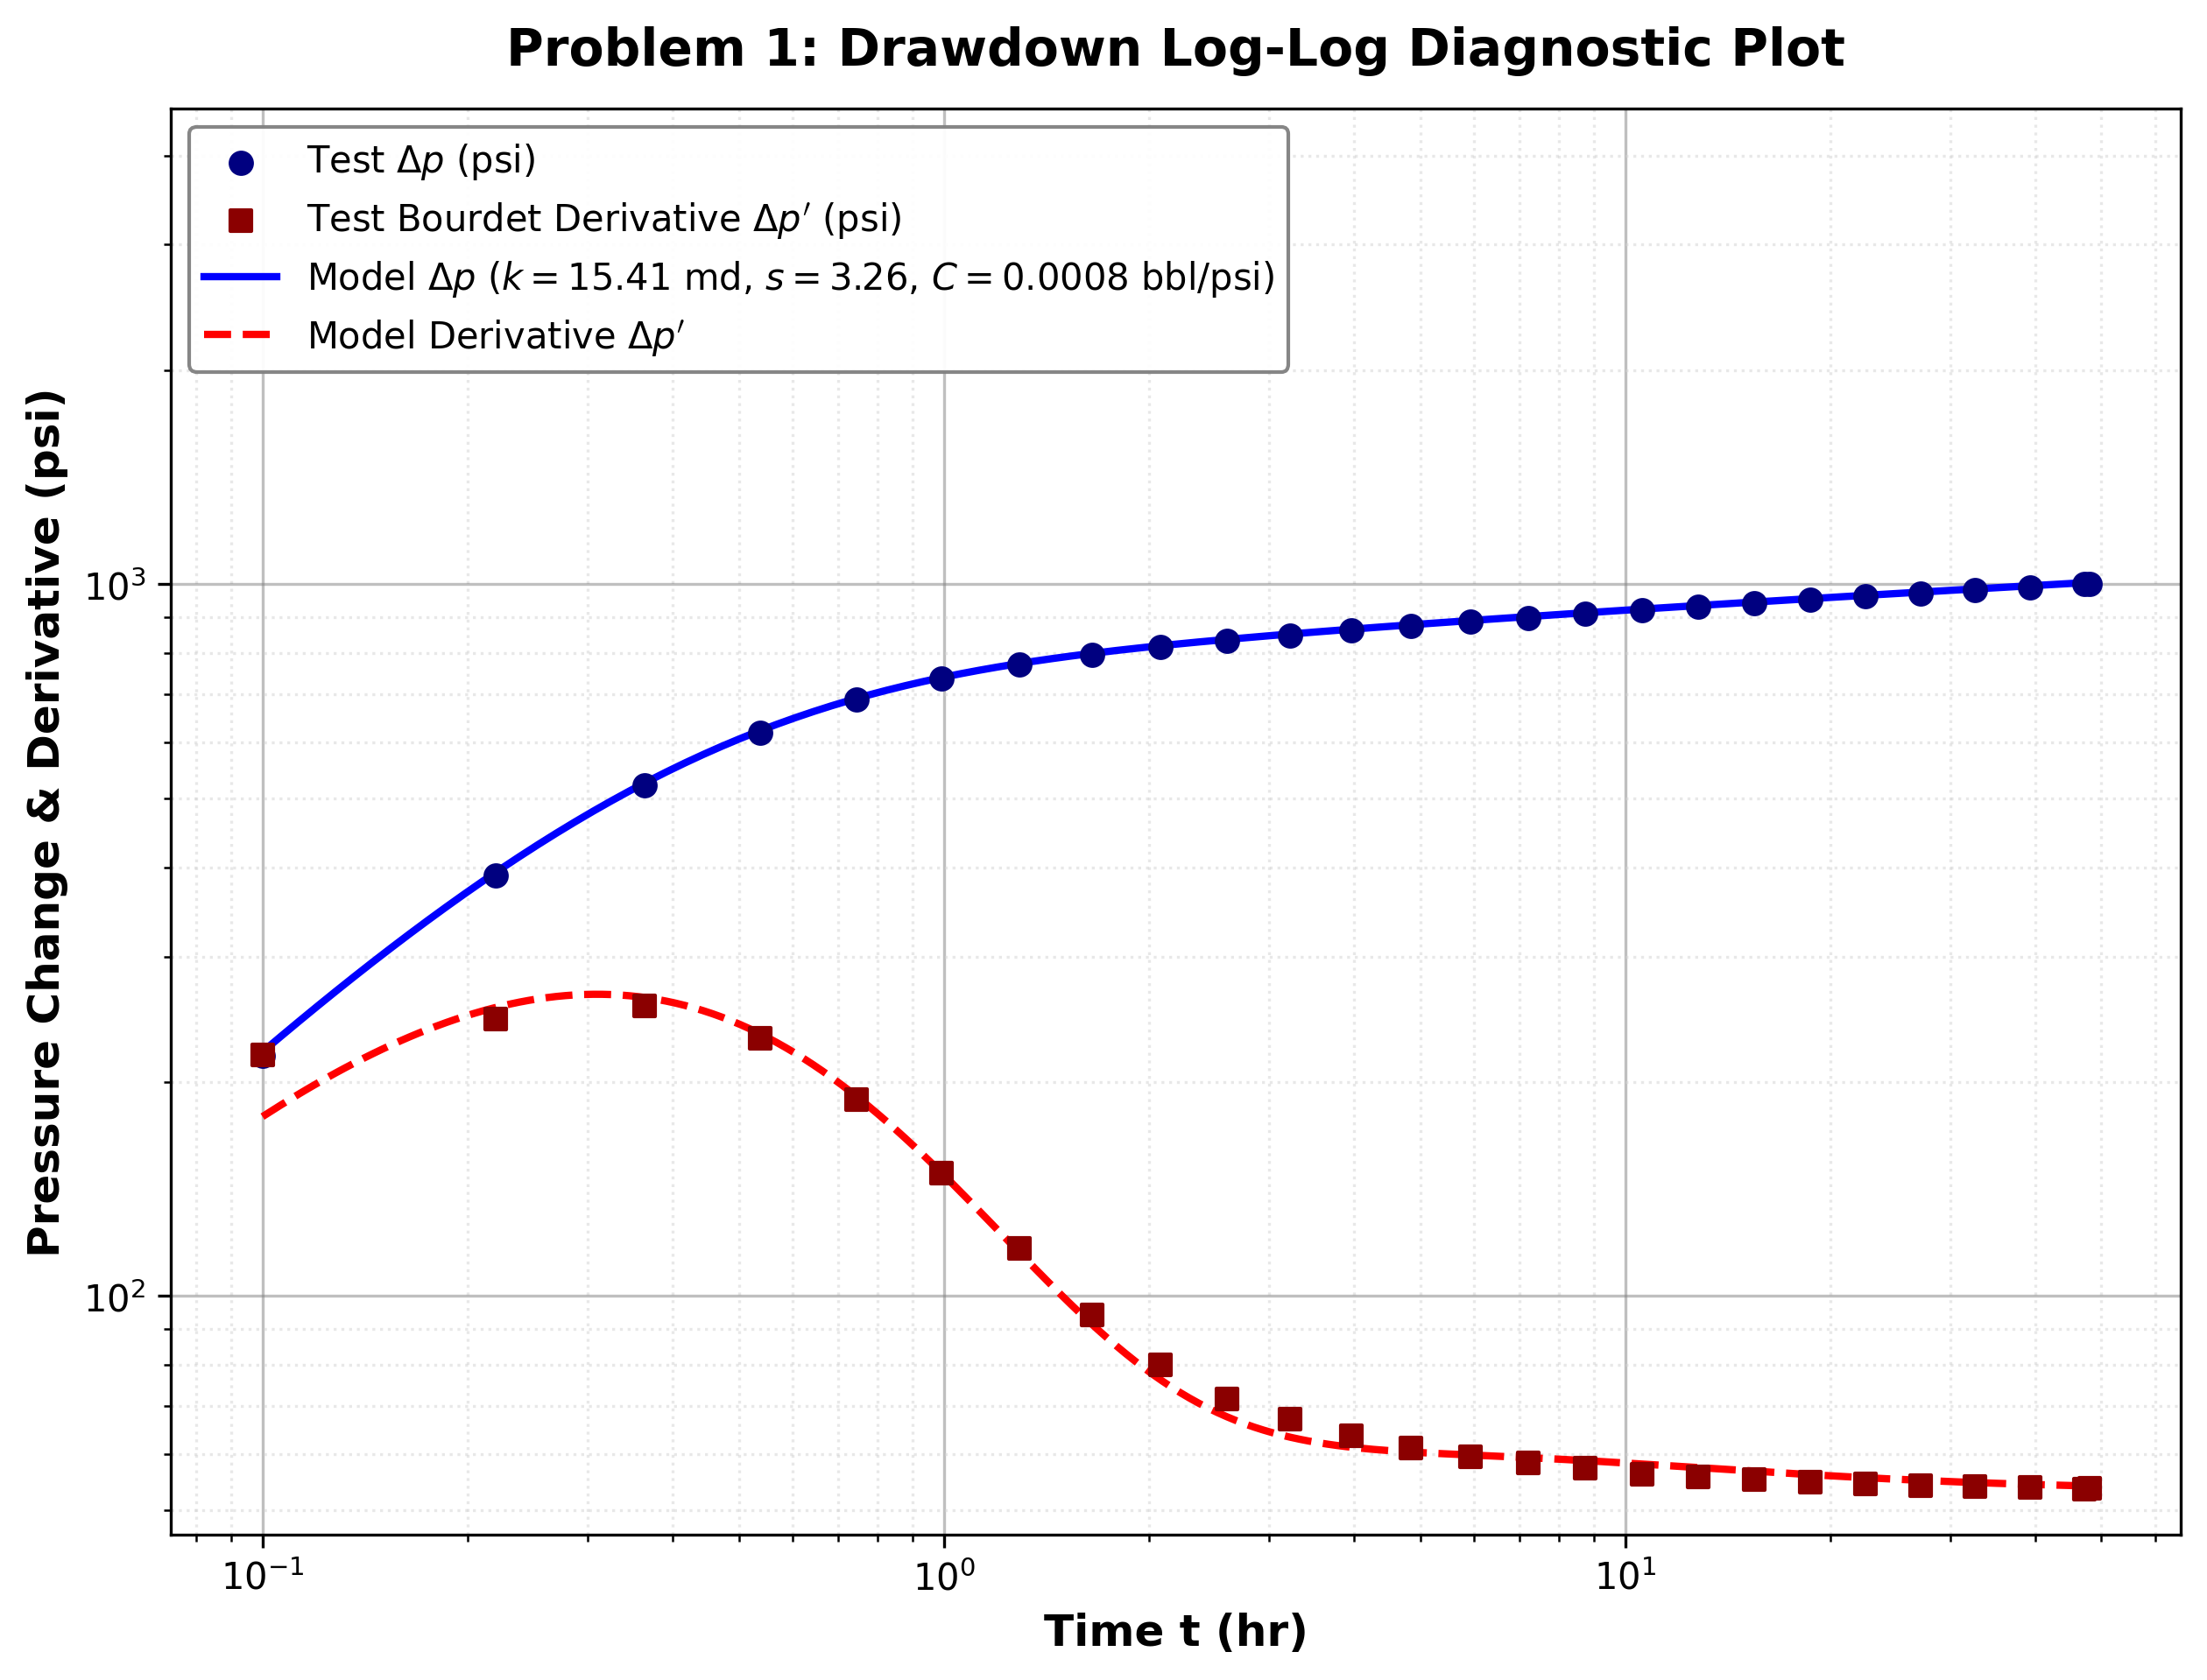
Reservoir Parameter | Value |  | Calculated Result KPI | Value
Formation Thickness h (ft) | 25.0 |  | Permeability k (md) | 15.41
Porosity phi (fraction) | 0.276 |  | Skin Factor s | 3.26
Viscosity mu (cP) | 5.28 |  | Wellbore Storage C (bbl/psi) | 0.0008
Total Compressibility c_t (psi^-1) | 9.40E-06 |  | Dimensionless Storage C_D | 89.08
Wellbore Radius r_w (ft) | 0.36 |  | Gringarten Group C_D e^(2s) | 60311.78
Oil Formation Volume Factor B_o (RB/STB) | 1.099 |  | Semi-Log Slope m (psi/cycle) | 133.26
Oil Flow Rate q (STB/D) | 50.0 |  | Extrapolated Pressure p_1hr (psia) | 546.15
Initial Pressure p_i (psia) | 1326.60 |  | Semi-Log Permeability k_semilog (md) | 14.16
 |  |  | Semi-Log Skin Factor s_semilog | 2.51
 |  |  | Overall Fit R^2 | 0.9922

Problem 1 Observation Data & Matched Model
Time t (hr) | Flowing Pressure p_wf (psi) | Pressure Drop Δp (psi) | Bourdet Derivative (psi) | Matched Model Δp (psi) | Matched Model Derivative (psi)
0.100 | 1109.00 | 217.60 | 218.15 | 220.31 | 178.68
0.220 | 937.00 | 389.60 | 244.88 | 393.85 | 254.39
0.364 | 805.10 | 521.50 | 255.34 | 525.97 | 262.68
0.537 | 707.80 | 618.80 | 229.90 | 622.67 | 233.66
0.744 | 638.40 | 688.20 | 189.07 | 691.20 | 190.85
0.993 | 589.90 | 736.70 | 148.84 | 739.56 | 148.86
1.290 | 555.50 | 771.10 | 116.69 | 773.93 | 115.20
1.650 | 530.20 | 796.40 | 94.10 | 799.68 | 91.25
2.080 | 510.30 | 816.30 | 80.05 | 819.77 | 76.25
2.600 | 493.70 | 832.90 | 71.74 | 836.61 | 67.70
3.220 | 478.90 | 847.70 | 67.20 | 851.30 | 63.36
3.960 | 465.40 | 861.20 | 63.69 | 864.65 | 61.32
4.850 | 452.80 | 873.80 | 61.16 | 877.21 | 60.37
5.920 | 440.80 | 885.80 | 59.47 | 889.19 | 59.80
7.200 | 429.30 | 897.30 | 58.26 | 900.71 | 59.29
8.740 | 418.10 | 908.50 | 57.27 | 911.93 | 58.72
10.590 | 407.20 | 919.40 | 56.23 | 922.88 | 58.07
12.810 | 396.60 | 930.00 | 55.67 | 933.61 | 57.40
15.470 | 386.10 | 940.50 | 55.22 | 944.14 | 56.73
18.670 | 375.80 | 950.80 | 54.72 | 954.55 | 56.12
22.500 | 365.60 | 961.00 | 54.48 | 964.81 | 55.57
27.100 | 355.50 | 971.10 | 54.12 | 974.99 | 55.10
32.620 | 345.50 | 981.10 | 53.99 | 985.08 | 54.70
39.250 | 335.50 | 991.10 | 53.86 | 995.12 | 54.38
47.200 | 325.60 | 1001.00 | 53.56 | 1005.09 | 54.11
48.000 | 324.70 | 1001.90 | 53.66 | 1005.99 | 54.09

Problem 2 Buildup
PFB2073 WELL TEST ANALYSIS - PROBLEM 2 BUILDUP TEST

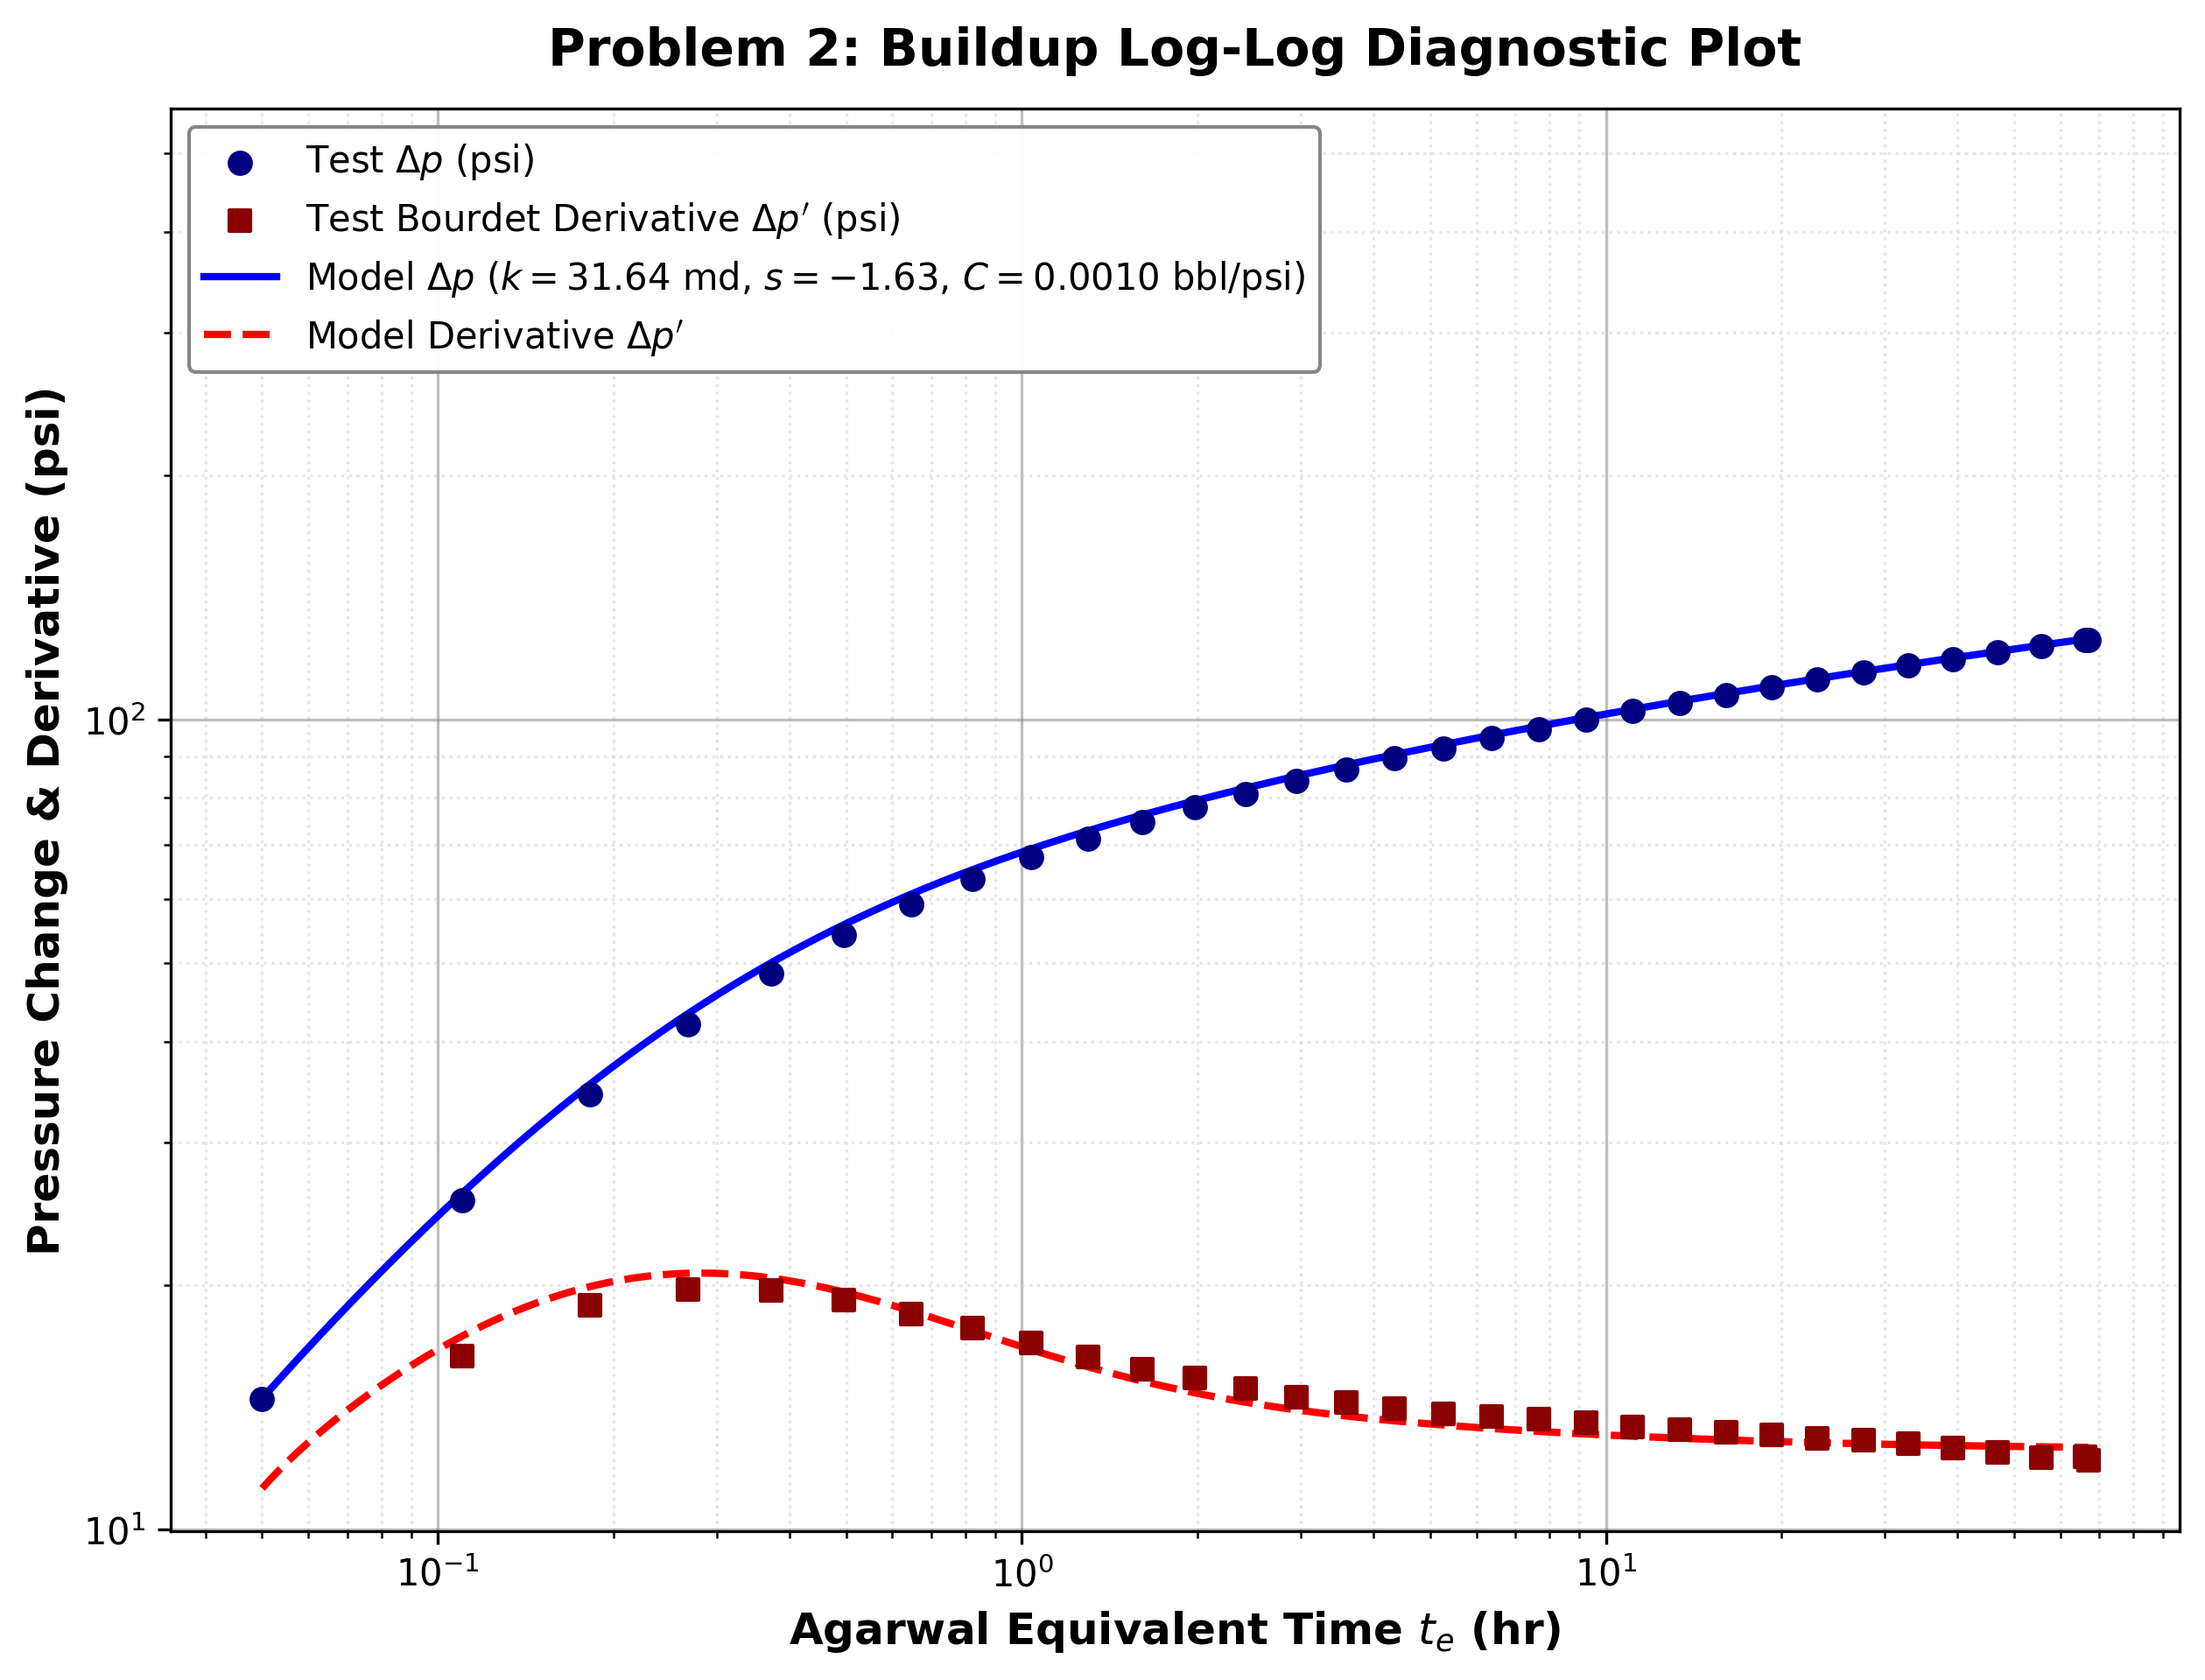
Reservoir Parameter | Value |  | Calculated Result KPI | Value
Formation Thickness h (ft) | 10.0 |  | Permeability k (md) | 31.64
Porosity phi (fraction) | 0.319 |  | Skin Factor s | -1.63
Viscosity mu (cP) | 5.11 |  | Wellbore Storage C (bbl/psi) | 0.0010
Total Compressibility c_t (psi^-1) | 1.09E-05 |  | Dimensionless Storage C_D | 225.49
Wellbore Radius r_w (ft) | 0.34 |  | Gringarten Parameter C_D e^(2s) | 8.62
Oil Formation Volume Factor B_o (RB/STB) | 1.098 |  | Horner Slope m (psi/cycle) | 30.29
Oil Flow Rate q (STB/D) | 10.0 |  | Extrapolated Pressure p_1hr (psia) | 1262.87
Production Time t_p (hr) | 960.0 |  | False Pressure p* (psia) | 1353.22
Drainage Area A (acres) | 80.0 |  | True Avg Pressure p_bar (MBH/Dietz) (psia) | 1340.22
Initial Flowing Pressure p_wf(0) (psia) | 1192.45 |  | Semi-Log Permeability k_semilog (md) | 30.09
 |  |  | Semi-Log Skin Factor s_semilog | -1.86
 |  |  | Radius of Inv r_inv at 72h (ft) | 358.64
 |  |  | Nearest Boundary Distance (ft) | 660.00
 |  |  | Time to Reach Boundary (hr) | 243.84
 |  |  | Boundary Reached at 72h | No
 |  |  | Overall Fit R^2 | 0.9573
Problem 2 Observation Data & Matched Model
Shut-in Time Δt (hr) | Agarwal Time t_e (hr) | Horner Time Ratio | Shut-in Pressure p_ws (psi) | Pressure Change Δp (psi) | Bourdet Derivative (psi) | Matched Model Δp (psi) | Matched Model Derivative (psi)
0.000 | 0.000 | N/A | 1192.45 | 0.00 | 0.00 | 0.00 | 0.00
0.050 | 0.050 | 19201.00 | 1206.92 | 14.47 | 0.00 | 14.50 | 11.23
0.110 | 0.110 | 8728.27 | 1217.90 | 25.45 | 16.36 | 25.99 | 17.31
0.182 | 0.182 | 5275.73 | 1226.92 | 34.47 | 18.89 | 35.43 | 19.93
0.268 | 0.268 | 3583.09 | 1234.52 | 42.07 | 19.74 | 43.31 | 20.70
0.372 | 0.372 | 2581.65 | 1241.02 | 48.57 | 19.71 | 50.05 | 20.43
0.496 | 0.496 | 1936.48 | 1246.66 | 54.21 | 19.18 | 55.79 | 19.62
0.646 | 0.646 | 1487.07 | 1251.62 | 59.17 | 18.42 | 60.83 | 18.60
0.825 | 0.824 | 1164.64 | 1256.04 | 63.59 | 17.70 | 65.25 | 17.58
1.040 | 1.039 | 924.08 | 1260.05 | 67.60 | 16.97 | 69.22 | 16.66
1.298 | 1.296 | 740.60 | 1263.73 | 71.28 | 16.30 | 72.83 | 15.87
1.608 | 1.605 | 598.01 | 1267.15 | 74.70 | 15.76 | 76.18 | 15.24
1.979 | 1.975 | 486.09 | 1270.37 | 77.92 | 15.39 | 79.30 | 14.74
2.420 | 2.414 | 397.69 | 1273.43 | 80.98 | 14.92 | 82.24 | 14.35
2.960 | 2.951 | 325.32 | 1276.36 | 83.91 | 14.55 | 85.11 | 14.04
3.600 | 3.587 | 267.67 | 1279.19 | 86.74 | 14.35 | 87.83 | 13.80
4.370 | 4.350 | 220.68 | 1281.93 | 89.48 | 14.08 | 90.48 | 13.61
5.300 | 5.271 | 182.13 | 1284.61 | 92.16 | 13.88 | 93.08 | 13.45
6.410 | 6.367 | 150.77 | 1287.22 | 94.77 | 13.77 | 95.61 | 13.32
7.740 | 7.678 | 125.03 | 1289.79 | 97.34 | 13.67 | 98.08 | 13.20
9.330 | 9.240 | 103.89 | 1292.31 | 99.86 | 13.53 | 100.52 | 13.11
11.250 | 11.120 | 86.33 | 1294.80 | 102.35 | 13.37 | 102.93 | 13.03
13.550 | 13.361 | 71.85 | 1297.24 | 104.79 | 13.27 | 105.31 | 12.95
16.310 | 16.038 | 59.86 | 1299.66 | 107.21 | 13.19 | 107.66 | 12.89
19.620 | 19.227 | 49.93 | 1302.04 | 109.59 | 13.07 | 109.99 | 12.84
23.600 | 23.034 | 41.68 | 1304.39 | 111.94 | 12.94 | 112.30 | 12.79
28.400 | 27.584 | 34.80 | 1306.71 | 114.26 | 12.87 | 114.60 | 12.75
34.100 | 32.930 | 29.15 | 1308.99 | 116.54 | 12.75 | 116.85 | 12.72
41.000 | 39.321 | 24.41 | 1311.23 | 118.78 | 12.60 | 119.10 | 12.69
49.200 | 46.801 | 20.51 | 1313.42 | 120.97 | 12.45 | 121.30 | 12.66
59.100 | 55.673 | 17.24 | 1315.56 | 123.11 | 12.25 | 123.50 | 12.64
71.000 | 66.111 | 14.52 | 1317.65 | 125.20 | 12.28 | 125.67 | 12.62
72.000 | 66.977 | 14.33 | 1317.81 | 125.36 | 12.17 | 125.83 | 12.62

