Component
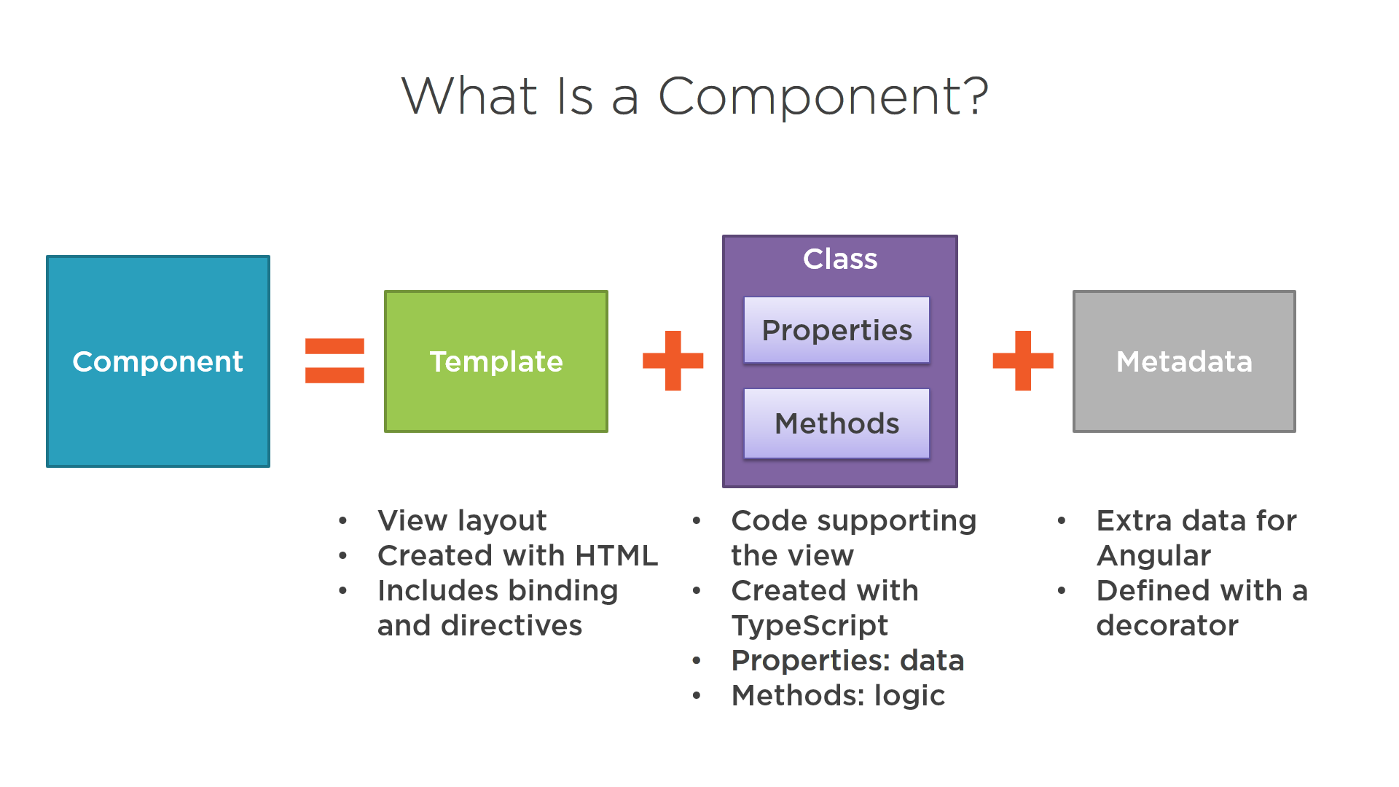
 | Components are the most basic UI building block of an Angular JS application. A Component consists of the following − | app.module.ts=bindle of different pieces of component
9. What are undeclared and undefined variables? Undeclared variables are those that do not exist in a program and are not declared. If the program tries to read the value of an undeclared variable, then a runtime error is encountered. Undefined variables are those that are declared in the program but have not been given any value. If the program tries to read the value of an undefined variable, an undefined value is returned. | Template − This is used to render the view for the application. This contains the HTML that needs to be rendered in the application. This part also includes the binding and directives.
 | Class − This is like a class defined in any language such as C. This contains properties and methods. This has the code which is used to support the view. It is defined in TypeScript.
 | Metadata − This has the extra data defined for the Angular class. It is defined with a decorator.
 | ng g c recipes --skipTests true
 | ng g c recipes/recipes-list --skipTests true

 | decorator @ng.Component({...}) class MyClass {...}

DataBinding
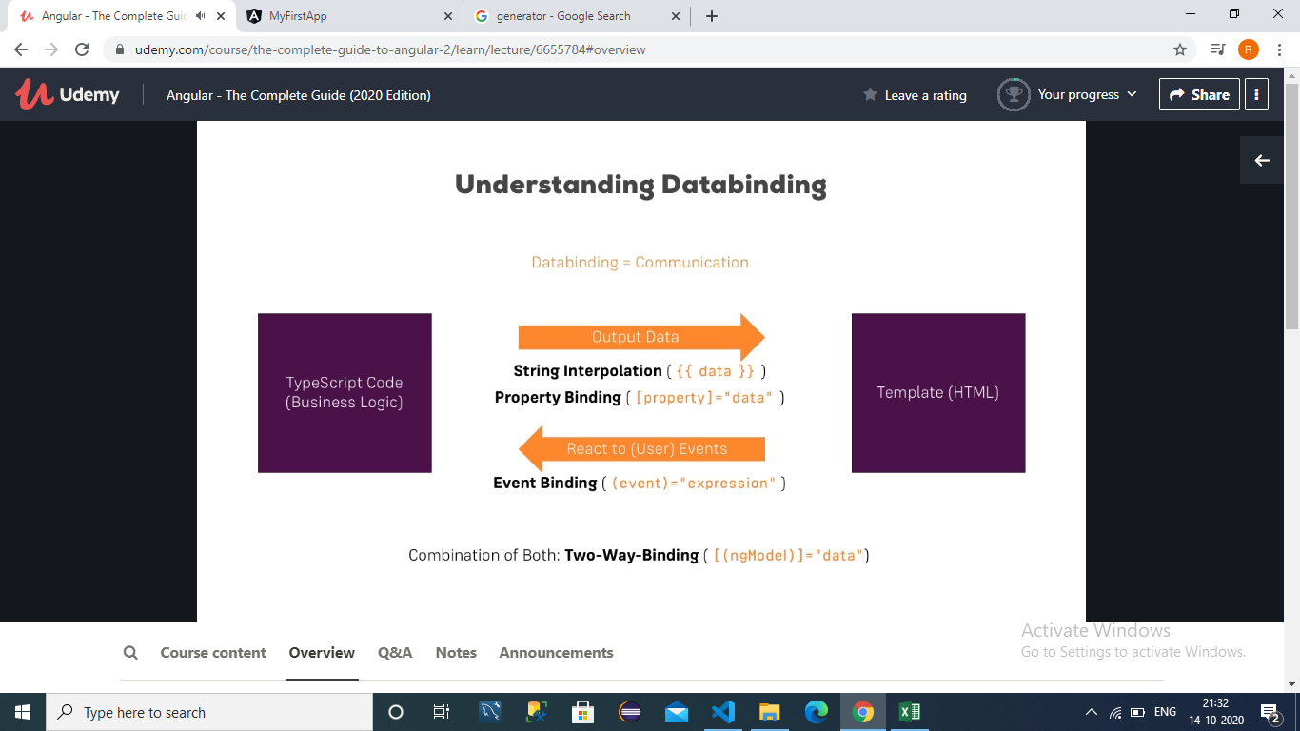
DataBinding = is the communication between typeScript(logic) and template HTML.1)Dynamic String Interpolation={{data}} for integer,and {{data}} for String. for String. Property binding [property]="data"
9. What are undeclared and undefined variables? Undeclared variables are those that do not exist in a program and are not declared. If the program tries to read the value of an undeclared variable, then a runtime error is encountered. Undefined variables are those that are declared in the program but have not been given any value. If the program tries to read the value of an undefined variable, an undefined value is returned.
(onclick)=" " Event binding

<*ngFor="let recipe of recipes"> for all dinemic value. recipe store all array values

Directives
9. What are undeclared and undefined variables? Undeclared variables are those that do not exist in a program and are not declared. If the program tries to read the value of an undeclared variable, then a runtime error is encountered. Undefined variables are those that are declared in the program but have not been given any value. If the program tries to read the value of an undefined variable, an undefined value is returned.

<ul class="nav navbar-nav navbar-right"> <li class="dropdown" appDropdown> <a href="#" class="dropdown-toggle" role="button">Manage <span class="caret"></span></a> <ul class="dropdown-menu"> <li><a href="#">Fetch Data</a></li> </ul> import { Directive, HostListener, HostBinding } from '@angular/core'; @Directive({ selector: '[appDropdown]' }) export class DropdownDirective { @HostBinding('class.open') isOpen = false; @HostListener('click') toggleOpen() { this.isOpen = !this.isOpen; } } | HostListener - Declares a host listener. Angular will invoke the decorated method when the host element emits the specified event. HostBinding - Declares a host property binding. Angular automatically checks host property bindings during change detection | 

