Sheet1
Molecule | MolWt | Supplier Name | Catalog Number | canonical isomeric SMILES | eMolecules ID
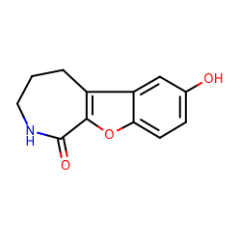 | 217.221 | ChemDiv | 5816-0042 | c1cc2c(cc1O)c3c(o2)C(=O)NCCC3 | 6679830
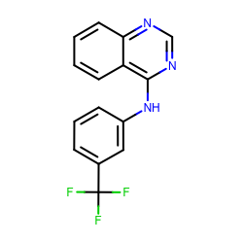 | 289.255 | ChemDiv | 3232-0333 | c1ccc2c(c1)c(ncn2)Nc3cccc(c3)C(F)(F)F | 1327907
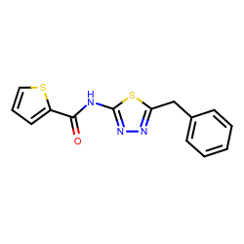 | 301.387 | Enamine Screening Compounds | Z27474679 | c1ccc(cc1)Cc2nnc(s2)NC(=O)c3cccs3 | 1228629
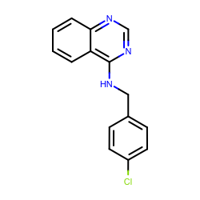 | 269.729 | Enamine Screening Compounds | Z126957826 | c1ccc2c(c1)c(ncn2)NCc3ccc(cc3)Cl | 30719859
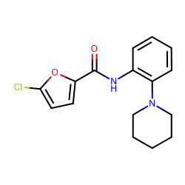 | 304.771 | Enamine Screening Compounds | Z119335440 | c1ccc(c(c1)NC(=O)c2ccc(o2)Cl)N3CCCCC3 | 18908671
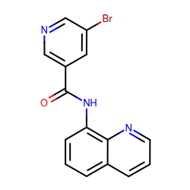 | 328.163 | Enamine Screening Compounds | Z28487401 | c1cc2cccnc2c(c1)NC(=O)c3cc(cnc3)Br | 18893169
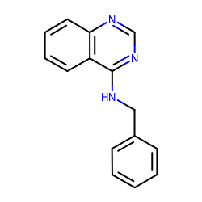 | 235.284 | Enamine Screening Compounds | Z57161635 | c1ccc(cc1)CNc2c3ccccc3ncn2 | 1327878
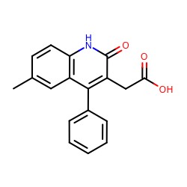 | 293.317 | Enamine Screening Compounds | Z57157353 | Cc1ccc2c(c1)c(c(c(=O)[nH]2)CC(=O)O)c3ccccc3 | 1367649
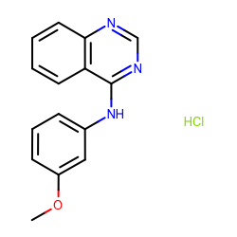 | 287.744 | Enamine Screening Compounds | Z220564816 | COc1cccc(c1)Nc2c3ccccc3ncn2.Cl | 1865544
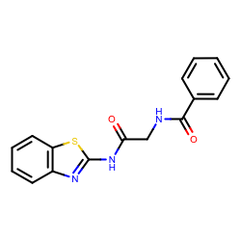 | 311.358 | Enamine Screening Compounds | Z69130143 | c1ccc(cc1)C(=O)NCC(=O)Nc2nc3ccccc3s2 | 23354217
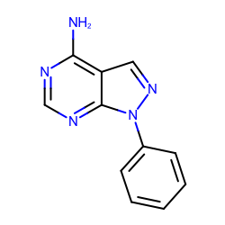 | 211.223 | Maybridge | RJC00689 | c1ccc(cc1)n2c3c(cn2)c(ncn3)N | 719540
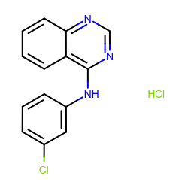 | 292.163 | Maybridge | DP00818 | c1ccc2c(c1)c(ncn2)Nc3cccc(c3)Cl.Cl | 1859493
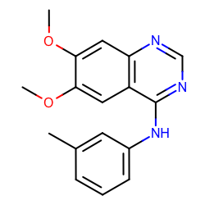 | 295.336 | Maybridge | GK03474 | Cc1cccc(c1)Nc2c3cc(c(cc3ncn2)OC)OC | 5828805
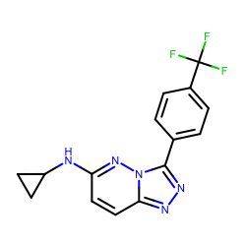 | 319.284 | Maybridge | RH00113 | c1cc(ccc1c2nnc3n2nc(cc3)NC4CC4)C(F)(F)F | 5784088

