2
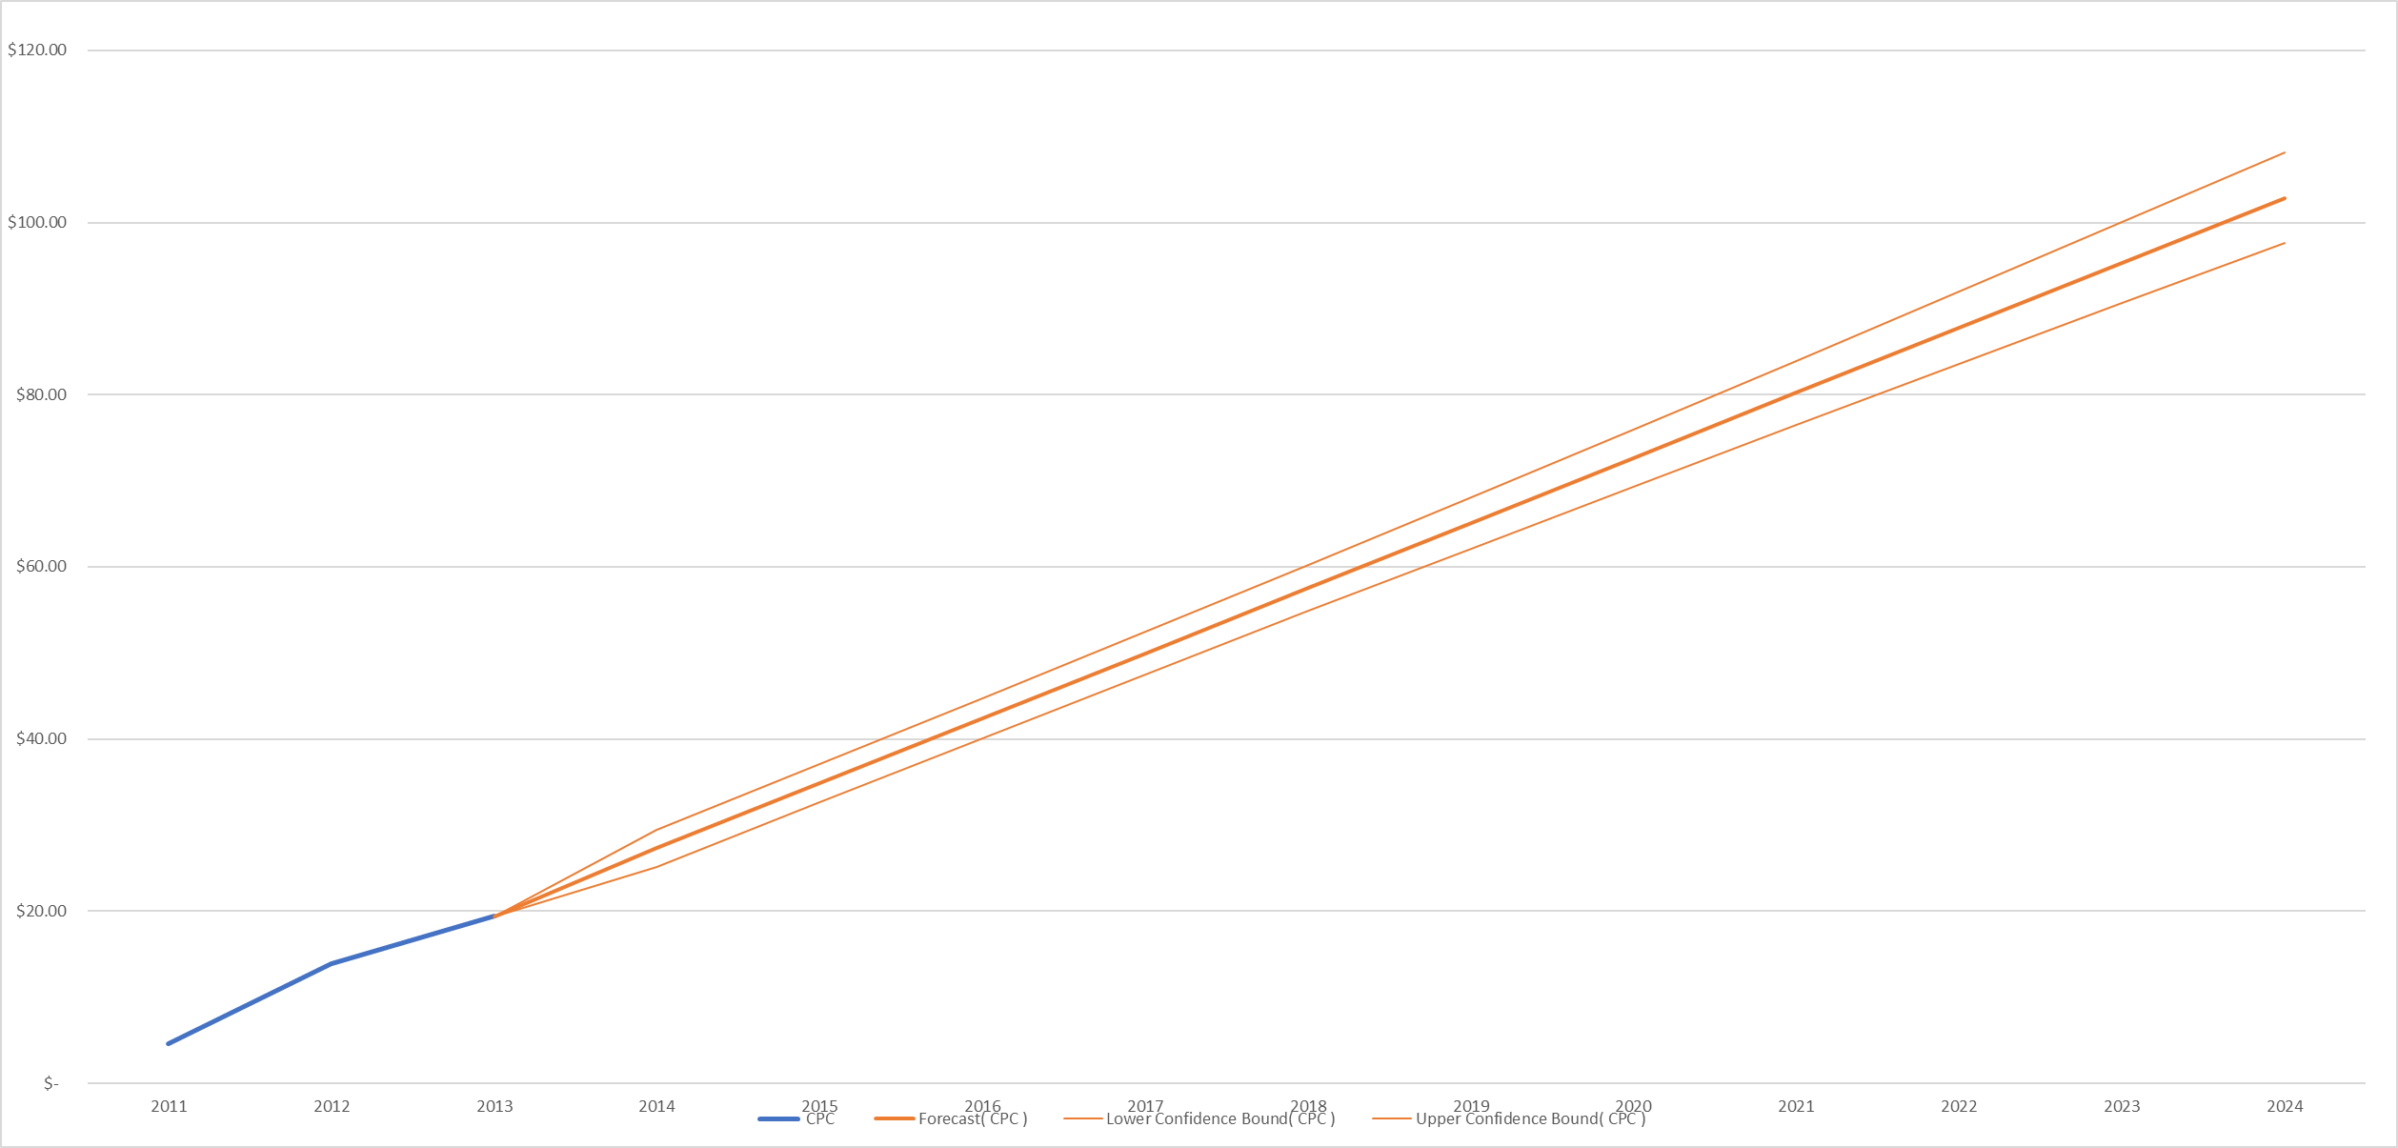
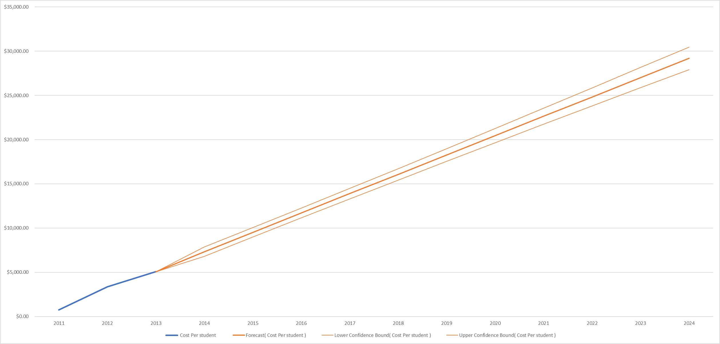
Year | Cost Per student | Forecast( Cost Per student ) | Lower Confidence Bound( Cost Per student ) | Upper Confidence Bound( Cost Per student )
2011 | $757.03
2012 | $3,360.97
2013 | $5,058.87 | $5,058.87 | $5,058.87 | $5,058.87
2014 |  | $7,326.86 | $6,804.18 | $7,849.54
2015 |  | $9,513.70 | $8,980.77 | $10,046.63
2016 |  | $11,700.55 | $11,145.32 | $12,255.77
2017 |  | $13,887.40 | $13,294.66 | $14,480.13
2018 |  | $16,074.24 | $15,427.29 | $16,721.19
2019 |  | $18,261.09 | $17,543.27 | $18,978.91
2020 |  | $20,447.94 | $19,643.67 | $21,252.20
2021 |  | $22,634.78 | $21,730.00 | $23,539.57
2022 |  | $24,821.63 | $23,803.79 | $25,839.48
2023 |  | $27,008.48 | $25,866.41 | $28,150.54
2024 |  | $29,195.33 | $27,919.04 | $30,471.61

Year | CPC | Forecast( CPC ) | Lower Confidence Bound( CPC ) | Upper Confidence Bound( CPC )
2011 | $4.58
2012 | $13.86
2013 | $19.40 | $19.40 | $19.40 | $19.40
2014 |  | $27.29 | $25.14 | $29.45
2015 |  | $34.85 | $32.65 | $37.05
2016 |  | $42.41 | $40.12 | $44.70
2017 |  | $49.97 | $47.52 | $52.41
2018 |  | $57.53 | $54.86 | $60.20
2019 |  | $65.08 | $62.12 | $68.05
2020 |  | $72.64 | $69.32 | $75.96
2021 |  | $80.20 | $76.47 | $83.94
2022 |  | $87.76 | $83.56 | $91.96
2023 |  | $95.32 | $90.60 | $100.03
2024 |  | $102.88 | $97.61 | $108.14

