Sheet1
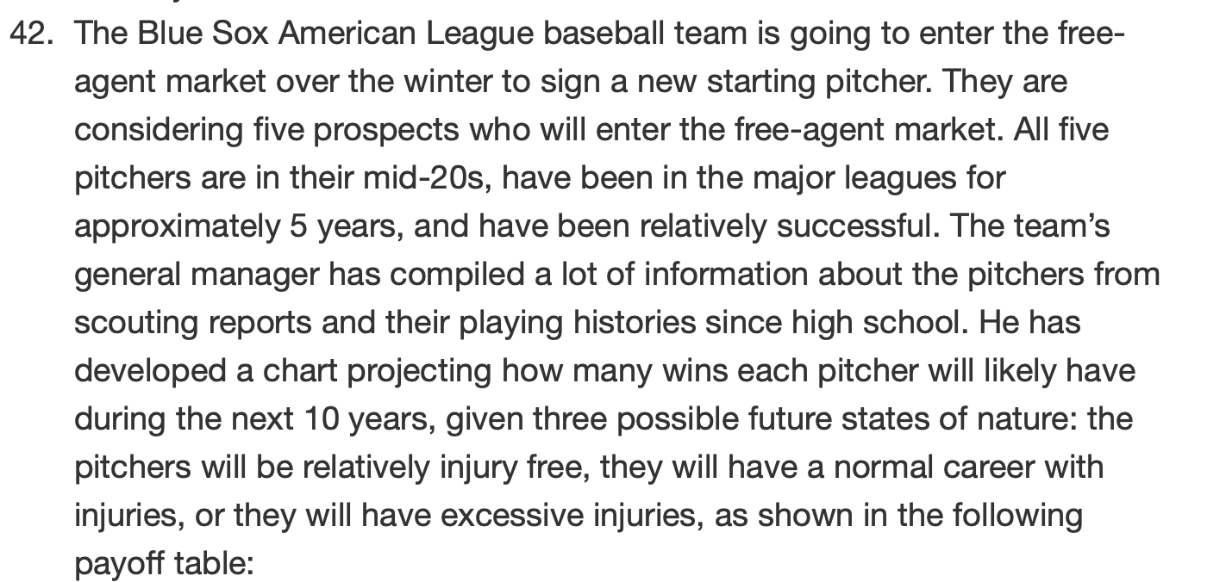

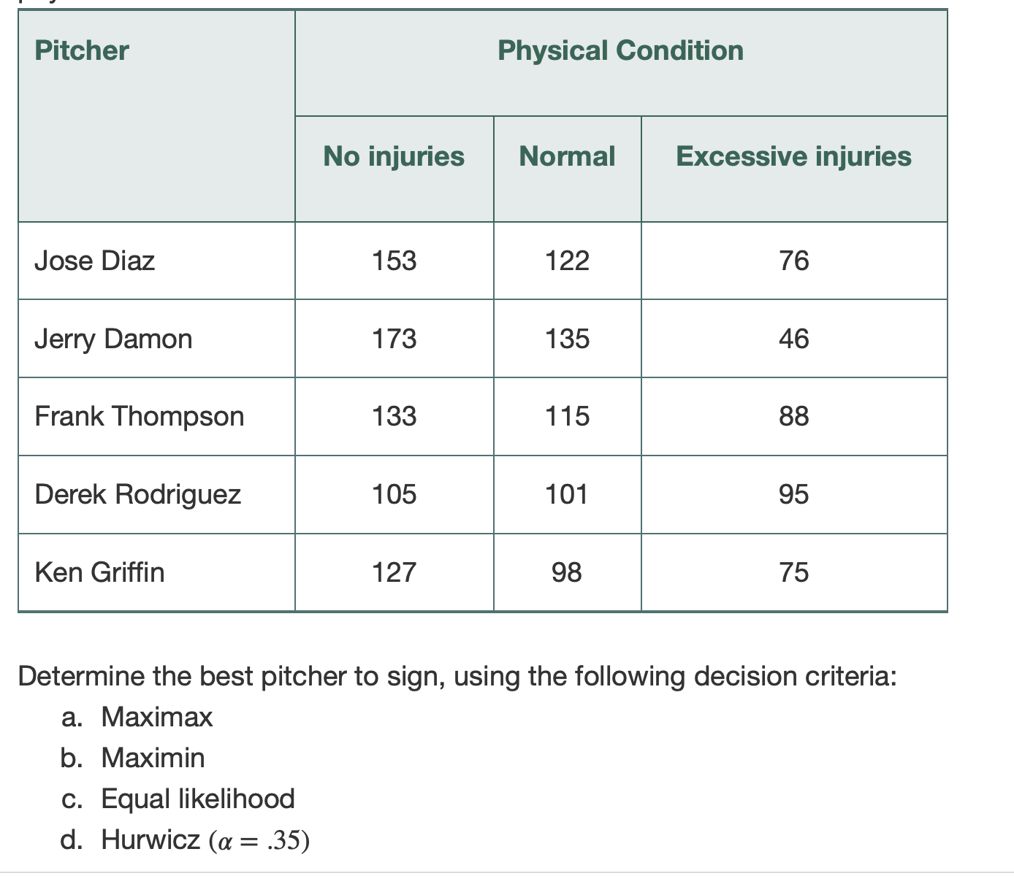
 |  |  |  |  |  |  |  | Pitcher |  |  | Physical Condition
 |  |  |  |  |  |  |  |  |  | No injuries | Normal | Excessive injuries |  | Max | Min
 |  |  |  |  |  |  |  | Jose Diaz |  | 153 | 122 | 76 |  | 153 | 76
 |  |  |  |  |  |  |  | Jerry Damon |  | 173 | 135 | 46 |  | 173 | 46
 |  |  |  |  |  |  |  | Frank Thompson |  | 133 | 115 | 88 |  | 133 | 88
 |  |  |  |  |  |  |  | Derek Rodriguez |  | 105 | 101 | 95 |  | 105 | 95
 |  |  |  |  |  |  |  | Ken Griffin |  | 127 | 98 | 75 |  | 127 | 75
 |  |  |  |  |  |  |  |  |  | 173 | 135 | 95 | 0
 |  |  |  |  |  |  |  | a. Maximax= Jerry Damon |  |  |  |  | e. Minimax regret
 |  |  |  |  |  |  |  | b. Maximin= Derek Rodriguez |  |  |  |  | Regret table
 |  |  |  |  |  |  |  | c. Equal Likelihood |  |  |  |  |  |  | Physical Condition |  |  | Minimax regret
 |  |  |  |  |  |  |  | weight | 0.33 |  |  | Pitcher |  |  | No Injury | Normal | Excessive Injuries
 |  |  |  |  |  |  |  | Diaz | 115.83 |  |  | Jose Diaz |  |  | 20 | 13 | 19 | 20
 |  |  |  |  |  |  |  | Damon | 116.82 |  |  | Jerry Damon |  |  | 0 | 0 | 49 | 49
 |  |  |  |  |  |  |  | Thompson | 110.88 |  |  | Frank Thompson |  |  | 40 | 20 | 7 | 40
 |  |  |  |  |  |  |  | Rodriguez | 99.33 |  |  | Derek Rodriguez |  |  | 68 | 34 | 0 | 68
 |  |  |  |  |  |  |  | Griffin | 99 |  |  | Ken Griffin |  |  | 46 | 37 | 20 | 46

 |  |  |  |  |  |  |  | d.Hurwicz (a=.35)
 |  |  |  |  |  |  |  | alpha | 0.35
 |  |  |  |  |  |  |  | 1- alpha | 0.65
 |  |  |  |  |  |  |  | Diaz | 102.95
 |  |  |  |  |  |  |  | Damon | 90.45
 |  |  |  |  |  |  |  | Thompson | 103.75
 |  |  |  |  |  |  |  | Rodriguez | 98.5
 |  |  |  |  |  |  |  | Griffin | 93.2

e. Minimax regret

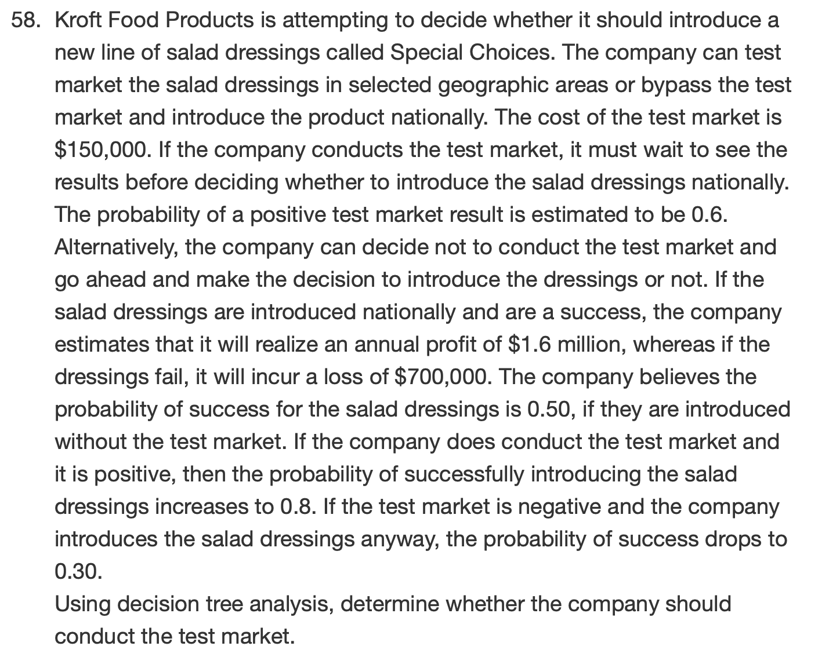

 |  |  |  |  |  |  |  | Test Market cost | $150,000
 |  |  |  |  |  |  |  | must wait 6 months
 |  |  |  |  |  |  |  | positive test= | 0.6

 |  |  |  |  |  |  |  | Do not test | save $150,000
 |  |  |  |  |  |  |  | Success annual profit | $1.6 million
 |  |  |  |  |  |  |  | Dressing fail | ($700,000)
 |  |  |  |  |  |  |  | probability of success
 |  |  |  |  |  |  |  | w/o test market | 0.5
 |  |  |  |  |  |  |  | positive test market | 0.8
 |  |  |  |  |  |  |  | negative test market | 0.3

 |  |  |  |  |  |  |  | expected value | 1240000

 |  |  |  |  |  |  |  |  | Test |  |  | Payoff
 |  |  |  |  |  |  |  |  | ($150,000) |  |  | 1.6m | Test mkt and then intro with success

Who is the decision maker? Kroft Foods
What are the decisions? To do a test market or not; intro salad dressing or not
What are the uncertainties? Whether or not the market will be positive or negative
What to use as payoff? Given in the text |  |  |  |  |  |  |  | $1.6M
What is the decision-making sequence? Test the market then decide to intro new salad dressing |  |  |  |  |  |  |  | Success (.8)
 |  |  |  |  |  |  | 1140000
test results being +(0.6) or -(.4); 2. new salad being success or failure
1
 |  |  |  |  | 1140000 | Introduce |  | ($700,000)
 |  |  |  |  |  |  |  | Failure (.2)
 |  | 684000 |  | Positive (.6)
 |  |  |  |  |  | Not Introduce
 |  |  |  |  |  | $0 |  | $1.6M
534000 | Test |  |  |  |  |  | -10000 | Success(.3)
1
 | -150,000 |  |  | Negative (.4) | 0
1
 |  |  |  |  |  | Introduce
 |  |  |  |  |  |  |  | ($700,000)
 |  |  |  |  |  |  |  | Failure (.7)
 | Not Test |  | $0 |  |  | Not Introduce
 |  | 450000 |  |  |  | $0
1
 |  |  | Not Intro

 |  |  |  |  |  | $1.6M
 |  |  |  | 450000 | Success (.5)
 |  |  | Intro

 |  |  |  |  | Faliure (.5) | ($700,000)

