Sheet1
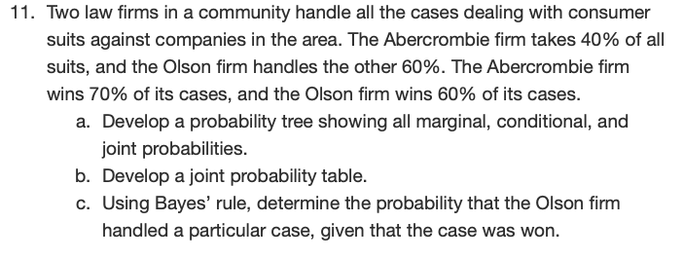

 |  |  |  |  |  |  | Uncertainty: | A random customer suit
 |  |  |  |  |  |  | Events: | Handled by A:.4 | Handled by O:.6
 |  |  |  |  |  |  | Events on win/lose | Win | Lose
 |  |  |  |  |  |  |  | P(W|A)=.7 | P(W|O)=.6
 |  |  |  |  |  |  |  | P(L|A)=.3 | P(L|O)=.4

a. | Marginal Probability |  | Conditional Probability |  | Joint probability

 |  |  |  | win | P(WA)=.28
 |  |  | P(W|A)=.70 | 70% | 0.28

 | Abercrombie | Results A
 | S(A)=.40
 |  |  | P(L|A)=.30 | Lose | P(LA)=.12
Law Suits/Firm |  |  |  | 30% | 0.12

 |  |  | P(W|O)=.60 | Win | P(RT)=.36
 | Olsen | Results O |  | 60% | 0.36
 | S(O)=.60

 |  |  | P(L|))=.40 | Lose | P(LO)=.24
 |  |  |  | 40% | 0.24
b.
 |  | Outcome
Firm | W | L | Marginal Probabilities
A | 0.28 | 0.12 | 0.4 | P(A)
O | 0.36 | 0.24 | 0.6 | P(O)
Marginal Probabilities | 0.64 | 0.36
 | P(W) | P(L)

c. | P(O|W)=?
 | P(O|W)=P(OW)/P(W) |  | 0.5625

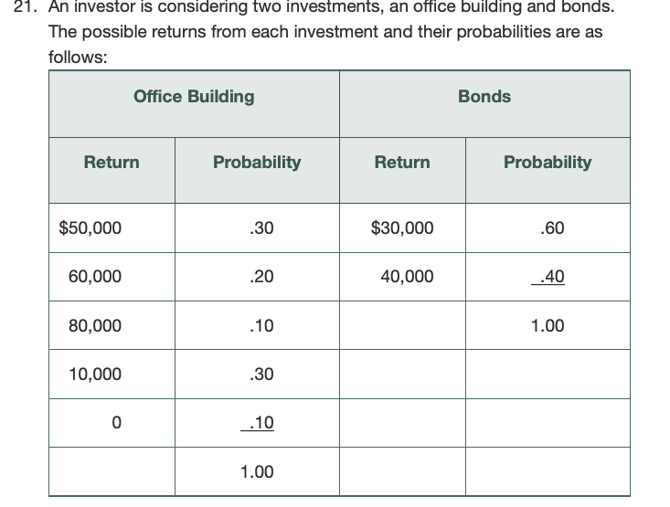
 |  |  |  |  |  |  |  | Office Building

 |  |  |  |  |  |  |  | Return | Probability | Deviation^2 | Expected Value | 38000
 |  |  |  |  |  |  |  | 50000 | 0.3 | 144000000 | Variance | 696000000
 |  |  |  |  |  |  |  | 60000 | 0.2 | 484000000 | Standard dev | 26381.811917
 |  |  |  |  |  |  |  | 80000 | 0.1 | 1764000000
 |  |  |  |  |  |  |  | 10000 | 0.3 | 784000000
 |  |  |  |  |  |  |  | 0 | 0.1 | 1444000000
 |  |  |  |  |  |  | pure ave.= | 40000
 |  |  |  |  |  |  |  | Bonds
 |  |  |  |  |  |  |  | Returns | Probability | Deviation^2
 |  |  |  |  |  |  |  | 30000 | 0.6 | 16000000
 |  |  |  |  |  |  |  | 40000 | 0.4 | 36000000

 |  |  |  |  |  |  |  |  |  |  | Expected value | 34000
 |  |  |  |  |  |  |  |  |  |  | Variance | 24000000
 |  |  |  |  |  |  |  |  |  |  | Standard dev. | 4898.9794856
 |  |  |  |  |  | Answer

