Sheet2
 |  | Temperature (°C)
pH |  | 4 | 6 | 8 | 10 | 12 | 14 | 16 | 18 | 20 | 22 | 24 | 26 | 28 | 30 | 32
 | 7 | 0.11 | 0.13 | 0.16 | 0.18 | 0.22 | 0.25 | 0.29 | 0.34 | 0.39 | 0.46 | 0.52 | 0.6 | 0.69 | 0.8 | 0.91
 | 7.2 | 0.18 | 0.21 | 0.25 | 0.29 | 0.34 | 0.4 | 0.46 | 0.54 | 0.62 | 0.82 | 0.83 | 0.96 | 1.1 | 1.26 | 1.44
 | 7.4 | 0.29 | 0.34 | 0.4 | 0.46 | 0.54 | 0.63 | 0.73 | 0.85 | 0.98 | 1.14 | 1.31 | 1.5 | 1.73 | 1.98 | 2.26
 | 7.6 | 0.45 | 0.53 | 0.63 | 0.73 | 0.86 | 1 | 1.16 | 1.34 | 1.55 | 1.79 | 2.06 | 2.36 | 2.71 | 3.1 | 3.53
 | 7.8 | 0.72 | 0.84 | 0.99 | 1.16 | 1.35 | 1.57 | 1.82 | 2.11 | 2.44 | 2.81 | 3.22 | 3.7 | 4.23 | 4.82 | 5.48
 | 8 | 1.13 | 1.33 | 1.56 | 1.82 | 2.12 | 2.47 | 2.86 | 3.3 | 3.81 | 4.38 | 5.02 | 5.74 | 6.54 | 7.43 | 8.42
 | 8.2 | 1.79 | 2.1 | 2.45 | 2.86 | 3.32 | 3.85 | 4.45 | 5.14 | 5.9 | 6.76 | 7.72 | 8.8 | 9.98 | 11.29 | 12.72
 | 8.4 | 2.8 | 3.28 | 3.83 | 4.45 | 5.17 | 5.97 | 6.88 | 7.9 | 9.04 | 10.31 | 11.71 | 13.26 | 14.95 | 16.78 | 18.77
 | 8.6 | 4.37 | 5.1 | 5.93 | 6.88 | 7.95 | 9.14 | 10.48 | 11.97 | 13.61 | 15.41 | 17.37 | 19.5 | 21.78 | 24.22 | 26.8
 | 8.8 | 6.75 | 7.85 | 9.09 | 10.48 | 12.04 | 13.76 | 15.66 | 17.73 | 19.98 | 22.41 | 25 | 27.74 | 30.62 | 33.62 | 36.72
 | 9 | 10.3 | 11.9 | 13.68 | 15.65 | 17.82 | 20.18 | 22.73 | 25.46 | 28.36 | 31.4 | 34.56 | 37.83 | 41.16 | 44.53 | 47.91
 | 9.2 | 15.39 | 17.63 | 20.08 | 22.73 | 25.28 | 28.61 | 31.8 | 35.12 | 38.55 | 42.04 | 45.57 | 49.09 | 52.58 | 55.99 | 59.31
 | 9.4 | 22.38 | 25.33 | 28.47 | 31.8 | 35.26 | 38.84 | 42.49 | 46.18 | 49.85 | 53.48 | 57.02 | 60.45 | 63.73 | 66.85 | 69.79
 | 9.6 | 31.36 | 34.96 | 38.38 | 42.49 | 46.33 | 50.16 | 53.94 | 57.62 | 61.17 | 64.56 | 67.77 | 70.78 | 73.58 | 76.17 | 78.55 |  | conc | factor
 | 9.8 | 42 | 46 | 50 | 53.94 | 57.78 | 61.47 | 64.99 | 68.31 | 71.4 | 74.28 | 76.92 | 79.33 | 81.53 | 85.31 | 85.3 |  | 1.6 | 1.16 | divide 100
 | 10 | 53.44 | 57.45 | 61.31 | 64.98 | 68.44 | 71.66 | 74.63 | 77.35 | 79.83 | 82.07 | 84.08 | 85.88 | 87.49 | 88.92 | 90.19 |  |  |  |  | 2.484
 | 10.2 | 64.53 | 68.15 | 71.52 | 74.63 | 77.46 | 80.03 | 82.34 | 84.41 | 86.25 | 87.88 | 89.33 | 90.6 | 91.73 | 92.71 | 93.58 |  |  |  |  | 0.02484
 |  |  |  |  |  |  |  |  |  |  |  |  |  |  |  |  |  |  |  |  | 0.029808
 |  |  |  |  |  | 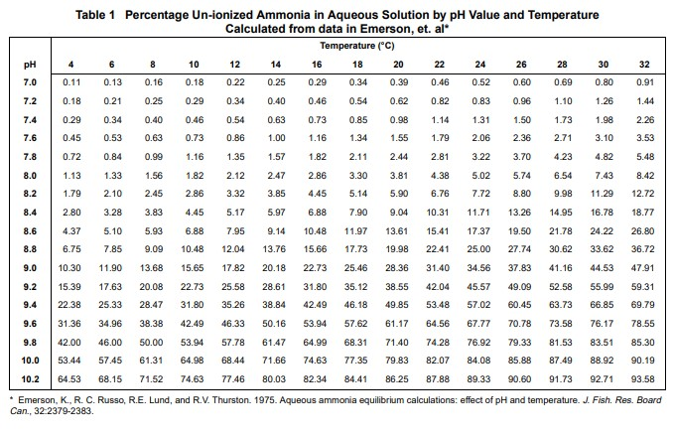 |  |  |  |  |  |  |  |  |  |  | The test result is 3.6 mg/L of NH₃-N. The sample pH is 6.87 and the sample temperature is 29.2°C.

