Breakfast Menu
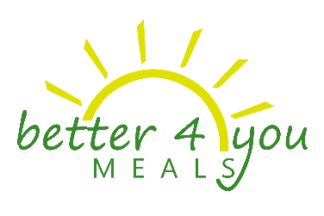
9Breakfast Menu

10October 2016

Monday | Tuesday | Wednesday | Thursday | Friday

3 | 4 | 5 | 6 | 7
 | *Mini Banana Pancakes (104) Fat Free White Milk (10) 1% White Milk (36) | *Whole Grain Bagel, Cream Cheese, Apple Sauce (111) Fat Free White Milk (11) 1% White Milk (39) | *Whole Grain Cereal, Whole Grain Bites (90) Fat Free White Milk (18) 1% White Milk (72) | *Waffle (106) Fat Free White Milk (11) 1% White Milk (37)

10 | 11 | 12 | 13 | 14
*Crumb Cake (95) Fat Free White Milk (10) 1% White Milk (33) | *French Toast Stix (105) Fat Free White Milk (11) 1% White Milk (37) | *Banana Bread (100) Fat Free White Milk (10) 1% White Milk (35) | *Whole Grain Cereal, Whole Grain Bites (90) Fat Free White Milk (18) 1% White Milk (72) | *Green Chile Potato Burrito (106) Fat Free White Milk (11) 1% White Milk (37)

17 | 18 | 19 | 20 | 21
*Yogurt, Proball (110) Fat Free White Milk (11) 1% White Milk (39) | *Chicken & Waffle (103) Fat Free White Milk (10) 1% White Milk (36) | *Pan Dulce, Apple Sauce (111) Fat Free White Milk (11) 1% White Milk (39) | *Whole Grain Cereal, Whole Grain Bites (89) Fat Free White Milk (18) 1% White Milk (71) | *Bean & Cheese Burrito (105) 1% White Milk (37) Fat Free White Milk (11)

24 | 25 | 26 | 27 | 28
*Apple Cinnamon Chewie Bar (100) Fat Free White Milk (10) 1% White Milk (35) | *Chicken Sausage Maple Biscuit, Jelly (110) Fat Free White Milk (11) 1% White Milk (39) | *Whole Grain Bagel, Cream Cheese, Apple Sauce (108) Fat Free White Milk (11) 1% White Milk (38) | *Whole Grain Cereal, Whole Grain Bites (90) Fat Free White Milk (18) 1% White Milk (72) | *Breakfast Cheese Tamal (104) Fat Free White Milk (10) 1% White Milk (36)

31
*Coffee Cake (110) Fat Free White Milk (11) 1% White Milk (39)

MENU SUBJECT TO CHANGE WITHOUT NOTICE
Breakfast includes one entrée, fruit, and fat free white milk or 1% white milk.
This institution is an equal opportunity provider.

