Breakfast Menu
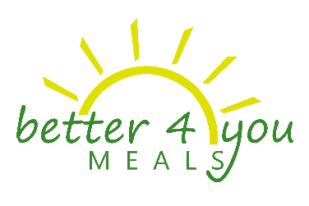
9Breakfast Menu

10July 2017

Monday | Tuesday | Wednesday | Thursday | Friday

3 | 4 | 5 | 6 | 7
 |  | S- Whole Grain Bagel (180) 1% White Milk (171) Fat Free White Milk (9) | S- Whole Grain Cereal w/Whole Grain Bites (200) 1% White Milk (190) Fat Free White Milk (10) | S- Blueberry Pancakes (200) 1% White Milk (190) Fat Free White Milk (10)

10 | 11 | 12 | 13 | 14
S- Pan Dulce (200) 1% White Milk (190) Fat Free White Milk (10) | S- Bean & Cheese Burrito (150) 1% White Milk (143) Fat Free White Milk (7) | S- Coffee Cake (200) 1% White Milk (190) Fat Free White Milk (10) | S- Whole Grain Cereal w/Whole Grain Bites (200) 1% White Milk (190) Fat Free White Milk (10) | S- Chicken & Waffle (200) 1% White Milk (190) Fat Free White Milk (10)

17 | 18 | 19 | 20 | 21

24 | 25 | 26 | 27 | 28

31

MENU SUBJECT TO CHANGE WITHOUT NOTICE
Breakfast includes one entrée, fruit, and fat free white milk or 1% white milk.
This institution is an equal opportunity provider.

