Pivote Table
KPI'S REQUIREMENT

Sum Of Sales | Average Sales | Number of Item | Average Rating
$1201.7K | $0.1K | $8.5K | 3.97 |  |  | Total Sales By Item Types
 |  |  |  |  |  | Labels | Sum Of Sales
 |  |  | Fat Content By Outlet For Total Sales |  |  | Frozen Foods | $118.6K
Total Sales by Fat Content |  |  | Label | Low Fat | Regular | Canned | $90.7K
Label | Total Sales |  | Tier 1 | $215.0K | $121.3K | Soft Drinks | $58.5K
Low Fat | $776.3K |  | Tier 2 | $254.5K | $138.7K | Health and Hygiene | $68.0K
Regular | $425.4K |  | Tier 3 | $306.8K | $165.3K | Household | $136.0K
 |  |  |  |  |  | Fruits and Vegetables | $178.1K
 |  |  |  |  |  | Snack Foods | $175.4K
 |  |  |  |  |  | Meat | $59.4K
 |  |  |  |  |  | Breads | $35.4K
 |  |  |  |  |  | Hard Drinks | $29.3K
 |  |  |  |  |  | Others | $22.5K
 |  |  |  |  |  | Dairy | $101.3K
 |  |  |  |  |  | Breakfast | $15.6K
 |  |  |  |  |  | Baking Goods | $81.9K
 |  |  |  |  |  | Seafood | $9.1K
 |  |  |  |  |  | Starchy Foods | $21.9K

Sales By Outlet Establishment |  |  | Sales By Outlet Size |  |  | All Metrics By Outlet Type
Year | Total Sales |  | Outlets Size | Total Sales |  | Outlet Type | Sum Of Sales
$2.0K | $132.1K |  | Medium | $507.9K |  | Supermarket Type1 | $752.8K
$2.0K | $131.8K |  | Small | $444.8K |  | Grocery Store | $151.9K
$2.0K | $130.9K |  | High | $249.0K |  | Supermarket Type3 | $91.5K
$2.0K | $129.1K |  |  |  |  | Supermarket Type2 | $93.9K
$2.0K | $78.1K
$2.0K | $204.5K
$2.0K | $133.1K |  |  |  |  | Outlet Type | Average Sales
$2.0K | $131.5K |  |  |  |  | Supermarket Type1 | $0.1K
$2.0K | $130.5K |  |  |  |  | Grocery Store | $0.1K
 |  |  |  |  |  | Supermarket Type3 | $0.1K
 |  |  |  |  |  | Supermarket Type2 | $0.1K

 |  |  |  |  |  | Outlet Type | Total Count
 |  |  |  |  |  | Supermarket Type1 | $5.3K
 |  |  |  |  |  | Grocery Store | $1.1K
 |  |  |  |  |  | Supermarket Type3 | $0.7K
 |  |  |  |  |  | Supermarket Type2 | $0.7K

Dashboard
KPI's Requirement
Total Sales By Item Types

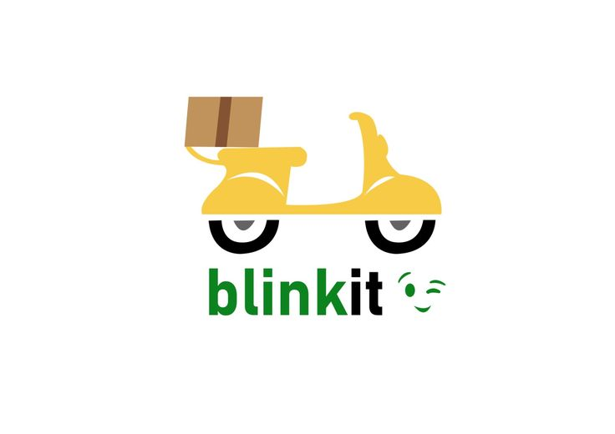

 | Sum Of Sales
Frozen Foods | $118.6K
Canned | $90.7K
Soft Drinks | $58.5K
Health and Hygiene | $68.0K
Household | $136.0K
Fruits and Vegetables | $178.1K
Snack Foods | $175.4K
Meat | $59.4K
Breads | $35.4K
Hard Drinks | $29.3K
Others | $22.5K
Dairy | $101.3K
Breakfast | $15.6K
Baking Goods | $81.9K
Seafood | $9.1K
Starchy Foods | $21.9K


Sales By Outlet size
Fat Content

 | Total Sales
Medium | $507.9K
Small | $444.8K
High | $249.0K
Low Fat | $776.3K
Regular | $425.4K

All Matrix by Outlet Size
Fat Content By Outlet Total Sales
Sales by outlet eastablishment

 | Year | Total Sales
 | $2.0K | $132.1K
 | $2.0K | $131.8K
 | $2.0K | $130.9K
 | $2.0K | $129.1K
 | $2.0K | $78.1K
 | $2.0K | $204.5K
 | $2.0K | $133.1K
 | $2.0K | $131.5K
 | $2.0K | $130.5K
 | Sum Of Sales
Supermarket Type1 | $752.8K
Grocery Store | $151.9K
Supermarket Type3 | $91.5K
Supermarket Type2 | $93.9K
 | Average Sales
Supermarket Type1 | $0.1K
Grocery Store | $0.1K
Supermarket Type3 | $0.1K
Supermarket Type2 | $0.1K
 | Low Fat | Regular
Tier 1 | $215.0K | $121.3K
Tier 2 | $254.5K | $138.7K
Tier 3 | $306.8K | $165.3K





 | Total Count
Supermarket Type1 | $5.3K
Grocery Store | $1.1K
Supermarket Type3 | $0.7K
Supermarket Type2 | $0.7K

