Category Statistics
Parent Category Outcomes
 | canceled | failed | live | successful
film & video | 31 | 130 |  | 261
food | 15 | 115 | 4 | 34
games |  | 96 |  | 52
journalism | 23
music | 19 | 110 | 17 | 490
photography |  | 72 |  | 62
publishing | 22 | 87 |  | 69
technology | 121 | 138 |  | 158
theater | 26 | 349 | 12 | 525
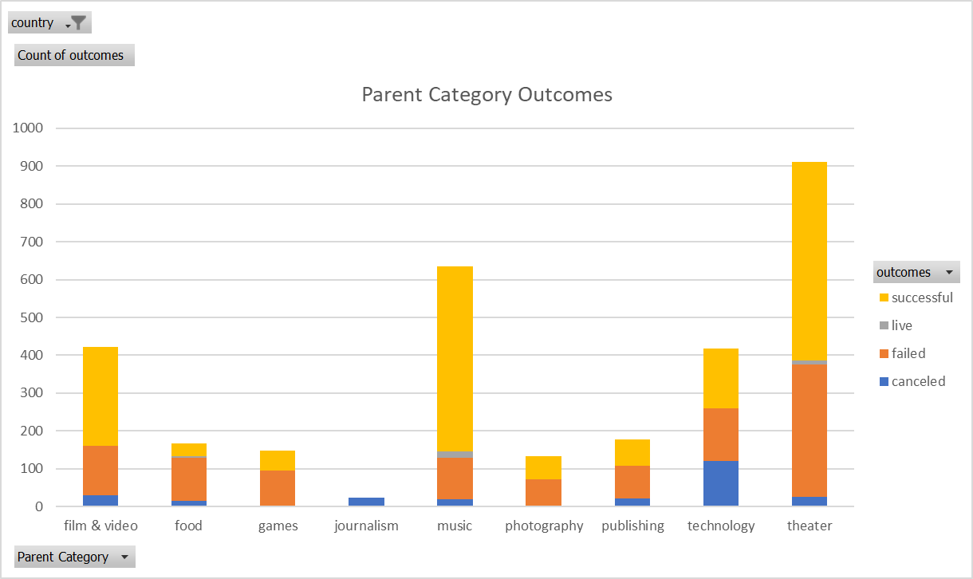
country | US

Count of outcomes | Column Labels
Row Labels | canceled | failed | live | successful | Grand Total
film & video | 31 | 130 |  | 261 | 422
food | 15 | 115 | 4 | 34 | 168
games |  | 96 |  | 52 | 148
journalism | 23 |  |  |  | 23
music | 19 | 110 | 17 | 490 | 636
photography |  | 72 |  | 62 | 134
publishing | 22 | 87 |  | 69 | 178
technology | 121 | 138 |  | 158 | 417
theater | 26 | 349 | 12 | 525 | 912
Grand Total | 257 | 1097 | 33 | 1651 | 3038

Subcategory Statistics
country | US
Parent Category | (All)

 | canceled | failed | live | successful
animation |  | 78
art books | 16
audio | 23
children's books |  | 32
classical music |  |  |  | 33
documentary |  |  |  | 164
drama |  | 52
electronic music |  |  |  | 30
faith |  | 37 | 17
fiction |  | 34
food trucks | 15 | 101
gadgets |  | 13
hardware |  |  |  | 103
indie rock |  | 20 |  | 138
jazz |  | 53
makerspaces |  | 7 |  | 7
metal |  |  |  | 14
mobile games |  | 23
musical | 11 | 40 |  | 45
nature |  | 14
nonfiction |  |  |  | 49
people |  | 11
photobooks |  | 34 |  | 62
places |  | 13
plays |  | 250 | 9 | 412
pop |  |  |  | 35
radio & podcasts |  |  |  | 20
restaurants |  | 14
rock |  |  |  | 240
science fiction | 31
shorts |  |  |  | 48
small batch |  |  | 4 | 34
space exploration | 15 | 1 |  | 31
spaces | 15 | 59 | 3 | 68
tabletop games |  |  |  | 52
television |  |  |  | 49
translations | 6 | 21
video games |  | 73
wearables | 47 | 81 |  | 17
web | 59 | 36
world music | 19
Count of outcomes | Column Labels
Row Labels | canceled | failed | live | successful | Grand Total
animation |  | 78 |  |  | 78
art books | 16 |  |  |  | 16
audio | 23 |  |  |  | 23
children's books |  | 32 |  |  | 32
classical music |  |  |  | 33 | 33
documentary |  |  |  | 164 | 164
drama |  | 52 |  |  | 52
electronic music |  |  |  | 30 | 30
faith |  | 37 | 17 |  | 54
fiction |  | 34 |  |  | 34
food trucks | 15 | 101 |  |  | 116
gadgets |  | 13 |  |  | 13
hardware |  |  |  | 103 | 103
indie rock |  | 20 |  | 138 | 158
jazz |  | 53 |  |  | 53
makerspaces |  | 7 |  | 7 | 14
metal |  |  |  | 14 | 14
mobile games |  | 23 |  |  | 23
musical | 11 | 40 |  | 45 | 96
nature |  | 14 |  |  | 14
nonfiction |  |  |  | 49 | 49
people |  | 11 |  |  | 11
photobooks |  | 34 |  | 62 | 96
places |  | 13 |  |  | 13
plays |  | 250 | 9 | 412 | 671
pop |  |  |  | 35 | 35
radio & podcasts |  |  |  | 20 | 20
restaurants |  | 14 |  |  | 14
rock |  |  |  | 240 | 240
science fiction | 31 |  |  |  | 31
shorts |  |  |  | 48 | 48
small batch |  |  | 4 | 34 | 38
space exploration | 15 | 1 |  | 31 | 47
spaces | 15 | 59 | 3 | 68 | 145
tabletop games |  |  |  | 52 | 52
television |  |  |  | 49 | 49
translations | 6 | 21 |  |  | 27
video games |  | 73 |  |  | 73
wearables | 47 | 81 |  | 17 | 145
web | 59 | 36 |  |  | 95
world music | 19 |  |  |  | 19
Grand Total | 257 | 1097 | 33 | 1651 | 3038

Outcomes Based on Launch Date.
 | canceled | failed | live | successful
Jan | 34 | 149 | 2 | 182
Feb | 27 | 106 | 18 | 202
Mar | 28 | 108 | 30 | 180
Apr | 27 | 102 |  | 192
May | 26 | 126 |  | 234
Jun | 27 | 147 |  | 211
Jul | 43 | 150 |  | 194
Aug | 33 | 134 |  | 166
Sep | 24 | 127 |  | 147
Oct | 20 | 149 |  | 183
Nov | 37 | 114 |  | 183
Dec | 23 | 118 |  | 111
Parent Category | (All)
Years | (All)

Count of outcomes | Column Labels
Row Labels | canceled | failed | live | successful | Grand Total
Jan | 34 | 149 | 2 | 182 | 367
Feb | 27 | 106 | 18 | 202 | 353
Mar | 28 | 108 | 30 | 180 | 346
Apr | 27 | 102 |  | 192 | 321
May | 26 | 126 |  | 234 | 386
Jun | 27 | 147 |  | 211 | 385
Jul | 43 | 150 |  | 194 | 387
Aug | 33 | 134 |  | 166 | 333
Sep | 24 | 127 |  | 147 | 298
Oct | 20 | 149 |  | 183 | 352
Nov | 37 | 114 |  | 183 | 334
Dec | 23 | 118 |  | 111 | 252
Grand Total | 349 | 1530 | 50 | 2185 | 4114

Theater Outcomes by Launch Date
Theater Outcomes Based on Launch Date
 | canceled | failed | live | successful
Jan | 7 | 33 | 2 | 56
Feb | 3 | 39 | 8 | 71
Mar | 3 | 33 | 14 | 56
Apr | 2 | 40 |  | 71
May | 3 | 52 |  | 111
Jun | 4 | 49 |  | 100
Jul | 1 | 50 |  | 87
Aug | 4 | 47 |  | 72
Sep | 4 | 34 |  | 59
Oct |  | 50 |  | 65
Nov | 3 | 31 |  | 54
Dec | 3 | 35 |  | 37
Parent Category | theater
Years | (All)

Count of outcomes | Column Labels
Row Labels | canceled | failed | live | successful | Grand Total
Jan | 7 | 33 | 2 | 56 | 98
Feb | 3 | 39 | 8 | 71 | 121
Mar | 3 | 33 | 14 | 56 | 106
Apr | 2 | 40 |  | 71 | 113
May | 3 | 52 |  | 111 | 166
Jun | 4 | 49 |  | 100 | 153
Jul | 1 | 50 |  | 87 | 138
Aug | 4 | 47 |  | 72 | 123
Sep | 4 | 34 |  | 59 | 97
Oct |  | 50 |  | 65 | 115
Nov | 3 | 31 |  | 54 | 88
Dec | 3 | 35 |  | 37 | 75
Grand Total | 37 | 493 | 24 | 839 | 1393

Outcomes Based on Goals
Goal | Number Successful | Number Failed | Number Canceled | Total Projects | Pecentage Successful | Pecentage Failed | Percentaged Canceled
1000 to 4999 | 341 | 128 | 0 | 469 | 73% | 27% | 0%
5000 to 9999 | 44 | 41 | 0 | 85 | 52% | 48% | 0%
10000 to 14999 | 10 | 13 | 0 | 23 | 43% | 57% | 0%
15000 to 19999 | 1 | 3 | 0 | 4 | 25% | 75% | 0%
20000 to 24999 | 3 | 1 | 0 | 4 | 75% | 25% | 0%
25000 to 29999 | 0 | 2 | 0 | 2 | 0% | 100% | 0%
30000 to 34999 | 1 | 1 | 0 | 2 | 50% | 50% | 0%
35000 to 39999 | 0 | 1 | 0 | 1 | 0% | 100% | 0%
40000 to 44999 | 0 | 0 | 0 | 0 | 0% | 0% | 0%
45000 to 49999 | 0 | 0 | 0 | 0 | 0% | 0% | 0%
50000 or More | 2 | 10 | 0 | 12 | 17% | 83% | 0%

Outcomes Based on Goal

