C5V - Inputs
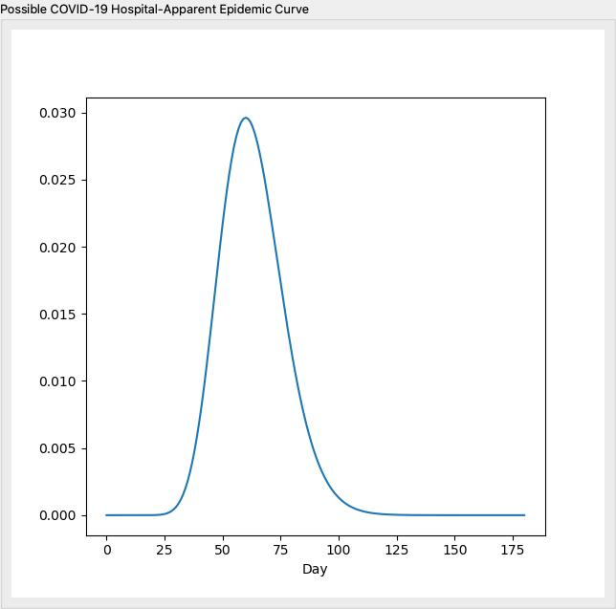
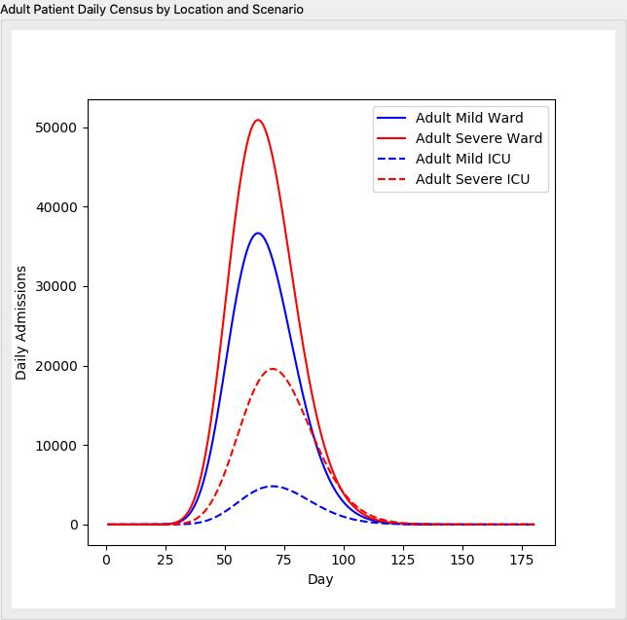
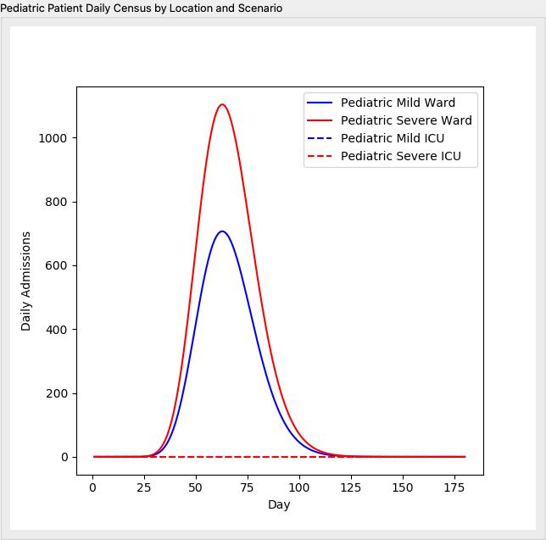
 | Input Values
Total Population | 8398748
Hospital System Market Share (Catchment Area): % | 0.15
Population Distribution | Middle-Aged (United States)
Infection Rate (%) | 0.4
Symptomatic Rate (%) | 0.4
Shape of the Epidemic Curve | C-type: A Bit Peaked
Day of Maximum Cases | 60

