C5V - Inputs
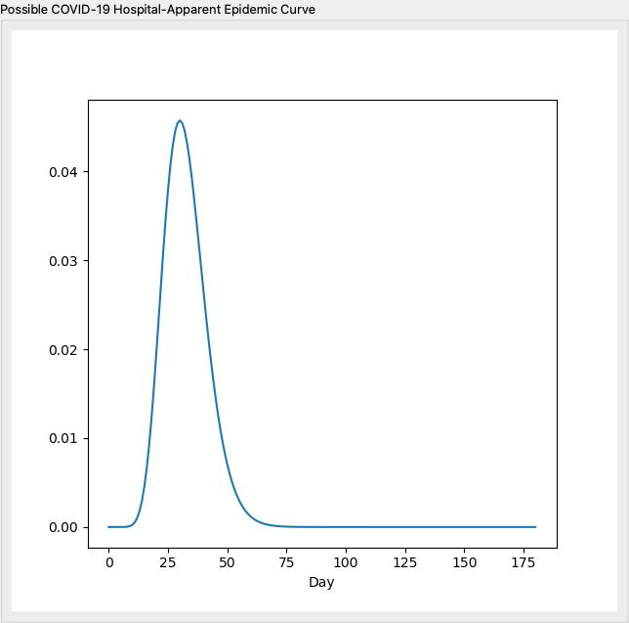
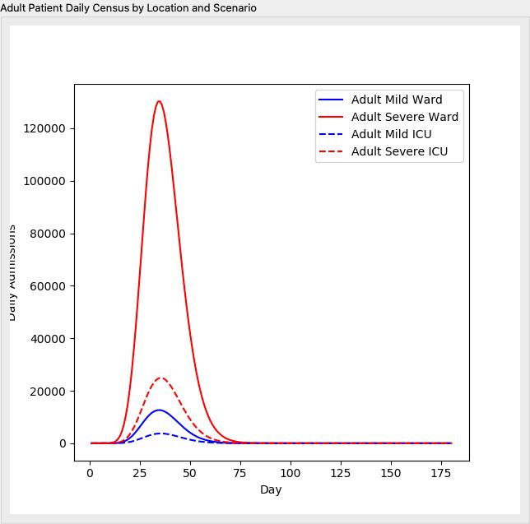
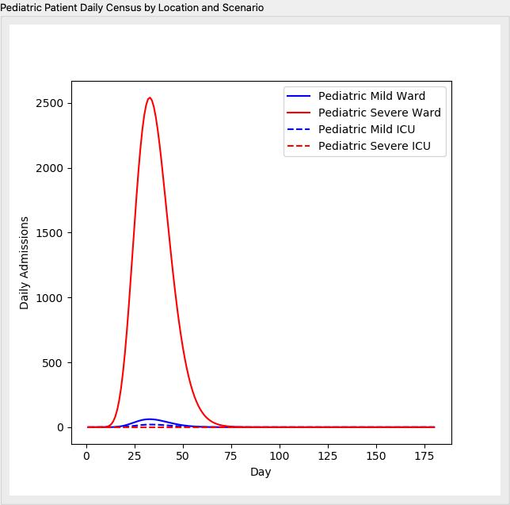
 | Input Values
Total Population | 8398748
Hospital System Market Share (Catchment Area): % | 1
Population Distribution | Middle-Aged (United States)
Infection Rate (%) | 0.3
Symptomatic Rate (%) | 0.8
Shape of the Epidemic Curve | B-type: Somewhat Broad
Day of Maximum Cases | 30

