parameters
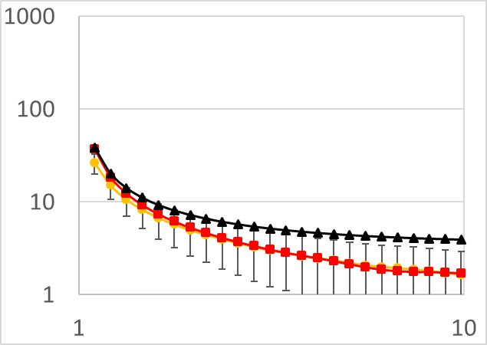
 | Simulation 2 | Galton-Watson 2 | Birth-and-Death 2
1.1 | 26.4958819 | 36.998855667 | 38.7904
1.21 | 15.0976755 | 18.499522328 | 20.318780952
1.331 | 10.603995 | 12.33302924 | 14.180176435
1.4641 | 8.2211404 | 9.2497829931 | 11.124762422
1.61051 | 6.737628 | 7.3998291141 | 9.3025543627
1.771561 | 5.7108946 | 6.1665305754 | 8.0968746611
1.9487171 | 4.9380069 | 5.2855871121 | 7.2434195414
2.14358881 | 4.4248606 | 4.6249380158 | 6.6100258358
2.357947691 | 3.9441131 | 4.1105334653 | 6.1232599699
2.5937424601 | 3.5900956 | 3.7016728241 | 5.7390536051
2.8531167061 | 3.2601568 | 3.3635060373 | 5.4293562404
3.1384283767 | 2.9918198 | 3.0759776247 | 5.1754615437
3.4522712144 | 2.827732 | 2.8432108221 | 4.9644138621
3.7974983358 | 2.6104727 | 2.6583874132 | 4.786954816
4.1772481694 | 2.4471563 | 2.4923089148 | 4.6362912682
4.5949729864 | 2.3445601 | 2.3208994301 | 4.5073253125
5.054470285 | 2.1895638 | 2.146307054 | 4.3961560352
5.5599173135 | 2.0669663 | 1.9905420624 | 4.2997473564
6.1159090448 | 1.9950057 | 1.8754235437 | 4.2157007614
6.7274999493 | 1.9309244 | 1.8078891581 | 4.142096208
7.4002499443 | 1.8638126 | 1.7778969286 | 4.0773784822
8.1402749387 | 1.8046352 | 1.7653756099 | 4.0202745399
8.9543024326 | 1.7129488 | 1.7493318324 | 3.9697324015
9.8497326758 | 1.6274336 | 1.7143161316 | 3.9248753132
 | Simulation 3 | Galton-Watson 3 | Birth-and-Death 3
1.1 | 10.569282 | 12.333007427 | 12.930133333
1.21 | 5.5725385 | 6.1665225297 | 6.7729269841
1.331 | 3.9000882 | 4.1110167308 | 4.7267254783
1.4641 | 2.9457562 | 3.083264389 | 3.7082541406
1.61051 | 2.3843974 | 2.4666104906 | 3.1008514542
1.771561 | 2.0352838 | 2.0555021197 | 2.6989582204
1.9487171 | 1.7433089 | 1.7619965288 | 2.4144731805
2.14358881 | 1.5245068 | 1.5410873229 | 2.2033419453
2.357947691 | 1.3690697 | 1.3713850068 | 2.0410866566
2.5937424601 | 1.2228894 | 1.2347438641 | 1.9130178684
2.8531167061 | 1.1386415 | 1.1134274143 | 1.8097854135
3.1384283767 | 1.0380289 | 1.0252030108 | 1.7251538479
3.4522712144 | 0.9513015 | 0.96800857337 | 1.6548046207
3.7974983358 | 0.8919588 | 0.90387473568 | 1.5956516053
4.1772481694 | 0.8580172 | 0.81402626587 | 1.5454304227
4.5949729864 | 0.7985643 | 0.72121777834 | 1.5024417708
5.054470285 | 0.7501314 | 0.66096090493 | 1.4653853451
5.5599173135 | 0.6968497 | 0.6485937227 | 1.4332491188
6.1159090448 | 0.6546431 | 0.67131565139 | 1.4052335871
6.7274999493 | 0.6522187 | 0.70121960983 | 1.380698736
7.4002499443 | 0.6322174 | 0.71268156608 | 1.3591261607
8.1402749387 | 0.609957 | 0.69247650361 | 1.3400915133
8.9543024326 | 0.6165139 | 0.64064099372 | 1.3232441338
9.8497326758 | 0.602243 | 0.56588140535 | 1.3082917711
 | Simulation 4 | Galton-Watson 4 | Birth-and-Death 4
1.1 | 5.6974502 | 6.1665171515 | 6.4650666667
1.21 | 2.945646 | 3.0832634826 | 3.3864634921
1.331 | 2.0094419 | 2.0555096649 | 2.3633627392
1.4641 | 1.5093543 | 1.5416327715 | 1.8541270703
1.61051 | 1.2059186 | 1.2333055987 | 1.5504257271
1.771561 | 1.0222703 | 1.0277033016 | 1.3494791102
1.9487171 | 0.8869447 | 0.88109549987 | 1.2072365902
2.14358881 | 0.7673226 | 0.77017402707 | 1.1016709726
2.357947691 | 0.681587 | 0.68816800553 | 1.0205433283
2.5937424601 | 0.6144752 | 0.61123024813 | 0.95650893419
2.8531167061 | 0.5579426 | 0.55494668771 | 0.90489270673
3.1384283767 | 0.517389 | 0.53088288056 | 0.86257692395
3.4522712144 | 0.4809679 | 0.49529195068 | 0.82740231036
3.7974983358 | 0.4450427 | 0.4275945492 | 0.79782580267
4.1772481694 | 0.414903 | 0.36122675867 | 0.77271521136
4.5949729864 | 0.3852041 | 0.33546762502 | 0.75122088541
5.054470285 | 0.3739086 | 0.3552718194 | 0.73269267254
5.5599173135 | 0.3542379 | 0.39398900883 | 0.71662455941
6.1159090448 | 0.3304347 | 0.41878029455 | 0.70261679357
6.7274999493 | 0.3149516 | 0.41101983476 | 0.690349368
7.4002499443 | 0.2986971 | 0.37071514843 | 0.67956308037
8.1402749387 | 0.288173 | 0.3096335851 | 0.67004575665
8.9543024326 | 0.2880077 | 0.24221302188 | 0.66162206692
9.8497326758 | 0.2874016 | 0.17977354178 | 0.65414588554
mu | 0.0551

 | Simulation 2 | Galton-Watson 2 | Birth-and-Death 2
1.1 | 26.4958819 | 36.998855667 | 38.7904
1.21 | 15.0976755 | 18.499522328 | 20.318780952
1.331 | 10.603995 | 12.33302924 | 14.180176435
1.4641 | 8.2211404 | 9.2497829931 | 11.124762422
1.61051 | 6.737628 | 7.3998291141 | 9.3025543627
1.771561 | 5.7108946 | 6.1665305754 | 8.0968746611
1.9487171 | 4.9380069 | 5.2855871121 | 7.2434195414
2.14358881 | 4.4248606 | 4.6249380158 | 6.6100258358
2.357947691 | 3.9441131 | 4.1105334653 | 6.1232599699
2.5937424601 | 3.5900956 | 3.7016728241 | 5.7390536051
2.8531167061 | 3.2601568 | 3.3635060373 | 5.4293562404
3.1384283767 | 2.9918198 | 3.0759776247 | 5.1754615437
3.4522712144 | 2.827732 | 2.8432108221 | 4.9644138621
3.7974983358 | 2.6104727 | 2.6583874132 | 4.786954816
4.1772481694 | 2.4471563 | 2.4923089148 | 4.6362912682
4.5949729864 | 2.3445601 | 2.3208994301 | 4.5073253125
5.054470285 | 2.1895638 | 2.146307054 | 4.3961560352
5.5599173135 | 2.0669663 | 1.9905420624 | 4.2997473564
6.1159090448 | 1.9950057 | 1.8754235437 | 4.2157007614
6.7274999493 | 1.9309244 | 1.8078891581 | 4.142096208
7.4002499443 | 1.8638126 | 1.7778969286 | 4.0773784822
8.1402749387 | 1.8046352 | 1.7653756099 | 4.0202745399
8.9543024326 | 1.7129488 | 1.7493318324 | 3.9697324015
9.8497326758 | 1.6274336 | 1.7143161316 | 3.9248753132

