Connections
 |  |  |  | LEPTON(LWIR) 80X60 50 DEG W/SHUTTER
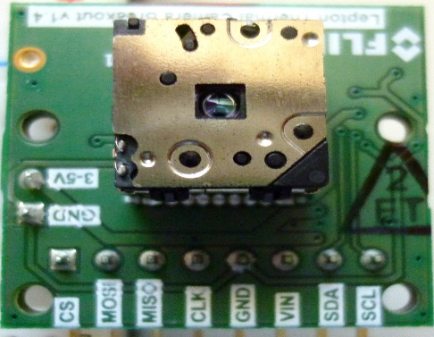
Teensy 3.1

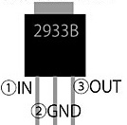

 |  |  |  |  |  | back

 | 10μF | 10μF | 3.3V
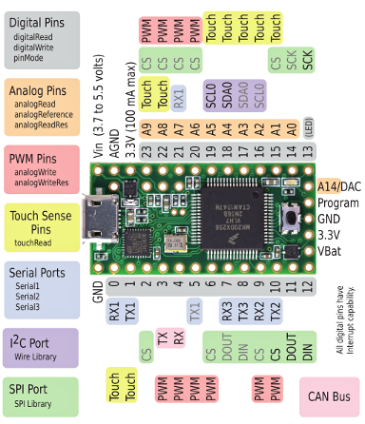

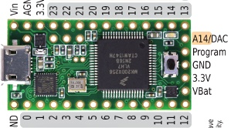

 |  |  |  |  | LCD 2.4inch 320x240 ILI9341

Teensy3.1 schematic
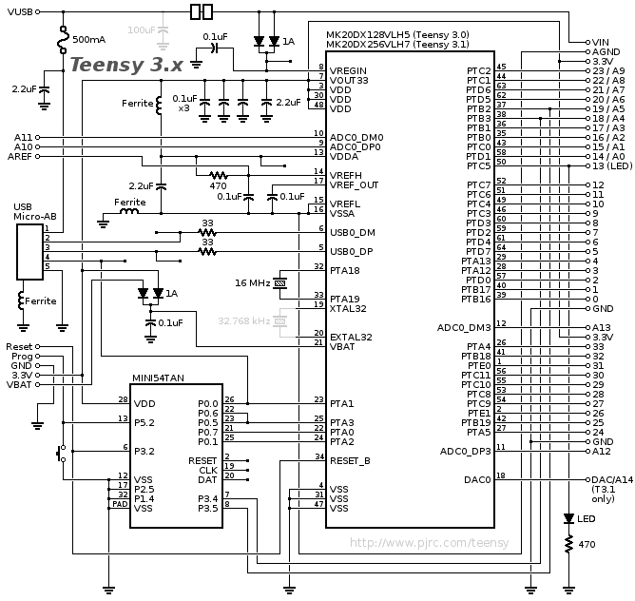
Teensy 3.2 Schematic

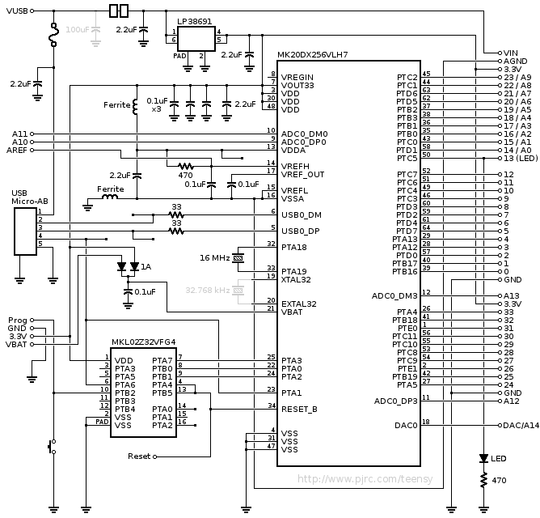

Teensy 3.0 & 3.1 Schematic

ColorMap
 | Colormap1 |  | Colormap2 | Address | Color-map1 | Color-map2
0xffff | ffff | 0x0009 | 0009 | 1 | 65535 | 9
0xffff | ffff | 0x0009 | 0009 | 2 | 65535 | 9
0xffdf | ffdf | 0x0009 | 0009 | 3 | 65503 | 9
0xffdf | ffdf | 0x0009 | 0009 | 4 | 65503 | 9
0xf7be | f7be | 0x0009 | 0009 | 5 | 63422 | 9
0xf7be | f7be | 0x0009 | 0009 | 6 | 63422 | 9
0xf79e | f79e | 0x0009 | 0009 | 7 | 63390 | 9
0xf79e | f79e | 0x0009 | 0009 | 8 | 63390 | 9
0xef7d | ef7d | 0x000a | 000a | 9 | 61309 | 10
0xef7d | ef7d | 0x002a | 002a | 10 | 61309 | 42
0xef5d | ef5d | 0x002b | 002b | 11 | 61277 | 43
0xef5d | ef5d | 0x004b | 004b | 12 | 61277 | 75
0xe73c | e73c | 0x006b | 006b | 13 | 59196 | 107
0xe73c | e73c | 0x008c | 008c | 14 | 59196 | 140
0xe71c | e71c | 0x00ac | 00ac | 15 | 59164 | 172
0xe71c | e71c | 0x00cc | 00cc | 16 | 59164 | 204
0xdefb | defb | 0x00ed | 00ed | 17 | 57083 | 237
0xdefb | defb | 0x010d | 010d | 18 | 57083 | 269
0xdedb | dedb | 0x010e | 010e | 19 | 57051 | 270
0xdedb | dedb | 0x012e | 012e | 20 | 57051 | 302
0xd6ba | d6ba | 0x014e | 014e | 21 | 54970 | 334
0xd6ba | d6ba | 0x014f | 014f | 22 | 54970 | 335
0xd69a | d69a | 0x0170 | 0170 | 23 | 54938 | 368
0xd69a | d69a | 0x0190 | 0190 | 24 | 54938 | 400
0xce79 | ce79 | 0x0190 | 0190 | 25 | 52857 | 400
0xce79 | ce79 | 0x0191 | 0191 | 26 | 52857 | 401
0xce59 | ce59 | 0x01b1 | 01b1 | 27 | 52825 | 433
0xce59 | ce59 | 0x01b1 | 01b1 | 28 | 52825 | 433
0xc638 | c638 | 0x01b1 | 01b1 | 29 | 50744 | 433
0xc638 | c638 | 0x01b2 | 01b2 | 30 | 50744 | 434
0xc618 | c618 | 0x01d2 | 01d2 | 31 | 50712 | 466
0xc618 | c618 | 0x01d2 | 01d2 | 32 | 50712 | 466
0xbdf7 | bdf7 | 0x01f3 | 01f3 | 33 | 48631 | 499
0xbdf7 | bdf7 | 0x01f3 | 01f3 | 34 | 48631 | 499
0xbdd7 | bdd7 | 0x0213 | 0213 | 35 | 48599 | 531
0xbdd7 | bdd7 | 0x0214 | 0214 | 36 | 48599 | 532
0xb5b6 | b5b6 | 0x0234 | 0234 | 37 | 46518 | 564
0xb5b6 | b5b6 | 0x0234 | 0234 | 38 | 46518 | 564
0xb596 | b596 | 0x0235 | 0235 | 39 | 46486 | 565
0xb596 | b596 | 0x0255 | 0255 | 40 | 46486 | 597
0xad75 | ad75 | 0x0256 | 0256 | 41 | 44405 | 598
0xad75 | ad75 | 0x0276 | 0276 | 42 | 44405 | 630
0xad55 | ad55 | 0x0277 | 0277 | 43 | 44373 | 631
0xad55 | ad55 | 0x0277 | 0277 | 44 | 44373 | 631
0xa534 | a534 | 0x0297 | 0297 | 45 | 42292 | 663
0xa534 | a534 | 0x0297 | 0297 | 46 | 42292 | 663
0xa514 | a514 | 0x02b8 | 02b8 | 47 | 42260 | 696
0xa514 | a514 | 0x02b8 | 02b8 | 48 | 42260 | 696
0x9cf3 | 9cf3 | 0x02d9 | 02d9 | 49 | 40179 | 729
0x9cf3 | 9cf3 | 0x02d9 | 02d9 | 50 | 40179 | 729
0x9cd3 | 9cd3 | 0x02f9 | 02f9 | 51 | 40147 | 761
0x9cd3 | 9cd3 | 0x02f9 | 02f9 | 52 | 40147 | 761
0x94b2 | 94b2 | 0x02fa | 02fa | 53 | 38066 | 762
0x94b2 | 94b2 | 0x02fa | 02fa | 54 | 38066 | 762
0x9492 | 9492 | 0x031a | 031a | 55 | 38034 | 794
0x9492 | 9492 | 0x031a | 031a | 56 | 38034 | 794
0x8c71 | 8c71 | 0x031a | 031a | 57 | 35953 | 794
0x8c71 | 8c71 | 0x033b | 033b | 58 | 35953 | 827
0x8c51 | 8c51 | 0x033b | 033b | 59 | 35921 | 827
0x8c51 | 8c51 | 0x035b | 035b | 60 | 35921 | 859
0x8430 | 8430 | 0x035b | 035b | 61 | 33840 | 859
0x8430 | 8430 | 0x035b | 035b | 62 | 33840 | 859
0x8410 | 8410 | 0x037b | 037b | 63 | 33808 | 891
0x8410 | 8410 | 0x037b | 037b | 64 | 33808 | 891
0x7bef | 7bef | 0x039b | 039b | 65 | 31727 | 923
0x7bef | 7bef | 0x039b | 039b | 66 | 31727 | 923
0x7bcf | 7bcf | 0x03bb | 03bb | 67 | 31695 | 955
0x7bcf | 7bcf | 0x03bb | 03bb | 68 | 31695 | 955
0x73ae | 73ae | 0x03db | 03db | 69 | 29614 | 987
0x73ae | 73ae | 0x03db | 03db | 70 | 29614 | 987
0x738e | 738e | 0x03fb | 03fb | 71 | 29582 | 1019
0x738e | 738e | 0x03fa | 03fa | 72 | 29582 | 1018
0x6b6d | 6b6d | 0x041a | 041a | 73 | 27501 | 1050
0x6b6d | 6b6d | 0x0419 | 0419 | 74 | 27501 | 1049
0x6b4d | 6b4d | 0x0439 | 0439 | 75 | 27469 | 1081
0x6b4d | 6b4d | 0x0439 | 0439 | 76 | 27469 | 1081
0x632c | 632c | 0x0438 | 0438 | 77 | 25388 | 1080
0x632c | 632c | 0x0458 | 0458 | 78 | 25388 | 1112
0x630c | 630c | 0x0457 | 0457 | 79 | 25356 | 1111
0x630c | 630c | 0x0476 | 0476 | 80 | 25356 | 1142
0x5aeb | 5aeb | 0x0c75 | 0c75 | 81 | 23275 | 3189
0x5aeb | 5aeb | 0x0c94 | 0c94 | 82 | 23275 | 3220
0x5acb | 5acb | 0x0c94 | 0c94 | 83 | 23243 | 3220
0x5acb | 5acb | 0x0c93 | 0c93 | 84 | 23243 | 3219
0x52aa | 52aa | 0x0c93 | 0c93 | 85 | 21162 | 3219
0x52aa | 52aa | 0x0c92 | 0c92 | 86 | 21162 | 3218
0x528a | 528a | 0x0cb1 | 0cb1 | 87 | 21130 | 3249
0x528a | 528a | 0x14b0 | 14b0 | 88 | 21130 | 5296
0x4a69 | 4a69 | 0x14cf | 14cf | 89 | 19049 | 5327
0x4a69 | 4a69 | 0x1cce | 1cce | 90 | 19049 | 7374
0x4a49 | 4a49 | 0x1ced | 1ced | 91 | 19017 | 7405
0x4a49 | 4a49 | 0x24ec | 24ec | 92 | 19017 | 9452
0x4228 | 4228 | 0x2d0b | 2d0b | 93 | 16936 | 11531
0x4228 | 4228 | 0x2d0a | 2d0a | 94 | 16936 | 11530
0x4208 | 4208 | 0x3529 | 3529 | 95 | 16904 | 13609
0x4208 | 4208 | 0x3d28 | 3d28 | 96 | 16904 | 15656
0x39e7 | 39e7 | 0x4547 | 4547 | 97 | 14823 | 17735
0x39e7 | 39e7 | 0x4d66 | 4d66 | 98 | 14823 | 19814
0x39c7 | 39c7 | 0x4d66 | 4d66 | 99 | 14791 | 19814
0x39c7 | 39c7 | 0x5585 | 5585 | 100 | 14791 | 21893
0x31a6 | 31a6 | 0x5d84 | 5d84 | 101 | 12710 | 23940
0x31a6 | 31a6 | 0x5da4 | 5da4 | 102 | 12710 | 23972
0x3186 | 3186 | 0x65a3 | 65a3 | 103 | 12678 | 26019
0x3186 | 3186 | 0x6dc3 | 6dc3 | 104 | 12678 | 28099
0x2965 | 2965 | 0x6dc2 | 6dc2 | 105 | 10597 | 28098
0x2965 | 2965 | 0x75e2 | 75e2 | 106 | 10597 | 30178
0x2945 | 2945 | 0x75e2 | 75e2 | 107 | 10565 | 30178
0x2945 | 2945 | 0x7de2 | 7de2 | 108 | 10565 | 32226
0x2124 | 2124 | 0x8601 | 8601 | 109 | 8484 | 34305
0x2124 | 2124 | 0x8601 | 8601 | 110 | 8484 | 34305
0x2104 | 2104 | 0x8e21 | 8e21 | 111 | 8452 | 36385
0x2104 | 2104 | 0x8e21 | 8e21 | 112 | 8452 | 36385
0x18e3 | 18e3 | 0x9620 | 9620 | 113 | 6371 | 38432
0x18e3 | 18e3 | 0x9640 | 9640 | 114 | 6371 | 38464
0x18c3 | 18c3 | 0x9e40 | 9e40 | 115 | 6339 | 40512
0x18c3 | 18c3 | 0xa640 | a640 | 116 | 6339 | 42560
0x10a2 | 10a2 | 0xa660 | a660 | 117 | 4258 | 42592
0x10a2 | 10a2 | 0xae60 | ae60 | 118 | 4258 | 44640
0x1082 | 1082 | 0xae60 | ae60 | 119 | 4226 | 44640
0x1082 | 1082 | 0xae60 | ae60 | 120 | 4226 | 44640
0x0861 | 0861 | 0xb660 | b660 | 121 | 2145 | 46688
0x0861 | 0861 | 0xbe80 | be80 | 122 | 2145 | 48768
0x0841 | 0841 | 0xbe80 | be80 | 123 | 2113 | 48768
0x0841 | 0841 | 0xc680 | c680 | 124 | 2113 | 50816
0x0020 | 0020 | 0xc6a0 | c6a0 | 125 | 32 | 50848
0x0020 | 0020 | 0xc6a0 | c6a0 | 126 | 32 | 50848
0x0000 | 0000 | 0xcea0 | cea0 | 127 | 0 | 52896
0x0000 | 0000 | 0xcea0 | cea0 | 128 | 0 | 52896
0x0001 | 0001 | 0xd6a0 | d6a0 | 129 | 1 | 54944
0x0002 | 0002 | 0xd6a0 | d6a0 | 130 | 2 | 54944
0x0003 | 0003 | 0xdea0 | dea0 | 131 | 3 | 56992
0x0003 | 0003 | 0xdea0 | dea0 | 132 | 3 | 56992
0x0804 | 0804 | 0xdea0 | dea0 | 133 | 2052 | 56992
0x0805 | 0805 | 0xe6a0 | e6a0 | 134 | 2053 | 59040
0x0806 | 0806 | 0xe6a0 | e6a0 | 135 | 2054 | 59040
0x0807 | 0807 | 0xe6a0 | e6a0 | 136 | 2055 | 59040
0x1008 | 1008 | 0xe680 | e680 | 137 | 4104 | 59008
0x1009 | 1009 | 0xee80 | ee80 | 138 | 4105 | 61056
0x100a | 100a | 0xee80 | ee80 | 139 | 4106 | 61056
0x100b | 100b | 0xee80 | ee80 | 140 | 4107 | 61056
0x180c | 180c | 0xee80 | ee80 | 141 | 6156 | 61056
0x180c | 180c | 0xee80 | ee80 | 142 | 6156 | 61056
0x180d | 180d | 0xee80 | ee80 | 143 | 6157 | 61056
0x180e | 180e | 0xee81 | ee81 | 144 | 6158 | 61057
0x200f | 200f | 0xee61 | ee61 | 145 | 8207 | 61025
0x280f | 280f | 0xf661 | f661 | 146 | 10255 | 63073
0x280f | 280f | 0xf641 | f641 | 147 | 10255 | 63041
0x300f | 300f | 0xf641 | f641 | 148 | 12303 | 63041
0x380f | 380f | 0xf641 | f641 | 149 | 14351 | 63041
0x380f | 380f | 0xf641 | f641 | 150 | 14351 | 63041
0x400f | 400f | 0xf621 | f621 | 151 | 16399 | 63009
0x400f | 400f | 0xf621 | f621 | 152 | 16399 | 63009
0x4810 | 4810 | 0xf621 | f621 | 153 | 18448 | 63009
0x5010 | 5010 | 0xfe01 | fe01 | 154 | 20496 | 65025
0x5010 | 5010 | 0xfde1 | fde1 | 155 | 20496 | 64993
0x5810 | 5810 | 0xfde1 | fde1 | 156 | 22544 | 64993
0x6010 | 6010 | 0xfdc1 | fdc1 | 157 | 24592 | 64961
0x6010 | 6010 | 0xfdc2 | fdc2 | 158 | 24592 | 64962
0x6810 | 6810 | 0xfda2 | fda2 | 159 | 26640 | 64930
0x6810 | 6810 | 0xfd82 | fd82 | 160 | 26640 | 64898
0x7011 | 7011 | 0xfd62 | fd62 | 161 | 28689 | 64866
0x7811 | 7811 | 0xfd42 | fd42 | 162 | 30737 | 64834
0x7811 | 7811 | 0xfd42 | fd42 | 163 | 30737 | 64834
0x8011 | 8011 | 0xfd22 | fd22 | 164 | 32785 | 64802
0x8011 | 8011 | 0xfd22 | fd22 | 165 | 32785 | 64802
0x8811 | 8811 | 0xfd02 | fd02 | 166 | 34833 | 64770
0x9011 | 9011 | 0xfd02 | fd02 | 167 | 36881 | 64770
0x9031 | 9031 | 0xfce2 | fce2 | 168 | 36913 | 64738
0x9831 | 9831 | 0xfce2 | fce2 | 169 | 38961 | 64738
0x9831 | 9831 | 0xfcc3 | fcc3 | 170 | 38961 | 64707
0xa031 | a031 | 0xfca3 | fca3 | 171 | 41009 | 64675
0xa031 | a031 | 0xfc63 | fc63 | 172 | 41009 | 64611
0xa831 | a831 | 0xfc43 | fc43 | 173 | 43057 | 64579
0xb031 | b031 | 0xfc23 | fc23 | 174 | 45105 | 64547
0xb031 | b031 | 0xfc03 | fc03 | 175 | 45105 | 64515
0xb831 | b831 | 0xfbe4 | fbe4 | 176 | 47153 | 64484
0xb851 | b851 | 0xfba4 | fba4 | 177 | 47185 | 64420
0xb870 | b870 | 0xfb64 | fb64 | 178 | 47216 | 64356
0xc08f | c08f | 0xfb44 | fb44 | 179 | 49295 | 64324
0xc08f | c08f | 0xfb24 | fb24 | 180 | 49295 | 64292
0xc0ae | c0ae | 0xfb04 | fb04 | 181 | 49326 | 64260
0xc8cd | c8cd | 0xfae5 | fae5 | 182 | 51405 | 64229
0xc8ed | c8ed | 0xfac5 | fac5 | 183 | 51437 | 64197
0xc8ec | c8ec | 0xfa85 | fa85 | 184 | 51436 | 64133
0xc90b | c90b | 0xfa65 | fa65 | 185 | 51467 | 64101
0xd12b | d12b | 0xfa25 | fa25 | 186 | 53547 | 64037
0xd14a | d14a | 0xf9e6 | f9e6 | 187 | 53578 | 63974
0xd14a | d14a | 0xf9c6 | f9c6 | 188 | 53578 | 63942
0xd969 | d969 | 0xf9a6 | f9a6 | 189 | 55657 | 63910
0xd988 | d988 | 0xf986 | f986 | 190 | 55688 | 63878
0xd9a8 | d9a8 | 0xf966 | f966 | 191 | 55720 | 63846
0xd9a7 | d9a7 | 0xf927 | f927 | 192 | 55719 | 63783
0xe1c6 | e1c6 | 0xf907 | f907 | 193 | 57798 | 63751
0xe1e5 | e1e5 | 0xf907 | f907 | 194 | 57829 | 63751
0xe205 | e205 | 0xf8e7 | f8e7 | 195 | 57861 | 63719
0xe205 | e205 | 0xf8e7 | f8e7 | 196 | 57861 | 63719
0xe224 | e224 | 0xf8e7 | f8e7 | 197 | 57892 | 63719
0xe244 | e244 | 0xf8e7 | f8e7 | 198 | 57924 | 63719
0xe264 | e264 | 0xf8c7 | f8c7 | 199 | 57956 | 63687
0xe284 | e284 | 0xf8c8 | f8c8 | 200 | 57988 | 63688
0xe2a3 | e2a3 | 0xf8c8 | f8c8 | 201 | 58019 | 63688
0xeac3 | eac3 | 0xf8c8 | f8c8 | 202 | 60099 | 63688
0xeae3 | eae3 | 0xf8c8 | f8c8 | 203 | 60131 | 63688
0xeae2 | eae2 | 0xf8c9 | f8c9 | 204 | 60130 | 63689
0xeb02 | eb02 | 0xf0c9 | f0c9 | 205 | 60162 | 61641
0xeb22 | eb22 | 0xf0c9 | f0c9 | 206 | 60194 | 61641
0xeb41 | eb41 | 0xf0c9 | f0c9 | 207 | 60225 | 61641
0xeb61 | eb61 | 0xf0ca | f0ca | 208 | 60257 | 61642
0xeb81 | eb81 | 0xf10a | f10a | 209 | 60289 | 61706
0xf3a1 | f3a1 | 0xf10a | f10a | 210 | 62369 | 61706
0xf3a1 | f3a1 | 0xf12a | f12a | 211 | 62369 | 61738
0xf3c1 | f3c1 | 0xf14b | f14b | 212 | 62401 | 61771
0xf3e1 | f3e1 | 0xf16b | f16b | 213 | 62433 | 61803
0xf401 | f401 | 0xf18b | f18b | 214 | 62465 | 61835
0xf421 | f421 | 0xf9ab | f9ab | 215 | 62497 | 63915
0xf441 | f441 | 0xf9cc | f9cc | 216 | 62529 | 63948
0xf461 | f461 | 0xfa0c | fa0c | 217 | 62561 | 64012
0xf481 | f481 | 0xfa4c | fa4c | 218 | 62593 | 64076
0xf4a1 | f4a1 | 0xfa8d | fa8d | 219 | 62625 | 64141
0xf4c1 | f4c1 | 0xfaad | faad | 220 | 62657 | 64173
0xf4e1 | f4e1 | 0xfaed | faed | 221 | 62689 | 64237
0xf501 | f501 | 0xfaed | faed | 222 | 62721 | 64237
0xf501 | f501 | 0xfb0d | fb0d | 223 | 62721 | 64269
0xf521 | f521 | 0xfb2d | fb2d | 224 | 62753 | 64301
0xf541 | f541 | 0xfb2e | fb2e | 225 | 62785 | 64302
0xfd61 | fd61 | 0xfb2e | fb2e | 226 | 64865 | 64302
0xfd81 | fd81 | 0xfb6e | fb6e | 227 | 64897 | 64366
0xfda2 | fda2 | 0xfbaf | fbaf | 228 | 64930 | 64431
0xfdc2 | fdc2 | 0xfbcf | fbcf | 229 | 64962 | 64463
0xfde2 | fde2 | 0xfbef | fbef | 230 | 64994 | 64495
0xfe02 | fe02 | 0xfc10 | fc10 | 231 | 65026 | 64528
0xfe22 | fe22 | 0xfc30 | fc30 | 232 | 65058 | 64560
0xfe22 | fe22 | 0xfc50 | fc50 | 233 | 65058 | 64592
0xfe42 | fe42 | 0xfc91 | fc91 | 234 | 65090 | 64657
0xfe63 | fe63 | 0xfcb1 | fcb1 | 235 | 65123 | 64689
0xfe83 | fe83 | 0xfcf2 | fcf2 | 236 | 65155 | 64754
0xfea3 | fea3 | 0xfd12 | fd12 | 237 | 65187 | 64786
0xfec3 | fec3 | 0xfd52 | fd52 | 238 | 65219 | 64850
0xfee3 | fee3 | 0xfd73 | fd73 | 239 | 65251 | 64883
0xff03 | ff03 | 0xfd93 | fd93 | 240 | 65283 | 64915
0xff04 | ff04 | 0xfd93 | fd93 | 241 | 65284 | 64915
0xff26 | ff26 | 0xfdd4 | fdd4 | 242 | 65318 | 64980
0xff28 | ff28 | 0xfdf4 | fdf4 | 243 | 65320 | 65012
0xff4a | ff4a | 0xfe15 | fe15 | 244 | 65354 | 65045
0xff4b | ff4b | 0xfe35 | fe35 | 245 | 65355 | 65077
0xff6d | ff6d | 0xfe55 | fe55 | 246 | 65389 | 65109
0xff6f | ff6f | 0xfe76 | fe76 | 247 | 65391 | 65142
0xff91 | ff91 | 0xfe96 | fe96 | 248 | 65425 | 65174
0xff92 | ff92 | 0xfed7 | fed7 | 249 | 65426 | 65239
0xffb4 | ffb4 | 0xfed7 | fed7 | 250 | 65460 | 65239
0xffb6 | ffb6 | 0xfef8 | fef8 | 251 | 65462 | 65272
0xffd8 | ffd8 | 0xfef9 | fef9 | 252 | 65496 | 65273
0xffd9 | ffd9 | 0xff19 | ff19 | 253 | 65497 | 65305
0xffdb | ffdb | 0xff19 | ff19 | 254 | 65499 | 65305
0xfffd | fffd | 0xff39 | ff39 | 255 | 65533 | 65337
0xffe3 | ffe3 | 0xff5a | ff5a | 256 | 65507 | 65370

