NoweZestawienie
If you use that database please cite: Rzycki, M.; Kaczorowska, A.; Kraszewski, S.; Drabik, D. A Systematic Approach: Molecular Dynamics Study and Parametrisation of Gemini Type Cationic Surfactants. Int. J. Mol. Sci. 2021, 22, 10939. https://doi.org/10.3390/ijms222010939
Group | Scheme | ID | Segname | Linker | Linker length (n) | Chain compound (R1 or R2) | Number of carbons in R1/R2 (m) | Number of carbons from N+ | Chemical formula | Organic salt | log10(CMC) | Reference
Alkyl Bisp | 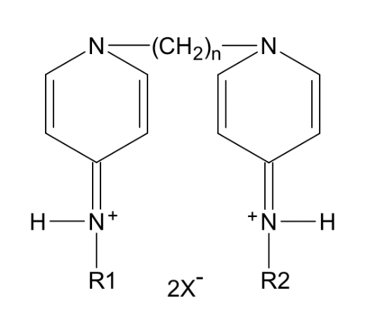 | Alk_4_00 | A4A | (CH2)4 | 4 | H | 0 | 0 | C14H20N4 | Br | 0.271 | 1
 |  | Alk_4_06 | A4B | (CH2)4 | 4 | C6H13 | 6 | 6 | C26H44N4 | Br | -1.658
 |  | Alk_4_07 | A4C | (CH2)4 | 4 | C7H15 | 7 | 7 | C28H48N4 | Br | -2.005
 |  | Alk_5_06 | A5A | (CH2)5 | 5 | C6H13 | 6 | 6 | C27H46N4 | Br | -1.831
 |  | Alk_5_07 | A5B | (CH2)5 | 5 | C7H15 | 7 | 7 | C29H50N4 | Br | -2.178
 |  | Alk_6_00 | A6A | (CH2)6 | 6 | H | 0 | 0 | C16H24N4 | Br | -0.076
 |  | Alk_6_06 | A6B | (CH2)6 | 6 | C6H13 | 6 | 6 | C28H48N4 | Br | -2.005
 |  | Alk_6_07 | A6C | (CH2)6 | 6 | C7H15 | 7 | 7 | C30H52N4 | Cl | -2.352
 |  | Alk_6_08 | A6D | (CH2)6 | 6 | C8H17 | 8 | 8 | C32H56N4 | Cl | -2.699
 |  | Alk_6_09 | A6E | (CH2)6 | 6 | C9H19 | 9 | 9 | C34H60N4 | Cl | -3.046
 |  | Alk_6_10 | A6F | (CH2)6 | 6 | C10H21 | 10 | 10 | C36H64N4 | Br | -3.394
 |  | Alk_6_12 | A6G | (CH2)6 | 6 | C12H25 | 12 | 12 | C40H72N4 | Br | -4.088
 |  | Alk_7_06 | A7A | (CH2)7 | 7 | C6H13 | 6 | 6 | C29H50N4 | Br | -2.178
 |  | Alk_7_07 | A7B | (CH2)7 | 7 | C7H15 | 7 | 7 | C31H54N4 | Br | -2.526
 |  | Alk_7_08 | A7C | (CH2)7 | 7 | C8H17 | 8 | 8 | C33H58N4 | Br | -2.873
 |  | Alk_7_09 | A7E | (CH2)7 | 7 | C9H19 | 9 | 9 | C35H62N4 | Br | -3.220
 |  | Alk_7_10 | A7F | (CH2)7 | 7 | C10H21 | 10 | 10 | C37H66N4 | Br | -3.567
 |  | Alk_7_12 | A7G | (CH2)7 | 7 | C12H25 | 12 | 12 | C41H74N4 | Br | -4.262
 |  | Alk_8_00 | A8A | (CH2)8 | 8 | H | 0 | 0 | C18H28N4 | Br | -0.423
 |  | Alk_8_06 | A8B | (CH2)8 | 8 | C6H13 | 6 | 6 | C30H52N4 | Br | -2.352
 |  | Alk_8_07 | A8C | (CH2)8 | 8 | C7H15 | 7 | 7 | C32H56N4 | Cl | -2.699
 |  | Alk_8_08 | A8D | (CH2)8 | 8 | C8H17 | 8 | 8 | C34H60N4 | Br | -3.046
 |  | Alk_8_09 | A8E | (CH2)8 | 8 | C9H19 | 9 | 9 | C36H64N4 | Br | -3.394
 |  | Alk_8_10 | A8F | (CH2)8 | 8 | C10H21 | 10 | 10 | C38H68N4 | Br | -3.741
 |  | Alk_8_12 | A8G | (CH2)8 | 8 | C12H25 | 12 | 12 | C42H76N4 | Br | -4.435
 |  | Alk_9_06 | A9B | (CH2)9 | 9 | C6H13 | 6 | 6 | C31H54N4 | Br | -2.526
 |  | Alk_9_07 | A9C | (CH2)9 | 9 | C7H15 | 7 | 7 | C33H58N4 | Cl | -2.873
 |  | Alk_9_08 | A9D | (CH2)9 | 9 | C8H17 | 8 | 8 | C35H62N4 | Cl | -3.220
 |  | Alk_9_09 | A9E | (CH2)9 | 9 | C9H19 | 9 | 9 | C37H66N4 | Br | -3.567
 |  | Alk_9_10 | A9F | (CH2)9 | 9 | C10H21 | 10 | 10 | C39H70N4 | Br | -3.914
 |  | Alk_9_12 | A9G | (CH2)9 | 9 | C12H25 | 12 | 12 | C43H78N4 | Br | -4.609
 |  | Alk10_00 | A0A | (CH2)10 | 10 | H | 0 | 0 | C20H32N4 | Br | -0.771
 |  | Alk10_06 | A0B | (CH2)10 | 10 | C6H13 | 6 | 6 | C32H56N4 | Br | -2.699
 |  | Alk10_07 | A0C | (CH2)10 | 10 | C7H15 | 7 | 7 | C34H60N4 | Cl | -3.046
 |  | Alk10_08 | A0D | (CH2)10 | 10 | C8H17 | 8 | 8 | C36H64N4 | Cl | -3.394
 |  | Alk10_09 | A0E | (CH2)10 | 10 | C9H19 | 9 | 9 | C38H68N4 | Br | -3.741
 |  | Alk10_10 | A0F | (CH2)10 | 10 | C10H21 | 10 | 10 | C40H72N4 | Br | -4.088
 |  | Alk12_00 | A0H | (CH2)12 | 12 | H | 0 | 0 | C22H36N4 | Br | -1.118
 |  | Alk12_06 | A0I | (CH2)12 | 12 | C6H13 | 6 | 6 | C34H60N4 | Cl | -3.046
 |  | Alk12_07 | A0J | (CH2)12 | 12 | C7H15 | 7 | 7 | C36H64N4 | Cl | -3.394
 |  | Alk12_08 | A0K | (CH2)12 | 12 | C8H17 | 8 | 8 | C38H68N4 | Br | -3.741
 |  | Alk12_09 | A0L | (CH2)12 | 12 | C9H19 | 9 | 9 | C40H72N4 | Br | -4.088
 |  | Alk12_10 | A0M | (CH2)12 | 12 | C10H21 | 10 | 10 | C42H76N4 | Br | -4.435
 |  | Alk12_12 | A0N | (CH2)12 | 12 | C12H25 | 12 | 12 | C46H84N4 | Br | -5.130
 |  | Alk14_06 | A0O | (CH2)14 | 14 | C6H13 | 6 | 6 | C36H64N4 | Cl | -3.394
 |  | Alk14_07 | A0P | (CH2)14 | 14 | C7H15 | 7 | 7 | C38H68N4 | Cl | -3.741
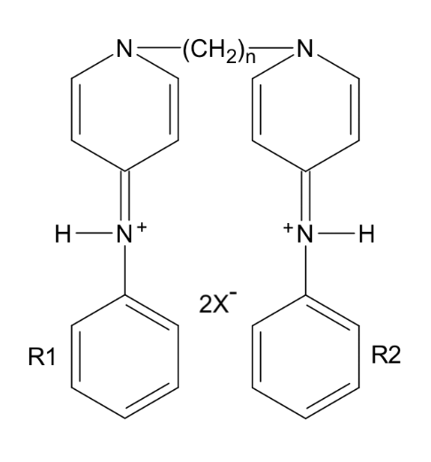
 |  | Alk14_08 | A0R | (CH2)14 | 14 | C8H17 | 8 | 8 | C40H72N4 | Br | -4.088
 |  | Alk_4_06b | AA1 | (CH2)4 | 4 | C6H11 | 6 | 6 | C26H40N4 | Br | -2.185 | 1
 |  | Alk_5_06b | AA2 | (CH2)5 | 5 | C6H11 | 6 | 6 | C27H42N4 | Br | -2.358
 |  | Alk_6_06b | AA3 | (CH2)6 | 6 | C6H11 | 6 | 6 | C28H44N4 | Br | -2.532
 |  | Alk_7_06b | AA4 | (CH2)7 | 7 | C6H11 | 6 | 6 | C29H46N4 | Br | -2.706
 |  | Alk_8_06b | AA5 | (CH2)8 | 8 | C6H11 | 6 | 6 | C30H48N4 | Br | -2.879
 |  | Alk_9_06b | AA6 | (CH2)9 | 9 | C6H11 | 6 | 6 | C31H50N4 | Br | -3.053
 |  | Alk10_06b | AA7 | (CH2)10 | 10 | C6H11 | 6 | 6 | C32H52N4 | Br | -3.227
 | 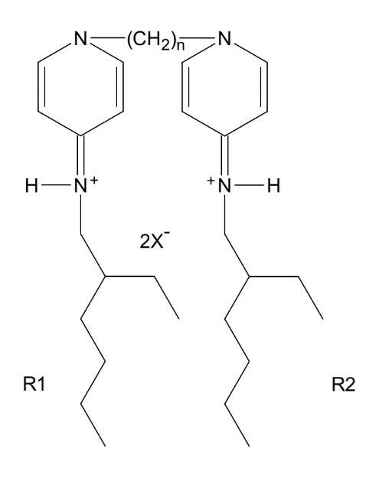 | Alk_4_08c | AB1 | (CH2)4 | 4 | C8H17 | 8 | 8 | C30H52N4 | Br | -2.352 | 1
 |  | Alk_5_08c | AB2 | (CH2)5 | 5 | C8H17 | 8 | 8 | C31H54N4 | Br | -2.526
 |  | Alk_6_08c | AB3 | (CH2)6 | 6 | C8H17 | 8 | 8 | C32H56N4 | Br | -2.699
 |  | Alk_7_08c | AB4 | (CH2)7 | 7 | C8H17 | 8 | 8 | C33H58N4 | Br | -2.873
 |  | Alk_8_08c | AB5 | (CH2)8 | 8 | C8H17 | 8 | 8 | C34H60N4 | Br | -3.046
 |  | Alk_9_08c | AB6 | (CH2)9 | 9 | C8H17 | 8 | 8 | C35H62N4 | Br | -3.220
 |  | Alk10_08c | AB7 | (CH2)10 | 10 | C8H17 | 8 | 8 | C36H64N4 | Br | -3.394
 |  | Alk12_08c | AB8 | (CH2)12 | 12 | C8H17 | 8 | 8 | C38H68N4 | Br | -3.741
 | 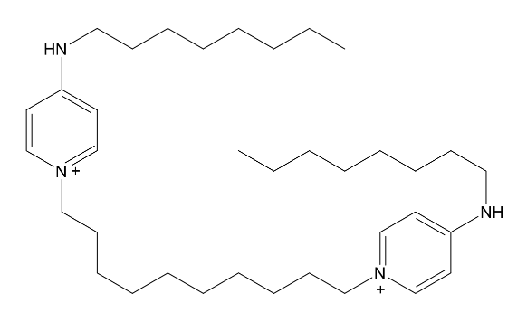 | Octenidine | OKT | (CH2)10 | 10 | C8H17 | 8 | 8 | C36H64N4 | Cl | -3.394 | 20
Aryl Bisp | 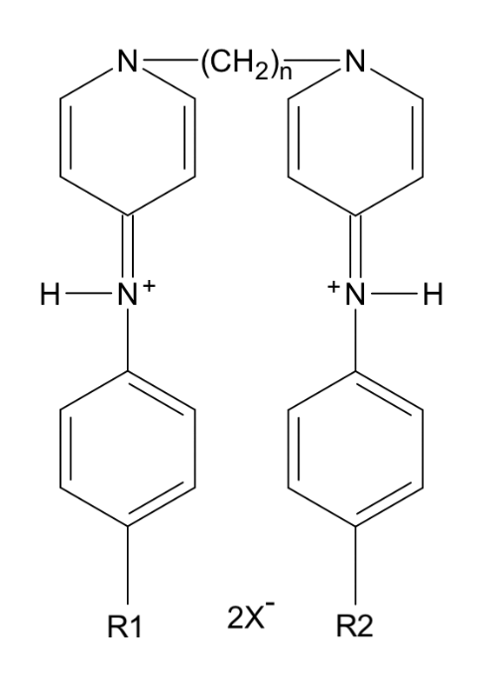 | Ary_9_00 | AC1 | (CH2)9 | 9 | Cl | 0 | 6 | C31H36Cl2N4 | Br | -3.664 | 1
 |  | Ary_8_00b | AC2 | (CH2)8 | 8 | F | 0 | 6 | C30H34F2N4 | Cl | -3.490
 |  | Ary_8_00 | AC3 | (CH2)8 | 8 | Cl | 0 | 6 | C30H34Cl2N4 | CH3SO3 | -3.490
 |  | Ary_7_00 | AC4 | (CH2)7 | 7 | Cl | 0 | 6 | C29H32Cl2N4 | Br | -3.316
 |  | Ary_6_00b | AC5 | (CH2)6 | 6 | F | 0 | 6 | C28H30F2N4 | Br | -3.143
 |  | Ary_6_00 | AC6 | (CH2)6 | 6 | Cl | 0 | 6 | C28H30Cl2N4 | CH3SO3 | -3.143
 |  | Ary_5_00 | AC7 | (CH2)5 | 5 | Cl | 0 | 6 | C27H28Cl2N4 | Br | -2.969
 |  | Ary_4_00 | AC8 | (CH2)4 | 4 | Cl | 0 | 6 | C26H26Cl2N4 | CH3SO3 | -2.795
 |  | Ary10_00 | AC9 | (CH2)10 | 10 | Cl | 0 | 6 | C32H38Cl2N4 | CH3SO3 | -3.837
Algine | 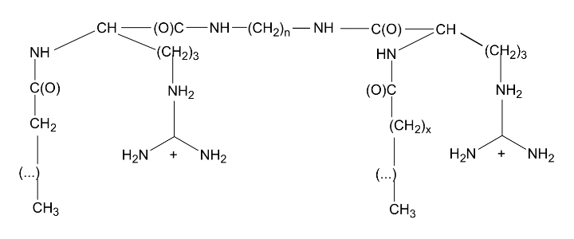 | Alg_9_11 | AL1 | (CH2)9 | 9 | C11H23 | 11 | 12 | C41H84N10O4 | Cl | -6.385 | 40
 |  | Alg_4_11 | AL2 | (CH2)4 | 4 | C11H23 | 11 | 12 | C40H82N10O4 | Cl | -6.212
 |  | Alg_4_09 | AL3 | (CH2)4 | 4 | C9H19 | 9 | 10 | C36H74N10O4 | Cl | -5.518
 |  | Alg_3_11 | AL4 | (CH2)3 | 3 | C11H23 | 11 | 12 | C39H80N10O4 | Cl | -6.038
 |  | Alg_2_11 | AL5 | (CH2)2 | 2 | C11H23 | 11 | 12 | C38H78N10O4 | Cl | -5.865
Butene | 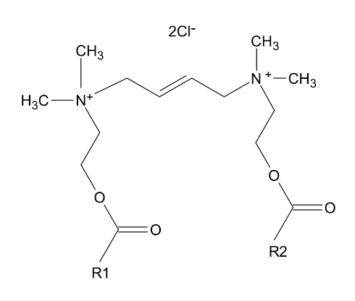 | But_4_11 | BU1 | C4H6 | 4 | C11H23 | 11 | 14 | C36H72N2O4 | Cl | -4.261 | 37
 | 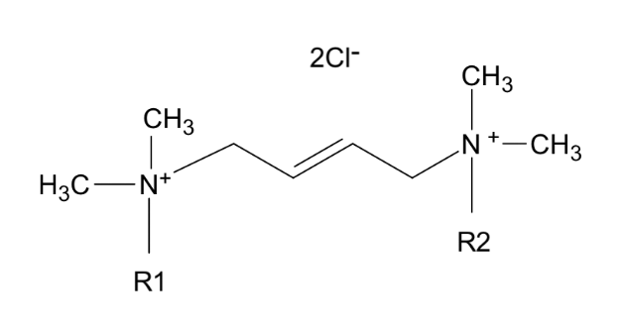 | But_4_14 | BU2 | C4H6 | 4 | C14H29 | 14 | 14 | C36H76N2 | Cl | -2.608 | 37
 |  | But_4_12 | BU3 | C4H6 | 4 | C12H25 | 12 | 12 | C32H68N2 | Cl | -3.303
fQAS | 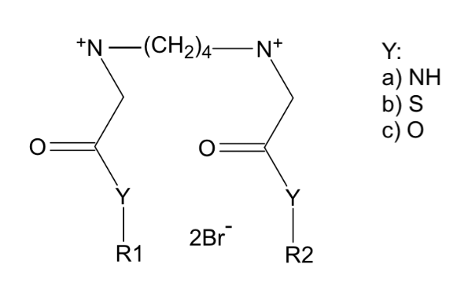 | fQS_6_08a | F6A | (CH2)6 | 6 | C2H4-C6F13 | 8 | 10 | C34H38F34N4O2 | Br | -14.890 | 34
 |  | fQS_4_08a | F4A | (CH2)4 | 4 | C2H4-C6F13 | 8 | 10 | C32H34F34N4O2 | Br | -14.543
 |  | fQS_4_08b | F4B | (CH2)4 | 4 | C2H4-C6F13 | 8 | 10 | C32H32S2F34N2O2 | Br | -14.543
 |  | fQS_4_08c | F4C | (CH2)4 | 4 | C2H4-C6F13 | 8 | 10 | C32H32F34N2O4 | Br | -14.543
 |  | fQS_3_08a | F3A | (CH2)3 | 3 | C2H4-C6F13 | 8 | 10 | C31H32F34N4O2 | Br | -14.369
 |  | fQS_2_08a | F2A | (CH2)2 | 2 | C2H4-C6F13 | 8 | 10 | C30H30F34N4O2 | Br | -14.196
 | 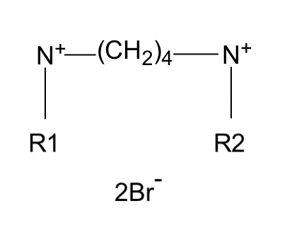 | fQS_4_06 | F4D | (CH2)4 | 4 | C2H4-C6F13 | 8 | 8 | C32H32F34N2O2 | Br | -14.196 | 34
 | 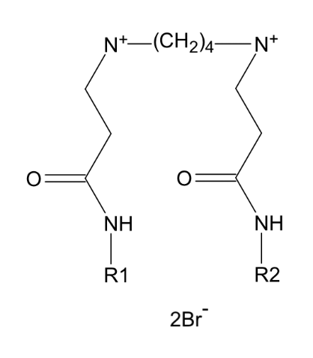 | fQS_4_06b | F4E | (CH2)4 | 4 | C2H4-C6F13 | 8 | 11 | C34H38F34N4O2 | Br | -14.871 | 34
 | 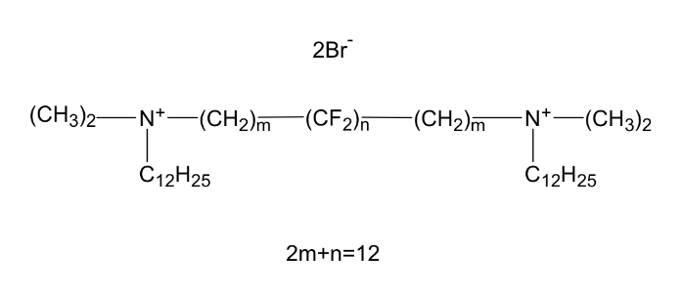 | fQS12_12 | F0A | C12H16F8 | 12 | C12H25 | 12 | 12 | C40H78F8N2 | Br- | -6.646 | 45
 |  | fQS12_12b | F0B | C12H12F12 | 12 | C12H25 | 12 | 12 | C40H74F12N2 | Br- | -7.895
 |  | fQS_6_14c | F6B | C6H12 | 6 | C10H21-C5F11 | 14 | 14 | C40H64F22N2 | Br- | -11.332 | 45
 |  | fQS12_14c | F0C | C12H24 | 12 | C10H21-C5F11 | 14 | 14 | C46H76F22N2 | Br- | -12.374
 | 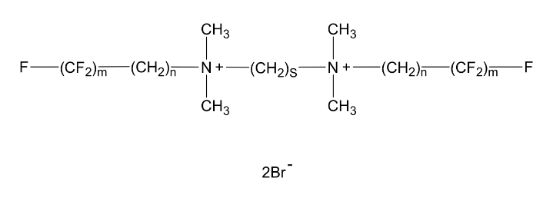 | fQS_6_15d | F6B | C6H12 | 6 | C11H22-C4F9 | 15 | 15 | C40H68F18N2 | Br- | -9.961 | 45
 |  | fQS12_15d | F0D | C12H24 | 12 | C11H22-C4F9 | 15 | 15 | C46H80F18N2 | Br- | -11.003
 |  | fQS_6_14d | F6C | C6H12 | 6 | C8H16-C6F13 | 14 | 14 | C38H56F26N2 | Br- | -12.111
 |  | fQS_6_14e | F6D | C6H12 | 6 | C6H12-C8F17 | 14 | 14 | C38H48F34N2 | Br- | -14.608
Ring | 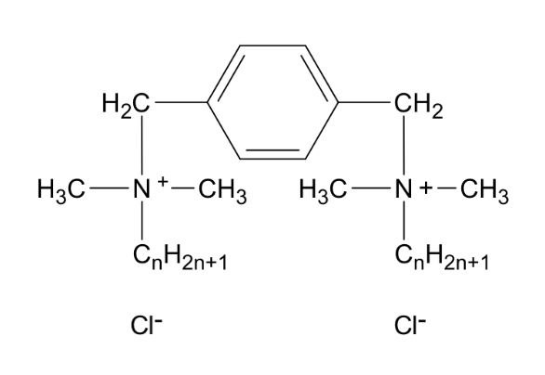 | Rin_01_12b | RI1 | C6H4 | 1 | C12H25 | 12 | 12 | C36H70N2 | Cl | -3.633 | 46
 | 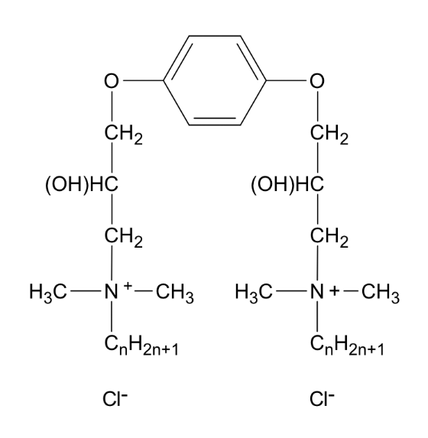 | Rin_01_16 | RI2 | C6H4 | 1 | C16H33 | 16 | 16 | C48H94N2O4 | Cl | -6.674 | 46
 |  | Rin_01_14 | RI3 | C6H4 | 1 | C14H29 | 14 | 14 | C44H84N2O4 | Cl | -5.980
Ester | 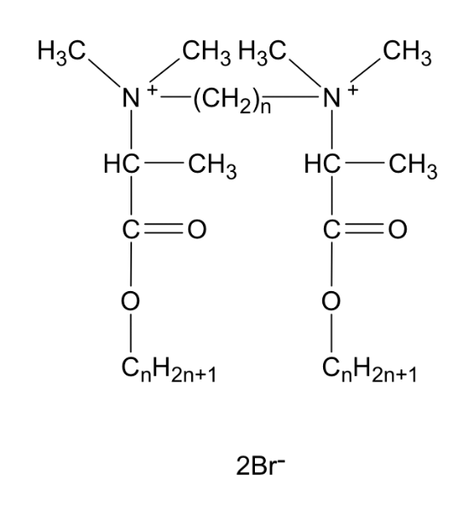 | Est_2_08 | E2B | C2H4 | 2 | C8H17 | 8 | 11 | C28H58N2O4 | Br | -2.819 | 35
 |  | Est_2_10 | E2C | C2H4 | 2 | C10H21 | 10 | 13 | C32H66N2O4 | Br | -3.513
 |  | Est_2_12 | E2D | C2H4 | 2 | C12H25 | 12 | 15 | C36H74N2O4 | Br | -4.208
 |  | Est_2_14 | E2E | C2H4 | 2 | C14H29 | 14 | 17 | C40H82N2O4 | Br | -4.902
 |  | Est_3_06 | E3A | C3H6 | 3 | C6H13 | 6 | 9 | C25H52N2O4 | Br | -2.298
 |  | Est_3_08 | E3B | C3H6 | 3 | C8H17 | 8 | 11 | C29H60N2O4 | Br | -2.993
 |  | Est_3_10 | E3C | C3H6 | 3 | C10H21 | 10 | 13 | C33H68N2O4 | Br | -3.687
 |  | Est_3_12 | E3D | C3H6 | 3 | C12H25 | 12 | 15 | C37H76N2O4 | Br | -4.381
 |  | Est_3_14 | E3E | C3H6 | 3 | C14H29 | 14 | 17 | C41H84N2O4 | Br | -5.076
Ionic | 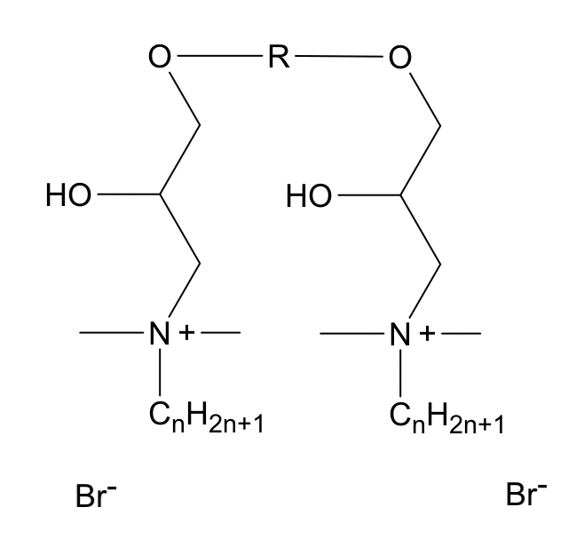 | Ion_2_08 | I2A | CH2CH2 | 2 | C8H17 | 8 | 8 | C28H62N2O4 | Br | -2.890 | 10
 |  | Ion_2_10 | I2B | CH2CH2 | 2 | C10H21 | 10 | 10 | C32H70N2O4 | Br | -3.585
 |  | Ion_2_12 | I2C | CH2CH2 | 2 | C12H25 | 12 | 12 | C36H78N2O4 | Br | -4.279
 |  | Ion_2_14 | I2D | CH2CH2 | 2 | C14H29 | 14 | 14 | C40H86N2O4 | Br | -4.974
 |  | Ion_2_16 | I2E | CH2CH2 | 2 | C16H33 | 16 | 16 | C44H94N2O4 | Br | -5.668
 |  | Ion_4_08 | I4A | CH2CH2OCH2CH2 | 4 | C8H17 | 8 | 8 | C30H66N2O5 | Br | -3.411
 |  | Ion_4_10 | I4B | CH2CH2OCH2CH2 | 4 | C10H21 | 10 | 10 | C34H74N2O5 | Br | -4.105
 |  | Ion_4_12 | I4C | CH2CH2OCH2CH2 | 4 | C12H25 | 12 | 12 | C38H82N2O5 | Br | -4.800
 |  | Ion_4_14 | I4D | CH2CH2OCH2CH2 | 4 | C14H29 | 14 | 14 | C42H90N2O5 | Br | -5.494
 |  | Ion_4_16 | I4E | CH2CH2OCH2CH2 | 4 | C16H33 | 16 | 16 | C46H98N2O5 | Br | -6.189
 |  | Ion_6_08 | I6A | CH2CH2OCH2CH2OCH2CH2 | 6 | C8H17 | 8 | 8 | C32H70N2O6 | Br | -3.932
 |  | Ion_6_10 | I6B | CH2CH2OCH2CH2OCH2CH2 | 6 | C10H21 | 10 | 10 | C36H78N2O6 | Br | -4.626
 |  | Ion_6_12 | I6C | CH2CH2OCH2CH2OCH2CH2 | 6 | C12H25 | 12 | 12 | C40H86N2O6 | Br | -5.321
 |  | Ion_6_14 | I6D | CH2CH2OCH2CH2OCH2CH2 | 6 | C14H29 | 14 | 14 | C44H94N2O6 | Br | -6.015
 |  | Ion_6_16 | I6E | CH2CH2OCH2CH2OCH2CH2 | 6 | C16H33 | 16 | 16 | C48H102N2O6 | Br | -6.709
 |  | Ion12_12b | I0A | (OCH2CH2)x | 12 | C12H25 | 12 | 12 | C40H86N2O6 | Br | -5.038 | 45
 |  | Ion14_12b | I0B | (OCH2CH2)x | 14 | C12H25 | 12 | 12 | C42H90N2O7 | Br | -5.559
 | 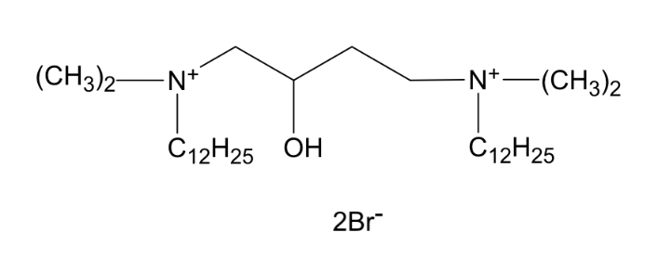 | Ion_4_12c | I4F | C4(OH) | 4 | C12H25 | 12 | 12 | C32H70N2O1 | Br | -2.923 | 45
 | 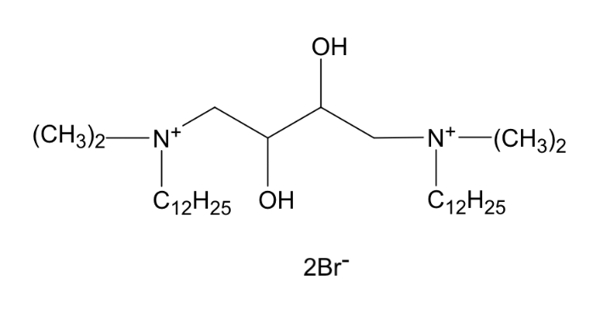 | Ion_4_12d | IFG | C4(OH)2 | 4 | C12H25 | 12 | 12 | C32H70N2O2 | Br | -3.176 | 45
QAS | 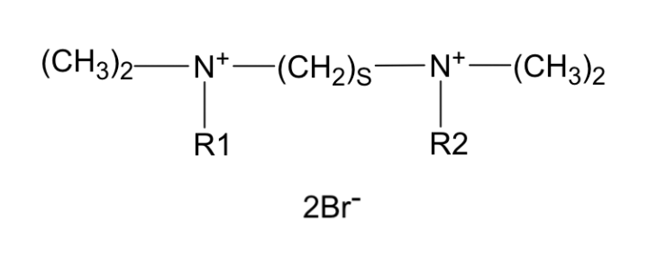 | QAS_6_12 | Q6A | C6H10 | 6 | C12H25 | 12 | 12 | C34H74N2 | Br | -2.956 | 45.27
 |  | QAS_5_12 | Q5A | C5H8 | 5 | C12H25 | 12 | 12 | C33H72N2 | Br | -2.782 | 27.43
 |  | QAS_4_12 | Q4A | C4H6 | 4 | C12H25 | 12 | 12 | C32H70N2 | Br / Cl | -2.608 | 27, 36
 |  | QAS_3_12 | Q3A | C3H4 | 3 | C12H25 | 12 | 12 | C31H68N2 | Br | -2.435 | 27
 |  | QAS_2_12 | Q2A | C2H2 | 2 | C12H25 | 12 | 12 | C30H66N2 | Br | -2.261
 |  | QAS_4_14 | Q4C | (CH2)4 | 4 | C14H29 | 14 | 14 | C36H78N2 | Cl | -3.303 | 36
 |  | QAS_4_10 | Q4D | (CH2)4 | 4 | C10H21 | 10 | 10 | C28H62N2 | Cl | -1.914
 |  | QAS_5_16 | Q5B | (CH2)5 | 5 | C16H33 | 16 | 16 | C41H88N2 | Br | -4.170 | 23
 |  | QAS10_12 | Q0A | C10H20 | 10 | C12H25 | 12 | 12 | C38H82N2 | Br | -3.650 | 45
 |  | QAS_6_07 | Q6B | C6H12 | 6 | C7H15 | 7 | 7 | C24H54N2 | Br- | -1.219
 |  | QAS_6_08 | Q6C | C6H12 | 6 | C8H17 | 8 | 8 | C26H58N2 | Br- | -1.566
 |  | QAS_6_09 | Q6D | C6H12 | 6 | C9H19 | 9 | 9 | C28H62N2 | Br- | -1.914
 |  | QAS_6_10 | Q6E | C6H12 | 6 | C10H21 | 10 | 10 | C30H66N2 | Br- | -2.261
 |  | QAS_6_16 | Q6G | C6H12 | 6 | C16H33 | 16 | 16 | C42H90N2 | Br- | -4.344
 |  | QAS12_12 | Q0B | C12H24 | 12 | C12H25 | 12 | 12 | C40 H86 N2 | Br | -3.997 | 23
 |  | QAS_6_1311 | QDA | C6H12 | 6 | R1: C13H25 R2: C11H25 | 13 & 11 | 13 & 11 | C34H74N2 | Br- | -2.956 | 45
 |  | QAS_6_1410 | QDB | C6H12 | 6 | R1: C14H25 R2: C10H25 | 14 & 10 | 14 & 10 | C34H74N2 | Br- | -2.956
 |  | QAS_6_1608 | QDC | C6H12 | 6 | R1: C16H25 R2: C8H25 | 16 & 8 | 16 & 8 | C34H74N2 | Br- | -2.956
 |  | QAS_6_1806 | QDD | C6H12 | 6 | R1: C18H25 R2: C6H25 | 18 & 6 | 18 & 6 | C34H74N2 | Br- | -2.956
 |  | QAS_6_1206 | QDE | C6H12 | 6 | R1: C12H24 R2: C6H25 | 12 & 6 | 12 & 6 | C28H62N2 | Br- | -1.914
 |  | QAS_6_1406 | QDF | C6H12 | 6 | R1: C14H28 R2: C6H25 | 14 & 6 | 14 & 6 | C30H66N2 | Br- | -2.261
 |  | QAS_6_1606 | QDG | C6H12 | 6 | R1: C16H28 R2: C6H25 | 16 & 6 | 16 & 6 | C32H70N2 | Br- | -2.608
 | 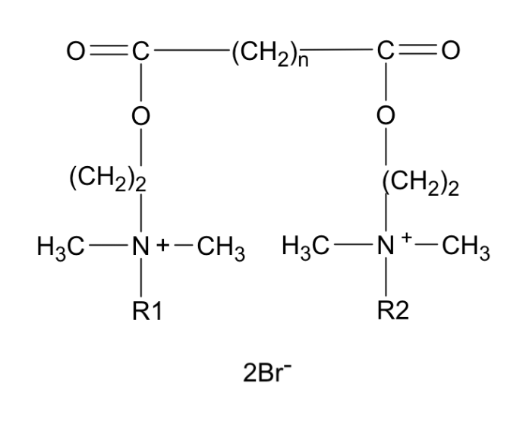 | QAS_8_06b | W8C | (CH2)8 | 8 | C6H7 | 6 | 6 | C30H62N2O4 | Br | -3.219 | 3
 |  | QAS_4_12b | W4B | (CH2)4 | 4 | C12H13 | 12 | 12 | C38 H78 N2 O4 | Br | -4.608
 |  | QAS_4_06b | W4C | (CH2)4 | 4 | C6H7 | 6 | 6 | C26 H54 N2 O4 | Br | -2.524
 |  | QAS_2_16b | W2A | (CH2)2 | 2 | C16H17 | 16 | 16 | C44 H90 N2 O4 | Br | -5.649
 |  | QAS_2_12b | W2B | (CH2)2 | 2 | C12H13 | 12 | 12 | C36 H74 N2 O4 | Br | -4.261
 |  | QAS_2_06b | W2C | (CH2)2 | 2 | C6H7 | 6 | 6 | C24 H50 N2 O4 | Br | -2.177
 | 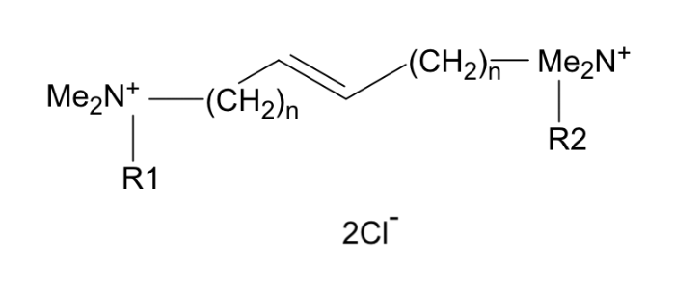 | QAS_4_16c | Q4E | CH2-C= | 4 | C16H33 | 16 | 16 | C40H84N2 | Cl | -3.997 | 36
 |  | QAS_4_10c | Q4H | CH2-C= | 4 | C10H21 | 10 | 10 | C28H60N2 | Cl | -1.914
 | 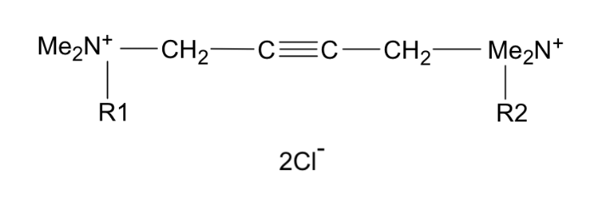 | QAS_4_14d | Q4J | CH2C≡ | 4 | C14H29 | 14 | 14 | C36H74N2 | Cl | -3.303 | 36
 |  | QAS_4_12d | Q4K | CH2C≡ | 4 | C12H25 | 12 | 12 | C32H66N2 | Cl | -2.608
 |  | QAS_4_10d | Q4L | CH2C≡ | 4 | C10H21 | 10 | 10 | C28H58N2 | Cl | -1.914
 | 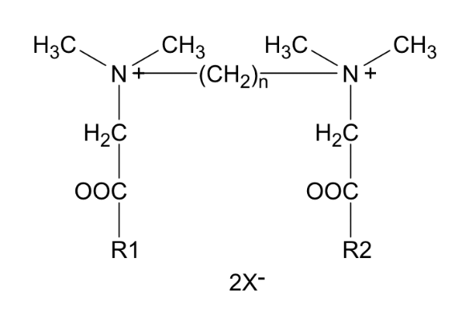 | QAS_3_10e | V3A | (CH2)3 | 3 | C10H21 | 10 | 12 | C31 H64 N2 O4 | Cl | -3.411 | 24
 |  | QAS_3_12e | V3B | (CH2)3 | 3 | C12H25 | 12 | 14 | C35 H72 N2 O4 | Br / Cl | -4.105
 |  | QAS_2_06e | V2A | (CH2)2 | 2 | C6H13 | 6 | 8 | C22 H46 N2 O4 | Cl | -1.849
 |  | QAS_2_08e | V2B | (CH2)2 | 2 | C8H17 | 8 | 10 | C26 H54 N2 O4 | Cl | -2.543
 |  | QAS_2_12e | V2D | (CH2)2 | 2 | C12H25 | 12 | 14 | C34 H70 N2 O4 | Br / Cl | -3.932
 |  | QAS_2_14e | V2E | (CH2)2 | 2 | C14H29 | 14 | 16 | C38 H78 N2 O4 | Cl | -4.626
 |  | QAS_4_14f | V4B | CH2-C= | 4 | C14H29 | 14 | 14 | C36H76N2 | Cl | -3.303 | 36
 |  | QAS_4_12f | V4C | CH2-C= | 4 | C12H25 | 12 | 12 | C32H68N2 | Cl | -2.608
 |  | QAS_4_10f | V4D | CH2-C= | 4 | C10H21 | 10 | 10 | C28H60N2 | Cl | -1.914
 | 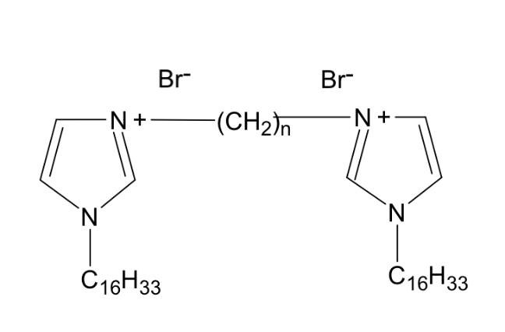 | QAS_2_16g | V2F | C2H4 | 2 | C16H33 | 16 | 19 | C43H76N4 | Br | -4.100 | 48
 | 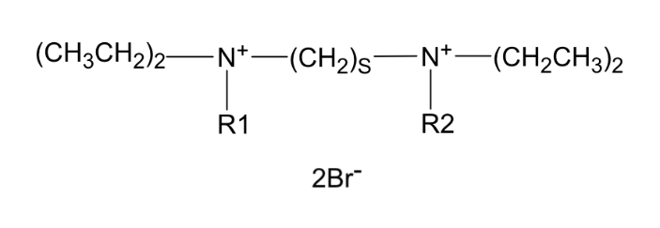 | QAS_4_12h | V4K | C4H8 | 4 | C12H25 | 12 | 12 | C36H78N2 | Br- | -2.650 | 45
 |  | QAS_8_12h | V8K | C8H16 | 8 | C12H25 | 12 | 12 | C40H86N2 | Br- | -3.344
 |  | QAS12_12h | V0K | C12H24 | 12 | C12H25 | 12 | 12 | C44H94N2 | Br- | -3.967
 | 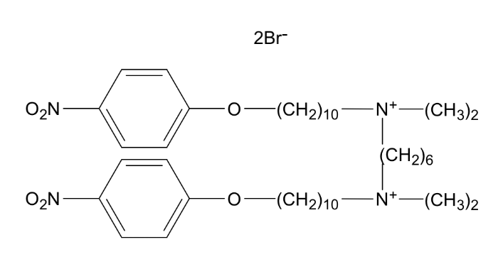 | QAS_6_13i | Q6L | C6H12 | 6 | C10H20-O-B-O | 13 |  | C42H76N4O6 | Br- | -6.700 | 45
 | 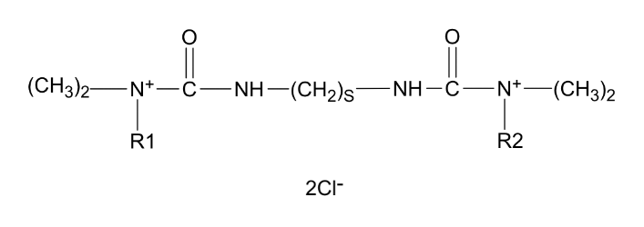 | QAS_2_12j | Q2M | C2H4 | 2 | C12H25 | 12 | 12 | C32H68N4O2 | Cl- | -3.359 | 45
 |  | QAS_6_12j | Q6M | C6H12 | 6 | C12H25 | 12 | 12 | C36H76N4O2 | Cl- | -4.053
 |  | QAS12_12j | Q0M | C12H24 | 12 | C12H25 | 12 | 12 | C42H88N4O2 | Cl- | -5.094
 | 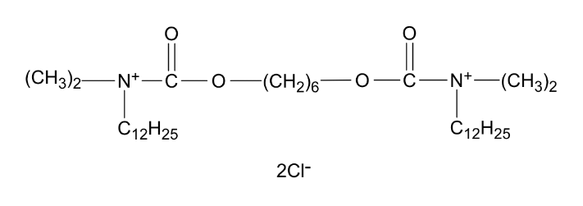 | QAS_6_12k | Q6N | C6H12 | 6 | C12H25 | 12 | 12 | C36H74N2O4 | Cl- | -4.053 | 45
 | 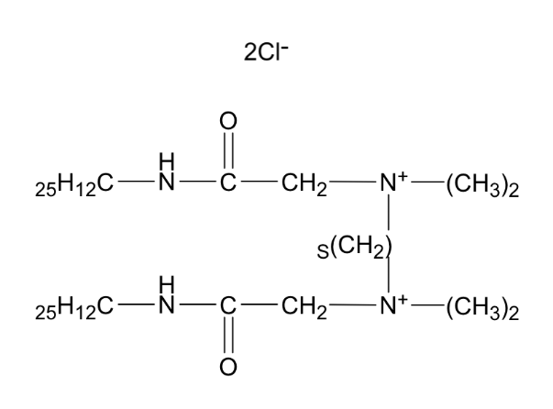 | QAS_2_15l | Q2R | C2H4 | 2 | C12H25 | 15 | 16 | C34H72N4O2 | Cl- | -3.932 | 45
 |  | QAS_6_15l | Q6R | C6H12 | 6 | C12H25 | 15 | 16 | C38H80N4O2 | Cl- | -4.626
 | 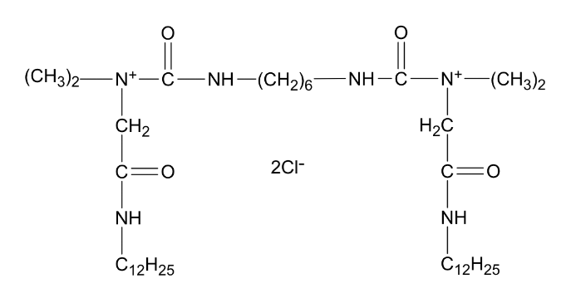 | QAS_6_15m | Q6S | C6H12 | 6 | C12H25 | 15 | 17 | C40H82N6O4 | Cl- | -5.724 | 45
 | 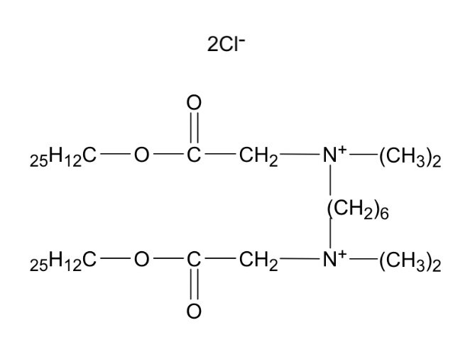 | QAS_6_15n | Q6P | C6H12 | 6 | C12H25 | 15 | 17 | C38H78N2O4 | Cl- | -4.626 | 45
tQAS | 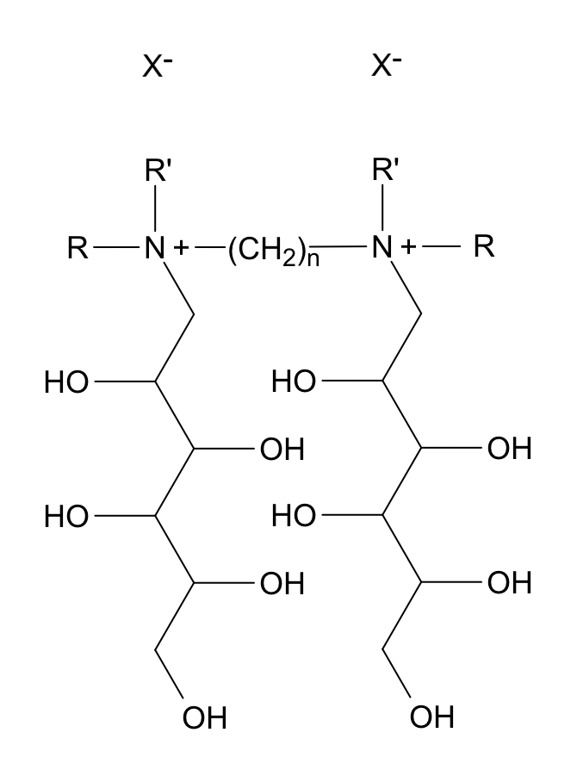 | tQS_6_1212 | T6A | (CH2)6 | 6 | R1: C12H25 R2: C12H25 | 12 & 12 | 30 | C66H138N2O10 | I | -10.372 | 49
 |  | tQS_6_1012 | T6B | (CH2)6 | 6 | R1: C10H21 R2: C12H25 | 10 & 12 | 28 | C62H130N2O10 | I | -9.678
 |  | tQS_6_0812 | T6C | (CH2)6 | 6 | R1: C8H17 R2: C12H25 | 8 & 12 | 26 | C58H122N2O10 | I | -8.984
 |  | tQS_4_1212 | T4A | (CH2)4 | 4 | R1: C12H25 R2: C12H25 | 12 & 12 | 30 | C64 H134 N2 O10 | I | -10.025
 |  | tQS_4_1203 | T4B | (CH2)4 | 4 | R1: C12H25 R2: C3H7 | 12 & 3 | 21 | C46 H98 N2 O10 | I | -6.900
 |  | tQS_4_1202 | T4C | (CH2)4 | 4 | R1: C12H25 R2: C2H5 | 12 & 2 | 20 | C44H94N2O10 | I | -6.511
 |  | tQS_4_1003 | T4E | (CH2)4 | 4 | R1: C10H21 R2: C3H7 | 10 & 3 | 19 | C42 H90 N2 O10 | I | -6.206
 |  | tQS_4_1002 | T4F | (CH2)4 | 4 | R1: C10H21 R2: C2H5 | 10 & 2 | 18 | C40 H86 N2 O10 | I | -5.817
 |  | tQS_4_0803 | T4H | (CH2)4 | 4 | R1: C8H17 R2: C3H7 | 8 & 3 | 17 | C38 H82 N2 O10 | I | -5.512
 |  | tQS_4_0802 | T4I | (CH2)4 | 4 | R1: C8H17 R2: C2H5 | 8 & 2 | 16 | C36 H78 N2 O10 | I | -5.122
 | 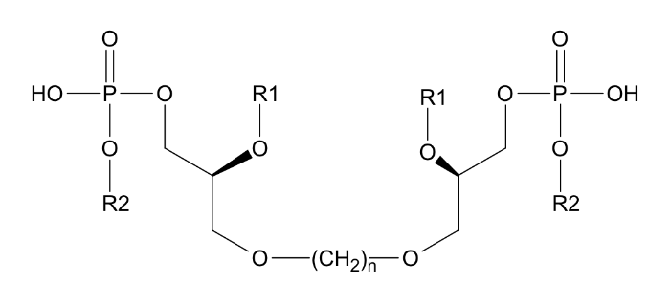 | tQ20_1005 | TQA | CH2 | 20 | R1: (CH2)9CH3 R2: CH2CH2-N(CH3)3 | 1 |  | C56 H120 P4 N2 O20 | PO4 | -16.158 | 47
 |  | tQ16_1005 | TQB | CH2 | 16 | R1: (CH2)9CH3 R2: CH2CH2-N(CH3)3 | 1 |  | C48 H104 P4 N2 O20 | PO4 | -4.158
Adamantane | 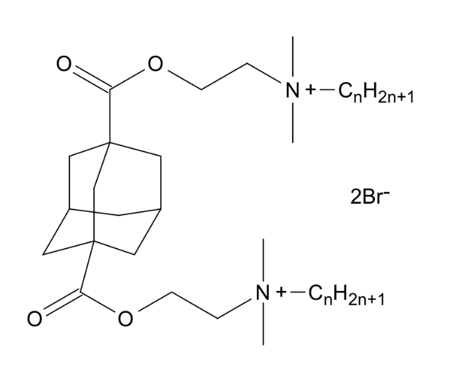 | Adm_1_12 | AD1 | C10H16 | 1 | C12H25 | 12 | 12 | C44H84N2O4 | Br | -6.568 | 41
 |  | Adm_1_14 | AD2 | C10H16 | 1 | C14H29 | 14 | 14 | C48H92N2O4 | Br | -7.263
 |  | Adm_1_16 | AD3 | C10H16 | 1 | C16H33 | 16 | 16 | C52H100N2O4 | Br | -7.957
Acetyl | 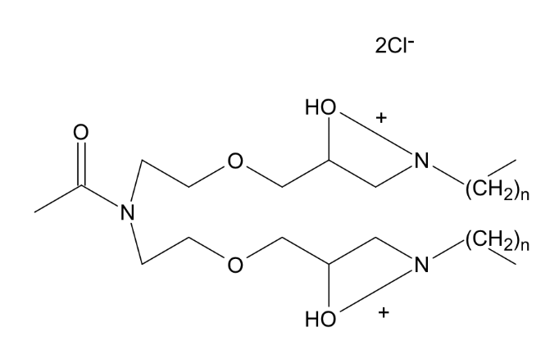 | Act_2_08 | AC1 | NC2OH3 | 2 | C8H17 | 8 | 8 | C32H69N3O5 | Cl | -4.158 | 42
 |  | Act_2_12 | AC2 | NC2OH3 | 2 | C12H25 | 12 | 12 | C40H85N3O5 | Cl | -5.547
 |  | Act_2_18 | AC3 | NC2OH3 | 2 | C18H37 | 18 | 18 | C52H109N3O5 | Cl | -7.630
 | 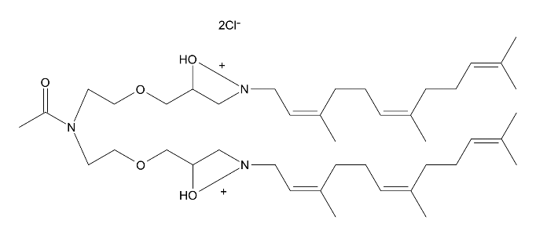 | Act_2_12b | AC4 | NC2OH3 | 2 | C13H22 | 12 | 12 | C46H85N3O5 | Cl | -7.582 | 42
 | 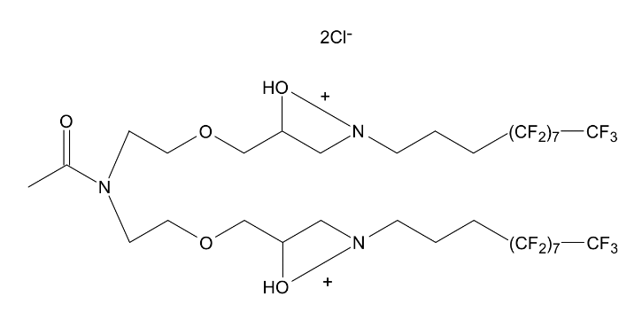 | Act_2_11c | AC5 | NC2OH3 | 2 | C11H6F17 | 11 | 11 | C38H47F34N3O5 | Cl | -16.158 | 42
Pyridine | 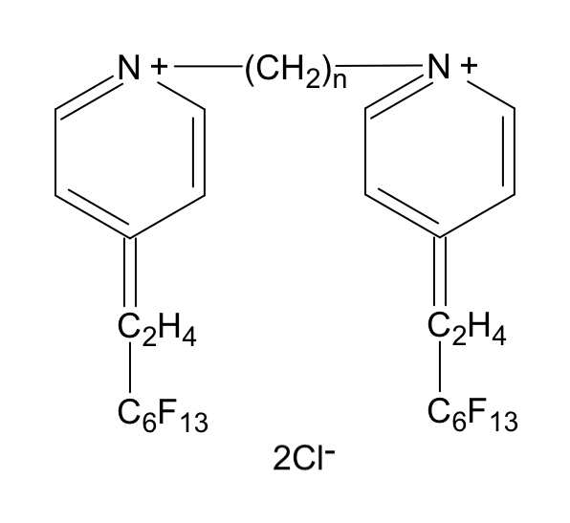 | Pyr_3_08 | PY1 | C3H6 | 3 | C8H4F13 | 8 | 13 | C29H22F26N2 | Cl | -10.293 | 25
 |  | Pyr_4_08 | PY2 | C4H8 | 4 | C8H4F13 | 8 | 13 | C30H24F26N2 | Cl | -10.466
 |  | Pyr_8_08 | PY3 | C8H16 | 8 | C8H4F13 | 8 | 13 | C34H32F26N2 | Cl | -11.160
 |  | Pyr12_08 | PY4 | C12H24 | 12 | C8H4F13 | 8 | 13 | C38H40F26N2 | Cl | -11.855
Oleyl | 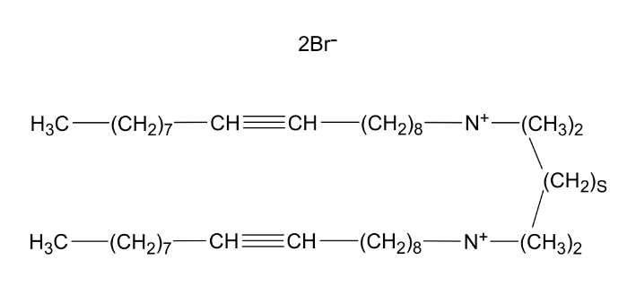 | Ole_2_18 | OL2 | C2H4 | 2 | C18H37:1 | 18 | 18 | C42H86N2 | Br- | -4.344 | 45
 |  | Ole_3_18 | OL3 | C3H6 | 3 | C18H37:1 | 18 | 18 | C43H88N2 | Br- | -4.518
 |  | Ole_6_18 | OL6 | C6H12 | 6 | C18H37:1 | 18 | 18 | C46H94N2 | Br- | -5.038
Glucose | 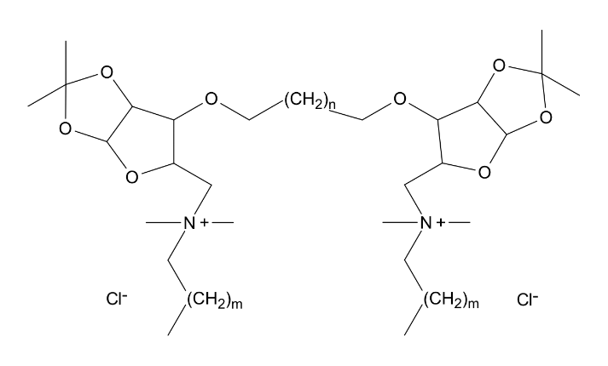 | Glu_6_06 | GL1 | C6H12 | 6 | C6H13 | 6 | 6 | C44H86N2O8 | Cl | -8.054 | 32
 |  | Glu_8_06 | GL2 | C8H16 | 8 | C6H13 | 6 | 6 | C46H90N2O8 | Cl | -8.401
 |  | Glu_6_12 | GL3 | C6H12 | 6 | C12H25 | 12 | 12 | C52H102N2O8 | Cl | -9.442
 |  | Glu_8_12 | GL4 | C8H16 | 8 | C12H25 | 12 | 12 | C58H114N2O8 | Cl | -10.484
imidazolium | 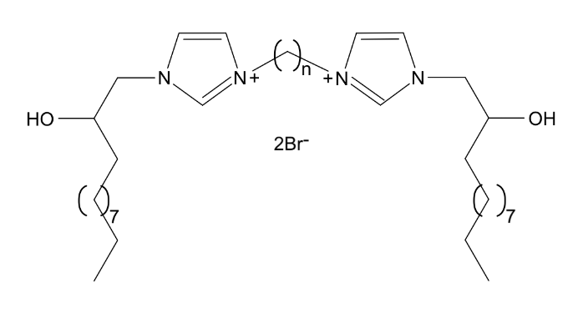 | Imi_3_12 | M3A | C3H6 | 3 | C12H25-OH | 12 | 17 | C33H62N4O2 | Br- | -3.507 | 31
 |  | Imi_4_12 | M4A | C4H8 | 4 | C12H25-OH | 12 | 17 | C34H64N4O2 | Br- | -3.681
 |  | Imi_5_12 | M5A | C5H10 | 5 | C12H25-OH | 12 | 17 | C35H66N4O2 | Br- | -3.854
 |  | Imi_6_12 | M6A | C6H12 | 6 | C12H25-OH | 12 | 17 | C36H68N4O2 | Br- | -4.028
 |  | Imi_8_12 | M8A | C8H16 | 8 | C12H25-OH | 12 | 17 | C38H72N4O2 | Br- | -4.375
 | 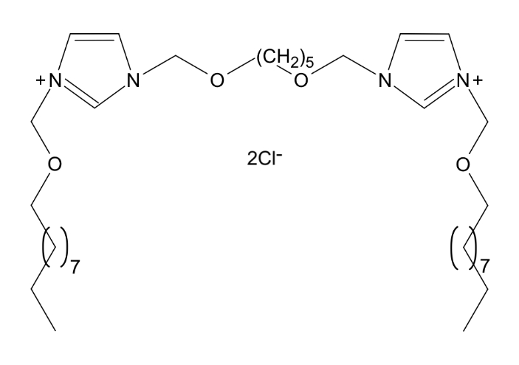 | Imi_5_10b | M5B | CH2 | 5 | CH2 | 10 | 11 | C35H66N4O4 | Cl- | -3.926 | 30
 |  | Imi_5_06b | M5C | CH2 | 5 | CH2 | 6 | 7 | C27H50N4O4 | Cl- | -2.537 | 29
 |  | Imi_5_07b | M5D | CH2 | 5 | CH2 | 7 | 8 | C29H54N4O4 | Cl- | -2.884
 |  | Imi_5_16b | M5E | CH2 | 5 | CH2 | 16 | 17 | C47H90N4O4 | Cl- | -6.009
 |  | Imi_6_12c | M6B | CH2O-(CH2)4-CH2O | 6 | CH2 | 12 | 15 | C38H72N4O2 | Cl- | -4.100 | 28
 |  | Imi10_12c | M0A | CH2O-(CH2)8-CH2O | 10 | CH2 | 12 | 15 | C40H76N4O2 | Cl- | -4.447
 |  | Imi_2_10d | M2C | CH2 | 2 | C10H21 | 10 | 13 | C28H52N4 | Br- | -2.017 | 31
 |  | Imi_4_10d | M4C | CH2 | 4 | C10H21 | 10 | 13 | C30H56N4 | Br- | -2.364
 |  | Imi_6_10d | M6C | CH2 | 6 | C10H21 | 10 | 13 | C32H60N4 | Br- | -2.711
 |  | Imi_2_12d | M2D | CH2 | 2 | C12H25 | 12 | 15 | C32H60N4 | Br- | -2.711
 |  | Imi_4_12d | M4D | CH2 | 4 | C12H25 | 12 | 15 | C34H64N4 | Br- | -3.058
 |  | Imi_6_12d | M6D | CH2 | 6 | C12H25 | 12 | 15 | C36H68N4 | Br- | -3.405
 |  | Imi_2_14d | M2E | CH2 | 2 | C14H29 | 14 | 17 | C36H68N4 | Br- | -3.405
 |  | Imi_4_14d | M4E | CH2 | 4 | C14H29 | 14 | 17 | C38H72N4 | Br- | -3.752
 |  | Imi_6_14d | M6E | CH2 | 6 | C14H29 | 14 | 17 | C40H76N4 | Br- | -4.100
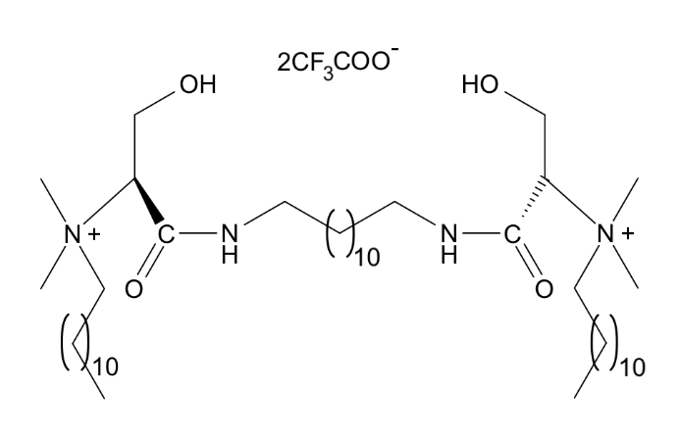 Serine | 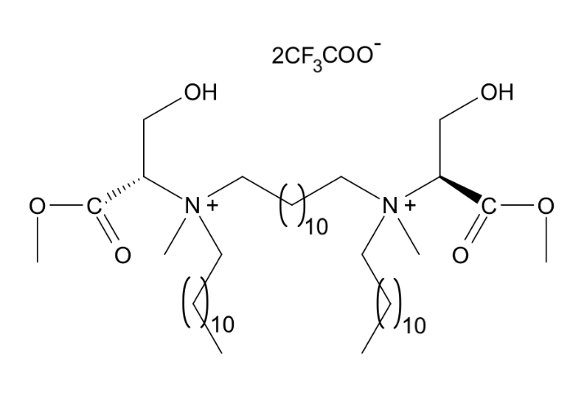 | Srn12_12 | SE1 | C12H24 | 12 | C12H25 | 12 | 12 | C46H94N2O6 | CF3COO | -5.853 | 44
 |  | Srn12_12b | SE2 | C12H24 | 12 | C12H25 | 12 | 12 | C46H96N4O4 | CF3COO | -6.166 | 44
 | 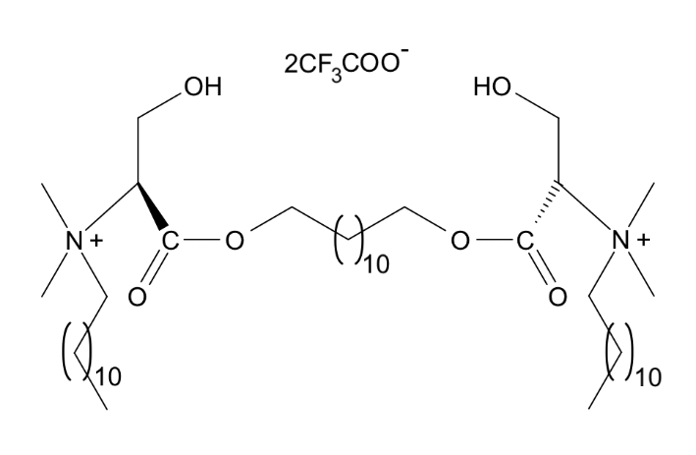 | Srn12_12c | SE3 | C12H24 | 12 | C12H25 | 12 | 12 | C46H94N2O6 | CF3COO | -6.166 | 44
Sacharide | 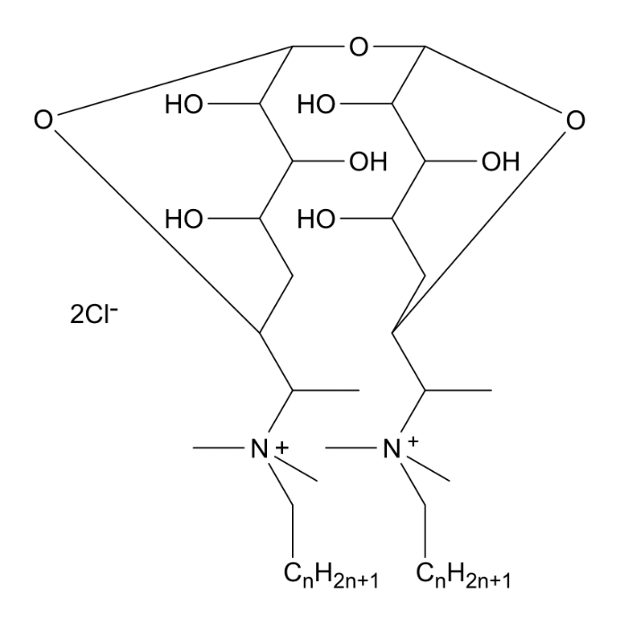 | Sch_1_11 | SA1 | O | 1 | C11H23 | 11 | 11 | C44H90N2O9 | Cl | -7.336 | 7
 |  | Sch_1_13 | SA2 | O | 1 | C13H27 | 13 | 13 | C48H98N2O9 | Cl | -8.031
Gluconamid | 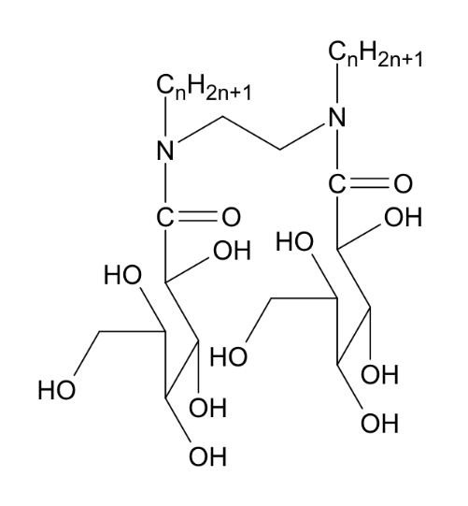 | Glc_2_08 | GU1 | C2H4 | 2 | C8H17 | 8 |  | C30H60N2O12 | N/A | -4.304 | 33
diGalactose |  | dGl10_05 | DGU | C10H20 | 10 |  | 5 | 5 | C24H42O14 | HCl | -3.674 | 33
bifunction | 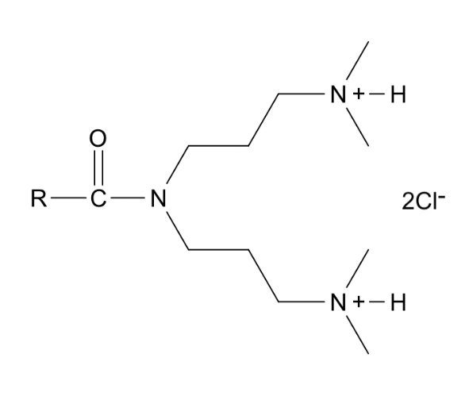 | Bfn11_01 | BF1 | N-CO-C11H23 | 11 | C5NH13 | 1 | 4 | C22H49N3O1 | Cl- | -0.941 | 38
 |  | Bfn13_01 | BF3 | N-CO-C13H27 | 13 | C5NH13 | 1 | 4 | C24H53N3O1 | Cl- | -1.288
 |  | Bfn15_01 | BF5 | N-CO-C15H31 | 15 | C5NH13 | 1 | 4 | C26H57N3O1 | Cl- | -1.635
Aza | 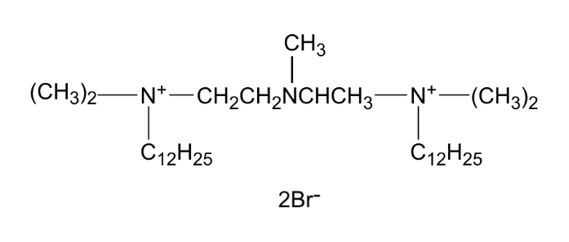 | Aza_5_12 | AZ5 | C5N | 5 | C12H25 | 12 | 12 | C33H73N3 | Br- | -3.087 | 45
 |  | Aza_8_12 | AZ8 | C8N | 8 | C12H25 | 12 | 12 | C36H80N4 | Br- | -3.913 | 45
 |  | Aza_7_12 | AZ7 | C7N | 7 | C12H25 | 12 | 12 | C35H77N3 | Br- | -3.434 | 45
Imino |  | Imo_7_12 | IMO | C7NH | 7 | C12H25 | 12 | 12 | C34H75N3 | Br- | -3.129 | 45
O-QAS |  | oQS_5_12 | OQS | (CH2)2O(CH2)2 | 5 | C12H25 | 12 | 12 | C32H70N2O1 | Br- | -2.782 | 45
hQAS |  | hQS_1_12 | HQ1 | N | 1 | C12H25 | 12 | 12 | C52H109N6O3 | Cl- | -8.162 | 45
 |  | hQS_1_12b | HQ2 | N | 1 | C12H25 | 12 | 12 | C54H114N7O3 | Cl- | -8.734 | 45

