Mamdoudé - Drawings
Kebbé Mamdoudé

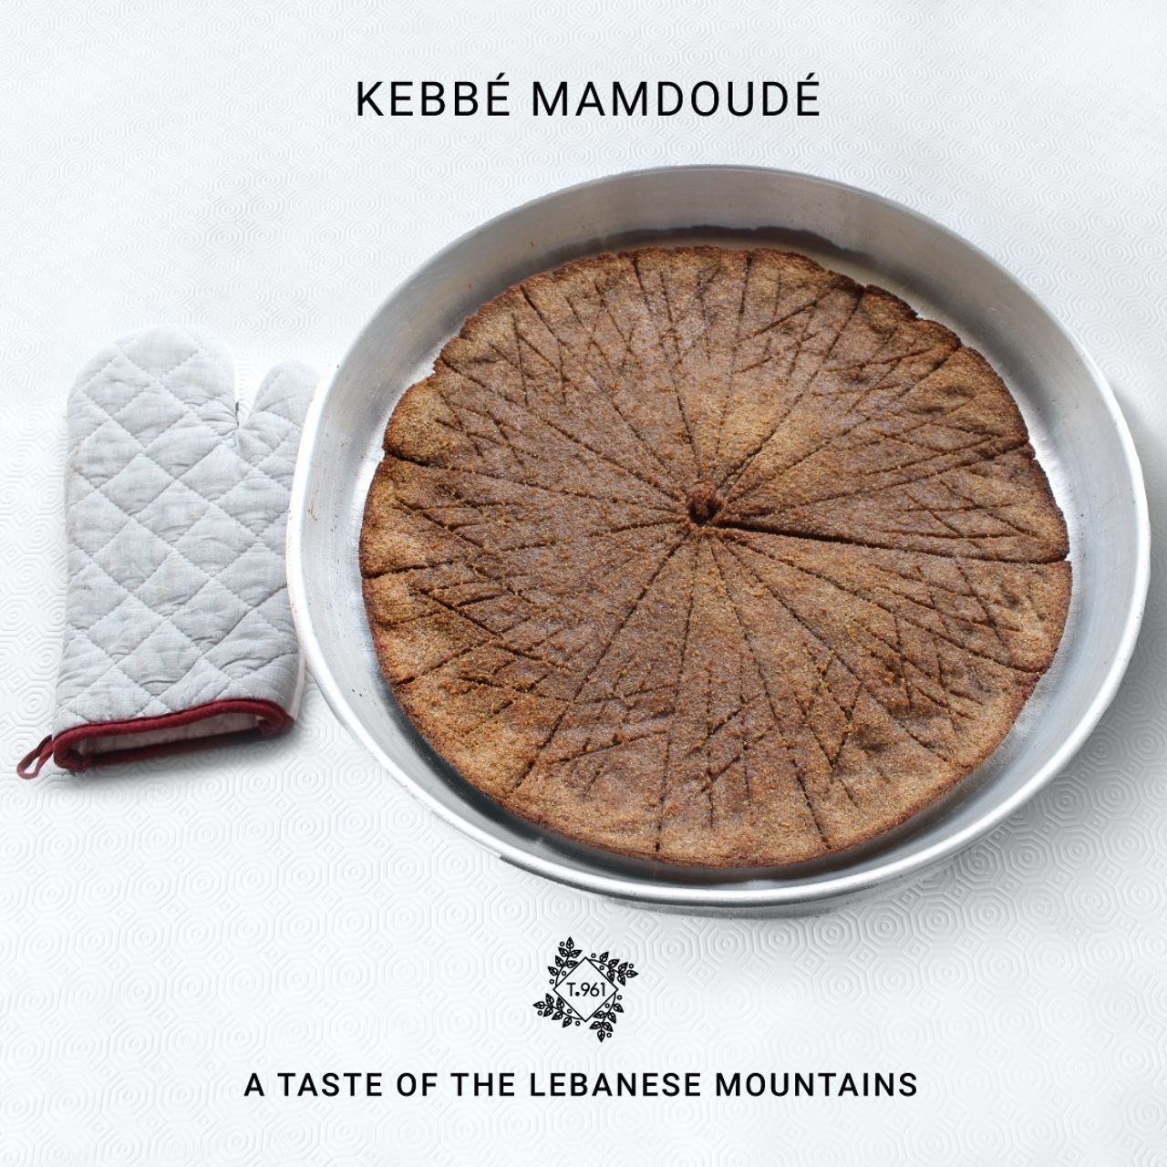
.

Bl Sayniyé - Drawings
Kebbé Bl Sayniyé

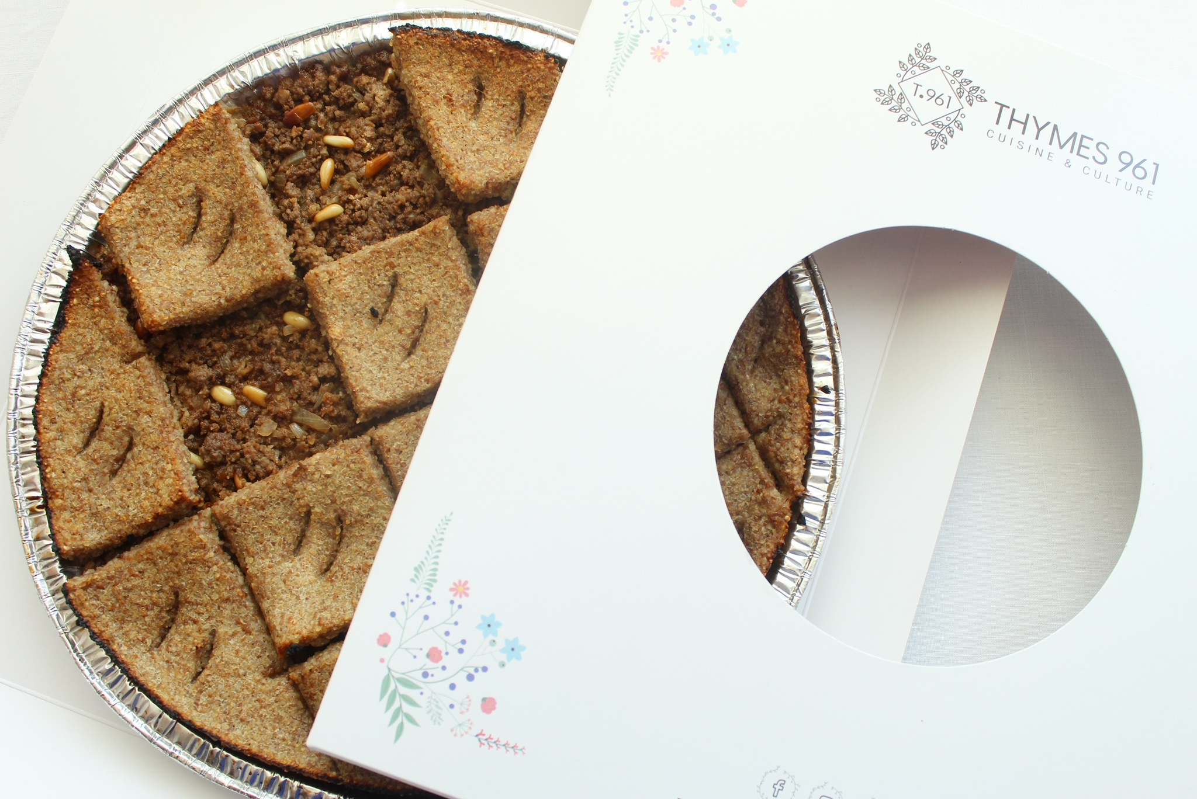
.

Feta Kebbé - Drawings
Feta Kebbé

Onion & Pine - Drawings
Onion & Pine Nuts

Nayyé - Drawings
Kebbé Nayyé

Hommos Kebbé - Drawings
Hommos Kebbé

Bou Emné - Drawings
Kebbé Bou Emné

La'tine - Drawings
Kebbet La’tin

Spiced Butter E'rass - Drawings
Spiced Butter E’rass (1 Unit)

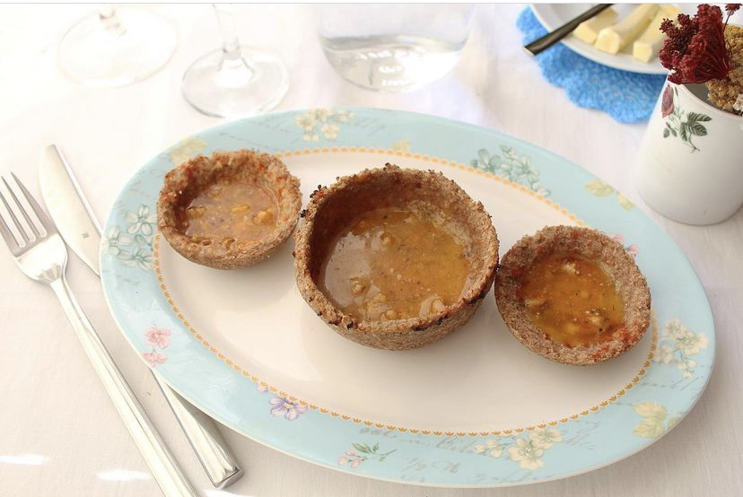
Type to enter a caption.

Kabkoub Acovado - Drawings
Kabkoubé Avocado (1 size)

Kabkoub Feta - Drawings
Kabkoubé Feta

Kabkoub Onion - Drawings
Kabkoubé Onion & Almonds

Kabkoub Eggplant - Drawings
Kabkoubé Eggplant

Meat Kabkoub - Drawings
Meat Kabkoubé

Tzatziki Kabkoub - Drawings
Kabkoubé Taztziki

TZATZIKI 260g
1 large cucumber
1 ½ cups Labné
2 tablespoons extra-virgin olive oil
2 tablespoons chopped fresh mint and/or dill
1 tablespoon lemon juice
2 medium cloves garlic
½ teaspoon fine sea salt

Vegan Tartelettes - Drawings
Vegan Tartelettes

Tahini Sauce
5 Tbsp Tahini
4 Tbsp lemon juice
3 water
Salt 1/2 tsp
Paprika 1 tsp
Red pepper 1/2 tsp
Hommos 350 G
250 g Chickpeas
4 Tbsp Tahini
1 tsp garlic
2 tbsp lemon juice

Other - Outsourced
Other Main Menu outsources Items

Please note that the following items will be prepared in our kitchen in Ehden & direct cost is per final unit.
Kebbé Zghwertewiyé with Fat ( 2 sizes)
Kebbé Zghweretwiyé with Meat ( 2 sizes)
E’rass La’tine (1 size)
E’rass Kebbé Hazineh (1 size)
Kabkoubé minced meat (small size)

