Table 1
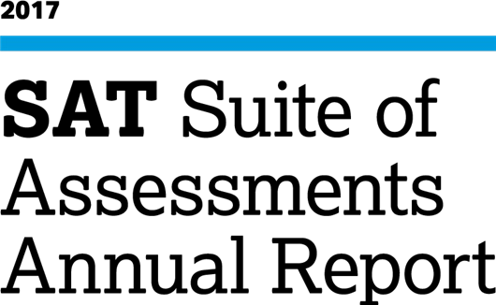
Total Group

Table 23
120,043 7%
Reading | 16,637 | 79,201 | 353,272 | 316,490 | 293,143 | 93,524 | 50,373 | 5 | 1
Analysis | 7,818 | 37,315 | 136,461 | 218,208 | 289,331 | 216,261 | 297,246 | 4 | 1
Writing | 15,741 | 72,773 | 357,723 | 302,300 | 293,397 | 101,592 | 59,114 | 5 | 1

