Table 1
California

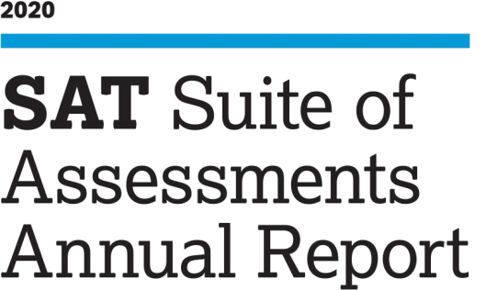

About This Report This report presents data on students in the class of 2020 who took the current SAT® during high school, as well as takers of PSAT-related assessments—the PSAT/NMSQT®, PSAT™ 10, and PSAT™ 8/9—during the 2019-20 school year. Within each assessment, test takers are counted only once and only their latest scores and most recent demographic responses are summarized. Most students supply optional demographic information when they register for or take tests in the SAT Suite of Assessments, which provides valuable contextual information to aid in interpreting and understandi.. Score Ranges Here are the ranges for reported scores for the Evidence-Based Reading and Writing (ERW) and Math sections of each assessment in the SAT Suite: · SAT sections: 200–800 · PSAT/NMSQT and PSAT 10 sections: 160–760 · PSAT 8/9 sections: 120–720 Race/Ethnicity Data Collection and Reporting In June 2015, the College Board aligned its collection and reporting of race/ethnicity categories with U.S. Department of Education guidelines. In addition, while previous SAT cohort assignment reflected self-reported information collected during SAT or SAT Subject Test registration only, it now leverages the most recent information from the SAT, PSAT-related assessment, or AP programs in an effort to more closely align with school, district, and state data systems. For these reasons, we advise caution when comparing data points in this report to those in previous reports. Caveat on Using the Data Relationships between test scores and other background or contextual factors are complex and interdependent. Caution is warranted when using scores to compare or evaluate teachers, schools, districts, or states, because of differences in participation and test taker populations. Statistical Definitions Mean score: The mean score is the arithmetic average of a defined set of test scores. Mean score statistics are reported here if there are ten or more students in a group or subgroup. Due t |  |  | College and Career Readiness Benchmarks Each assessment in the SAT Suite has an associated set of metrics called the College and Career Readiness Benchmarks. · The SAT Math benchmark is the section score associated with a 75% chance of earning at least a C in first-semester, credit-bearing, college-level courses in algebra, statistics, precalculus, or calculus. · The SAT Evidence-Based Reading and Writing (ERW) benchmark is associated with a 75% chance of earning at least a C in first-semester, credit-bearing, college-level courses in history, literature, social science, or writing. The grade-level benchmark scores for PSAT-related assessments are based on expected student growth toward the SAT benchmarks at each grade. While SAT benchmarks indicate likelihood of success in college, grade-level benchmarks indicate whether a student is on track for college and career readiness for their grade. The benchmarks are set to reflect typical annual growth from year to year from 8th thr.. The current SAT Suite benchmark outcomes should not be compared against results from the old SAT or PSAT/NMSQT, as the score scale and benchmark definitions have changed. Benchmark statistics are reported if there are ten or more students in a group or subgroup. About the College Board The College Board is a mission-driven not-for-profit organization that connects students to college success and opportunity. Founded in 1900, the College Board was created to expand access to higher education. Today, the membership association is made up of over 6,000 of the world’s leading educational institutions and is dedicated to promoting excellence and equity in education. Each year, the College Board helps more than seven million students prepare for a successful transition to college through programs and services in college readiness and college success—including the SAT® and the Advanced Placement Program® (AP®). The organization also serves the education community through research and advocacy

Assessment/ Grade level | ERW Section Score | Math Section Score
SAT | 480 | 530
Grade 11 | 460 | 510
Grade 10 | 430 | 480
Grade 9 | 410 | 450
Grade 8 | 390 | 430

