Notes
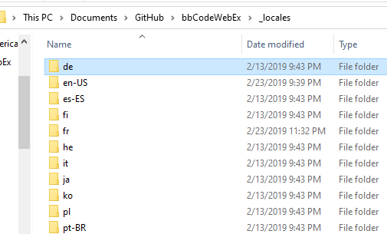
You need to export the contents of this spreadsheet, you run the macro "export_localizations", which exports the menu (DefMenu) files and the localizations as CSV to the C:\Moo\bbCodeWebex_Temp\ directory. It transposes the localizations before saving it to disk as a JSON.
You then run the command file update_jsons.cmd, which converts the Excel export, which is NOT UFT8 into UTF-8 files in the C:\Moo\bbCodeWebex_Temp\utf8 directory
Inspect the files.
Copy the requisite files to their locations for the menu and localizations

Old Stuff
For the menu, use https://www.csvjson.com/csv2json WITHOUT "transpose", array (not hash), and "parse json" selected. This will give you the main menu as JSON. Save to the data directory as DefMenu.json (Fig 1)
To save localizations, use https://www.csvjson.com/csv2json WITH "transpose", array (not hash), and "parse json" selected. The macro "export_localizations" automatically exports in all of the different supported languages. (Fig 2)

