Hourly_Demand
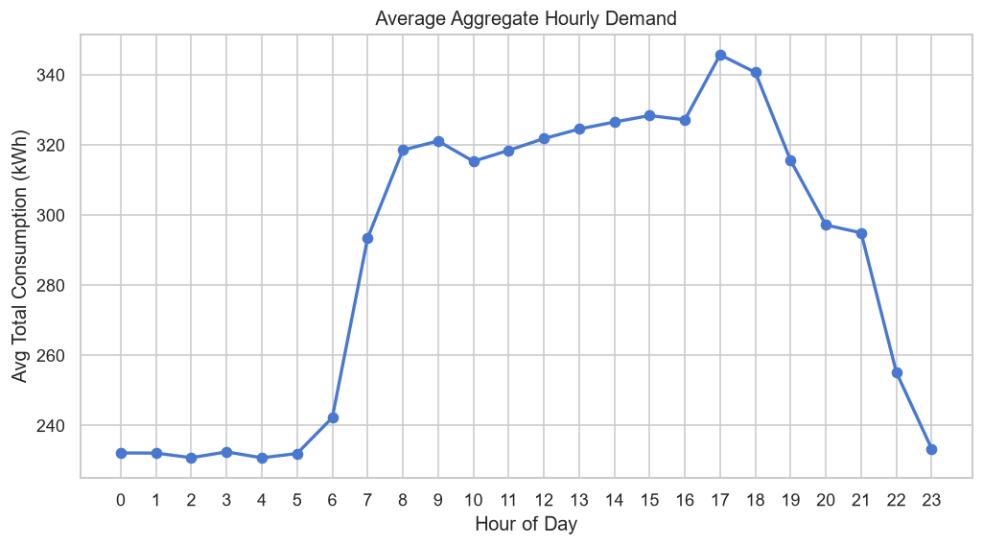
hour | avg_aggregate_demand
0 | 232.1679
1 | 232.1176
2 | 230.8147
3 | 232.4696
4 | 230.7815
5 | 232.0047
6 | 242.2491
7 | 293.3911
8 | 318.5251
9 | 321.1003
10 | 315.3142
11 | 318.4324
12 | 321.7898
13 | 324.5121
14 | 326.513
15 | 328.3559
16 | 327.1496
17 | 345.6856
18 | 340.6643
19 | 315.5475
20 | 297.1556
21 | 294.921
22 | 255.1487
23 | 233.3771

Weather_Analysis
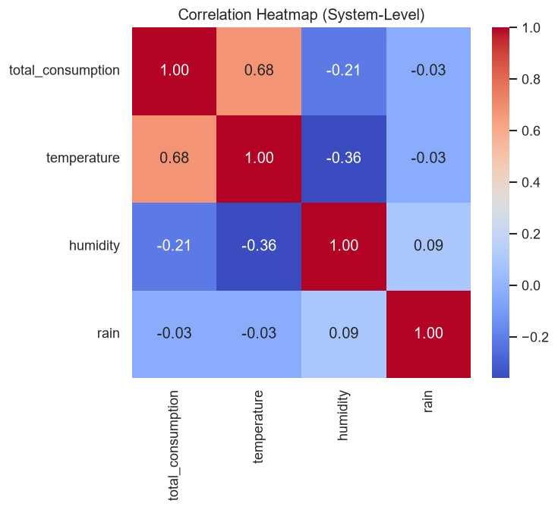
Weather Variable | Correlation with Demand
temperature | 0.6807
humidity | -0.2119
rain | -0.0341

Segment_Analysis
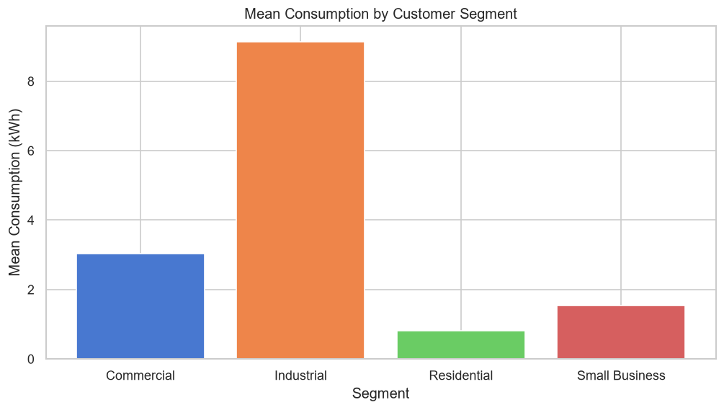
segment | mean | median | total | std | count
Commercial | 3.033 | 2.916 | 173145.196 | 1.3488 | 57087
Industrial | 9.1323 | 8.226 | 521337.837 | 2.9204 | 57087
Residential | 0.8182 | 0.656 | 46692.755 | 0.5453 | 57067
Small Business | 1.5422 | 1.301 | 88046.824 | 0.9475 | 57090

Weekend_Analysis
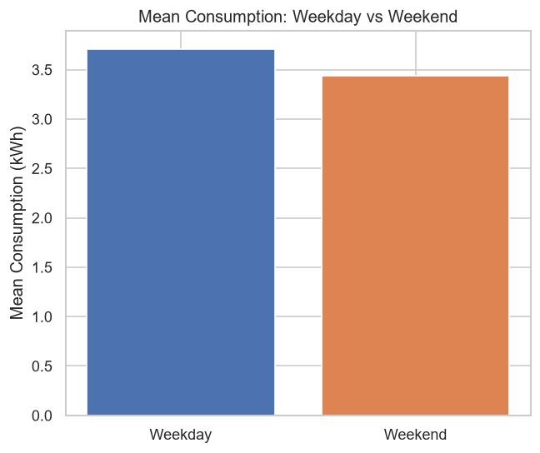
type | mean | median | total | count
Weekday | 3.7087 | 2.159 | 606932.255 | 163653
Weekend | 3.4369 | 1.832 | 222290.357 | 64678

Area_Analysis
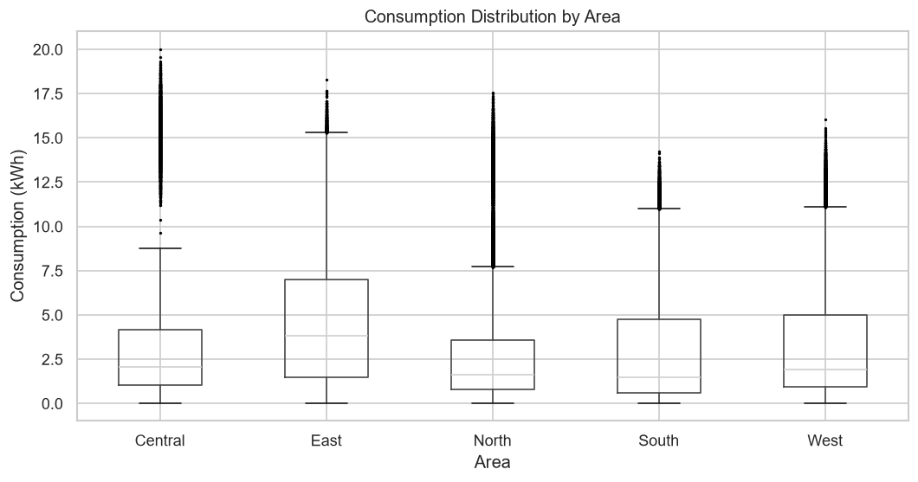
area | mean | median | std | total | count | cv
Central | 3.7137 | 2.066 | 4.2547 | 106029.262 | 28551 | 1.1457
East | 4.7636 | 3.831 | 3.8624 | 258182.566 | 54199 | 0.8108
North | 3.1548 | 1.64 | 3.6038 | 153055.785 | 48515 | 1.1423
South | 3.1887 | 1.472 | 3.4779 | 145576.731 | 45654 | 1.0907
West | 3.2362 | 1.926 | 3.1259 | 166378.268 | 51412 | 0.9659

Tariff_Analysis
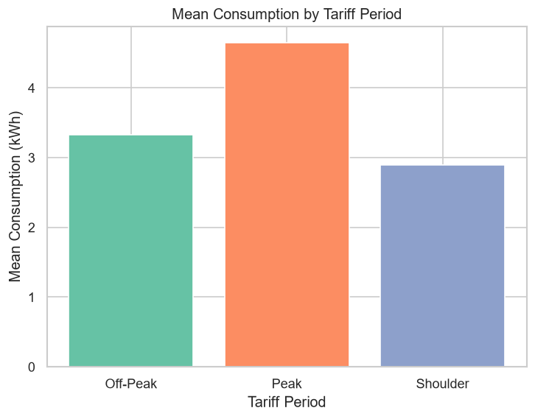
peak_period | mean | median | total | count
Off-Peak | 3.323 | 1.371 | 237220.77 | 71387
Peak | 4.647 | 3.26 | 364730.707 | 78487
Shoulder | 2.8968 | 1.645 | 227271.135 | 78457

