Cand. W. bifidus
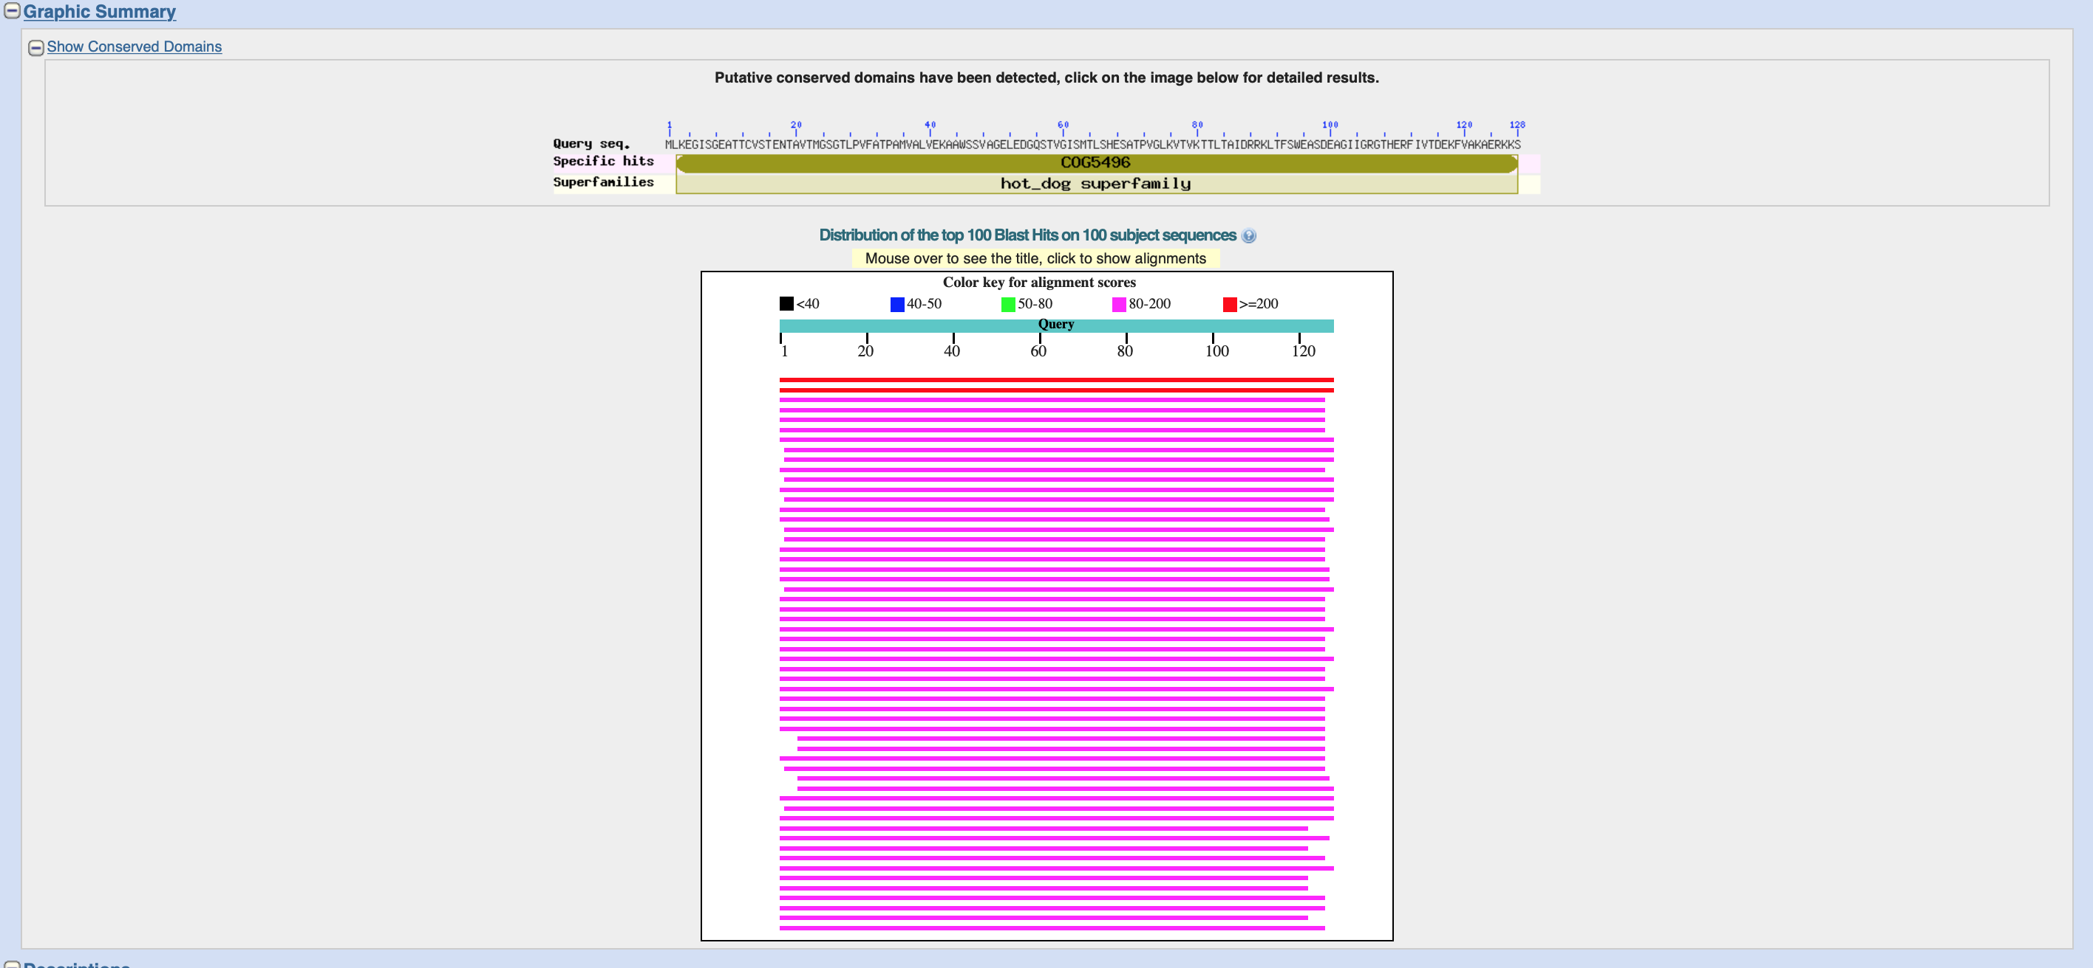
Graphic summary of BLAST results for thioesterase in Cand. Weimerbacter bifidus (Bin_04_1_242)

Cand. P. fermentans
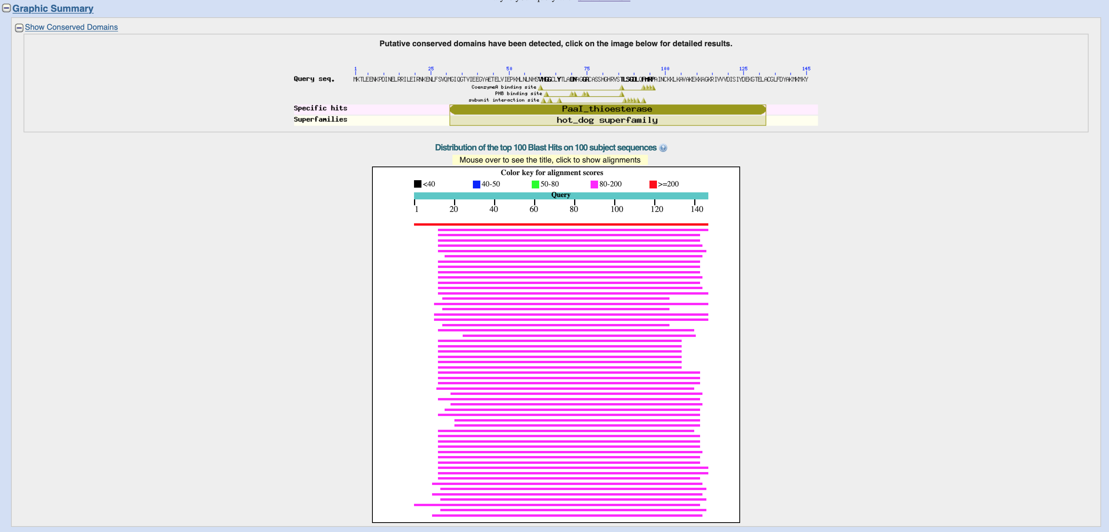
Graphic summary of BLAST results for thioesterase in Cand. Pseudoramibacter fermentans (Bin_02_3_309)

W. bifidus vs. P. fermentans
