1. Population Flow
Population Flow
Indicates the change of row and column size of the dataset
gas_data.csv
gas_data_cleaned.parquet
gas_data_cleaned_no_us.parquet
(37994, 12)
(12558, 8)
(12316, 8)
(12316, 8)

5. Visualizations & Recommendat
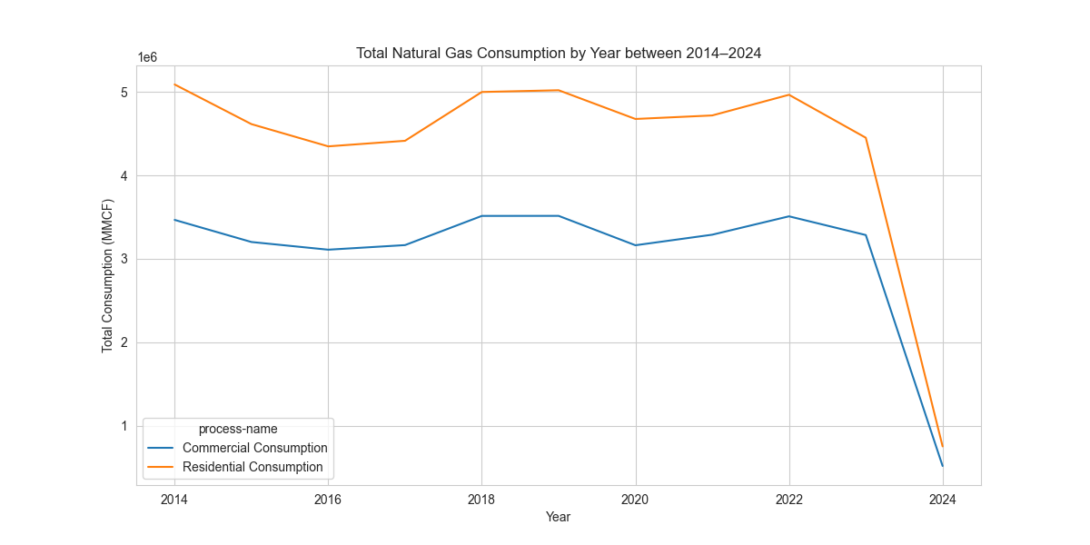
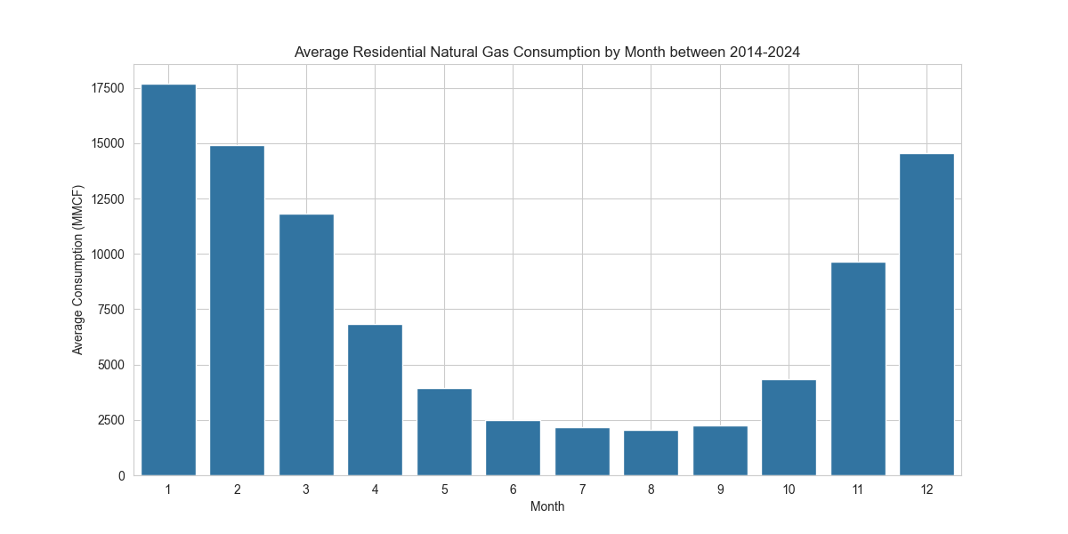
Visualizations & Recommendations

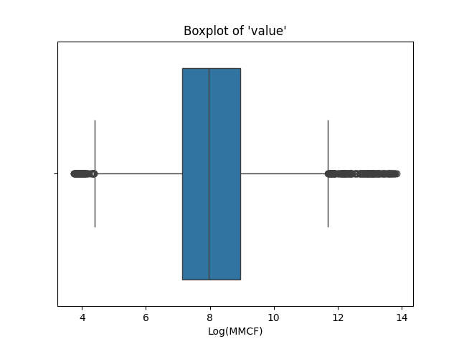
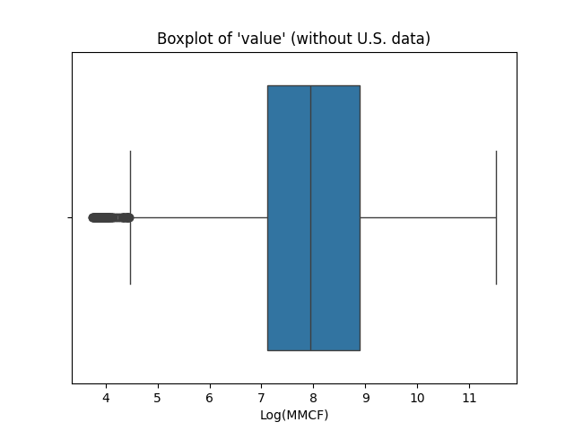
Visualization1: | US data has high values in the 'value' column that results to many outliers. Therefore it is filtered out before EDA.

Visualization2: | Below graphic demonstrates average residential natural gas usage. Usage was at its lowest in the summer months throughout the last 10 years. January has the highest peak of all months following by February and November

Visualization3: | It is interesting to see that the total natural gas usage of residential consumption has the lowest total consumption with around 0.5 M MMCF
 | Upon investigation: It seems like the data used for 2024 is limited to the first month of the year, therefore 2024 has the lowest residential natural gas consumption.
 | This graphic demonstrates that there is a sudden drop of natural gas consumption in 2020, this may be the indicator of Corona.

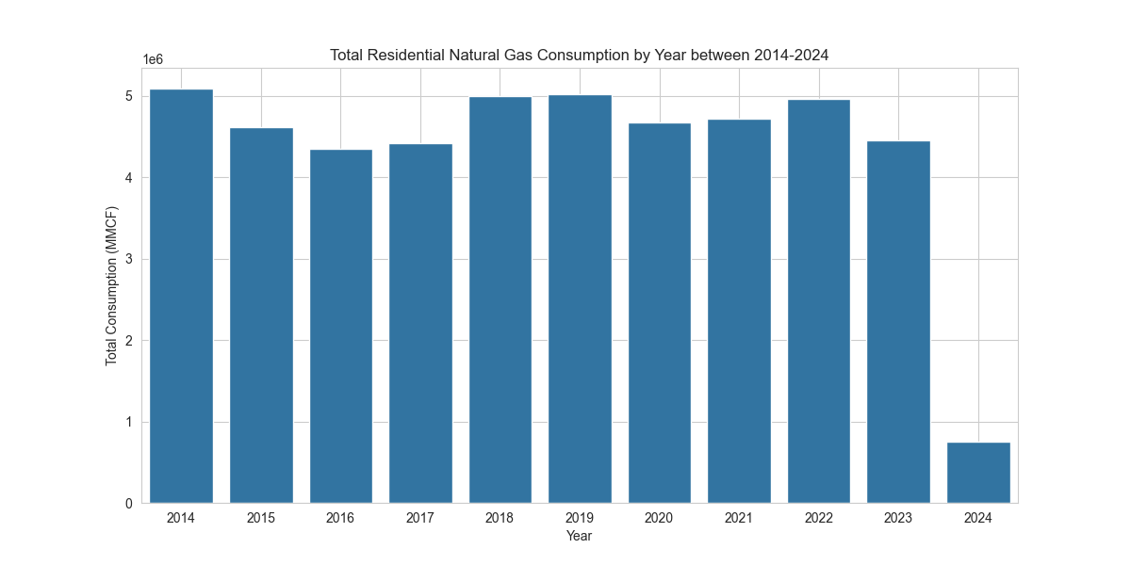

Visualization4: | The commercial natural gas consumption has its maximum peak on winter times like November, December, January whereas it has the lowest peak on summer months
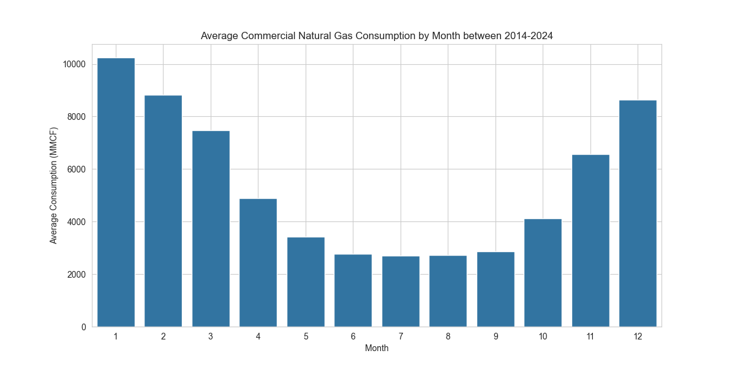

Visualization5: | Total Commercial Natural Gas Consumption has almost the same level in year 2014, 2018, 2019 and 2023 with around 3.5 M MMCF.

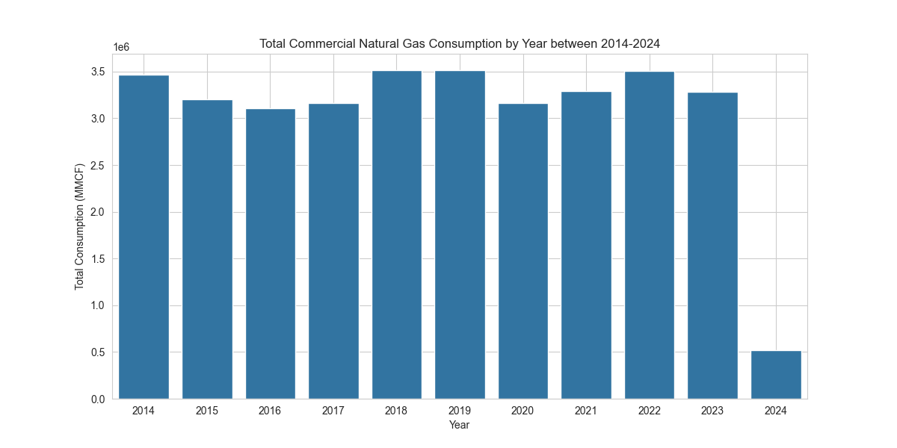

Visualization6: | The line plot shows monthly average natural gas consumption from 2014 to 2024, comparing residential and commercial sectors. Residential consumption peaks sharply in winter months, especially in January, while it drops significantly in summer. Commercial consumption follows a similar seasonal pattern but remains consistently lower than residential usage.

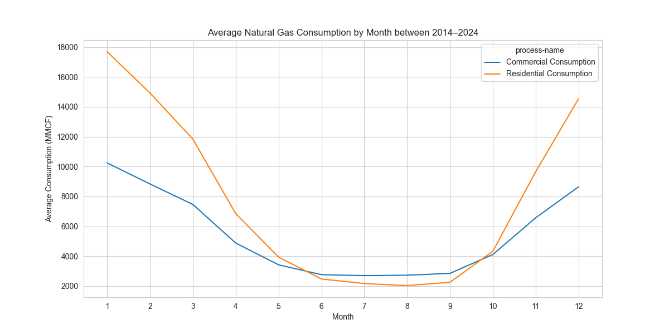

Visualization7: | The chart illustrates the annual total natural gas consumption for residential and commercial sectors from 2014 to 2024. Residential consumption consistently exceeds commercial usage throughout the years, with both showing a noticeable drop in 2024. This sharp decline in 2024 is likely due to incomplete data coverage, as only early months of the year may be included.

