ASVS Results
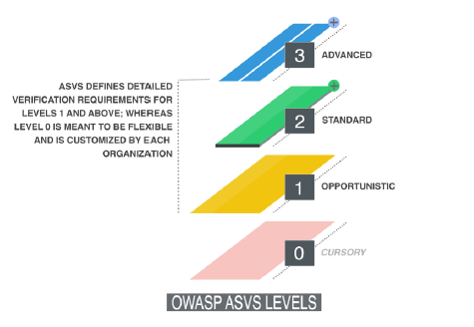
Security Category | Valid criteria | Total criteria | ASVS Level Acquired
Architecture | 0 | 11 | 0
Authentication | 0 | 26 | 0
Session Management | 0 | 13 | 0
Access Control | 0 | 12 | 0
Malicious Input Control | 0 | 21 | 0
Cryptography at Rest | 0 | 10 | 0
Error Handling and Logging | 0 | 13 | 0
Data Protection | 0 | 11 | 0
Communication Security | 0 | 13 | 0
HTTP Security | 0 | 8 | 0
Malicious Controls | 0 | 2 | 0
Business Logic | 0 | 2 | 0
Files and Resources | 0 | 9 | 0
Mobile | 0 | 11 | 0
Web Service | 0 | 10 | 0
Configuration | 0 | 10 | 0

