Data Structure Example
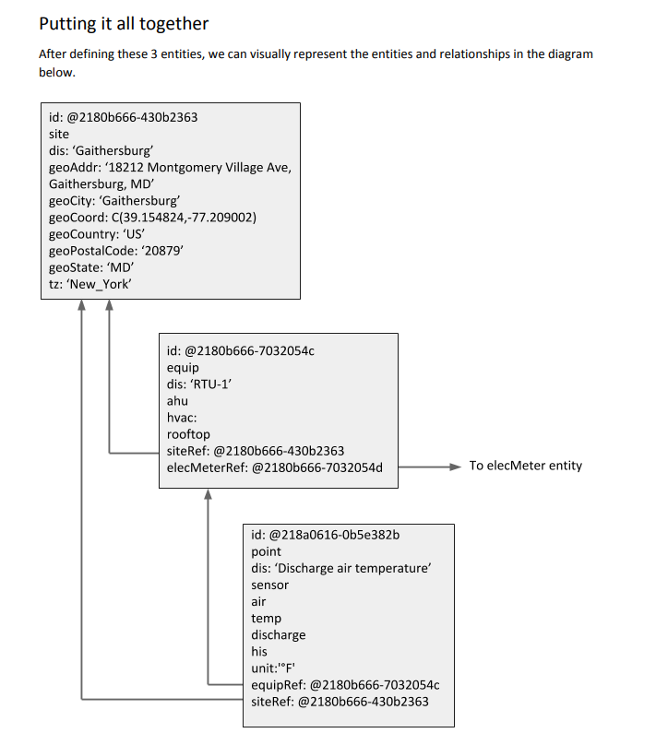
Section | Entity | Tag Name | Value | Data type | Explanation
1 | 1 - Entity Info Required | id | id number 1 | Ref | This is a unique id specific to the datbase storing the information. It is up to the application storing the data to create the ID for internal users.
1 |  | site | Marker_kind | Marker | This marker simply means that the entity is a site.
1 |  | dis | Springfield-Hanson | Str | This holds the display name associated with the site.
1.1 | 1.1 - Entity's additional info | geoAddr | 1525 South 6th Street Springfield, IL' | Str | Street address
1.1 |  | geoCity | Springfield' | Str | City name
1.1 |  | geoCoord | C(39.785234, -89.648820) | Coord | Geo coordinates.
1.1 |  | geoCountry | US' | Str
1.1 |  | geoCounty | Sangamon' | Str
1.1 |  | geoPostalCode | 62703' | Str
1.1 |  | geoState | IL | Str
1.1 |  | tz | https://project-haystack.org/download/tz.txt | Str | Call from linked list in Value column or Haystack TZ tab.
2 | 2 - Equipment Info | id | id number 2 | Ref | This is a unique id specific to the datbase storing the information. It is up to the application storing the data to create the ID for internal users.
2 |  | equip | Marker_kind | Marker | This is a marker tag indicating this entity as "equip" - a piece of equipment. It gives it an identifiable place in the hieracrchy: Site-Equip-Point
2 |  | dis | "RTU1" | Str | An example of equipment id (aka Tag Name)
2.1 | 2.1 - Equipment Marker Info | ahu | Marker_kind | Marker | Indicates this entity is an air handling unit.
2.1 |  | hvac | Marker_kind | Marker | Indicates this entity is associated with HVAC (vs lighting, electrical, etc.)
2.1 |  | rooftop | Marker_kind | Marker | Indicaets that this equipme is a rooftop type ahu
2.2 | 2.2 - Equipment relationships | siteRef | id number 1 | Ref | This ref indicates it belongs to the site Springfield-Hanson
2.2 |  | elecMeterRef | id number 3 | Ref | This ref indicates associates this ahu with a specific energy meter (the meter has not been defined in this document, it is an example.)
3 | 3 -Defining a point associated with our equipment | id | id number 4 | Ref | The record will have a unique id in the system where it is created.
3 |  | dis | Discharge Air Temp' | str | Name of the point.
3 |  | point | Marker_kind | Marker | Marker indicating a point entity
3.1 | 3.1 point measures associated with the data attributes values | discharge |  | Marker | Marker indicates point location is discharge air
3.1 |  | air |  | Marker | marker indicates point measures air (expect air flow: CFM or ft2/s)
3.1 |  | temp |  | Marker | marker indicating point measures temp
3.1 |  | sensor |  | Marker | Marker indicates the point is a sensor.
3.1 |  | his |  | Marker | Marker indicating point has history of timestamp/value pairs
3.1 |  | kind | Number' | Str | Indicates the data is expressed as a number.
3.1 |  | unit | F' | Str | engineering unit of measure.
3.2 | 3.2 - Point relationships | siteRef | id number 5 | Ref | The record will have a unique id in the system where it is created.
3.2 |  | equipRef | id number 4 | Ref | The record will have a unique id in the system where the equipment this point is associated with.

