NM1240 Motor IO
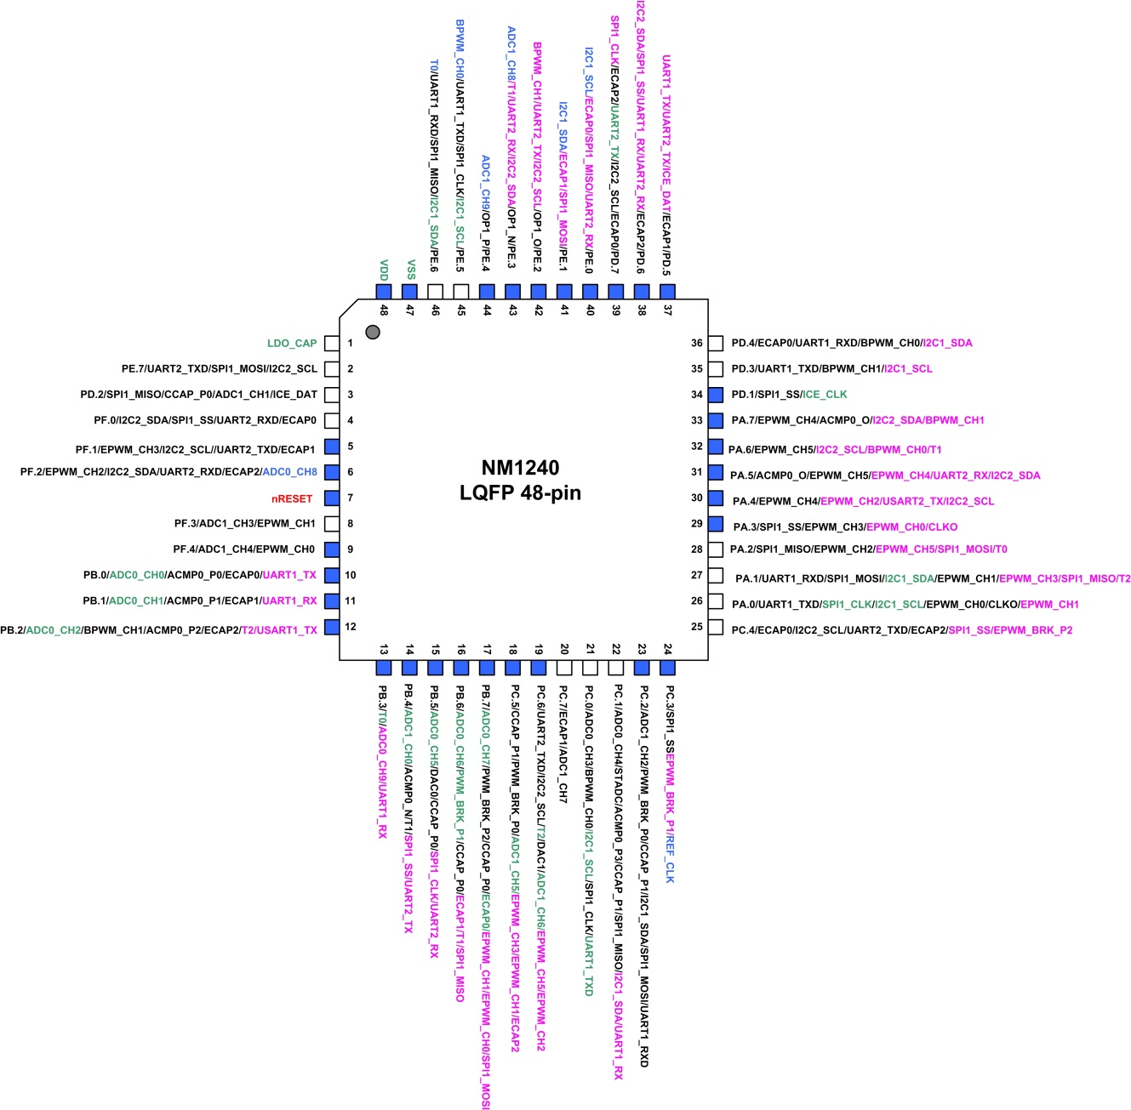
GPIO | Pin | ICE XTAL |  | ADC |  | PWM |  | ACMP0 |  | ACMP1 |  | PGA(OP) |  | TIMER |  | I2C |  | SPI1 |  | UART |  | ECAP |  | NM1240 |  | NM1240
MFP0 |  | MFP1 |  | MFP2 |  | MFP3 |  | MFP4 |  | MFP5 |  | MFP6 |  | MFP7 |  | MFP8 |  | MFPA |  | MFPB |  | MFPC |  | MFPE |  | MFPF
GPA0 | 26 | CLKO | O |  |  | EPWM_CH0 | O |  |  |  |  |  |  |  |  | I2C1_SCL | IO | SPI1_CLK | IO | UART1_TXD | O |  |  |  |  | EPWM_CH1 | O | UH
GPA1 | 27 |  |  |  |  | EPWM_CH1 | O |  |  |  |  |  |  | T2 | IO | I2C1_SDA | IO | SPI1_MOSI | IO | UART1_RXD | I |  |  | SPI1_MISO | IO | EPWM_CH3 | O | UL
GPA2 | 28 |  |  |  |  | EPWM_CH2 | O |  |  |  |  |  |  | T0 | IO |  |  | SPI1_MISO | IO |  |  |  |  | SPI1_MOSI | IO | EPWM_CH5 | O | VH
GPA3 | 29 | CLKO | O |  |  | EPWM_CH3 | O |  |  |  |  |  |  |  |  |  |  | SPI1_SS | IO |  |  |  |  |  |  | EPWM_CH0 | O | VL
GPA4 | 30 |  |  |  |  | EPWM_CH4 | O |  |  |  |  |  |  |  |  | I2C2_SCL | IO |  |  | UART2_TXD | IO |  |  |  |  | EPWM_CH2 | O | WH
GPA5 | 31 |  |  |  |  | EPWM_CH5 | O | ACMP0_O | O |  |  |  |  |  |  | I2C2_SDA | IO |  |  | UART2_RXD | IO |  |  |  |  | EPWM_CH4 | O | WL
GPA6 | 32 |  |  |  |  | EPWM_CH5 | O |  |  |  |  |  |  |  |  |  |  |  |  |  |  |  |  | I2C2_SCL | IO | BPWM_CH0 | O | RUN1
GPA7 | 33 |  |  |  |  | EPWM_CH4 |  | ACMP0_O | O |  |  |  |  |  |  |  |  |  |  |  |  |  |  | I2C2_SDA | IO | BPWM_CH1 | O
GPB0 | 10 |  |  | ADC0_P0 | A |  |  | ACMP0_P0 | A |  |  |  |  | ECAP0 | I |  |  |  |  | UART1_TXD | O | ECAP0 | I |  |  |  |  | BemfU
GPB1 | 11 |  |  | ADC0_P1 | A |  |  | ACMP0_P1 | A |  |  |  |  | ECAP1 | I |  |  |  |  | UART1_RXD | I | ECAP1 | I |  |  |  |  | BemfV
GPB2 | 12 |  |  | ADC0_P2 | A | BPWM_CH1 | O | ACMP0_P2 | A |  |  |  |  | ECAP2 | I |  |  |  |  | UART1_TXD | O | ECAP2 | I | T2 | IO |  |  | BemfW
GPB3 | 13 |  |  | ADC0_P9 | A |  |  |  |  |  |  |  |  | T0 | IO |  |  |  |  | UART1_RXD | I |  |  |  |  |  |  | KEY2
GPB4 | 14 |  |  | ADC1_P0 | A |  |  | ACMP0_N | A |  |  |  |  | T1 | IO |  |  | SPI1_SS | IO | UART2_TXD | IO |  |  |  |  |  |  | Bemf_O
GPB5 | 15 |  |  | ADC0_P5 | A |  |  | DAC0 | A |  |  |  |  | CCAP_P0 | I |  |  | SPI1_CLK | IO | UART2_RXD | IO |  |  |  |  |  |  | DAC0
GPB6 | 16 |  |  | ADC0_P6 | A | PWM_BRK_P1 | I |  |  |  |  |  |  | CCAP_P0 | I |  |  | SPI1_MISO | IO |  |  | ECAP1 | I | T1 | IO |  |  | DCV
GPB7 | 17 |  |  | ADC0_P7 | A | PWM_BRK_P2 | I |  |  |  |  |  |  | CCAP_P0 | I |  |  | SPI1_MOSI | IO |  |  | ECAP0 | I | EPWM_CH0 | O | EPWM_CH1 | O | DISP_SCK
GPC0 | 21 |  |  | ADC0_P3 | A | BPWM_CH0 | O |  |  |  |  |  |  |  |  | I2C1_SCL | IO | SPI1_CLK | IO | UART1_TXD | O |  |  |  |  |  |  | I_V
GPC1 | 22 |  |  | ADC0_P4 | A | STADC | I | ACMP0_P3 | A |  |  |  |  | CCAP_P1 | I | I2C1_SDA | IO | SPI1_MISO | IO | UART1_RXD | I |  |  |  |  |  |  | IOC | I_Bus
GPC2 | 23 |  |  | ADC1_P2 | A | PWM_BRK_P0 | I |  |  |  |  |  |  | CCAP_P1 | I | I2C1_SDA | IO | SPI1_MOSI | IO | UART1_RXD | I |  |  |  |  |  |  | I_W
GPC3 | 24 | REF_CLK | I |  |  | PWM_BRK_P1 | I |  |  |  |  |  |  |  |  |  |  | SPI1_SS | IO |  |  |  |  |  |  |  |  | EXT_CLK
GPC4 | 25 |  |  |  |  | PWM_BRK_P2 | I |  |  |  |  |  |  | ECAP0 | I | I2C2_SCL | IO | SPI1_SS | IO | UART2_TXD | IO | ECAP2 | I |  |  |  |  | DISP_SDO
GPC5 | 18 |  |  | ADC1_P5 | A | PWM_BRK_P0 | I |  |  |  |  |  |  | CCAP_P1 | I |  |  |  |  |  |  | ECAP2 | I | EPWM_CH1 | O | EPWM_CH3 | O | 外部ACMP_O,for BK
GPC6 | 19 |  |  | ADC1_P6 | A | EPWM_CH2 | O |  |  | DAC1 | O |  |  | T2 | IO | I2C2_SCL | IO |  |  | UART2_TXD | IO |  |  |  |  | EPWM_CH5 | O | DAC1
GPC7 | 20 |  |  | ADC1_P7 | A |  |  |  |  |  |  |  |  |  |  |  |  |  |  |  |  | ECAP1 | I |  |  |  |  | SP_CMD
GPD1 | 34 | ICE_CLK | I |  |  |  |  |  |  |  |  |  |  |  |  |  |  | SPI1_SS | IO |  |  |  |  |  |  |  |  | ICE_CLK
GPD2 | 3 |  |  | ADC1_P1 | A |  |  |  |  |  |  |  |  | CCAP_P0 | I |  |  | SPI1_MISO | IO |  |  |  |  |  |  |  |  | I_U
GPD3 | 35 |  |  |  |  | BPWM_CH1 | O |  |  |  |  |  |  |  |  | I2C1_SCL | IO |  |  | UART1_TXD | O |  |  |  |  |  |  | DISP_RST
GPD4 | 36 |  |  |  |  | BPWM_CH0 | O |  |  |  |  |  |  |  |  | I2C1_SDA | IO |  |  | UART1_RXD | I | ECAP0 | I |  |  |  |  | DISP_RS
GPD5 | 37 | ICE_DAT | IO |  |  |  |  |  |  |  |  |  |  |  |  |  |  |  |  |  |  | ECAP1 | I | UART1_TXD | O | UART2_TXD | IO | ICE_DAT
GPD6 | 38 |  |  |  |  |  |  |  |  |  |  |  |  |  |  | I2C2_SDA | IO | SPI1_SS | IO |  |  | ECAP2 | I | UART1_RXD | I | UART2_RXD | IO | SPI1_SS | DAC-CS
GPD7 | 39 |  |  |  |  |  |  |  |  |  |  |  |  | ECAP0 | I | I2C2_SCL | IO | SPI1_CLK | IO | UART2_TXD | IO | ECAP2 | I |  |  |  |  | UART_TX
GPE0 | 40 |  |  |  |  |  |  |  |  |  |  |  |  |  |  | I2C1_SCL | IO | SPI1_MOSI | IO | UART2_RXD | IO | ECAP0 | I |  |  |  |  | UART_RX
GPE1 | 41 |  |  |  |  |  |  |  |  |  |  |  |  |  |  | I2C1_SDA | IO | SPI1_MISO | IO |  |  | ECAP1 | I |  |  |  |  | LED1
GPE2 | 42 |  |  |  |  | BPWM_CH1 | O |  |  |  |  | OP1_O | A |  |  | I2C2_SCL | IO |  |  | UART2_TXD | O |  |  |  |  |  |  | OP1_O | I_shunt(內部切換)
GPE3 | 43 |  |  | ADC1_P8 | A |  |  |  |  |  |  | OP1_N | A | T1 | IO | I2C2_SDA | IO |  |  | UART2_RXD | I |  |  |  |  |  |  | OP1_N
GPE4 | 44 |  |  | ADC1_P9 | A |  |  |  |  |  |  | OP1_P | A |  |  |  |  |  |  |  |  |  |  |  |  |  |  | OP1_P
GPE5 | 45 |  |  |  |  | BPWM_CH0 | O |  |  |  |  |  |  |  |  | I2C1_SCL | IO | SPI1_CLK | IO | UART1_TXD | O |  |  |  |  |  |  | SPI1_CLK | DAC-SCK
GPE6 | 46 |  |  |  |  |  |  |  |  |  |  |  |  | T0 | IO | I2C1_SDA | IO | SPI1_MISO | IO | UART1_RXD | I |  |  |  |  |  |  | SPI1_MISO
GPE7 | 2 |  |  |  |  |  |  |  |  |  |  |  |  |  |  | I2C2_SCL | IO | SPI1_MOSI | IO | UART2_TXD | IO |  |  |  |  |  |  | SPI1_MOSI | DAC-SDO
GPF0 | 4 |  |  |  |  |  |  |  |  |  |  |  |  |  |  | I2C2_SDA | IO | SPI1_SS | IO | UART2_RXD | IO | ECAP0 | I |  |  |  |  | Hall_U
GPF1 | 5 |  |  |  |  | EPWM_CH3 | O |  |  |  |  |  |  |  |  | I2C2_SCL | IO |  |  | UART2_TXD | IO | ECAP1 | I |  |  |  |  | Hall_V
GPF2 | 6 |  |  | ADC0_P8 | A | EPWM_CH2 | O |  |  |  |  |  |  |  |  | I2C2_SDA | IO |  |  | UART2_RXD | IO | ECAP2 | I |  |  |  |  | Hall_W
GPF3 | 8 |  |  | ADC1_P3 | A | EPWM_CH1 | O |  |  |  |  |  |  |  |  |  |  |  |  |  |  |  |  |  |  |  |  | KEY1
GPF4 | 9 |  |  | ADC1_P4 | A | EPWM_CH0 | O |  |  |  |  |  |  |  |  |  |  |  |  |  |  |  |  |  |  |  |  | LED2
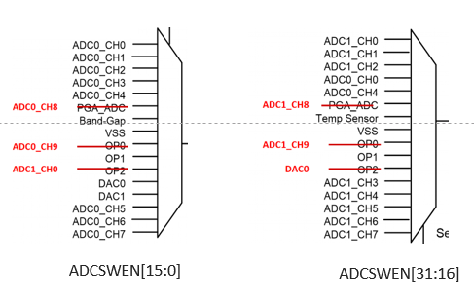
LDO_CAP | 1
nRESET | 7
VSS | 47
VDD | 48

