Sheet1
Product ID | Product | Category | Sub-Category | Tag | Price | Description | Picture1 | Color | Quantity | Picture2 | Color | Quantity | Picture3 | Color | Quanity | Picture4 | Color | Quanity
2026_1001 | Suits | Summer Collections | Cotton/Linel Suit | New Arrival | 900 | Pure Cambric Matching suit. Shirt Length 47 Ready/ Bottom 2.5 mtrs/ Dupatta 2.25mtrs | 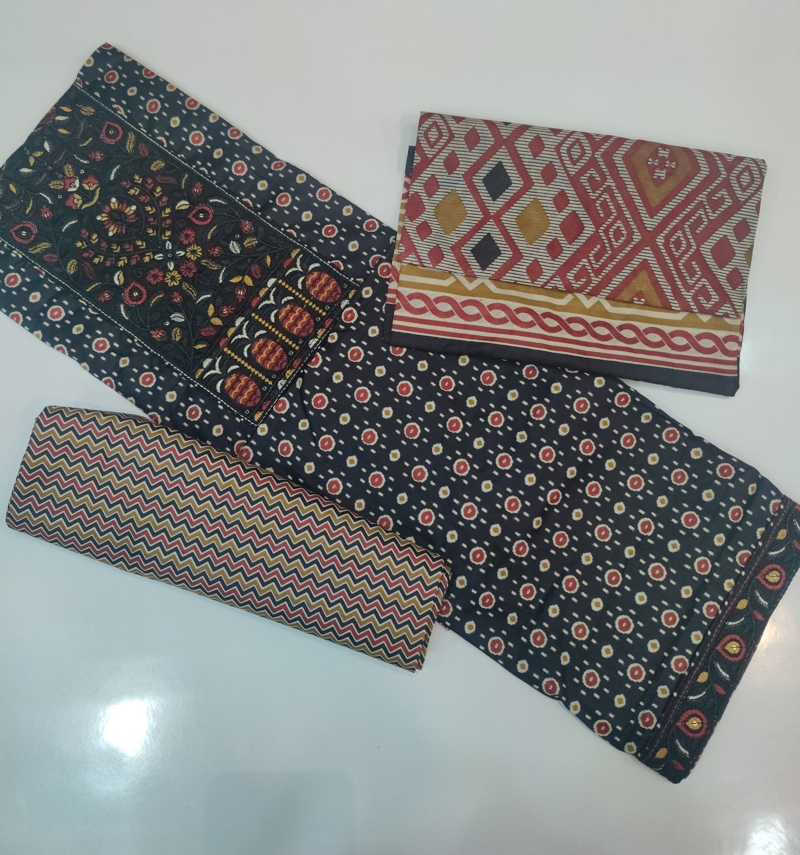 | Blue | 5 | 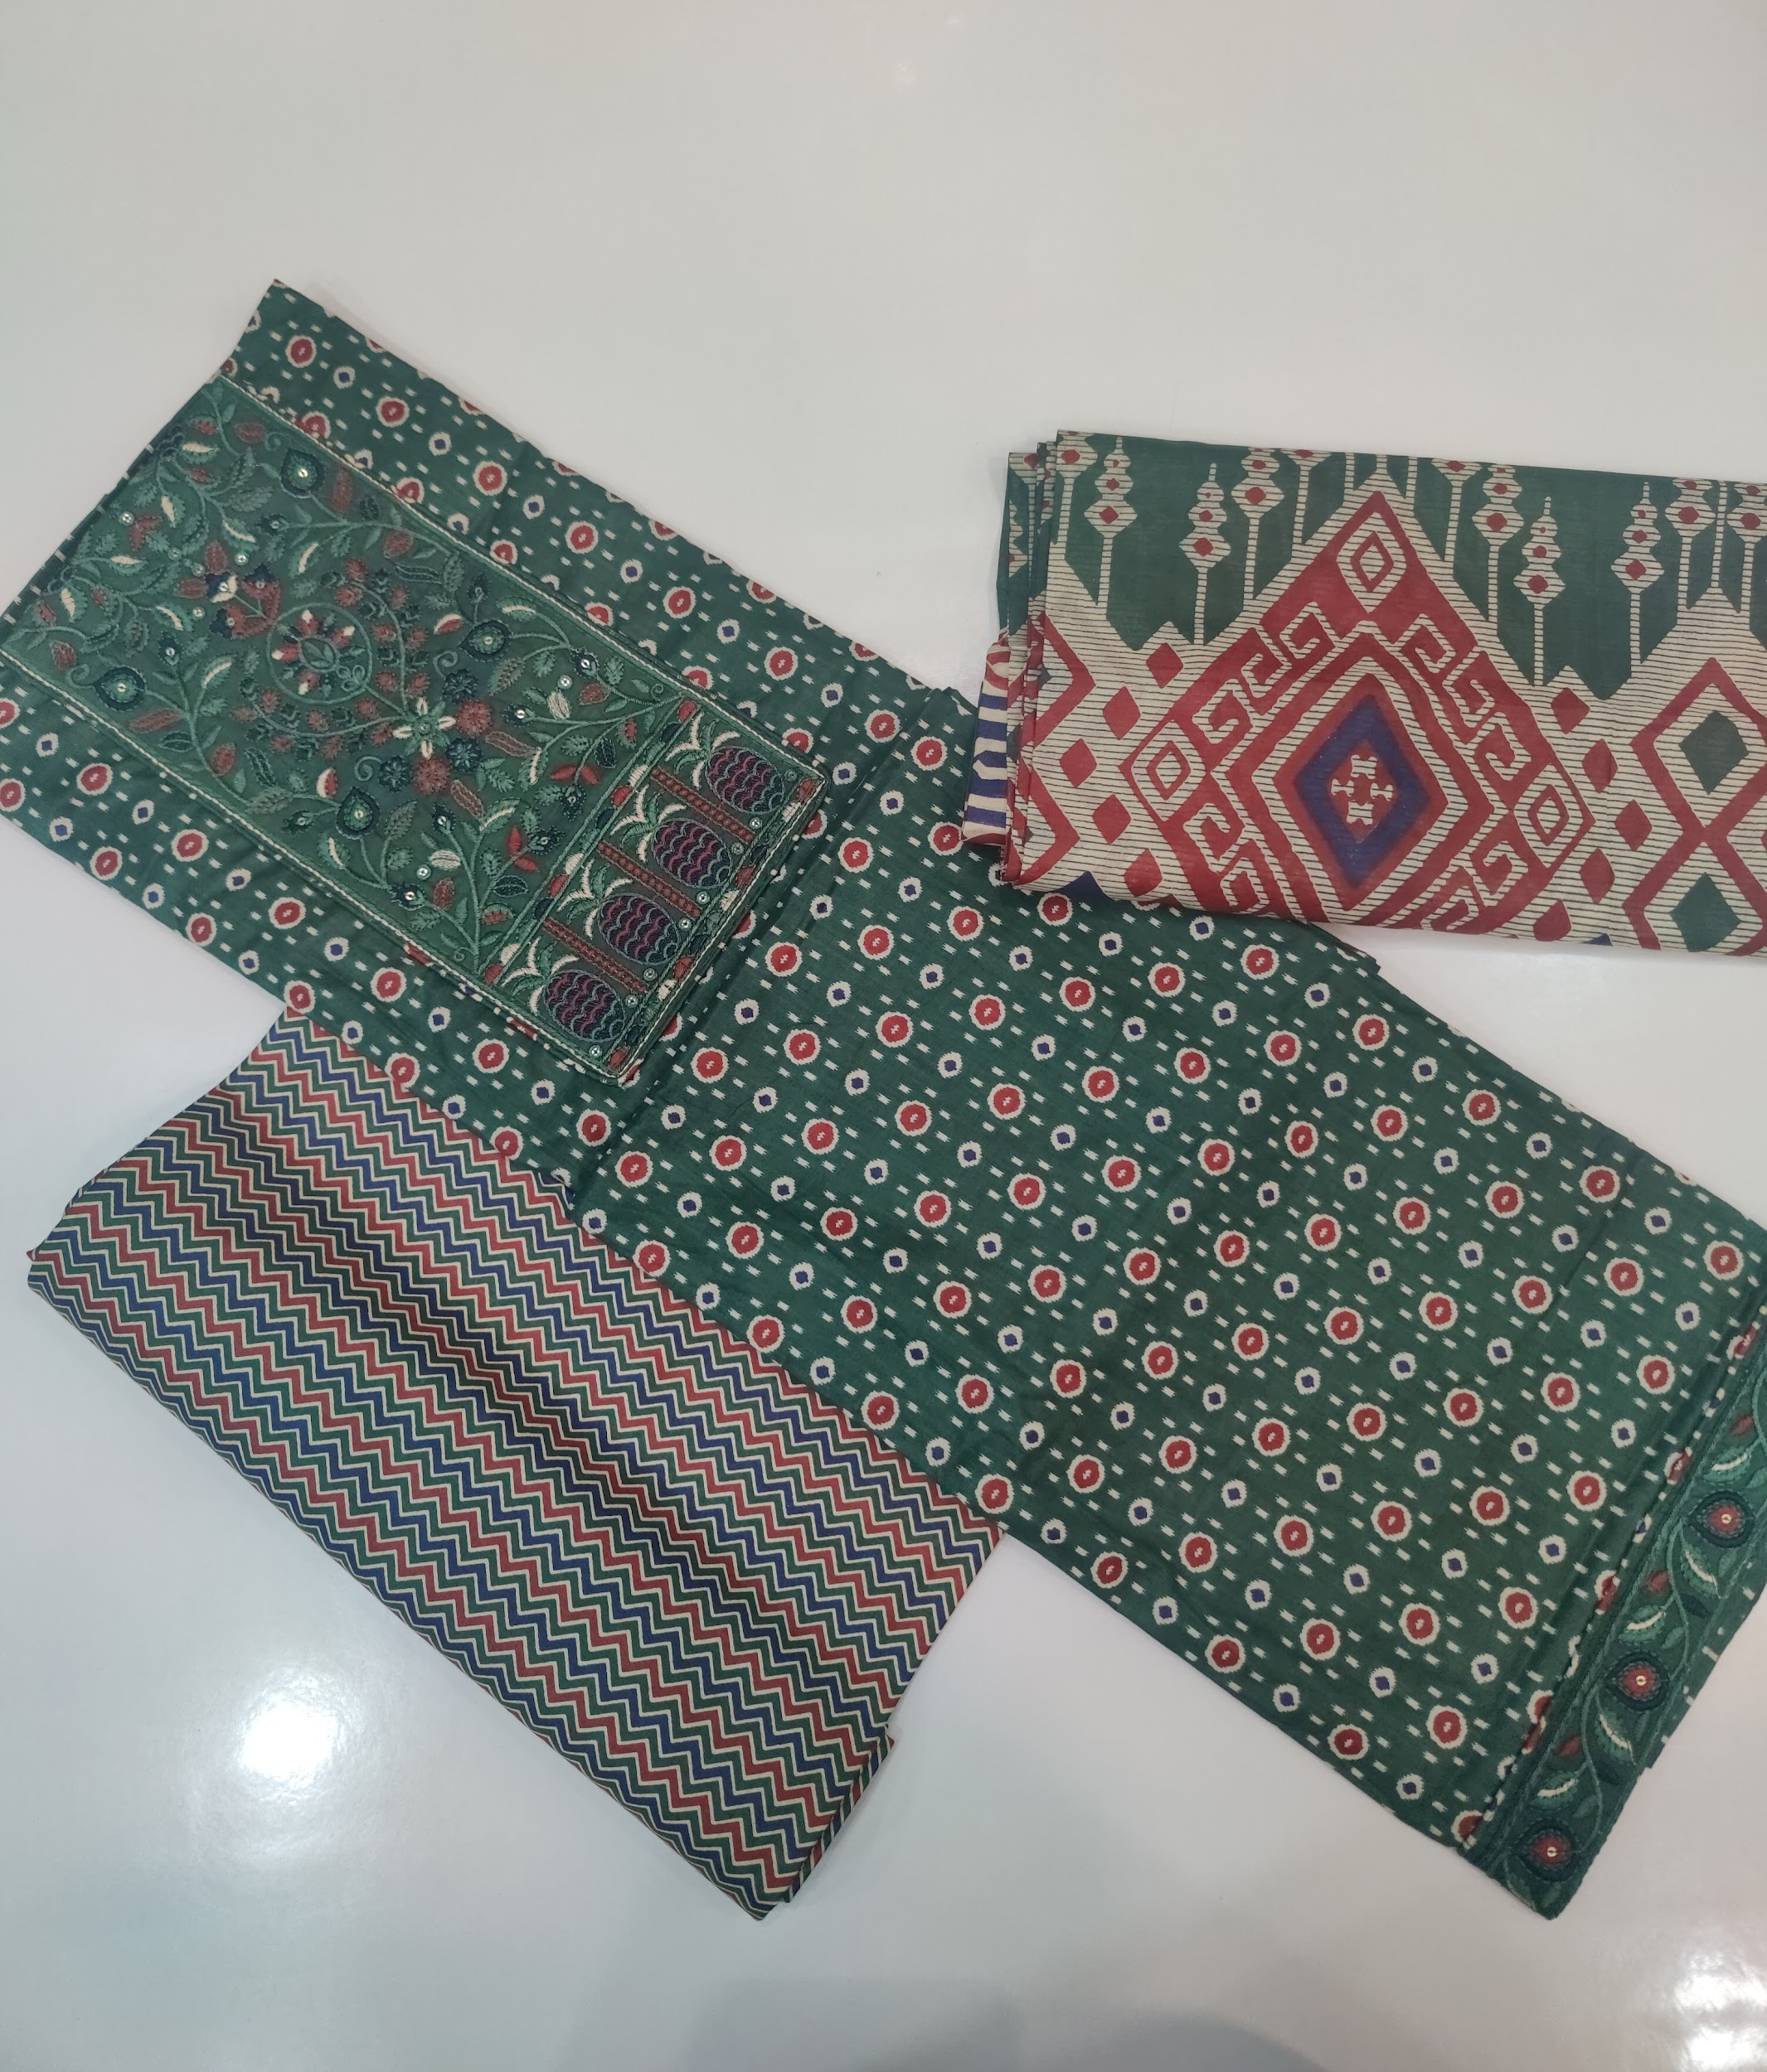 | Green | 8 | 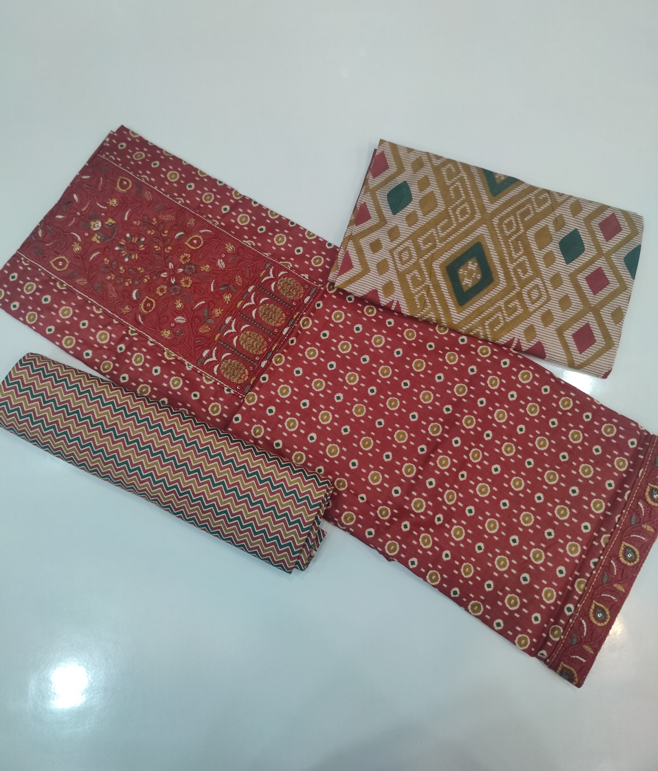 | Red | 3 | 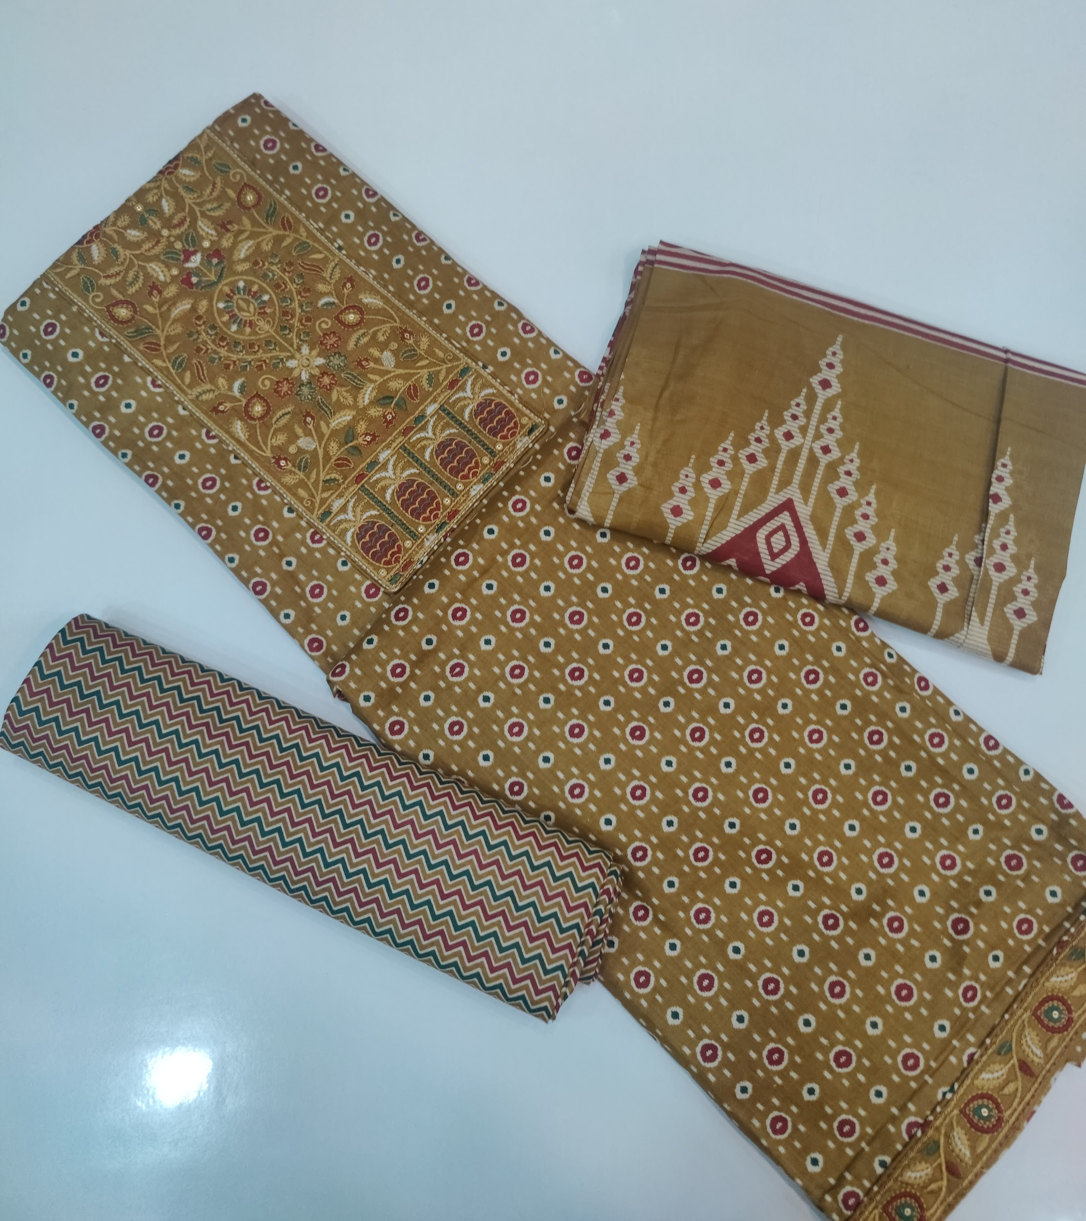 | Yellow | 9

