ELBONIA
ELBONIA WATERSHED
Urban
Surface water is treated (with a cost) for urban and suburban users. There is also cost for groundwater pumping.
Surface water is not treated for agricultural, environmental and rural uses, but there is a cost for groundwater pumping.

Elbonia Watershed
Urban
Suburban | 33
Rural | 33
Agriculture | 33
Environment | 33

watershed
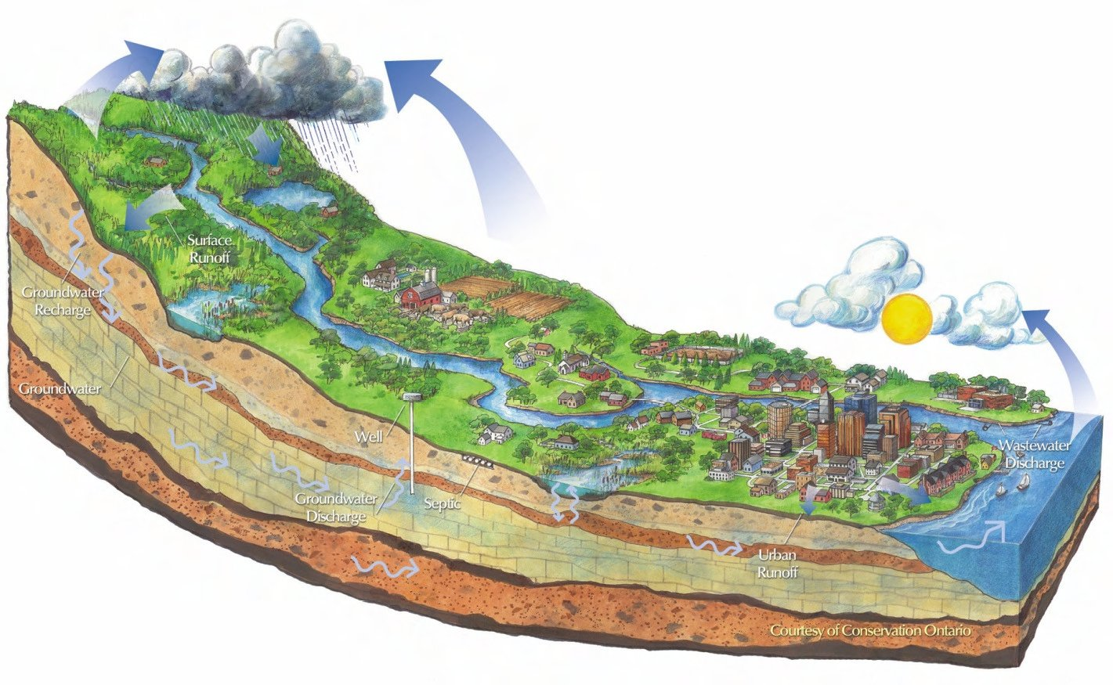

Elbonian Watershed

upper basin
Table 1: Demands and Supplies |  |  |  |  |  |  | Table 2: Management Options and Decisions
 |  |  |  |  |  |  |  | Urban |  | Suburban |  | Rural Homes |  | Agriculture |  | Environment
 | Max. Water Availability (TAF) |  | Augmented
 | Groundwater | 500 | 0% |  |  |  |  | Groundwater (GW) | 0 | Groundwater (GW) | 0 | Groundwater (GW) | 5 | Groundwater (GW) | 50 | Groundwater (GW) | 5
 | Surface Water | 300 | 0% |  |  |  |  | Surface Water (SW) | 0 | Surface Water (SW) | 0 | Surface Water (SW) | 14 | Surface Water (SW) | 50 | Surface Water (SW) | 15
 | Target Demand (TAF) |  | Demand Met? |  |  |  |  | Direct Potable Reuse (DPR) | 0 | Direct Potable Reuse (DPR) | 0 | Grey Water (GreyW) | 1 | Indirect Potable Reuse (IPR) | 0 | On-site Reuse (OR) | 0%
 | Environment | 20 | 100% |  |  |  |  | Indirect Potable Reuse (IPR) | 0 | Indirect Potable Reuse (IPR) | 0 | Conservation (C) | 0% | Irrigation Efficiency (IE) | 0%
 | Urban | 0 | 0% |  |  |  |  | Grey Water (GreyW) | 0 | Grey Water (GreyW) | 0
 | Agricultural | 100 | 100% |  |  |  |  | Conservation (C) | 0% | Conservation (C) | 0%
 | Rural Homes
GW | 5
SW | 14
GreyW | 1
C | 0
 | Suburban | 0 | 0%
 | Urban
GW | 0
SW | 0
DPR | 0
IPR | 0
GreyW | 0
C | 0
 | Suburban
GW | 0
SW | 0
DPR | 0
IPR | 0
GreyW | 0
C | 0
 | Agriculture
GW | 50
SW | 50
IPR | 0
IE | 0
 | Environment
GW | 5
SW | 15
OR | 0
 | Rural Homes | 20 | 100%

Table 5: Basinwide and Regional Performace

 |  |  | Upper Basin | Full Basin
1 | Total Cost ($) |  | 6,400,000 | 43,632,500
2 | Total Energy (MWh) |  | 9,999 | 29,761
3 | Avg. Wastew. Reuse Ratio (%) |  | 1% | 3%
4 | Meeting All Target Demands (%) |  | 100% | 100%
5 | Groundwater Overdraft (TAF) |  | 43 | 73
6 | Outflow Salinity Requirement
 | Outflow to Ocean (TAF) |  | 242
 | Outflow Salinity (mg/L) |  | 129 |  |  |  |  | Note: Units are Thousand Acre-Feet (TAF)
 | Note: Regional = Upper Basin + Lower Basin

Table 4: Cost of Options |  |  |  |  | Table 3: Sectoral Performance
 |  |  |  |  |  |  |  | Urban |  | Suburban |  | Rural Homes |  | Agriculture |  | Environment
 | Option | Unit Cost ($/AF) |  |  |  | Total Cost ($) |  | 0 |  | 0 |  | 1,450,000 |  | 4,500,000 |  | 450,000
 | Suface Water Treatment | 400 |  |  |  | % of Regional Cost |  | 0.00% |  | 0.00% |  | 3.32% |  | 10.31% |  | 1.03%
 | Groundwater Pumping | 90 |  |  |  | Total Energy (MWh) |  | 0 |  | 0 |  | 0 |  | 0 |  | 0
 | Direct Potable Reuse | 1,500 |  |  |  | % of Regional Energy Use |  | 0.00% |  | 0.00% |  | 0.00% |  | 0.00% |  | 0.00%
 | Indirect Potable Reuse | 520 |  |  |  | Wastew. Reuse Ratio (%) |  | 0.00% |  | 0.00% |  | 5.00% |  | 0.00% |  | -
 | Grey Water | 1,000
 | Desalination | 600
 | WWTP Return Flow to Surface | 50

lower basin
Table 1: Demands and Supplies |  |  |  |  |  |  | Table 2: Management Options and Decisions
 |  |  |  |  |  |  |  | Urban |  | Suburban |  | Rural Homes |  | Agriculture |  | Environment
 | Max. Water Availability (TAF) |  | Augmented
 | Groundwater | 500 | 0% |  |  |  |  | Groundwater (GW) | 5.5 | Groundwater (GW) | 30 | Groundwater (GW) | 0 | Groundwater (GW) | 0 | Groundwater (GW) | 0
 | Surface Water | 254 | 0% |  |  |  |  | Surface Water (SW) | 30 | Surface Water (SW) | 12.5 | Surface Water (SW) | 0 | Surface Water (SW) | 0 | Surface Water (SW) | 0
 | Target Demand (TAF) |  | Demand Met? |  |  |  |  | Direct Potable Reuse (DPR) | 1 | Direct Potable Reuse (DPR) | 1 | Grey Water (GreyW) | 0 | Indirect Potable Reuse (IPR) | 0 | On-site Reuse (OR) | 0%
 | Environment | 0 | 0% |  |  |  |  | Indirect Potable Reuse (IPR) | 1 | Indirect Potable Reuse (IPR) | 3.5 | Conservation (C) | 0% | Irrigation Efficiency (IE) | 0%
 | Urban | 40 | 100% |  |  |  |  | Grey Water (GreyW) | 0.5 | Grey Water (GreyW) | 1
 | Agricultural | 0 | 0% |  |  |  |  | Desalination (D) | 2 | Desalination (D) | 2
 | Suburban | 50 | 100% |  |  |  |  | Conservation (C) | 0% | Conservation (C) | 0%
 | Rural Homes
GW | 0
SW | 0
GreyW | 0
C | 0
 | Agriculture
GW | 0
SW | 0
IPR | 0
IE | 0
 | Environment
GW | 0
SW | 0
OR | 0
 | Rural Homes | 0 | 0%
 | Urban
GW | 5.5
SW | 30
DPR | 1
IPR | 1
GreyW | 0.5
D | 2
C | 0
 | Suburban
GW | 30
SW | 12.5
DPR | 1
IPR | 3.5
GreyW | 1
D | 2
C | 0

Table 5: Basinwide and Regional Performace

 |  |  | Lower Basin | Full Basin
1 | Total Cost ($) |  | 37,232,500 | 43,632,500
2 | Total Energy (MWh) |  | 19,762 | 29,761
3 | Avg. Wastew. Reuse Ratio (%) |  | 6% | 3%
4 | Meeting All Target Demands (%) |  | 100% | 100%
5 | Groundwater Overdraft (TAF) |  | 31 | 73
6 | Outflow Salinity Requirement
 | Outflow to Ocean (TAF) |  | 242
 | Outflow Salinity (mg/L) |  | 129 |  |  |  |  | Note: Units are Thousand Acre-Feet (TAF)
 | Note: Regional = Upper Basin + Lower Basin

Table 4: Cost of Options |  |  |  |  | Table 3: Sectoral Performance
 |  |  |  |  |  |  |  | Urban |  | Suburban |  | Rural Homes |  | Agriculture |  | Environment
 | Option | Unit Cost ($/AF) |  |  |  | Total Cost ($) |  | 19,858,750 |  | 15,373,750 |  | 0 |  | 0 |  | 0
 | Suface Water Treatment | 400 |  |  |  | % of Regional Cost |  | 45.51% |  | 35.23% |  | 0.00% |  | 0.00% |  | 0.00%
 | Groundwater Pumping | 90 |  |  |  | Total Energy (MWh) |  | 11,483 |  | 0 |  | 0 |  | 0 |  | 0
 | Direct Potable Reuse | 1,500 |  |  |  | % of Regional Energy Use |  | 38.58% |  | 0.00% |  | 0.00% |  | 0.00% |  | 0.00%
 | Indirect Potable Reuse | 520 |  |  |  | Wastew. Reuse Ratio (%) |  | 11.25% |  | 11.46% |  | 0.00% |  | 0.00% |  | -
 | Grey Water | 2,000
 | Desalination | 1,800
Figure 1: Saltwater Intrusion
 | h | z
 | 9.3 | -186
 | 9.0 | -180
 | 8.7 | -174
 | 8.4 | -168
 | 8.1 | -161
 | 7.8 | -155
 | 7.5 | -149
 | 7.1 | -143
 | 6.8 | -137
 | 6.5 | -130
 | 6.2 | -124
 | 5.9 | -118
 | 5.6 | -112
 | 5.3 | -106
 | 5.0 | -99
 | 4.7 | -93
 | 4.3 | -87
 | 4.0 | -81
 | 3.7 | -75
 | 3.4 | -68
 | 3.1 | -62
 | 2.8 | -56
 | 2.5 | -50
 | 2.2 | -43
 | 1.9 | -37
 | 1.6 | -31
 | 1.2 | -25
 | 0.9 | -19
 | 0.6 | -12
 | 0.0 | 0
Groundwater (fresh)
Water Table
Sea Level
Sea Floor
Saltwater
Land Surface
salt intrusion
Groundwater level and salt barrier between fresh groundwater and saltwater depend on pumping and recharge. Pumping reduces groundwater table level and increases salt intrusion.
Change groundwater decisions to see effects.
 | WWTP Return Flow to Surface | 50

schematic
Reservoir
1
Urban - Indoor
Urban - Outoor
GW
3
WTP
WWTPu
Suburban - Indoor
Suburban - Outoor
WWTPs
2
4
Ag
Rural - Indoor
r-1
r-2
u-4
u-5
u-6
u-7
u-8
u-9
u-10
u-11
u-12
u-13
u-15
u-16
u-17
u-18
u-19
u-20
u-21
u-22
u-23
u-24
u-25
u-26
u-3
u-27
u-2
u-1
u-28
u-29
5
Urban - Indoor
Urban - Outoor
GW
7
WTP
WWTPu
Suburban - Indoor
Suburban - Outoor
WWTPs
6
8
Ag
r-3
r-4
I-4
l-5
I-6
I-7
l-8
l-9
l-10
l-11
l-12
l-13
l-15
l-16
l-17
l-18
l-19
l-20
l-21
l-22
l-23
l-24
l-25
l-26
l-3
l-27
l-2
l-1
l-28
l-29
Ocean
r-5
Desal
l-39
l-40
Legend:
Urban
Suburban
Rural
Agriculture
Treatment Plant
GW
Ocean
Salinity barrier
l-42
l-41
u-30
l-30
Rural - Outdoor
9
10
Environment
Environment
Rural - Outdoor
12
Rural - Indoor
11
Environment
u-31
u-32
u-33
u-34
u-35
u-36
u-37
u-38
l-31
l-32
l-33
l-34
l-35
l-36
l-37
l-38

l-43

data
 | Description | Link | Amplitude | Flow Data | Flow (TAF/m) | Unit Cost ($/AF) | Total Cost (K$) | Unit Energy (kWh/m3) | Total Energy (kWh) | TDS (mg/L)
River | reservoir release | r-1 | 1 | 300.00 | 300.00 | 0.00 | 0.00 |  | 0 | 52 | UPPER BASIN |  |  |  |  |  |  |  |  |  |  |  |  |  |  | LOWER BASIN
 | river reach between upper basin supply and return nodes | r-2 | 1 | 221.00 | 221.00 | 0.00 | 0.00 |  | 0 | 52
 | river reach between upper and lower basin | r-3 | 1 | 254.20 | 254.20 | 0.00 | 0.00 |  | 0 | 55 | Urban |  | label | Suburban |  |  | Rural Homes |  |  | Agriculture |  |  | Environment |  |  | Urban |  | label | Suburban |  | label | Rural Homes |  | label | Agriculture |  | label | Environment |  | label
 | river reach between lower basin supply and return nodes | r-4 | 1 | 211.70 | 211.70 | 0.00 | 0.00 |  | 0 | 55 | Groundwater (GW) | 0 | GW | Groundwater (GW) | 0 | GW | Groundwater (GW) | 5 | GW | Groundwater (GW) | 50 | GW | Groundwater (GW) | 5 | GW | Groundwater (GW) | 5.5 | GW | Groundwater (GW) | 30 | GW | Groundwater (GW) | 0 | GW | Groundwater (GW) | 0 | GW | Groundwater (GW) | 0 | GW
 | outflow to the ocean | r-5 | 1 | 241.65 | 241.65 | 0.00 | 0.00 |  | 0 | 129 | Surface Water (SW) | 0 | SW | Surface Water (SW) | 0 | SW | Surface Water (SW) | 14 | SW | Surface Water (SW) | 50 | SW | Surface Water (SW) | 15 | SW | Surface Water (SW) | 30 | SW | Surface Water (SW) | 12.5 | SW | Surface Water (SW) | 0 | SW | Surface Water (SW) | 0 | SW | Surface Water (SW) | 0 | SW
Upper basin | WWTPs release to node 2 | u-1 | 1 | 0.00 | 0.00 | 50.00 | 0.00 |  | 0 | 650 | Direct Potable Reuse (DPR) | 0 | DPR | Direct Potable Reuse (DPR) | 0 | DPR | Grey Water (GreyW) | 1 | GreyW | Indirect Potable Reuse (IPR) | 0 | IPR | On-site Reuse (OR) | 0 | OR | Direct Potable Reuse (DPR) | 1 | DPR | Direct Potable Reuse (DPR) | 1 | DPR | Grey Water (GreyW) | 0 | GreyW | Indirect Potable Reuse (IPR) | 0 | IPR | On-site Reuse (OR) | 0 | OR
 | WWTPs release to Suburban outdoor | u-2 | 1 | 0.00 | 0.00 | 520.00 | 0.00 | 0.661 | 0 | 650 | Indirect Potable Reuse (IPR) | 0 | IPR | Indirect Potable Reuse (IPR) | 0 | IPR | Conservation (C) | 0 | C | Irrigation Efficiency (IE) | 0 | IE |  |  |  | Indirect Potable Reuse (IPR) | 1 | IPR | Indirect Potable Reuse (IPR) | 3.5 | IPR | Conservation (C) | 0 | C | Irrigation Efficiency (IE) | 0 | IE
 | Suburban Indoor to WWTPs | u-3 | 0.9 | 0.00 | 0.00 | 0.00 | 0.00 |  | 0 | 0 | Grey Water (GreyW) | 0 | GreyW | Grey Water (GreyW) | 0 | GreyW |  |  |  |  |  |  |  |  |  | Grey Water (GreyW) | 0.5 | GreyW | Grey Water (GreyW) | 1 | GreyW
 | Node 1 to WTP | u-4 | 1 | 0.00 | 0.00 | 0.00 | 0.00 |  | 0 | 52 | Conservation (C) | 0 | C | Conservation (C) | 0 | C |  |  |  |  |  |  |  |  |  | Desalination (D) | 2 | D | Desalination (D) | 2 | D
 | WTP to node 4 | u-5 | 1 | 0.00 | 0.00 | 400.00 | 0.00 | 0.079 | 0 | 400 |  |  |  |  |  |  |  |  |  |  |  |  |  |  |  | Conservation (C) | 0 | C | Conservation (C) | 0 | C
 | WTP to node 3 | u-6 | 1 | 0.00 | 0.00 | 400.00 | 0.00 | 0.079 | 0 | 400
 | GW to node 3 | u-7 | 1 | 0.00 | 0.00 | 90.00 | 0.00 | 0.185 | 0 | 100
 | WWTPu to node 3 | u-8 | 1 | 0.00 | 0.00 | 1500.00 | 0.00 | 0.661 | 0 | 650
Assumptions:
1- Return flow from agricultural demand areas to surface and groundwater are split 50%-50%
2- Surface water and groundwater supplies to rural homes are split 50%-50%
3- Return flows from Rural homes indoor and outdoor go only to surface water
4- Desalination is included in wastewater reuse ratio calculations
5- Environment does not affect salinity
 | Node 3 to Urban indoor | u-9 | 1 | 0.00 | 0.00 | 0.00 | 0.00 |  | 0 | 0 | Source of Energy Use
 | Node 3 to Urban outdoor | u-10 | 1 | 0.00 | 0.00 | 0.00 | 0.00 |  | 0 | 0 | http://www.circleofblue.org/wp-content/uploads/2010/08/EPRI-Volume-4.pdf
 | WWTPu to Urban outdoor | u-11 | 1 | 0.00 | 0.00 | 520.00 | 0.00 | 0.661 | 0 | 650 | Unit Energy Use - Greywater
 | Urban Indoor to WWTPu | u-12 | 0.9 | 0.00 | 0.00 | 0.00 | 0.00 |  | 0 | 0 | https://www.google.com/url?sa=t&rct=j&q=&esrc=s&source=web&cd=2&cad=rja&uact=8&ved=0ahUKEwiX_fD3xK3NAhVGzmMKHbTqAUEQFggrMAE&url=http%3A%2F%2Finnovation.luskin.ucla.edu%2Fsites%2Fdefault%2Ffiles%2FCost-Benefit%2520Analysis%2520of%2520Onsite%2520Residential%2520Graywater%2520Recycling.pdf&usg=AFQjCNF-3KAJ7iFktOu9h5ElPir8GyRMXQ&sig2=q-mbMYiUgHsNqs6B8nl4pA | -
 | Urban Indoor to Urban Outdoor | u-13 | 1 | 0.00 | 0.00 | 1000.00 | 0.00 | 1.200 | 0 | 0 | Unit Energy Use - Desalination
 | WWTPu to node 2 | u-15 | 1 | 0.00 | 0.00 | 50.00 | 0.00 |  | 0 | 650 | https://watereuse.org/wp-content/uploads/2015/10/Power_consumption_white_paper.pdf | -
 | Node 1 to Ag | u-16 | 1 | 50.00 | 50.00 | 0.00 | 0.00 | 0.079 | 4,872,253 | 52
 | GW to Ag | u-17 | 1 | 50.00 | 50.00 | 90.00 | 4500.00 |  | 0 | 100 | water release salinity (mg/L)
 | Ag to node 2 | u-18 | 0.35 | 50.00 | 17.50 | 0.00 | 0.00 |  | 0 | 84 | WWTP | 650
 | Ag to GW | u-19 | 0.35 | 50.00 | 17.50 | 0.00 | 0.00 |  | 0 | 84 | WTP | 400
 | Node 1 to Rural homes | u-20 | 1 | 14.00 | 14.00 | 0.00 | 0.00 | 0.079 | 1,364,231 | 52 | DESALINATION PLANT | 700
 | GW to Rural homes | u-21 | 1 | 5.00 | 5.00 | 90.00 | 450.00 | 0.185 | 1,140,971 | 100 | Groundwater | 100
 | Rural homes to node 2 | u-22 | 1 | 8.70 | 8.70 | 0.00 | 0.00 |  | 0 | 73
 | GW to node 4 | u-23 | 1 | 0.00 | 0.00 | 90.00 | 0.00 | 0.185 | 0 | 100 | urban and suburban use salinity increase | 20.00%
 | WWTPs to node 4 | u-24 | 1 | 0.00 | 0.00 | 1500.00 | 0.00 | 0.661 | 0 | 650 | ag use salinity increase | 10.00%
 | Node 4 to Suburban Indoor | u-25 | 1 | 0.00 | 0.00 | 0.00 | 0.00 |  | 0 | 0 | rural use salinity increase | 15.00%
 | Node 4 to Suburban outdoor | u-26 | 1 | 0.00 | 0.00 | 0.00 | 0.00 |  | 0 | 0 | salinity barrier reduction | 10.00%
 | Suburban indoor to Suburban outdoor | u-27 | 1 | 0.00 | 0.00 | 1000.00 | 0.00 | 1.200 | 0 | 0
 | Urban outdoor to GW | u-28 | 0.1 | 0.00 | 0.00 | 0.00 | 0.00 |  | 0 | 0 |  |  |  |  |  |  |  |  | Empirical relation between pumping from gw and return flow to gw and depth of water table above sea level (h)
 | Suburban Outdoor to GW | u-29 | 0.1 | 0.00 | 0.00 | 0.00 | 0.00 |  | 0 | 0 |  |  |  |  |  |  |  |  | ∆h = β * Σrecharge - α * Σpumping
 | WWTPu to Ag | u-30 | 1 | 0.00 | 0.00 | 520.00 | 0.00 | 0.661 | 0 | 650 |  |  |  |  |  |  |  |  | Saltwater Intrusion
 | Rural homes - outdoor | u-31 | 1 | 9.50 | 9.50 | 0.00 | 0.00 |  | 0 | 65 |  |  |  |  |  |  |  |  |  | z / h ratio | 20 |  | α | 2.00
 | Rural homes - indoor | u-32 | 1 | 9.50 | 9.50 | 0.00 | 0.00 |  | 0 | 65 |  |  |  |  |  |  |  |  |  |  | . |  | β | 0.50
 | Grey Water for Rural homes | u-33 | 1 | 1.00 | 1.00 | 1000.00 | 1000.00 | 1.200 | 1,480,178 | 74 |  |  |  |  |  |  |  |  | # | h | z
 | Return flow from Rural outdoor | u-34 | 0.1 | 10.50 | 1.05 | 0.00 | 0.00 |  | 0 | 66 |  |  |  |  |  |  |  |  | 1 | 9.3 | -186 |  | Source: | https://en.wikipedia.org/wiki/Saltwater_intrusion
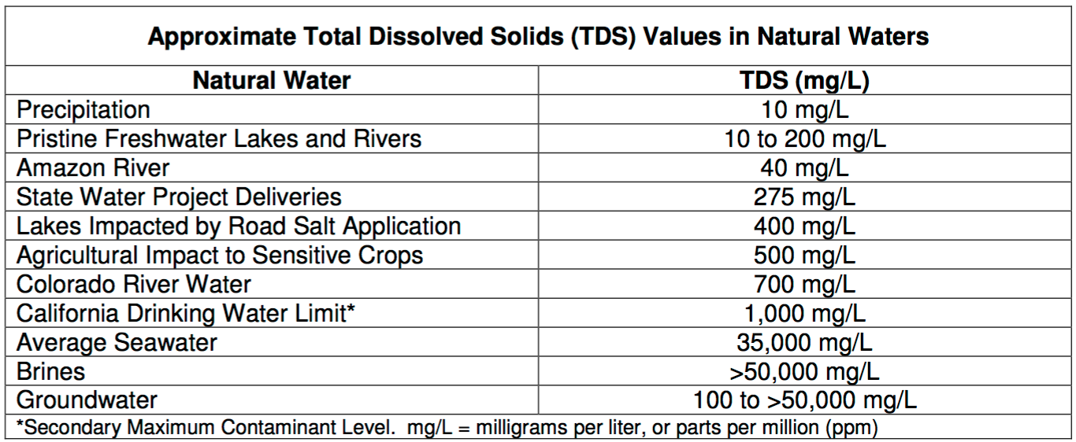
 | Return flow from Rural indoor | u-35 | 0.9 | 8.50 | 7.65 | 0.00 | 0.00 |  | 0 | 74 |  |  |  |  |  |  |  |  | 2 | 9.0 | -180
 | Node 1 to Environment | u-36 | 1 | 15.00 | 15.00 | 0.00 | 0.00 |  | 0 | 52 |  |  |  |  |  |  |  |  | 3 | 8.7 | -174
 | GW to Environment | u-37 | 1 | 5.00 | 5.00 | 90.00 | 450.00 | 0.185 | 1,140,971 | 100 |  |  |  |  |  |  |  |  | 4 | 8.4 | -168
 | Return flow from Environment | u-38 | 0.35 | 20.00 | 7.00 | 0.00 | 0.00 |  | 0 | 64 |  |  |  |  |  |  |  |  | 5 | 8.1 | -161
Lower Basin | WWTPs release to node 6 | l-1 | 1 | 15.08 | 15.08 | 50.00 | 753.75 |  | 0 | 650 |  |  |  |  |  |  |  |  | 6 | 7.8 | -155
 | WWTPs release to Suburban outdoor | l-2 | 1 | 3.50 | 3.50 | 520.00 | 1820.00 | 0.661 | 2,853,660 | 650 |  |  |  |  |  |  |  |  | 7 | 7.5 | -149
 | Suburban Indoor to WWTPs | l-3 | 0.9 | 21.75 | 19.58 | 0.00 | 0.00 |  | 0 | 239 |  |  |  |  |  |  |  |  | 8 | 7.1 | -143
 | Node 5 to WTP | l-4 | 1 | 42.50 | 42.50 | 0.00 | 0.00 |  | 0 | 52 |  |  |  |  |  |  |  |  | 9 | 6.8 | -137
 | WTP to node 8 | l-5 | 1 | 12.50 | 12.50 | 400.00 | 5000.00 | 0.079 | 1,218,063 | 400 |  |  |  |  |  |  |  |  | 10 | 6.5 | -130
 | WTP to node 7 | l-6 | 1 | 30.00 | 30.00 | 400.00 | 12000.00 | 0.079 | 2,923,352 | 400 |  |  |  |  |  |  |  |  | 11 | 6.2 | -124
 | GW to node 7 | l-7 | 1 | 5.50 | 5.50 | 90.00 | 495.00 | 0.185 | 1,255,068 | 100 |  |  |  |  |  |  |  |  | 12 | 5.9 | -118
 | WWTPu to node 7 | l-8 | 1 | 1.00 | 1.00 | 1500.00 | 1500.00 | 0.661 | 815,331 | 650 |  |  |  |  |  |  |  |  | 13 | 5.6 | -112
 | Node 7 to Urban indoor | l-9 | 1 | 19.25 | 19.25 | 0.00 | 0.00 |  | 0 | 362 |  |  |  |  |  |  |  |  | 14 | 5.3 | -106
 | Node 7 to Urban outdoor | l-10 | 1 | 19.25 | 19.25 | 0.00 | 0.00 |  | 0 | 362 |  |  |  |  |  |  |  |  | 15 | 5.0 | -99
 | WWTPu to Urban outdoor | l-11 | 1 | 1.00 | 1.00 | 520.00 | 520.00 | 0.661 | 815,331 | 650 |  |  |  |  |  |  |  |  | 16 | 4.7 | -93
 | Urban Indoor to WWTPu | l-12 | 0.9 | 18.75 | 16.88 | 0.00 | 0.00 |  | 0 | 434 |  |  |  |  |  |  |  |  | 17 | 4.3 | -87
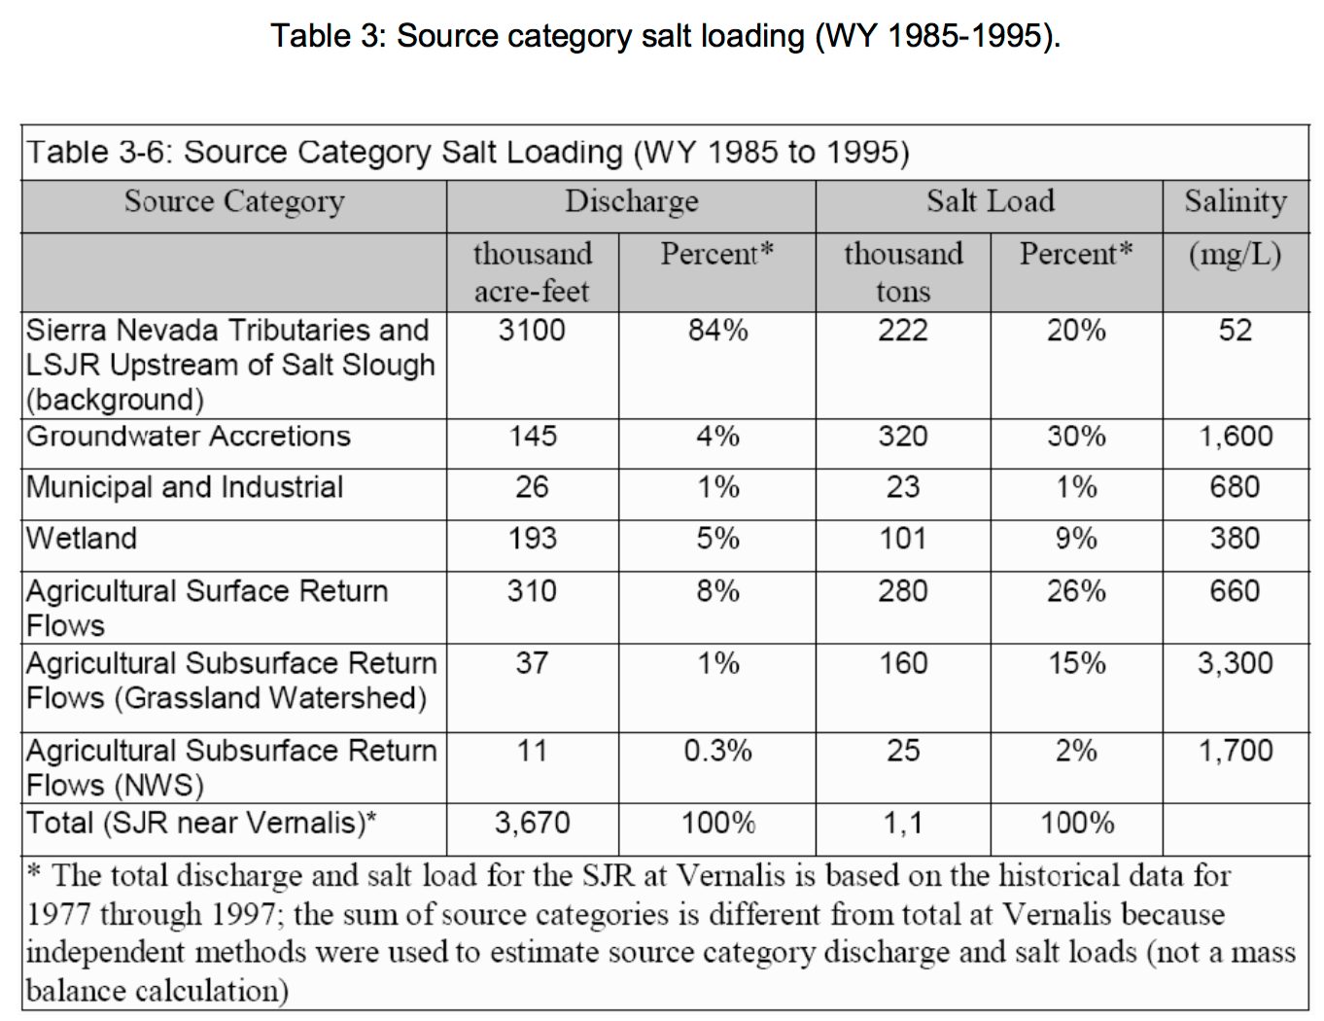
 | Urban Indoor to Urban Outdoor | l-13 | 1 | 0.50 | 0.50 | 2000.00 | 1000.00 | 1.200 | 740,089 | 434 |  |  |  |  |  |  |  |  | 18 | 4.0 | -81
 | WWTPu to node 6 | l-15 | 1 | 14.88 | 14.88 | 50.00 | 743.75 |  | 0 | 650 |  |  |  |  |  |  |  |  | 19 | 3.7 | -75
 | Node 5 to Ag | l-16 | 1 | 0.00 | 0.00 | 0.00 | 0.00 | 0.079 | 0 | 52 |  |  |  |  |  |  |  |  | 20 | 3.4 | -68
 | GW to Ag | l-17 | 1 | 0.00 | 0.00 | 90.00 | 0.00 |  | 0 | 100 |  |  |  |  |  |  |  |  | 21 | 3.1 | -62
 | Ag to node 6 | l-18 | 0.35 | 0.00 | 0.00 | 0.00 | 0.00 |  | 0 | 0 |  |  |  |  |  |  |  |  | 22 | 2.8 | -56
 | Ag to GW | l-19 | 0.35 | 0.00 | 0.00 | 0.00 | 0.00 |  | 0 | 0 |  |  |  |  |  |  |  |  | 23 | 2.5 | -50
 | Node 5 to Rural homes | l-20 | 1 | 0.00 | 0.00 | 0.00 | 0.00 | 0.079 | 0 | 52 |  |  |  |  |  |  |  |  | 24 | 2.2 | -43
 | GW to Rural homes | l-21 | 1 | 0.00 | 0.00 | 90.00 | 0.00 | 0.185 | 0 | 100 |  |  |  |  |  |  |  |  | 25 | 1.9 | -37
 | Rural homes to node 6 | l-22 | 1 | 0.00 | 0.00 | 0.00 | 0.00 |  | 0 | 0 |  |  |  |  |  |  |  |  | 26 | 1.6 | -31
 | GW to node 8 | l-23 | 1 | 30.00 | 30.00 | 90.00 | 2700.00 | 0.185 | 6,845,824 | 100 |  |  |  |  |  |  |  |  | 27 | 1.2 | -25
 | WWTPs to node 8 | l-24 | 1 | 1.00 | 1.00 | 1500.00 | 1500.00 | 0.661 | 815,331 | 650 |  |  |  |  |  |  |  |  | 28 | 0.9 | -19
 | Node 8 to Suburban Indoor | l-25 | 1 | 22.75 | 22.75 | 0.00 | 0.00 |  | 0 | 199 |  |  |  |  |  |  |  |  | 29 | 0.6 | -12
 | Node 8 to Suburban outdoor | l-26 | 1 | 22.75 | 22.75 | 0.00 | 0.00 |  | 0 | 199 |  |  |  |  |  |  |  |  | 30 | 0.0 | 0
 | Suburban indoor to Suburban outdoor | l-27 | 1 | 1.00 | 1.00 | 2000.00 | 2000.00 | 1.200 | 1,480,178 | 239
 | Urban outdoor to GW | l-28 | 0.1 | 20.75 | 2.08 | 0.00 | 0.00 |  | 0 | 377
 | Suburban Outdoor to GW | l-29 | 0.1 | 27.25 | 2.73 | 0.00 | 0.00 |  | 0 | 258
 | WWTPu to Ag | l-30 | 1 | 0.00 | 0.00 | 520.00 | 0.00 | 0.661 | 0 | 650
 | Rural homes - outdoor | l-31 | 1 | 0.00 | 0.00 | 0.00 | 0.00 |  | 0 | 0
 | Rural homes - indoor | l-32 | 1 | 0.00 | 0.00 | 0.00 | 0.00 |  | 0 | 0
 | Grey Water for Rural homes | l-33 | 1 | 0.00 | 0.00 | 2000.00 | 0.00 | 1.200 | 0 | 0
 | Return flow from Rural outdoor | l-34 | 0.1 | 0.00 | 0.00 | 0.00 | 0.00 |  | 0 | 0
 | Return flow from Rural indoor | l-35 | 0.9 | 0.00 | 0.00 | 0.00 | 0.00 |  | 0 | 0
 | Node 5 to Environment | l-36 | 1 | 0.00 | 0.00 | 0.00 | 0.00 |  | 0 | 52
 | GW to Environment | l-37 | 1 | 0.00 | 0.00 | 90.00 | 0.00 | 0.185 | 0 | 100
 | Return flow from Environment | l-38 | 0.35 | 0.00 | 0.00 | 0.00 | 0.00 |  | 0 | 0
 | Ocean to Desalination plant | l-39 | 1 | 4.00 | 4.00 |  | 0.00 |  | 0 | 35000
 | Desalination Plant to node 7 | l-40 | 1 | 2.00 | 2.00 | 1800.00 | 3600.00 | 2.000 | 4,933,927 | 700
 | Desalination Plant to node 8 | l-43 | 1 | 2.00 | 2.00 | 1800.00 | 3600.00 | 2.000 | 4,933,927 | 700

