ELBONIA
ELBONIA WATERSHED
Urban

Elbonia Watershed
Urban
Suburban | 33
Rural | 33
Ag | 33
Environment | 33

watershed
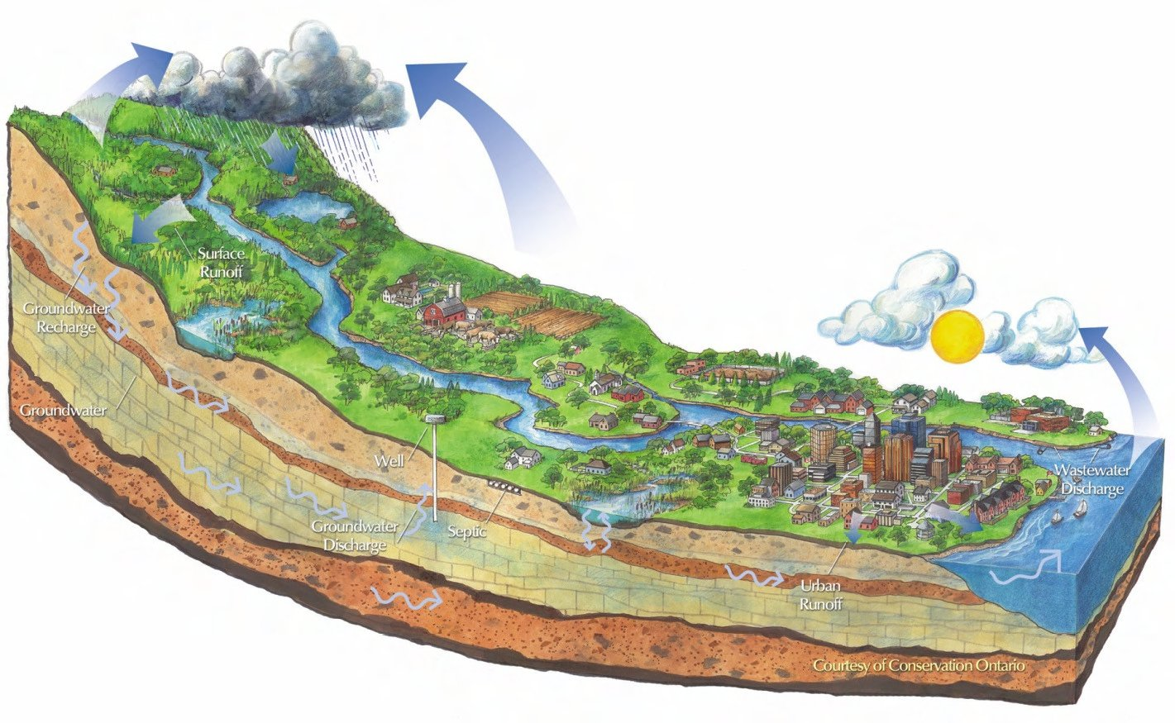

Elbonian Watershed

users&sources
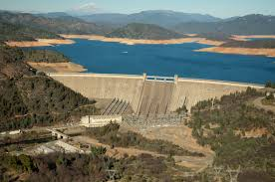

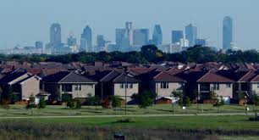
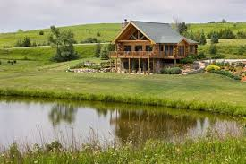
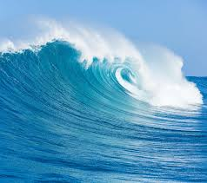
Elbonian Users and Supply Sources
Suburban
Urban
Rural Homes
Groundwater
Surface Reservoir
Environment
Agriculture
River
Ocean
Wastewater Reuse

upper basin
Table 1: Demands and Supplies |  |  |  |  |  |  | Table 2: Management Options and Decisions
 |  |  |  |  |  |  |  | Urban |  | Suburban |  | Rural Homes |  | Agriculture |  | Environment
 | Max. Water Availability (TAF) |  | Augmented
 | Groundwater | 500 | 0% |  |  |  |  | Groundwater (GW) | 0 | Groundwater (GW) | 0 | Groundwater (GW) | 5 | Groundwater (GW) | 50 | Groundwater (GW) | 5
 | Surface Water | 300 | 0% |  |  |  |  | Surface Water (SW) | 0 | Surface Water (SW) | 0 | Surface Water (SW) | 14 | Surface Water (SW) | 50 | Surface Water (SW) | 15
 | Target Demand (TAF) |  | Demand Met? |  |  |  |  | Direct Potable Reuse (DPR) | 0 | Direct Potable Reuse (DPR) | 0 | Grey Water (GreyW) | 1 | Indirect Potable Reuse (IPR) | 0 | On-site Reuse (OR) | 0%
 | Environment | 20 | 100% |  |  |  |  | Indirect Potable Reuse (IPR) | 0 | Indirect Potable Reuse (IPR) | 0 | Conservation (C) | 0% | Irrigation Efficiency (IE) | 0%
 | Urban | 0 | 0% |  |  |  |  | Grey Water (GreyW) | 0 | Grey Water (GreyW) | 0
 | Agricultural | 100 | 100% |  |  |  |  | Conservation (C) | 0% | Conservation (C) | 0%
 | Suburban | 0 | 0%
 | Urban
GW | 0
SW | 0
DPR | 0
IPR | 0
GreyW | 0
C | 0
 | Suburban
GW | 0
SW | 0
DPR | 0
IPR | 0
GreyW | 0
C | 0
 | Rural Homes
GW | 5
SW | 14
GreyW | 1
C | 0
 | Agriculture
GW | 50
SW | 50
IPR | 0
IE | 0
 | Environment
GW | 5
SW | 15
OR | 0
 | Rural Homes | 20 | 100%

Table 5: Basinwide and Regional Performace

 |  |  | Upper Basin | Full Basin
1 | Total Cost ($) |  | 7,400,000 | 34,070,000
2 | Total Energy (MWh) |  | 9,999 | 27,325
3 | Avg. Wastew. Reuse Ratio (%) |  | 1% | 6%
4 | Meeting All Target Demands (%) |  | 60% | 44%
5 | Groundwater Overdraft (TAF) |  | 43 | 74
6 | Outflow Salinity Requirement
 | Outflow to Ocean (TAF) |  | 255
 | Outflow Salinity (mg/L) |  | 99 |  |  |  |  | Note: Units are Thousand Acre-Feet (TAF)
 | Note: Regional = Upper Basin + Lower Basin

Table 4: Cost of Options |  |  |  |  | Table 3: Sectoral Performance
 |  |  |  |  |  |  |  | Urban |  | Suburban |  | Rural Homes |  | Agriculture |  | Environment
 | Option | Unit Cost ($/AF) |  |  |  | Total Cost ($) |  | 0 |  | 0 |  | 2,450,000 |  | 4,500,000 |  | 450,000
 | Suface Water Treatment | 400 |  |  |  | % of Regional Cost |  | 0.00% |  | 0.00% |  | 7.19% |  | 13.21% |  | 1.32%
 | Groundwater Pumping | 90 |  |  |  | Total Energy (MWh) |  | 0 |  | 0 |  | 0 |  | 0 |  | 0
 | Direct Potable Reuse | 1,500 |  |  |  | % of Regional Energy Use |  | 0.00% |  | 0.00% |  | 0.00% |  | 0.00% |  | 0.00%
 | Indirect Potable Reuse | 520 |  |  |  | Wastew. Reuse Ratio (%) |  | 0.00% |  | 0.00% |  | 5.00% |  | 0.00% |  | -
 | Grey Water | 2,000
 | Desalination | 1,800
 | WWTP Return Flow to Surface | 50

lower basin
Table 1: Demands and Supplies |  |  |  |  |  |  | Table 2: Management Options and Decisions
 |  |  |  |  |  |  |  | Urban |  | Suburban |  | Rural Homes |  | Agriculture |  | Environment
 | Max. Water Availability (TAF) |  | Augmented
 | Groundwater | 500 | 0% |  |  |  |  | Groundwater (GW) | 5.5 | Groundwater (GW) | 30 | Groundwater (GW) | 0 | Groundwater (GW) | 0 | Groundwater (GW) | 0
 | Surface Water | 254 | 0% |  |  |  |  | Surface Water (SW) | 5 | Surface Water (SW) | 12.5 | Surface Water (SW) | 0 | Surface Water (SW) | 0 | Surface Water (SW) | 0
 | Target Demand (TAF) |  | Demand Met? |  |  |  |  | Direct Potable Reuse (DPR) | 1 | Direct Potable Reuse (DPR) | 1 | Grey Water (GreyW) | 0 | Indirect Potable Reuse (IPR) | 0 | On-site Reuse (OR) | 0%
 | Environment | 0 | 0% |  |  |  |  | Indirect Potable Reuse (IPR) | 1 | Indirect Potable Reuse (IPR) | 3.5 | Conservation (C) | 0% | Irrigation Efficiency (IE) | 0%
 | Urban | 40 | 38% |  |  |  |  | Grey Water (GreyW) | 0.5 | Grey Water (GreyW) | 1
 | Agricultural | 0 | 0% |  |  |  |  | Desalination (D) | 2 | Desalination (D) | 2
 | Suburban | 50 | 100% |  |  |  |  | Conservation (C) | 0% | Conservation (C) | 0%
 | Rural Homes
GW | 0
SW | 0
GreyW | 0
C | 0
 | Agriculture
GW | 0
SW | 0
IPR | 0
IE | 0
 | Environment
GW | 0
SW | 0
OR | 0
 | Rural Homes | 0 | 0%
 | Urban
GW | 5.5
SW | 5
DPR | 1
IPR | 1
GreyW | 0.5
D | 2
C | 0
 | Suburban
GW | 30
SW | 12.5
DPR | 1
IPR | 3.5
GreyW | 1
D | 2
C | 0

Table 5: Basinwide and Regional Performace

 |  |  | Lower Basin | Full Basin
1 | Total Cost ($) |  | 26,670,000 | 34,070,000
2 | Total Energy (MWh) |  | 17,326 | 27,325
3 | Avg. Wastew. Reuse Ratio (%) |  | 10% | 6%
4 | Meeting All Target Demands (%) |  | 28% | 44%
5 | Groundwater Overdraft (TAF) |  | 32 | 74
6 | Outflow Salinity Requirement
 | Outflow to Ocean (TAF) |  | 255
 | Outflow Salinity (mg/L) |  | 99 |  |  |  |  | Note: Units are Thousand Acre-Feet (TAF)
 | Note: Regional = Upper Basin + Lower Basin

Table 4: Cost of Options |  |  |  |  | Table 3: Sectoral Performance
 |  |  |  |  |  |  |  | Urban |  | Suburban |  | Rural Homes |  | Agriculture |  | Environment
 | Option | Unit Cost ($/AF) |  |  |  | Total Cost ($) |  | 9,296,250 |  | 15,373,750 |  | 0 |  | 0 |  | 0
 | Suface Water Treatment | 400 |  |  |  | % of Regional Cost |  | 27.29% |  | 45.12% |  | 0.00% |  | 0.00% |  | 0.00%
 | Groundwater Pumping | 90 |  |  |  | Total Energy (MWh) |  | 9,047 |  | 0 |  | 0 |  | 0 |  | 0
 | Direct Potable Reuse | 1,500 |  |  |  | % of Regional Energy Use |  | 33.11% |  | 0.00% |  | 0.00% |  | 0.00% |  | 0.00%
 | Indirect Potable Reuse | 520 |  |  |  | Wastew. Reuse Ratio (%) |  | 30.00% |  | 11.46% |  | 0.00% |  | 0.00% |  | -
 | Grey Water | 2,000
 | Desalination | 1,800
Figure 1: Saltwater Intrusion
 | h | z
 | 9.7 | -193
 | 9.3 | -187
 | 9.0 | -180
 | 8.7 | -174
 | 8.4 | -167
 | 8.1 | -161
 | 7.7 | -155
 | 7.4 | -148
 | 7.1 | -142
 | 6.8 | -135
 | 6.4 | -129
 | 6.1 | -122
 | 5.8 | -116
 | 5.5 | -110
 | 5.2 | -103
 | 4.8 | -97
 | 4.5 | -90
 | 4.2 | -84
 | 3.9 | -77
 | 3.5 | -71
 | 3.2 | -64
 | 2.9 | -58
 | 2.6 | -52
 | 2.3 | -45
 | 1.9 | -39
 | 1.6 | -32
 | 1.3 | -26
 | 1.0 | -19
 | 0.6 | -13
 | 0.0 | 0
Groundwater (fresh)
Water Table
Sea Level
Sea Floor
Saltwater
Land Surface
salt intrusion
 | WWTP Return Flow to Surface | 50

schematic
Reservoir
1
Urban - Indoor
Urban - Outoor
GW
3
WTP
WWTPu
Suburban - Indoor
Suburban - Outoor
WWTPs
2
4
Ag
Rural - Indoor
r-1
r-2
u-4
u-5
u-6
u-7
u-8
u-9
u-10
u-11
u-12
u-13
u-15
u-16
u-17
u-18
u-19
u-20
u-21
u-22
u-23
u-24
u-25
u-26
u-3
u-27
u-2
u-1
u-28
u-29
5
Urban - Indoor
Urban - Outoor
GW
7
WTP
WWTPu
Suburban - Indoor
Suburban - Outoor
WWTPs
6
8
Ag
r-3
r-4
I-4
l-5
I-6
I-7
l-8
l-9
l-10
l-11
l-12
l-13
l-15
l-16
l-17
l-18
l-19
l-20
l-21
l-22
l-23
l-24
l-25
l-26
l-3
l-27
l-2
l-1
l-28
l-29
Ocean
r-5
Desal
l-39
l-40
Legend:
Urban
Suburban
Rural
Agriculture
Treatment Plant
GW
Ocean
Salinity barrier
l-42
l-41
u-30
l-30
Rural - Outdoor
9
10
Environment
Environment
Rural - Outdoor
12
Rural - Indoor
11
Environment
u-31
u-32
u-33
u-34
u-35
u-36
u-37
u-38
l-31
l-32
l-33
l-34
l-35
l-36
l-37
l-38

l-43

data
 | Description | Link | Amplitude | Flow Data | Flow (TAF/m) | Unit Cost ($/AF) | Total Cost (K$) | Unit Energy (kWh/m3) | Total Energy (kWh) | TDS (mg/L)
River | reservoir release | r-1 | 1 | 300.00 | 300.00 | 0.00 | 0.00 |  | 0 | 52 | UPPER BASIN |  |  |  |  |  |  |  |  |  |  |  |  |  |  | LOWER BASIN
 | river reach between upper basin supply and return nodes | r-2 | 1 | 221.00 | 221.00 | 0.00 | 0.00 |  | 0 | 52
 | river reach between upper and lower basin | r-3 | 1 | 254.20 | 254.20 | 0.00 | 0.00 |  | 0 | 55 | Urban |  | label | Suburban |  |  | Rural Homes |  |  | Agriculture |  |  | Environment |  |  | Urban |  | label | Suburban |  | label | Rural Homes |  | label | Agriculture |  | label | Environment |  | label
 | river reach between lower basin supply and return nodes | r-4 | 1 | 236.70 | 236.70 | 0.00 | 0.00 |  | 0 | 55 | Groundwater (GW) | 0 | GW | Groundwater (GW) | 0 | GW | Groundwater (GW) | 5 | GW | Groundwater (GW) | 50 | GW | Groundwater (GW) | 5 | GW | Groundwater (GW) | 5.5 | GW | Groundwater (GW) | 30 | GW | Groundwater (GW) | 0 | GW | Groundwater (GW) | 0 | GW | Groundwater (GW) | 0 | GW
 | outflow to the ocean | r-5 | 1 | 255.40 | 255.40 | 0.00 | 0.00 |  | 0 | 99 | Surface Water (SW) | 0 | SW | Surface Water (SW) | 0 | SW | Surface Water (SW) | 14 | SW | Surface Water (SW) | 50 | SW | Surface Water (SW) | 15 | SW | Surface Water (SW) | 5 | SW | Surface Water (SW) | 12.5 | SW | Surface Water (SW) | 0 | SW | Surface Water (SW) | 0 | SW | Surface Water (SW) | 0 | SW
Upper basin | WWTPs release to node 2 | u-1 | 1 | 0.00 | 0.00 | 50.00 | 0.00 |  | 0 | 650 | Direct Potable Reuse (DPR) | 0 | DPR | Direct Potable Reuse (DPR) | 0 | DPR | Grey Water (GreyW) | 1 | GreyW | Indirect Potable Reuse (IPR) | 0 | IPR | On-site Reuse (OR) | 0 | OR | Direct Potable Reuse (DPR) | 1 | DPR | Direct Potable Reuse (DPR) | 1 | DPR | Grey Water (GreyW) | 0 | GreyW | Indirect Potable Reuse (IPR) | 0 | IPR | On-site Reuse (OR) | 0 | OR
 | WWTPs release to Suburban outdoor | u-2 | 1 | 0.00 | 0.00 | 520.00 | 0.00 | 0.661 | 0 | 650 | Indirect Potable Reuse (IPR) | 0 | IPR | Indirect Potable Reuse (IPR) | 0 | IPR | Conservation (C) | 0 | C | Irrigation Efficiency (IE) | 0 | IE |  |  |  | Indirect Potable Reuse (IPR) | 1 | IPR | Indirect Potable Reuse (IPR) | 3.5 | IPR | Conservation (C) | 0 | C | Irrigation Efficiency (IE) | 0 | IE
 | Suburban Indoor to WWTPs | u-3 | 0.9 | 0.00 | 0.00 | 0.00 | 0.00 |  | 0 | #DIV/0! | Grey Water (GreyW) | 0 | GreyW | Grey Water (GreyW) | 0 | GreyW |  |  |  |  |  |  |  |  |  | Grey Water (GreyW) | 0.5 | GreyW | Grey Water (GreyW) | 1 | GreyW
 | Node 1 to WTP | u-4 | 1 | 0.00 | 0.00 | 0.00 | 0.00 |  | 0 | 52 | Conservation (C) | 0 | C | Conservation (C) | 0 | C |  |  |  |  |  |  |  |  |  | Desalination (D) | 2 | D | Desalination (D) | 2 | D
 | WTP to node 4 | u-5 | 1 | 0.00 | 0.00 | 400.00 | 0.00 | 0.079 | 0 | 400 |  |  |  |  |  |  |  |  |  |  |  |  |  |  |  | Conservation (C) | 0 | C | Conservation (C) | 0 | C
 | WTP to node 3 | u-6 | 1 | 0.00 | 0.00 | 400.00 | 0.00 | 0.079 | 0 | 400
 | GW to node 3 | u-7 | 1 | 0.00 | 0.00 | 90.00 | 0.00 | 0.185 | 0 | 100
 | WWTPu to node 3 | u-8 | 1 | 0.00 | 0.00 | 1500.00 | 0.00 | 0.661 | 0 | 650
Assumptions:
1- Return flow from agricultural demand areas to surface and groundwater are split 50%-50%
2- Surface water and groundwater supplies to rural homes are split 50%-50%
3- Return flows from Rural homes indoor and outdoor go only to surface water
4- Desalination is included in wastewater reuse ratio calculations
5- Environment does not affect salinity
 | Node 3 to Urban indoor | u-9 | 1 | 0.00 | 0.00 | 0.00 | 0.00 |  | 0 | #DIV/0! | Source of Energy Use
 | Node 3 to Urban outdoor | u-10 | 1 | 0.00 | 0.00 | 0.00 | 0.00 |  | 0 | #DIV/0! | http://www.circleofblue.org/wp-content/uploads/2010/08/EPRI-Volume-4.pdf
 | WWTPu to Urban outdoor | u-11 | 1 | 0.00 | 0.00 | 520.00 | 0.00 | 0.661 | 0 | 650 | Unit Energy Use - Greywater
 | Urban Indoor to WWTPu | u-12 | 0.9 | 0.00 | 0.00 | 0.00 | 0.00 |  | 0 | #DIV/0! | https://www.google.com/url?sa=t&rct=j&q=&esrc=s&source=web&cd=2&cad=rja&uact=8&ved=0ahUKEwiX_fD3xK3NAhVGzmMKHbTqAUEQFggrMAE&url=http%3A%2F%2Finnovation.luskin.ucla.edu%2Fsites%2Fdefault%2Ffiles%2FCost-Benefit%2520Analysis%2520of%2520Onsite%2520Residential%2520Graywater%2520Recycling.pdf&usg=AFQjCNF-3KAJ7iFktOu9h5ElPir8GyRMXQ&sig2=q-mbMYiUgHsNqs6B8nl4pA | -
 | Urban Indoor to Urban Outdoor | u-13 | 1 | 0.00 | 0.00 | 2000.00 | 0.00 | 1.200 | 0 | #DIV/0! | Unit Energy Use - Desalination
 | WWTPu to node 2 | u-15 | 1 | 0.00 | 0.00 | 50.00 | 0.00 |  | 0 | 650 | https://watereuse.org/wp-content/uploads/2015/10/Power_consumption_white_paper.pdf | -
 | Node 1 to Ag | u-16 | 1 | 50.00 | 50.00 | 0.00 | 0.00 | 0.079 | 4,872,253 | 52
 | GW to Ag | u-17 | 1 | 50.00 | 50.00 | 90.00 | 4500.00 |  | 0 | 100 | water release salinity (mg/L)
 | Ag to node 2 | u-18 | 0.35 | 50.00 | 17.50 | 0.00 | 0.00 |  | 0 | 84 | WWTP | 650
 | Ag to GW | u-19 | 0.35 | 50.00 | 17.50 | 0.00 | 0.00 |  | 0 | 84 | WTP | 400
 | Node 1 to Rural homes | u-20 | 1 | 14.00 | 14.00 | 0.00 | 0.00 | 0.079 | 1,364,231 | 52 | DESALINATION PLANT | 700
 | GW to Rural homes | u-21 | 1 | 5.00 | 5.00 | 90.00 | 450.00 | 0.185 | 1,140,971 | 100 | Groundwater | 100
 | Rural homes to node 2 | u-22 | 1 | 8.70 | 8.70 | 0.00 | 0.00 |  | 0 | 73
 | GW to node 4 | u-23 | 1 | 0.00 | 0.00 | 90.00 | 0.00 | 0.185 | 0 | 100 | urban and suburban use salinity increase | 20.00%
 | WWTPs to node 4 | u-24 | 1 | 0.00 | 0.00 | 1500.00 | 0.00 | 0.661 | 0 | 650 | ag use salinity increase | 10.00%
 | Node 4 to Suburban Indoor | u-25 | 1 | 0.00 | 0.00 | 0.00 | 0.00 |  | 0 | #DIV/0! | rural use salinity increase | 15.00%
 | Node 4 to Suburban outdoor | u-26 | 1 | 0.00 | 0.00 | 0.00 | 0.00 |  | 0 | #DIV/0! | salinity barrier reduction | 10.00%
 | Suburban indoor to Suburban outdoor | u-27 | 1 | 0.00 | 0.00 | 2000.00 | 0.00 | 1.200 | 0 | #DIV/0!
 | Urban outdoor to GW | u-28 | 0.1 | 0.00 | 0.00 | 0.00 | 0.00 |  | 0 | #DIV/0! |  |  |  |  |  |  |  |  | Empirical relation between pumping from gw and return flow to gw and depth of water table above sea level (h)
 | Suburban Outdoor to GW | u-29 | 0.1 | 0.00 | 0.00 | 0.00 | 0.00 |  | 0 | #DIV/0! |  |  |  |  |  |  |  |  | ∆h = β * Σrecharge - α * Σpumping
 | WWTPu to Ag | u-30 | 1 | 0.00 | 0.00 | 520.00 | 0.00 | 0.661 | 0 | 650 |  |  |  |  |  |  |  |  | Saltwater Intrusion
 | Rural homes - outdoor | u-31 | 1 | 9.50 | 9.50 | 0.00 | 0.00 |  | 0 | 65 |  |  |  |  |  |  |  |  |  | z / h ratio | 20 |  | α | 1.00
 | Rural homes - indoor | u-32 | 1 | 9.50 | 9.50 | 0.00 | 0.00 |  | 0 | 65 |  |  |  |  |  |  |  |  |  |  | . |  | β | 0.50
 | Grey Water for Rural homes | u-33 | 1 | 1.00 | 1.00 | 2000.00 | 2000.00 | 1.200 | 1,480,178 | 74 |  |  |  |  |  |  |  |  | # | h | z
 | Return flow from Rural outdoor | u-34 | 0.1 | 10.50 | 1.05 | 0.00 | 0.00 |  | 0 | 66 |  |  |  |  |  |  |  |  | 1 | 9.7 | -193 |  | Source: | https://en.wikipedia.org/wiki/Saltwater_intrusion
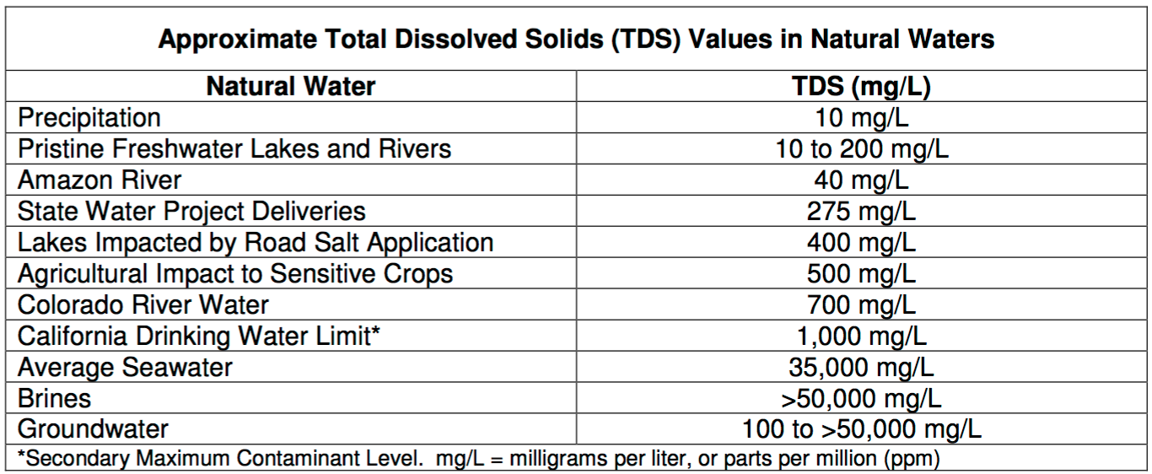
 | Return flow from Rural indoor | u-35 | 0.9 | 8.50 | 7.65 | 0.00 | 0.00 |  | 0 | 74 |  |  |  |  |  |  |  |  | 2 | 9.3 | -187
 | Node 1 to Environment | u-36 | 1 | 15.00 | 15.00 | 0.00 | 0.00 |  | 0 | 52 |  |  |  |  |  |  |  |  | 3 | 9.0 | -180
 | GW to Environment | u-37 | 1 | 5.00 | 5.00 | 90.00 | 450.00 | 0.185 | 1,140,971 | 100 |  |  |  |  |  |  |  |  | 4 | 8.7 | -174
 | Return flow from Environment | u-38 | 0.35 | 20.00 | 7.00 | 0.00 | 0.00 |  | 0 | 64 |  |  |  |  |  |  |  |  | 5 | 8.4 | -167
Lower Basin | WWTPs release to node 6 | l-1 | 1 | 15.08 | 15.08 | 50.00 | 753.75 |  | 0 | 650 |  |  |  |  |  |  |  |  | 6 | 8.1 | -161
 | WWTPs release to Suburban outdoor | l-2 | 1 | 3.50 | 3.50 | 520.00 | 1820.00 | 0.661 | 2,853,660 | 650 |  |  |  |  |  |  |  |  | 7 | 7.7 | -155
 | Suburban Indoor to WWTPs | l-3 | 0.9 | 21.75 | 19.58 | 0.00 | 0.00 |  | 0 | 239 |  |  |  |  |  |  |  |  | 8 | 7.4 | -148
 | Node 5 to WTP | l-4 | 1 | 17.50 | 17.50 | 0.00 | 0.00 |  | 0 | 52 |  |  |  |  |  |  |  |  | 9 | 7.1 | -142
 | WTP to node 8 | l-5 | 1 | 12.50 | 12.50 | 400.00 | 5000.00 | 0.079 | 1,218,063 | 400 |  |  |  |  |  |  |  |  | 10 | 6.8 | -135
 | WTP to node 7 | l-6 | 1 | 5.00 | 5.00 | 400.00 | 2000.00 | 0.079 | 487,225 | 400 |  |  |  |  |  |  |  |  | 11 | 6.4 | -129
 | GW to node 7 | l-7 | 1 | 5.50 | 5.50 | 90.00 | 495.00 | 0.185 | 1,255,068 | 100 |  |  |  |  |  |  |  |  | 12 | 6.1 | -122
 | WWTPu to node 7 | l-8 | 1 | 1.00 | 1.00 | 1500.00 | 1500.00 | 0.661 | 815,331 | 650 |  |  |  |  |  |  |  |  | 13 | 5.8 | -116
 | Node 7 to Urban indoor | l-9 | 1 | 6.75 | 6.75 | 0.00 | 0.00 |  | 0 | 278 |  |  |  |  |  |  |  |  | 14 | 5.5 | -110
 | Node 7 to Urban outdoor | l-10 | 1 | 6.75 | 6.75 | 0.00 | 0.00 |  | 0 | 278 |  |  |  |  |  |  |  |  | 15 | 5.2 | -103
 | WWTPu to Urban outdoor | l-11 | 1 | 1.00 | 1.00 | 520.00 | 520.00 | 0.661 | 815,331 | 650 |  |  |  |  |  |  |  |  | 16 | 4.8 | -97
 | Urban Indoor to WWTPu | l-12 | 0.9 | 6.25 | 5.63 | 0.00 | 0.00 |  | 0 | 334 |  |  |  |  |  |  |  |  | 17 | 4.5 | -90
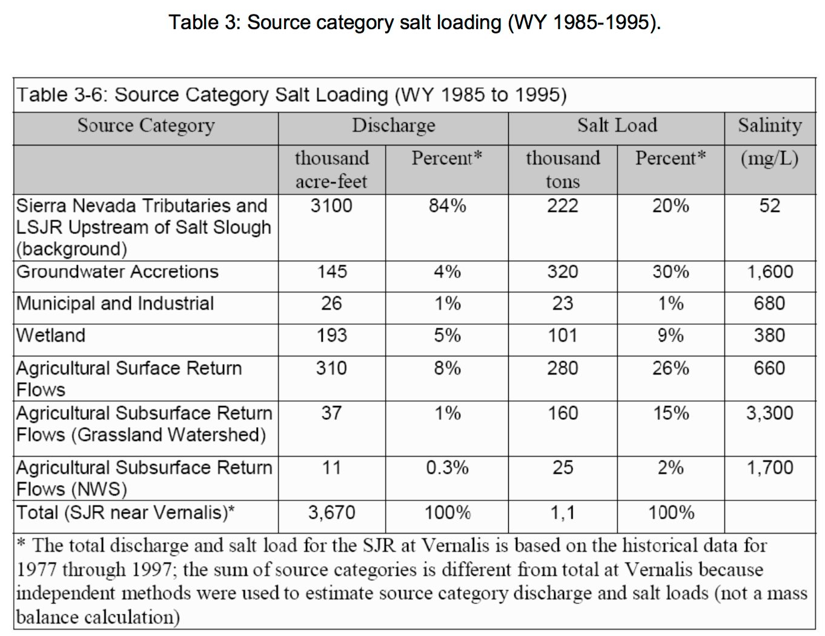
 | Urban Indoor to Urban Outdoor | l-13 | 1 | 0.50 | 0.50 | 2000.00 | 1000.00 | 1.200 | 740,089 | 334 |  |  |  |  |  |  |  |  | 18 | 4.2 | -84
 | WWTPu to node 6 | l-15 | 1 | 3.63 | 3.63 | 50.00 | 181.25 |  | 0 | 650 |  |  |  |  |  |  |  |  | 19 | 3.9 | -77
 | Node 5 to Ag | l-16 | 1 | 0.00 | 0.00 | 0.00 | 0.00 | 0.079 | 0 | 52 |  |  |  |  |  |  |  |  | 20 | 3.5 | -71
 | GW to Ag | l-17 | 1 | 0.00 | 0.00 | 90.00 | 0.00 |  | 0 | 100 |  |  |  |  |  |  |  |  | 21 | 3.2 | -64
 | Ag to node 6 | l-18 | 0.35 | 0.00 | 0.00 | 0.00 | 0.00 |  | 0 | 0 |  |  |  |  |  |  |  |  | 22 | 2.9 | -58
 | Ag to GW | l-19 | 0.35 | 0.00 | 0.00 | 0.00 | 0.00 |  | 0 | 0 |  |  |  |  |  |  |  |  | 23 | 2.6 | -52
 | Node 5 to Rural homes | l-20 | 1 | 0.00 | 0.00 | 0.00 | 0.00 | 0.079 | 0 | 52 |  |  |  |  |  |  |  |  | 24 | 2.3 | -45
 | GW to Rural homes | l-21 | 1 | 0.00 | 0.00 | 90.00 | 0.00 | 0.185 | 0 | 100 |  |  |  |  |  |  |  |  | 25 | 1.9 | -39
 | Rural homes to node 6 | l-22 | 1 | 0.00 | 0.00 | 0.00 | 0.00 |  | 0 | 0 |  |  |  |  |  |  |  |  | 26 | 1.6 | -32
 | GW to node 8 | l-23 | 1 | 30.00 | 30.00 | 90.00 | 2700.00 | 0.185 | 6,845,824 | 100 |  |  |  |  |  |  |  |  | 27 | 1.3 | -26
 | WWTPs to node 8 | l-24 | 1 | 1.00 | 1.00 | 1500.00 | 1500.00 | 0.661 | 815,331 | 650 |  |  |  |  |  |  |  |  | 28 | 1.0 | -19
 | Node 8 to Suburban Indoor | l-25 | 1 | 22.75 | 22.75 | 0.00 | 0.00 |  | 0 | 199 |  |  |  |  |  |  |  |  | 29 | 0.6 | -13
 | Node 8 to Suburban outdoor | l-26 | 1 | 22.75 | 22.75 | 0.00 | 0.00 |  | 0 | 199 |  |  |  |  |  |  |  |  | 30 | 0.0 | 0
 | Suburban indoor to Suburban outdoor | l-27 | 1 | 1.00 | 1.00 | 2000.00 | 2000.00 | 1.200 | 1,480,178 | 239
 | Urban outdoor to GW | l-28 | 0.1 | 8.25 | 0.83 | 0.00 | 0.00 |  | 0 | 327
 | Suburban Outdoor to GW | l-29 | 0.1 | 27.25 | 2.73 | 0.00 | 0.00 |  | 0 | 258
 | WWTPu to Ag | l-30 | 1 | 0.00 | 0.00 | 520.00 | 0.00 | 0.661 | 0 | 650
 | Rural homes - outdoor | l-31 | 1 | 0.00 | 0.00 | 0.00 | 0.00 |  | 0 | 0
 | Rural homes - indoor | l-32 | 1 | 0.00 | 0.00 | 0.00 | 0.00 |  | 0 | 0
 | Grey Water for Rural homes | l-33 | 1 | 0.00 | 0.00 | 2000.00 | 0.00 | 1.200 | 0 | 0
 | Return flow from Rural outdoor | l-34 | 0.1 | 0.00 | 0.00 | 0.00 | 0.00 |  | 0 | 0
 | Return flow from Rural indoor | l-35 | 0.9 | 0.00 | 0.00 | 0.00 | 0.00 |  | 0 | 0
 | Node 5 to Environment | l-36 | 1 | 0.00 | 0.00 | 0.00 | 0.00 |  | 0 | 52
 | GW to Environment | l-37 | 1 | 0.00 | 0.00 | 90.00 | 0.00 | 0.185 | 0 | 100
 | Return flow from Environment | l-38 | 0.35 | 0.00 | 0.00 | 0.00 | 0.00 |  | 0 | 0
 | Ocean to Desalination plant | l-39 | 1 | 4.00 | 4.00 |  | 0.00 |  | 0 | 35000
 | Desalination Plant to node 7 | l-40 | 1 | 2.00 | 2.00 | 1800.00 | 3600.00 | 2.000 | 4,933,927 | 700
 | Desalination Plant to node 8 | l-43 | 1 | 2.00 | 2.00 | 1800.00 | 3600.00 | 2.000 | 4,933,927 | 700

