Logistic Model (Logit)
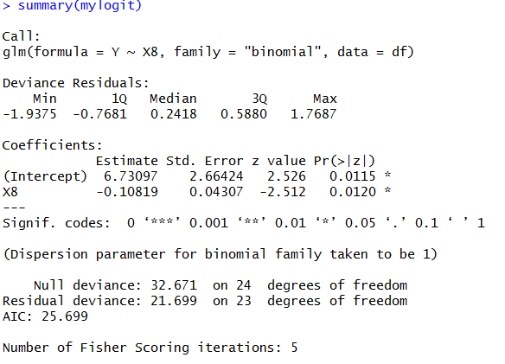
 | I created the model in R and predicted P_1 and P_0 for the calculation.
 |  |  |  |  | Intercept and Covariants |  |  | Intercept Only |  |  | Total Observations | N | 25
 | Y | X8 | P_0 | P_1 | Log L0 | Log L1 | Log L | Log L0 | Log L1 | Log L | AIC | 2K + D
1 | 1 | 35.3 | 0.05157452 | 0.9484255 | 0 | -0.052952037763 | -0.052952037763 | -0.44628707763 | 0 | -0.44628707763 | BIC/SB | K ln(N) + D
2 | 1 | 29.7 | 0.02881409 | 0.9711859 | 0 | -0.029237376904 | -0.029237376904 | -0.44628707763 | 0 | -0.44628707763 | Total Deviation | D
3 | 1 | 30.8 | 0.03233794 | 0.9676621 | 0 | -0.032872322893 | -0.032872322893 | -0.44628707763 | 0 | -0.44628707763
4 | 0 | 58.8 | 0.40872164 | 0.5912784 | -0.89472094144 | 0 | -0.89472094144 | 0 | -1.0216512453 | -1.0216512453 | Intercept Only (K=1)
5 | 1 | 61.4 | 0.47802612 | 0.5219739 | 0 | -0.65013769235 | -0.65013769235 | -0.44628707763 | 0 | -0.44628707763 | -2 Log L (D) | 32.6709089
6 | 1 | 71.3 | 0.72773344 | 0.2722666 | 0 | -1.3009735457 | -1.3009735457 | -0.44628707763 | 0 | -0.44628707763 | AIC | 34.6709089
7 | 0 | 74.4 | 0.78894035 | 0.2110597 | -0.23706456302 | 0 | -0.23706456302 | 0 | -1.0216512453 | -1.0216512453 | BIC | 35.889784725
8 | 0 | 76.7 | 0.82741158 | 0.1725884 | -0.1894530294 | 0 | -0.1894530294 | 0 | -1.0216512453 | -1.0216512453
9 | 0 | 70.7 | 0.7146829 | 0.2853171 | -0.33591633117 | 0 | -0.33591633117 | 0 | -1.0216512453 | -1.0216512453
10 | 1 | 57.5 | 0.37521632 | 0.6247837 | 0 | -0.47034976915 | -0.47034976915 | -0.44628707763 | 0 | -0.44628707763 | Intercept and Covariants (K=2)
11 | 0 | 46.4 | 0.15305491 | 0.8469451 | -1.8769585331 | 0 | -1.8769585331 | 0 | -1.0216512453 | -1.0216512453 | -2 Log L (D) | 21.699480429
12 | 1 | 28.9 | 0.02648828 | 0.9735117 | 0 | -0.026845435752 | -0.026845435752 | -0.44628707763 | 0 | -0.44628707763 | AIC | 25.699480429
13 | 1 | 28.1 | 0.02434551 | 0.9756545 | 0 | -0.024646751142 | -0.024646751142 | -0.44628707763 | 0 | -0.44628707763 | BIC | 28.137232079
14 | 1 | 39.1 | 0.07581304 | 0.924187 | 0 | -0.078840846864 | -0.078840846864 | -0.44628707763 | 0 | -0.44628707763
15 | 1 | 46.8 | 0.15874948 | 0.8412505 | 0 | -0.17286580367 | -0.17286580367 | -0.44628707763 | 0 | -0.44628707763
16 | 1 | 48.5 | 0.18487901 | 0.815121 | 0 | -0.2044187105 | -0.2044187105 | -0.44628707763 | 0 | -0.44628707763 | Likelihood Ratio Test Value
17 | 1 | 59.3 | 0.42185664 | 0.5781434 | 0 | -0.54793334419 | -0.54793334419 | -0.44628707763 | 0 | -0.44628707763 | =Intercept Model D - Full Model D | 10.97142847
18 | 0 | 70 | 0.69899213 | 0.3010079 | -0.35811579575 | 0 | -0.35811579575 | 0 | -1.0216512453 | -1.0216512453
19 | 0 | 70 | 0.69899213 | 0.3010079 | -0.35811579575 | 0 | -0.35811579575 | 0 | -1.0216512453 | -1.0216512453
20 | 1 | 74.5 | 0.79073627 | 0.2092637 | 0 | -1.5641600998 | -1.5641600998 | -0.44628707763 | 0 | -0.44628707763 | According to AIC, full model is better than the intercept only as full model AIC value is lower.
21 | 0 | 72.1 | 0.74454124 | 0.2554588 | -0.29498703551 | 0 | -0.29498703551 | 0 | -1.0216512453 | -1.0216512453 | According to SB, full model is better than the intercept only as full model SB value is lower.
22 | 0 | 58.1 | 0.39055324 | 0.6094468 | -0.94019098097 | 0 | -0.94019098097 | 0 | -1.0216512453 | -1.0216512453 | According to Likelihood Ratio Test, the full model better than the intercept only as the full model total diviation is less then intercept model.
23 | 1 | 44.6 | 0.1294776 | 0.8705224 | 0 | -0.13866178777 | -0.13866178777 | -0.44628707763 | 0 | -0.44628707763
24 | 1 | 33.4 | 0.04239759 | 0.9576024 | 0 | -0.043322618476 | -0.043322618476 | -0.44628707763 | 0 | -0.44628707763
25 | 1 | 28.6 | 0.02566405 | 0.974336 | 0 | -0.025999065629 | -0.025999065629 | -0.44628707763 | 0 | -0.44628707763
 | Average |  | 0.3600000008 | 0.640000016
 |  |  |  |  |  | Log Likelihood | -10.849740215 |  |  | -16.33545445
 |  |  |  |  |  | -2 Log L | 21.699480429 |  |  | 32.6709089

