Assumption
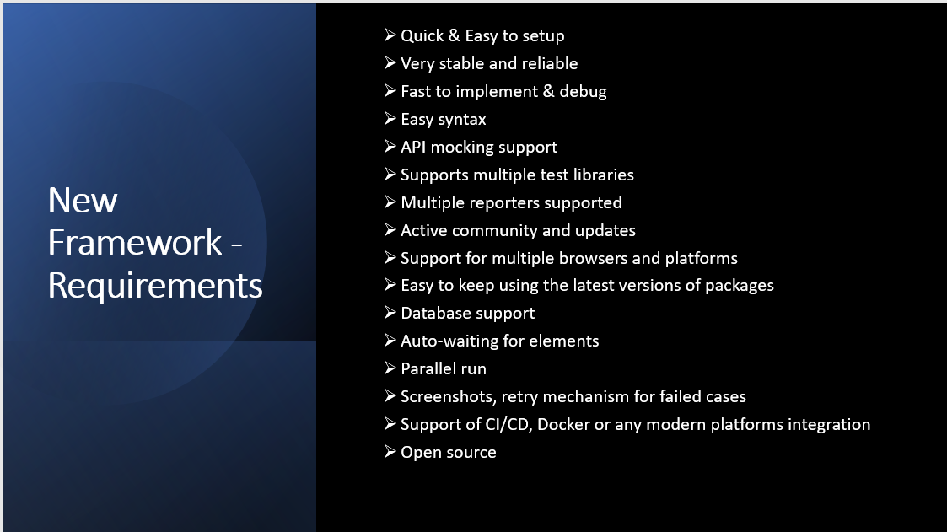
Sl.no | Scope of the Framework

1 | One E2E flow execution I,e Provisioning + Delete
2 | Very optimised framework structure, Global Declarations ,Data Parameterised
3 | Integration with Slack and Jenkins
4 | Reporting

