Sheet1
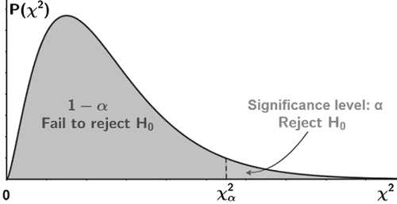
Observed Values - Data Collected by the Syrvey |  |  |  | Expected Values if they were Independent
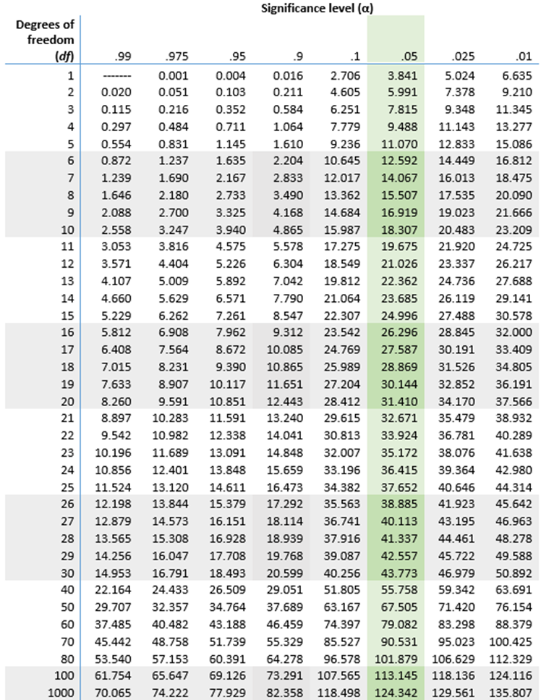
 |  | Product B | Total |  |  | Product B
 | Product A |  |  |  | Product A
Under 30 | 30 | 40 | 70 | Under 30 | 35 | 35
30 to 50 | 50 | 30 | 80 | 30 to 50 | 40 | 40
Over 50 | 20 | 30 | 50 | Over 50 | 25 | 25
Total | 100 | 100 | 200

 |  |  |  |  | (O-E)^2/E
 |  |  |  |  |  | Product B
 |  |  |  |  | Product A
 |  |  |  | Under 30 | 0.71428571429 | 0.71428571429
 |  |  |  | 30 to 50 | 2.5 | 2.5
 |  |  |  | Over 50 | 1 | 1

 |  |  |  | X2 | 8.4285714286

 | Compute the P-Value Manually |  |  | =CHISQ.DIST.RT(I22,2) | 0.014782877195
 | Compute the P-Value Using Excel Function |  |  | =CHISQ.TEST(B6:C8,I6:J8) | 0.014782877195

