Sheet1
Delivery Time | Dummy
1 | 3 | t-Test: Two-Sample Assuming Unequal Variances
3 | 3
5 | 3 |  | Delivery Time | Dummy
3 | 3 | Mean | 3.4 | 3
3 | 3 | Variance | 1.8871794872 | 0
4 | 3 | Observations | 40 | 9
2 | 3 | Hypothesized Mean Difference | 0
5 | 3 | df | 39
3 | 3 | t Stat | 1.8415494421
6 |  | P(T<=t) one-tail | 0.03657792429
4 |  | t Critical one-tail | 1.6848751217
3 |  | P(T<=t) two-tail | 0.07315584858
1 |  | t Critical two-tail | 2.02269092
4
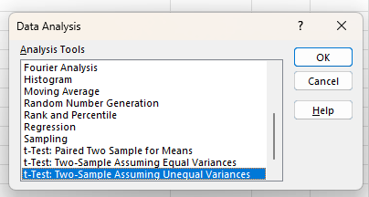
2
2
3
4
5
2
1
4
6
4
4
1
3
6
2
4
4
2
3
3
4
3
3
5
4
5

