Sheet1
year | r-g
1963 | -0.025209668708
1964 | -0.038188283466
1965 | -0.038648059826
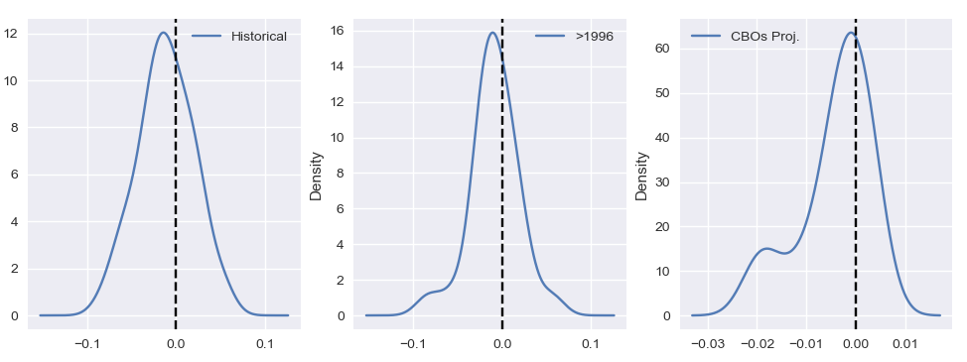
Favourable shock
Unfavourable shock
Favourable shock
Unfavourable shock
Favourable shock
Unfavourable shock
1966 | -0.06330443563
1967 | -0.032612942478
1968 | -0.031682659152
1969 | -0.048270828912
1970 | -0.015520998309
1971 | -0.014671614346
1972 | -0.038396593208
1973 | -0.059516914732
1974 | -0.036512574062
1975 | -0.01349768619
1976 | -0.0444115899
1977 | -0.072244972455
1978 | -0.057281490225
1979 | -0.06101659261
1980 | -0.0079623886503
1981 | -0.022146104129
1982 | 0.048658562228
1983 | 0.031185944881
1984 | -0.018597149235
1985 | 0.02248148398
1986 | 0.031020283782
1987 | 0.027599594398
1988 | 0.0014436592465
1989 | 0.0015780830355
1990 | 0.021189757067
1991 | 0.046812291867
1992 | 0.02208186587
1993 | 0.010281035609
1994 | 0.0050504889253
1995 | 0.014012218121
1996 | 0.014662197461
1997 | 0.0031809154376
1998 | 0.0083476444192
1999 | -0.00025033924782
2000 | -0.0067373751269
2001 | 0.019446496047
2002 | 0.021776565605
2003 | 0.0018549139085
2004 | -0.027821625714
2005 | -0.023489711122
2006 | -0.010367897668
2007 | -0.001021504811
2008 | 0.0094123850457
2009 | 0.056294950619
2010 | -0.007066030806
2011 | -0.01509604163
2012 | -0.020159057792
2013 | -0.013611605181
2014 | -0.023281165276
2015 | -0.021987360738
2016 | -0.0064693977884
2017 | -0.022440179546
2018 | -0.033112289532
2019 | -0.016811720507
2020 | 0.028086504749
2021 | -0.055666113997
2022 | -0.082874461218
2023 | -0.020560556375
2024 | -0.016840951139
2025 | -0.018862323132
2026 | -0.019600331826
2027 | -0.013390819691
2028 | -0.0079128499804
2029 | -0.0090359562962
2030 | -0.0098530807318
2031 | -0.0039839829225
2032 | -0.0050874580734
2033 | -0.0034182111988
2034 | -0.0045325327621
2035 | -0.0029497143673
2036 | -0.0038588039294
2037 | -0.0024396565139
2038 | -0.0010731800247
2039 | -0.0039774739175
2040 | -0.00051586886811
2041 | -0.0025417044695
2042 | -0.0012266156002
2043 | 0.00068438670942
2044 | 1.0663219964E-05
2045 | 0.00010034997651
2046 | 0.00023535637194
2047 | 0.0020193759253
2048 | 0.0021471323233
2049 | 0.0023175858836
2050 | 0.0025006919831
2051 | 0.0026893985428
2052 | 0.0042966982136
2053 | 0.0044596333939

