Sheet 1
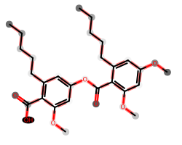
# matched peaks | # unshifted peaks | # shifted peaks | image
6 | 5 | 1

