Sheet 1
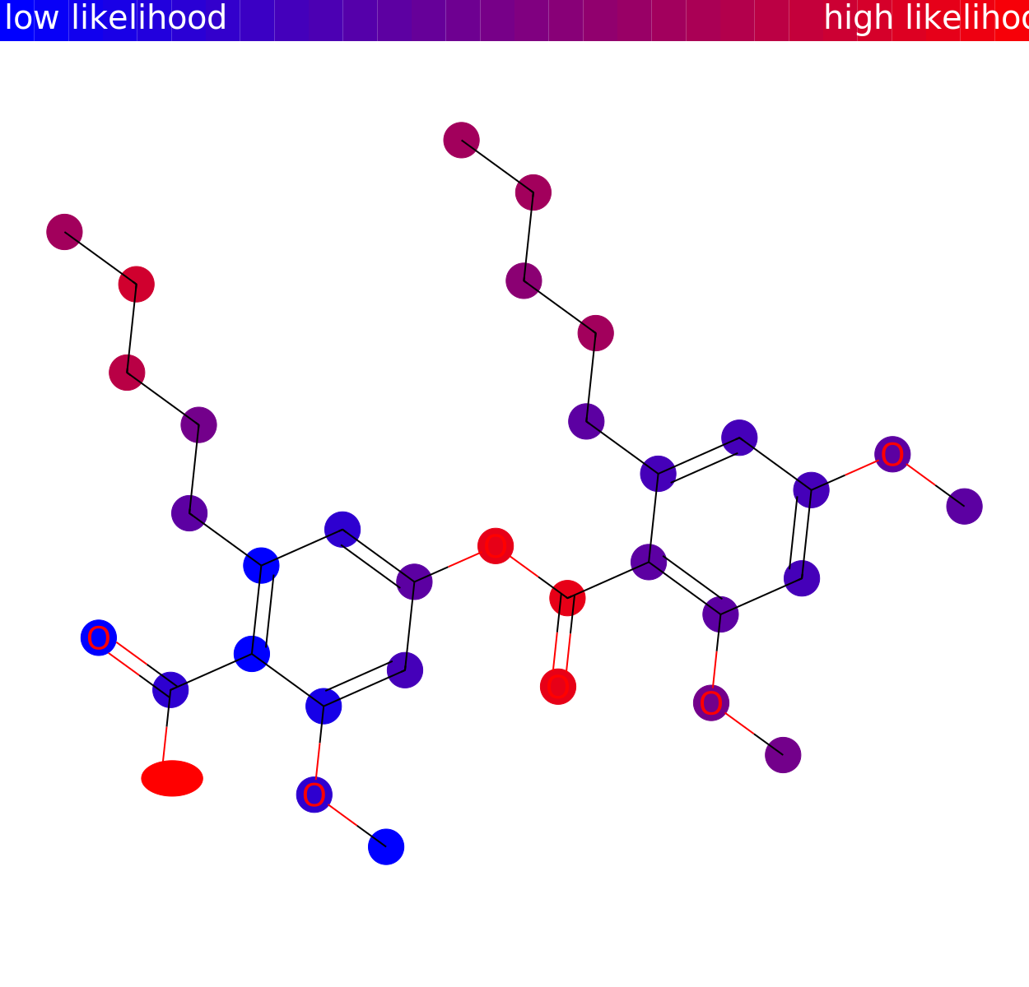
# matched peaks | # unshifted peaks | # shifted peaks | usi1 | usi2 | structure1 | image
6 | 5 | 1 | mzspec:GNPS:TASK-e31d8bbfb26c4c3e8f159f06e37d65bb-spectra/specs_ms.mgf:scan:3189 | mzspec:GNPS:TASK-e31d8bbfb26c4c3e8f159f06e37d65bb-spectra/specs_ms.mgf:scan:3399 | OC(c1c(CCCCC)cc(OC(c2c(OC)cc(OC)cc2CCCCC)=O)cc1OC)=O

