Airlines_model_comparison
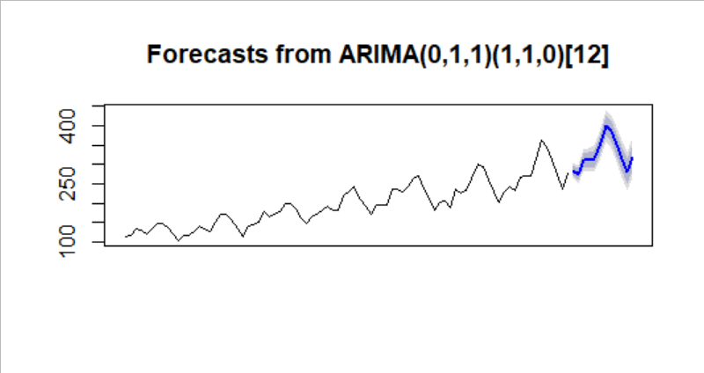
 | Forecasting Models |  | RMSE | R-sqr | Adj R-sqr | REMARKS

1 | Linear | linear_model_air | 53.19924 | 0.7923 | 0.7898
2 | Exponential | expo_model_air | 46.05736 | 0.8239 | 0.8218
3 | Quadratic | quad_model_air | 48.05189 | 0.7963 | 0.7912
4 | Additive Seasonality | sea_add_model_air | 132.81978 | 0.1674 | 0.04015 | very poor model
5 | Additive Seasonality with Linear Trend | Add_sea_Linear_model_air | 35.34896 | 0.9551 | 0.9475
6 | Additive Seasonality with Quadratic Trend | Add_sea_Quad_model_air | 26.36082 | 0.9598 | 0.9524
7 | Multiplicative Seasonality | multi_sea_model_air | 140.0632 | 0.1548 | 0.02568 | very poor model
8 | Multiplicative Seasonality with Linear Trend | multi_sea_lin_model_air | 10.51917 | 0.9763 | 0.9723
9 | Multiplicative Seasonality with Quadratic Trend | multi_sea_quad_model_air | 18.37201 | 0.9777 | 0.9736

 |  |  | MAPE | RMSE
10 | Simple exponential smoothing | hw_a | 13.411275
11 | Holt (double exponential smoothing) | hw_ab | 10.597471
12 | Holt-Winter (triple exponential smoothing) | hw_abg | 6.311894
13 | Holt_winter (allowed model to choose α, β, γ values) | hw_nabg | 1.678281 | 9.037404 |  | This is the best modle obtained so far with least RMSE

14 | ARIMA model | model_arima | 2.48378

 | Data - multiplicative seasonality with linear trend, even rmse least for this model
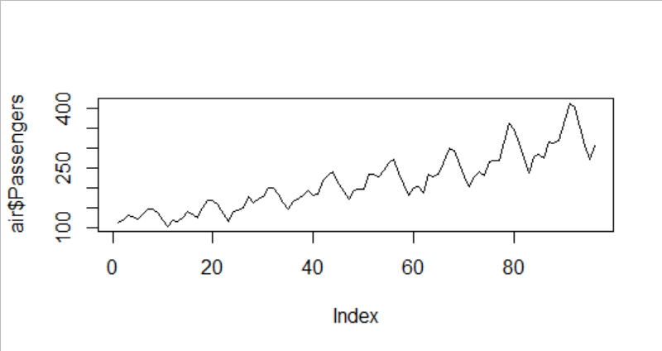

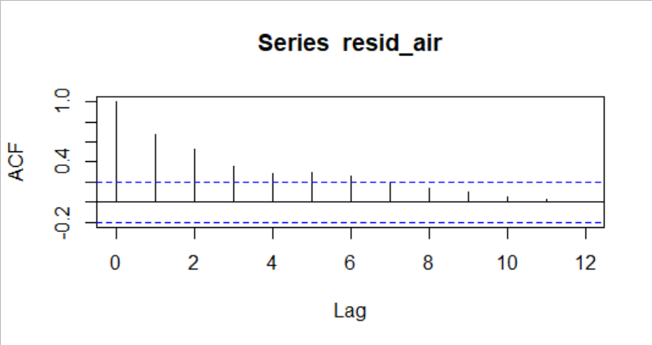
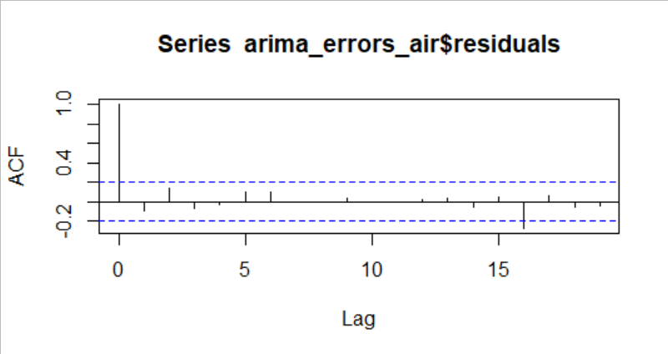

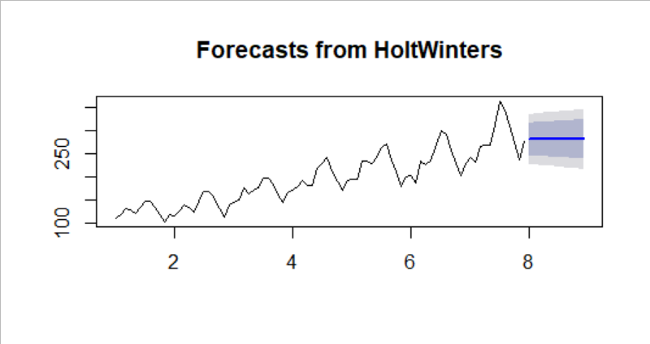
 | only level, alpha
 |  |  |  |  | level and trend (alpha, beta)
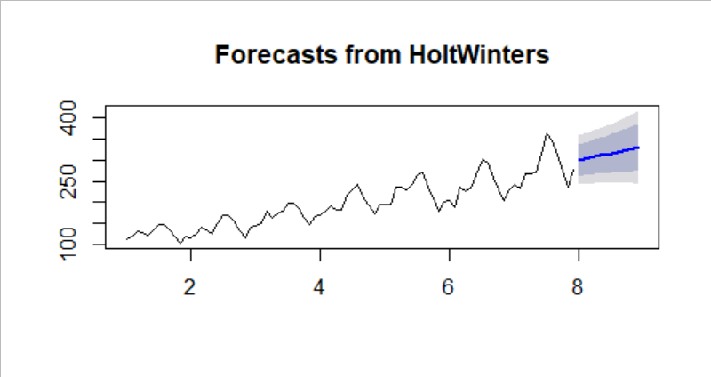

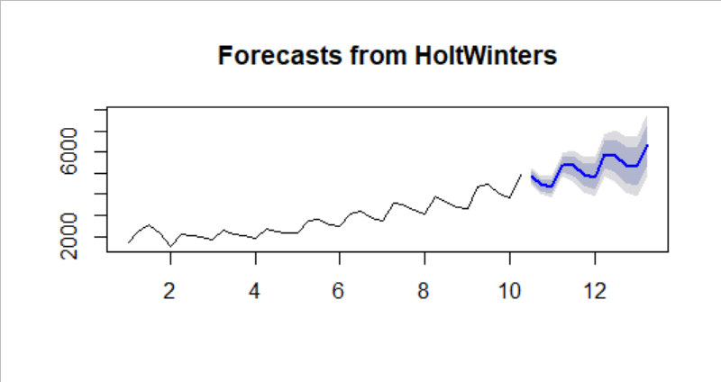
 | all 3 (alpha, beta and gamma) chosen by model
 |  |  |  |  |  | Forecasts using Arima model

Cocacola_model_comparison
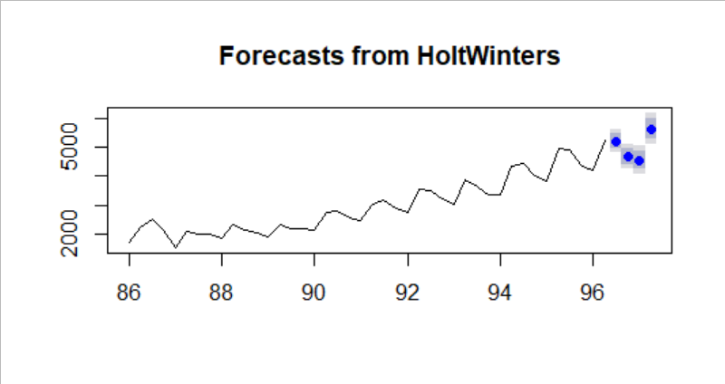
 | Coca cola model comparison and some plots

 | Forecasting Models |  | RMSE |  | REMARKS

1 | Linear | model_linear_cola | 591
2 | Exponential | model_exp_cola | 466
3 | Quadratic | model_quadr_cola | 475
4 | Additive Seasonality | model_add_cola | 1860 |  | Very poor model (No model as all betas are zero), F-stat not significant, cannot reject null hyp
5 | Additive Seasonality with Linear Trend | model_add_linear_cola | 464
6 | Additive Seasonality with Quadratic Trend | model_add_quadr_cola | 301
7 | Multiplicative Seasonality | model_multi_cola | 4680
8 | Multiplicative Seasonality with Linear Trend | model_multi_linear_cola | 225
9 | Multiplicative Seasonality with Quadratic Trend | model_multi_quadr_trend | 581

 |  |  | MAPE | RMSE
10 | Holt-Winter (triple exponential smoothing) | hw_abg | 3.476
11 | Holt_winter (allowed model to choose α, β, γ values) | hw_nabg | 2.47 | 126 | This is the best modle obtained so far with least RMSE and lesser MAPE values

 | Data - multiplicative seasonality with linear trend
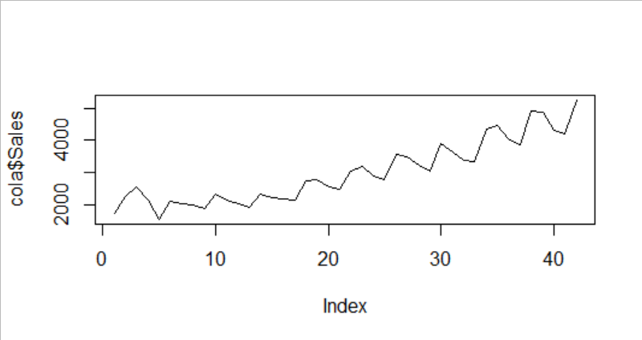

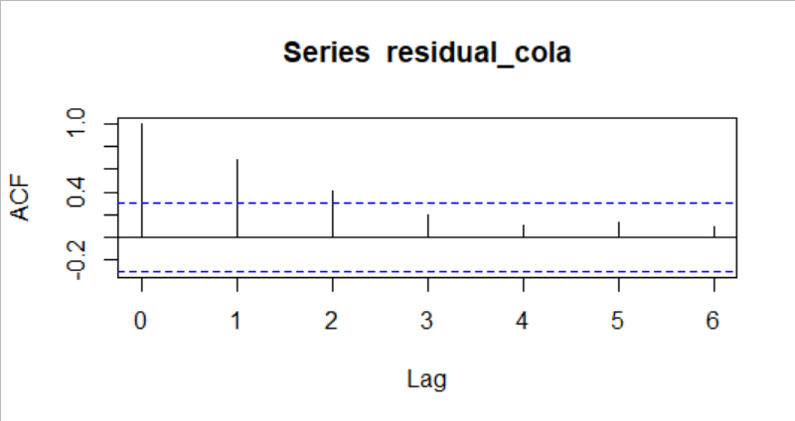
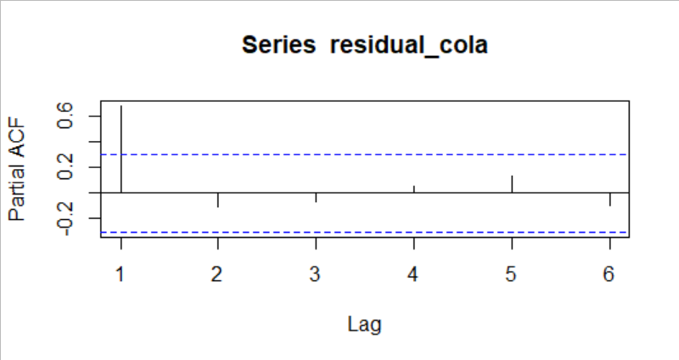

 | given values manually of alpha, beta and gamma |  |  |  | allowed system to select values
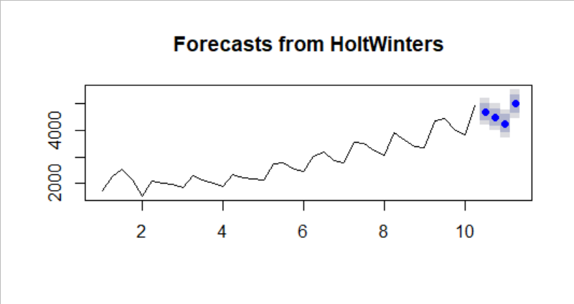


 | forecast for entire data

PlasticSales_model_comparison
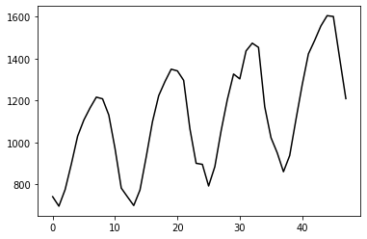
 | Forecasting Models | RMSE |  | REMARKS

1 | Linear | 260
2 | Exponential | 268
3 | Quadratic | 297
4 | Additive Seasonality | 235
5 | Additive Seasonality with Linear Trend | 135 |  | This model has least RMSE. Also the plot shows similar tend and seasonality
6 | Additive Seasonality with Quadratic Trend | 218
7 | Multiplicative Seasonality | 239.6543
8 | Multiplicative Seasonality with Linear Trend | 160
9 | Multiplicative Seasonality with Quadratic Trend | 239.606

 |  | MAPE | mape full data
10 | Simple exponential smoothing | 17.041
11 | Holt (double exponential smoothing) | 101.99
12 | Holt-Winter -- additive seasonality with linear trend | 14.74 | 2.86 | This is the best modle obtained so far with least MAPE value
13 | Holt-Winter -- multiplicative seasonality with linear trend | 15

 | data following additive seasonality with linear trend

