Sheet1
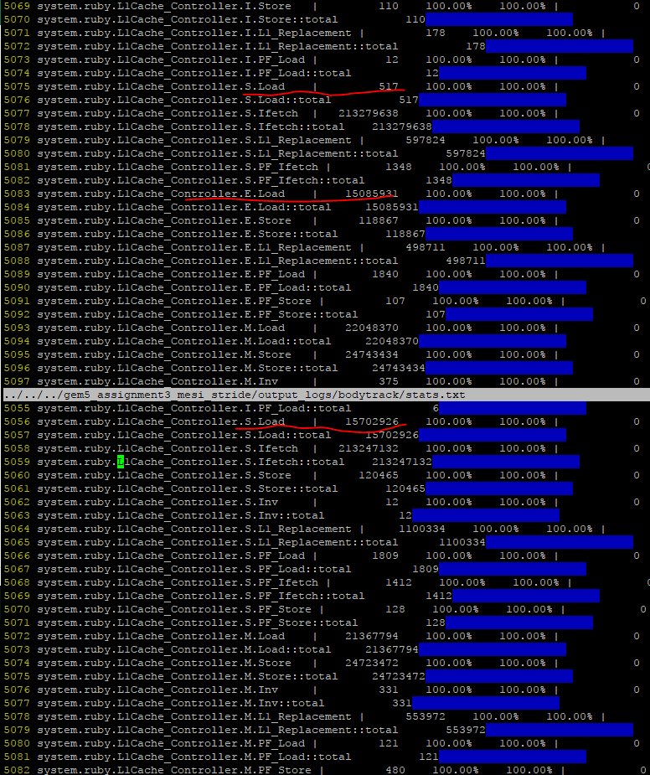

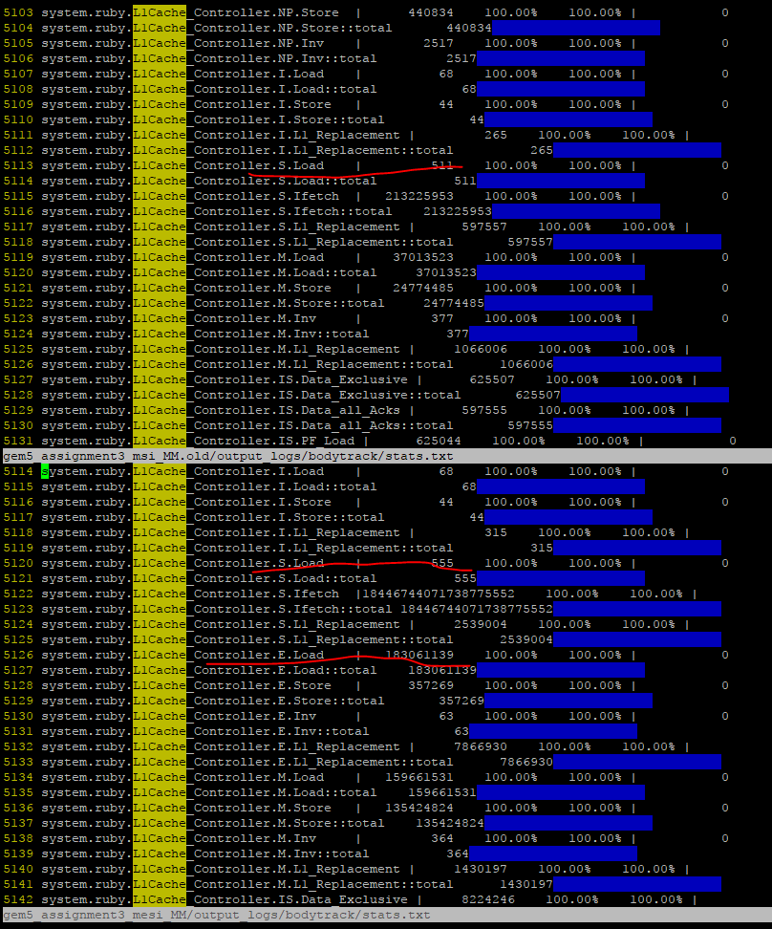

 | v1 | v2
MESI S | 555 | 517
MESI E | 18306139 | 15085931
MSI S | 511 | 15702926
deviation % | -99.997208671 | 4.086303151

blackscholes
Blackscholes
 | avg.cache.hits
 | 61254576
 | 61114012
 | 61057854
 | avg.cache.access
 | 61909028
 | 61872333
 | 61883931
 | MCPI
 | 9.6318513224
 | 9.6674053949
 | 9.7145081951

 | avg.cache.miss
 | 654451
 | 758321
 | 826077
 | accuracy %
 | 98.942882773
 | 98.774377879
 | 98.665118737
BW
 | MemBWavgRd | MemBWavgWr
 | 1.08 | 1.53
 | 1.07 | 1.49
 | 1.08 | 1.48

x264
 | avg.cache.access
 | 480794635
 | 65403903
 | 65233844
 | MCPI
 | 9.9668215536
 | 9.5404890122
 | 10.15266927
X264 Benchmark
 | avg.cache.miss
 | 1227765
 | 1045092
 | 1448997

 | avg.cache.hits
 | 64043211
 | 64358811
 | 63784847
 | accuracy %
 | 99.744638374
 | 98.402095361
 | 97.778764961
BW
 | MemBWavgRd | MemBWavgWr
 | 5.97 | 7.07
 | 6.04 | 6.56
 | 5.91 | 6.99

 |  | MESI | MSI
 | IS | 460721 | 54015

fluidanimate
Fluidanimate
 | avg.cache.hits
 | 64544047
 | 63712743
 | 64276316
 | avg.cache.access
 | 65476811
 | 65020636
 | 65409494
 | MCPI
 | 9.5050451218
 | 10.011837889
 | 9.7027136604

 | avg.cache.miss
 | 932764
 | 1307893
 | 1133178
 | accuracy %
 | 98.575428483
 | 97.988495529
 | 98.267563421
BW
 | MemBWavgRd | MemBWavgWr
 | 6.05 | 6.58
 | 6.15 | 7.18
 | 5.9 | 6.41

bodytrack
Bodaytrack
 | avg.cache.hits (data)
 | 61997119
 | 61794192
 | 61901462
 | avg.cache.miss
 | 939524
 | 1066704
 | 1169154
 | MCPI
 | 9.7876739899
 | 9.840518306
 | 9.9488567956

 | avg.cache.access
 | 62936643
 | 62860896
 | 63070616
 | accuracy %
 | 98.507190795
 | 98.303072231
 | 98.146277817
BW
 | MemBWavgRd | MemBWavgWr
 | 3.9 | 5.29
 | 3.9 | 5.28
 | 3.82 | 5.18

